工作表1
feature介紹 | f1:birth | f2:city_annual_expend | f3:death | f4:immigration | f5:per_capital_income | target:population
(2009~2018)
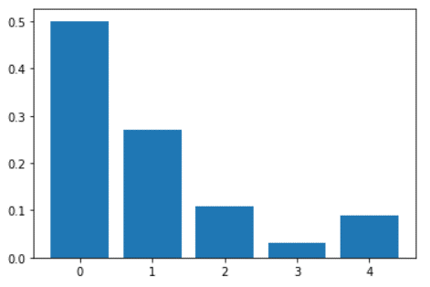
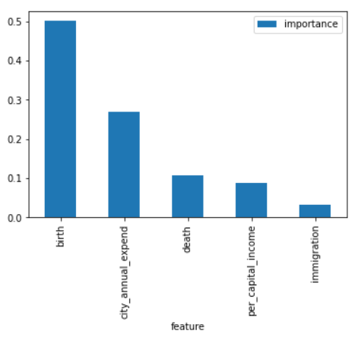
Feature: 1, Score: 0.50062
Feature: 2, Score: 0.26956
Feature: 3, Score: 0.10824
Feature: 4, Score: 0.03208
Feature: 5, Score: 0.08949

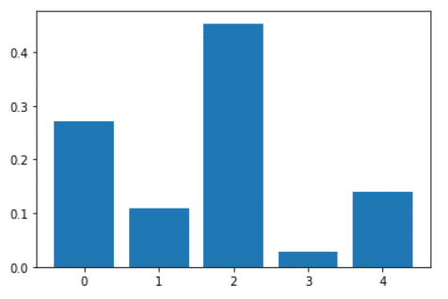
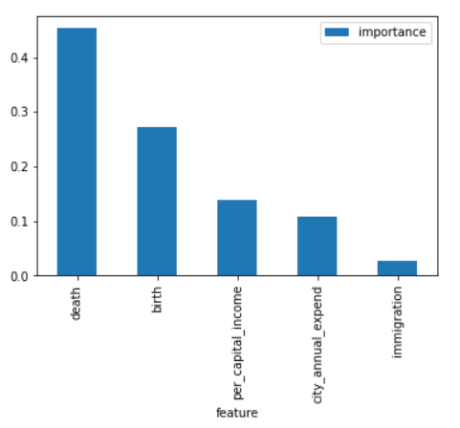
(2009~2025)

Feature: 1, Score: 0.27193
Feature: 2, Score: 0.10834
Feature: 3, Score: 0.45349
Feature: 4, Score: 0.02742
Feature: 5, Score: 0.13882

