API_sand
a | 3.528E-04 | 1.388E-04 | 2.920E-02
b | -2.520E-02 | -1.112E-02 | -2.561E+00
c | 7.287E-01 | 4.335E-01 | 7.871E+01
d | -6.663E+00 | -4.055E+00 | -8.156E+02

phi_calc | C1 | C2 | C3
30 | 2.04 | 2.69 | 29.20
32 | 2.41 | 2.98 | 37.48
34 | 2.85 | 3.28 | 47.70
36 | 3.37 | 3.62 | 61.26
38 | 4.00 | 3.98 | 79.56
40 | 4.74 | 4.38 | 104.00
42 | 5.63 | 4.82 | 135.99

phi_points | C1 | C2 | C3
30 | 2.04 | 2.69 | 29.55
32 | 2.42 | 2.98 | 37.50
34 | 2.85 | 3.29 | 47.96
36 | 3.37 | 3.61 | 61.80
38 | 4.00 | 3.98 | 80.00
40 | 4.75 | 4.38 | 104.00
42 | 5.63 | 4.82 | 136.50

a | 8.800E-03
b | -6.840E-01
c | 1.872E+01
d | -1.726E+02

phi | k_points (lb/in3) | k_points (MN/m3)
29 | 7 | 1.9
29.3 | 12 | 3.3
29.6 | 19 | 5.1
30 | 31 | 8.4
31 | 38 | 10.3
32 | 48 | 13.0
33 | 57.5 | 15.6
34 | 68.5 | 18.6
35 | 80 | 21.7
36 | 92 | 24.9
37 | 105 | 28.5
38 | 121 | 32.8
39 | 139 | 37.7
40 | 157 | 42.5 | 18.0
41 | 175.0 | 47.4 | -563
42 | 193.0 | 52.3
43 | 211.0 | 57.2
44 | 211.0 | 57.2
46.6 | 211.0 | 57.2

API_stiff_clay
a | -2.778E-04
b | 8.420E-03
c | -7.764E-02
d | 2.940E-01
e | 1.981E-01

z/b | A_calc | A_points
0.01 | 0.20 | 0.2
0.5 | 0.33 | 0.33
1 | 0.42 | 0.42
1.5 | 0.49 | 0.49
2 | 0.54 | 0.54
2.5 | 0.57 | 0.57
3 | 0.59 | 0.585
3.5 | 0.60 | 0.595
4 | 0.60 | 0.6
4.5 | 0.60 | 0.6
5 | 0.60 | 0.6
5.5 | 0.60 | 0.6
6 | 0.60 | 0.6
6.5 | 0.60 | 0.6
7 | 0.60 | 0.6
7.5 | 0.60 | 0.6
8 | 0.60 | 0.6
8.5 | 0.60 | 0.6
9 | 0.60 | 0.6
9.5 | 0.60 | 0.6
10 | 0.60 | 0.6

50 | 130
100 | 130
100 | 270
200 | 270
200 | 540
400 | 540
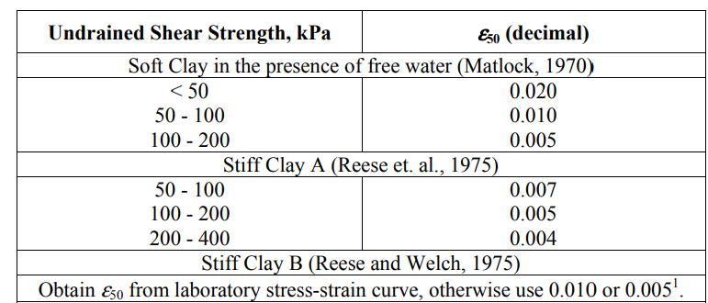
su | k
50 | 130
100 | 130

100 | 270
200 | 270

200 | 540
400 | 540

