School-Class-StudentId-Fullname
Xây dựng mô hình hồi quy tuyến tính để dự báo medv theo age và lstat: Tỉ lệ trainning và evaluation là 80:20, random state = 16
No | Pipeline | R_Score |  |  | MAE |  |  | RMSE |  |  | MAPE |  |  | Actual-Predicted Plot |  |  | Residual Plot |  |  | Histogram Plot
 |  | Train | Test | Comment | Train | Test | Comment | Train | Test | Comment | Train | Test | Comment | Train | Test | Comment | Train | Test | Comment | Train | Test | Comment
1 | Features -> LR model -> Target Code: Pipeline01.ipynb | 0.9769807767366054 | 0.6700746367535171 |  | 1.071270767328698 | 2.573852643328744 |  | 1.4066869600001592 | 3.8494659137374345 |  | 0.043631521865501836 | 0.1211126543413698 |  | 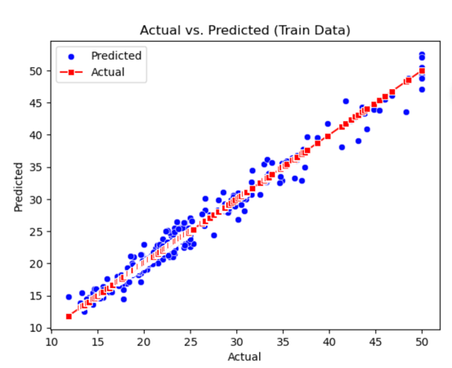 | 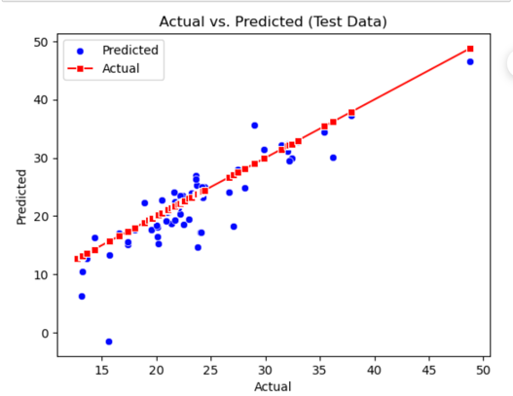 |  | 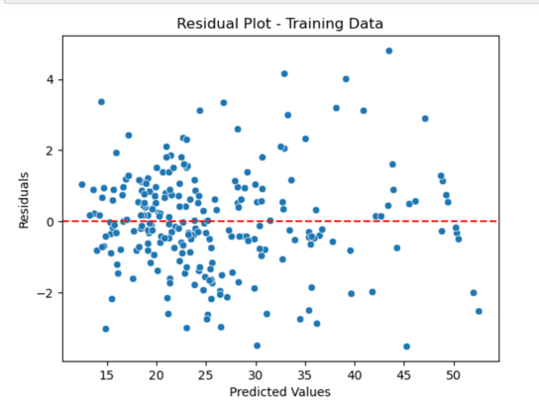 | 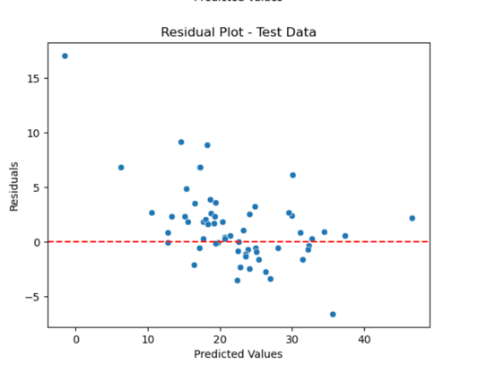 |  | 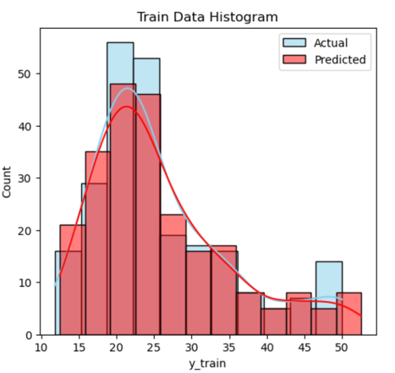 | 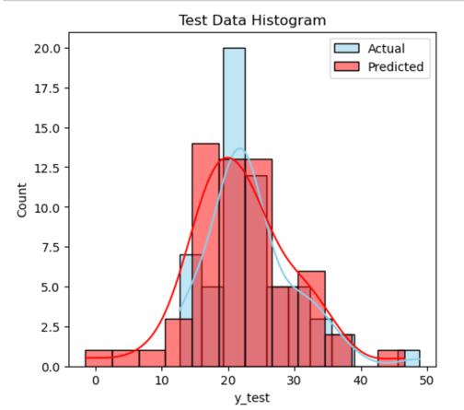
2 | Features -> MinMaxScale -> LR model -> Target Code: Pipeline02.ipynb | 0.9769807767366054 | 0.6700746368353548 |  | 1.0712707673011184 | 2.573852643293988 |  | 1.4066869600001588 | 3.8494659132600058 |  | 0.043631521865177034 | 0.12111265433164757 |  | 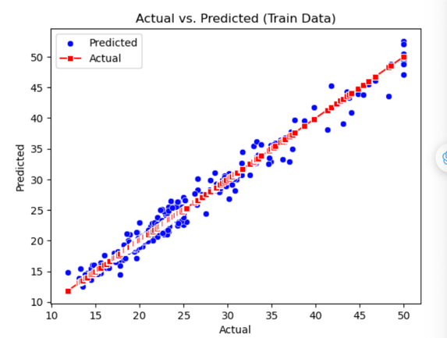 | 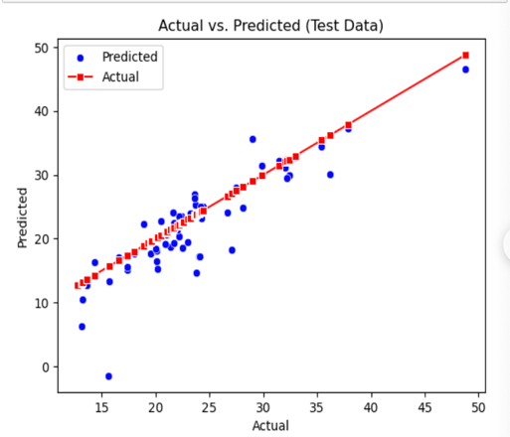 |  | 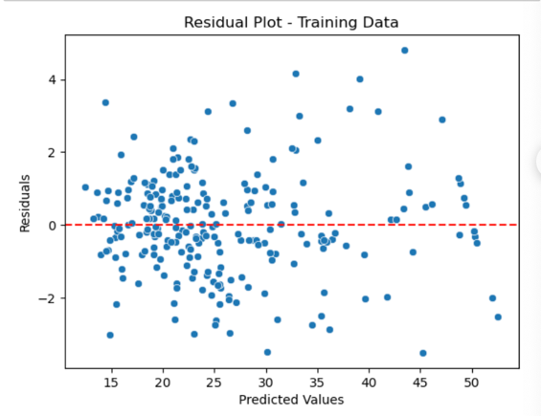 | 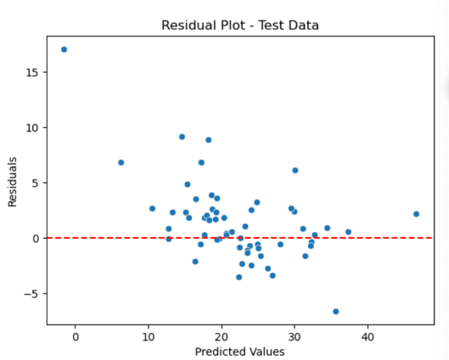 |  | 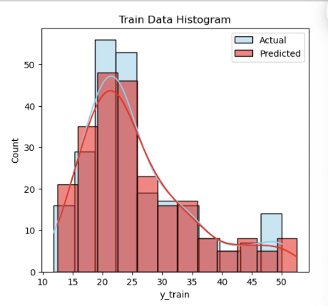 | 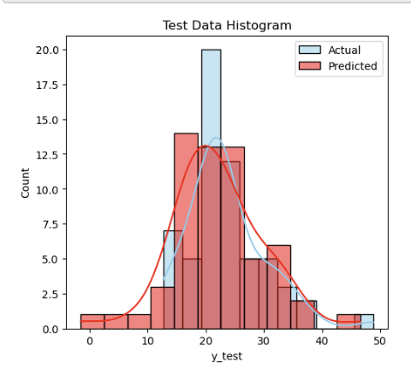
3 | Features -> Z_Score -> LR Model -> Target Code: Pipeline03.ipynb | 0.9769807767366057 | 0.6700746368353405 |  | 1.0712707673011077 | 2.573852643294047 |  | 1.4066869600001544 | 3.8494659132600892 |  | 0.0436315218651763 | 0.12111265433165011 |  | 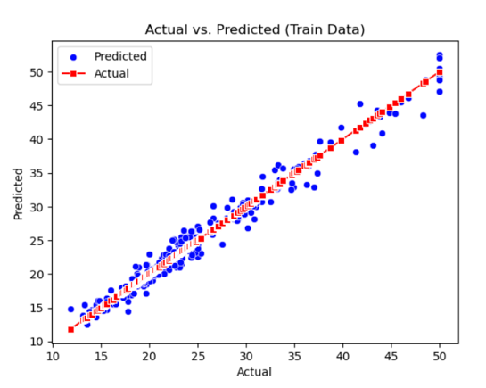 | 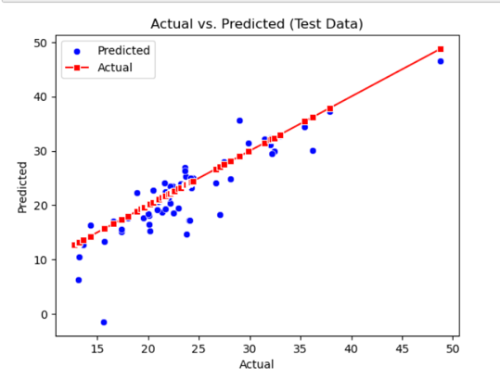 |  |  | 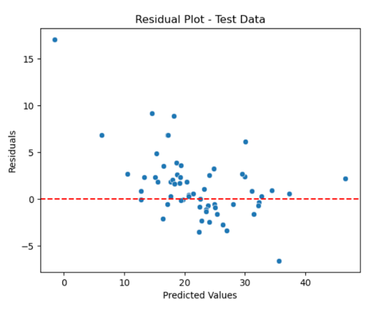 |  | 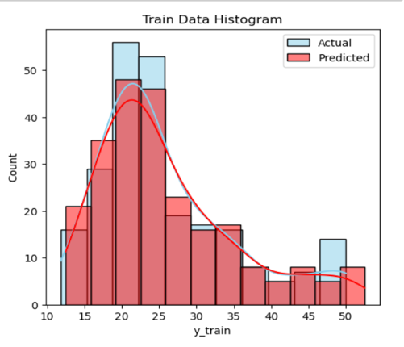 | 
4 | Features -> Log Transformation -> MinMaxScale -> LR model -> Target Code: Pipeline04.ipynb | 0.9771137228147895 | 0.48449493094756557 |  | 1.0409028845530217 | 2.7122651674388916 |  | 1.4026189617841716 | 4.811816939367897 |  | 0.042674753577068826 | 0.11612788960993421 |  | 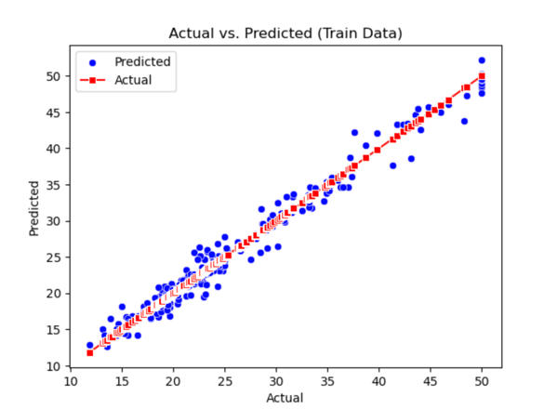 | 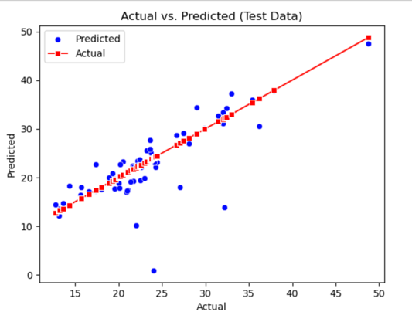 |  | 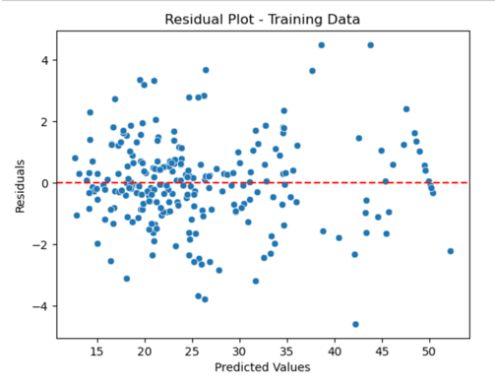 | 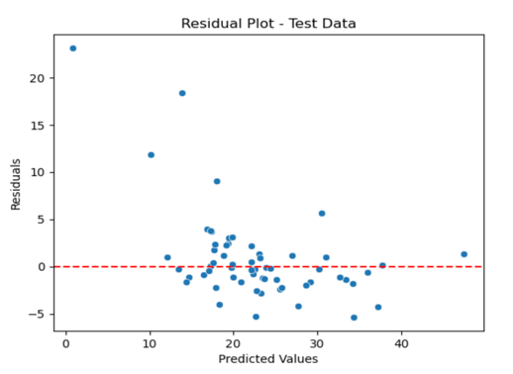 |  | 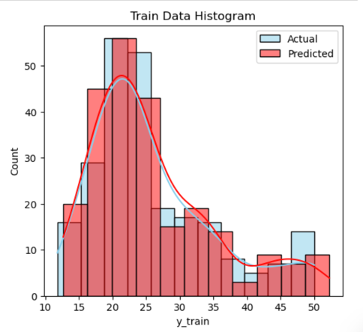 | 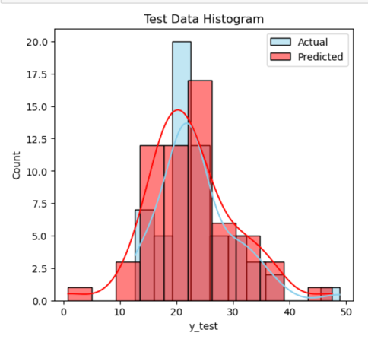
5 | Features -> Sqrt Transformation -> MinMaxScale -> LR model -> Target Code: Pipeline05.ipynb | 0.9761765113978358 | 0.7984152593699784 |  | 1.0666101891867656 | 2.2387506860831183 |  | 1.4310499997476958 | 3.008994914436393 |  | 0.043620521610544506 | 0.10508990936417467 |  | 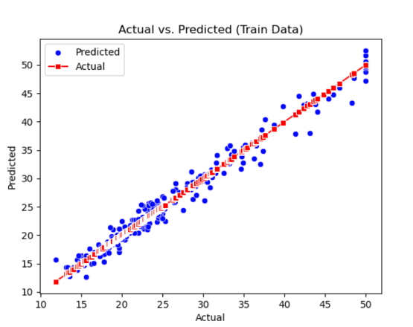 | 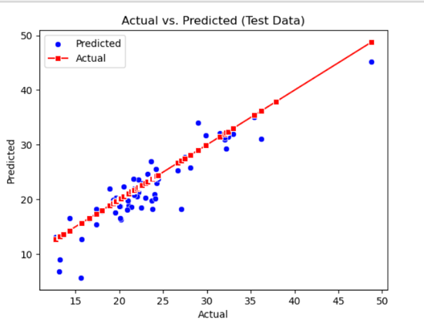 |  | 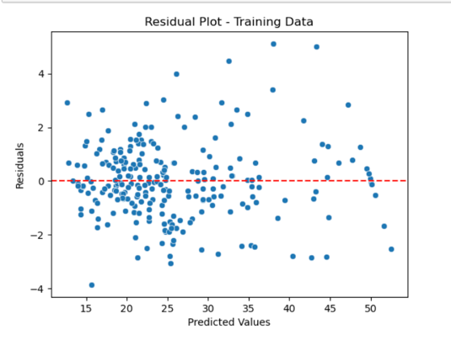 | 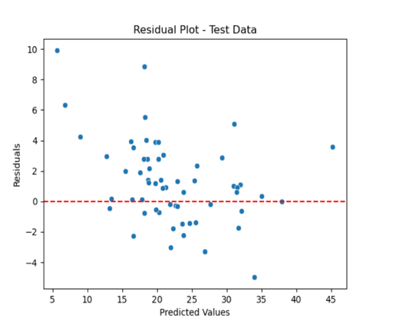 |  | 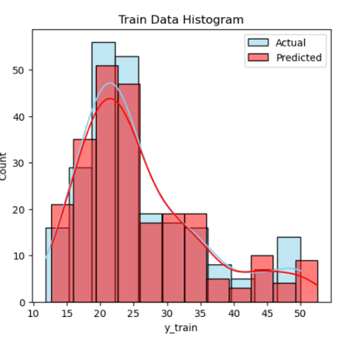 | 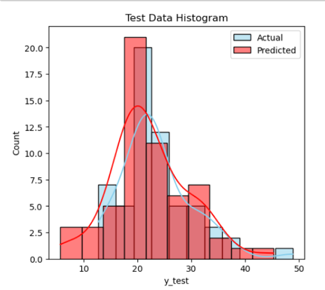
6 | Features -> Log Transformation -> MinMaxScale -> Polynomial degree = 2 -> LR model -> Target Code: Pipeline06.ipynb | 0.9737438424962188 | 0.8113917864415405 |  | 1.1597395833333333 | 1.9927604166666664 |  | 1.5023382112265729 | 2.9105356785646723 |  | 0.04779254927422912 | 0.0949241665646056 |  | 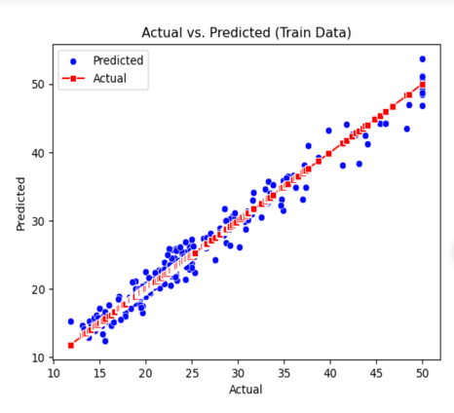 | 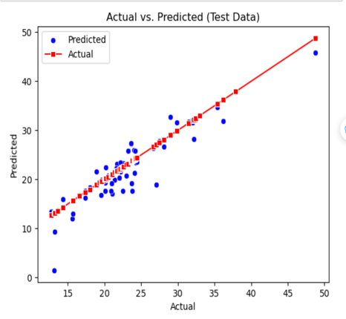 |  | 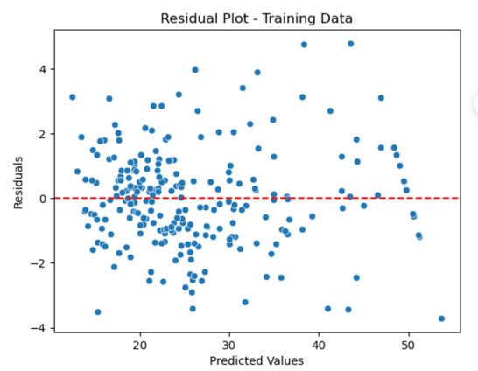 | 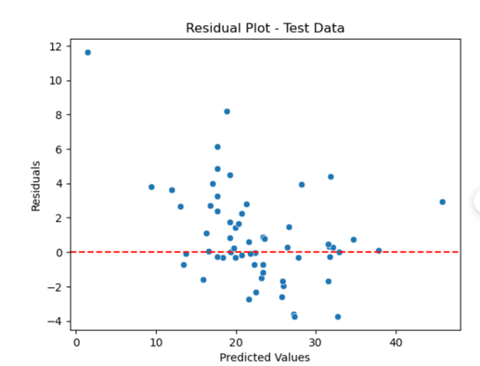 |  | 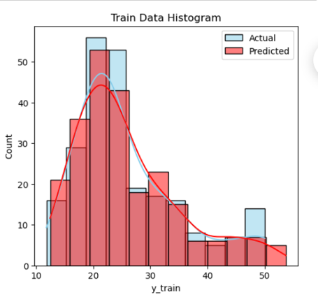 | 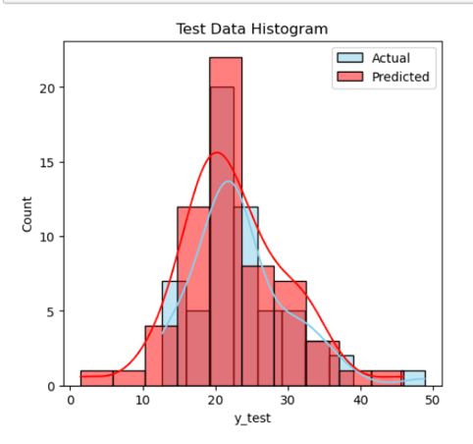
7 | Features -> Log Transformation -> MinMaxScale -> Polynomial degree = 5 -> LR model -> Target Code: Pipeline07.ipynb | 1.0 | -0.4294313990817713 |  | 5.214827719214017 | 5.214827719214017 |  | 1.322176714630271e-13 | 8.012615179363241 |  | 4.44E+00 | 0.24440250204217548 |  | 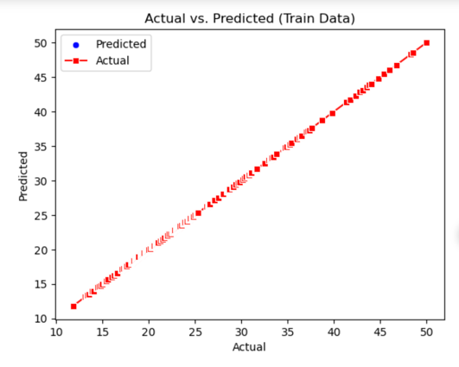 | 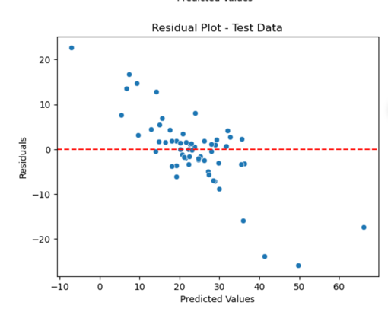 |  | 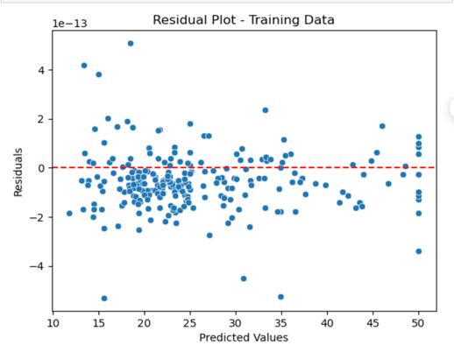 |  |  | 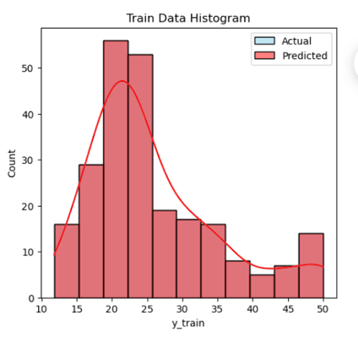 | 