Sheet1
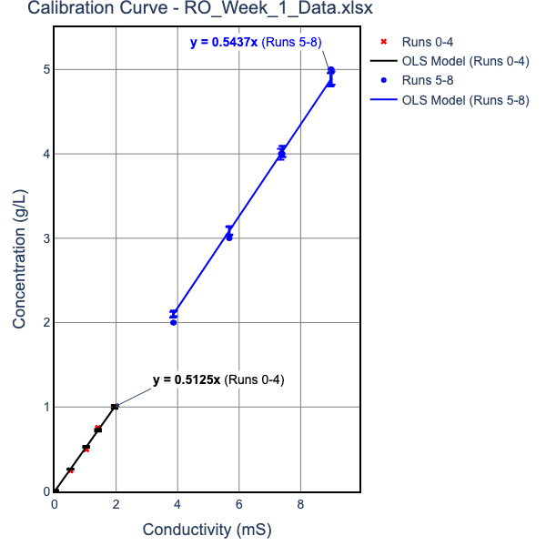
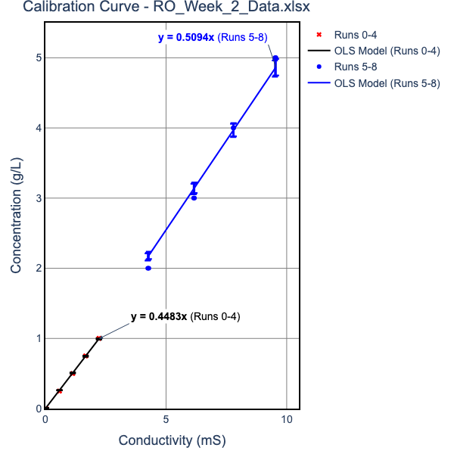
 | Please put your Raw and Calculated Data in this table. NOTE UNITS
 |  | Week 1 |  |  |  |  |  | Week 2
 | EC units are Micro Siemens | Run 1 | Run 2 | Run3 | Run 1 | Run 2 | Run3 | Run 1 | Run 2 | Run3 | Run 1 | Run 2 | Run3
Inputs |  | 1g/L Feed Solution |  |  | 5g/L Feed Solution |  |  | 1g/L Feed Solution |  |  | 5g/L Feed Solution
 | EC in mS vs. [salt] equation parameters ([salt, g/l] = M*EC +B)
 | For Concentrated Solutions
 | "Mc" | 0.5439808519 |  |  | 0.5439808519 |  |  | 0.51009998000 |  |  | 0.51009998000
 | "Bc" | 0 |  |  | 0 |  |  | 0.00000000000 |  |  | 0.00000000000
 | For Dilute Solutions
 | "Md" | 0.513004668 |  |  | 0.513004668 |  |  | 0.44841038520 |  |  | 0.44841038520
 | "Bd" | 0 |  |  | 0 |  |  | 0.00000000000 |  |  | 0.00000000000
 | Transmembrane Pressure drop, psi | 75 | 115 | 155 | 75 | 115 | 155 | 75 | 115 | 155 | 75 | 115 | 155
 | Average Permeate Salt conductivity, mS | 102.25 | 89.95 | 71.85 | 1049.5 | 803 | 570.5 | 144.133 | 126 | 107.533 | 868.2 | 618.367 | 451.3
 | Average Feed Salt Conductivity, mS | 2030 | 2045 | 2065 | 9300 | 9300 | 9300 | 2100 | 2125 | 2130 | 9313.333 | 9350 | 9385
 | Permeate density, g/ml | 1.0000524547 | 1.0000461448 | 1.0000368594 | 1.0005383984 | 1.0004119427 | 1.0002926692 | 1.0000646307 | 1.0000564997 | 1.0000482189 | 1.0003893099 | 1.0002772822 | 1.0002023676
 | Permeate flow, ml/min | 8.1928 | 12.7666 | 16.9811 | 3.06688 | 7.20184 | 11.2518 | 8.3422 | 12.722 | 16.1759 | 3.95957 | 7.41836 | 11.6664
 | Av temp of permeate, °C | 22.9 | 21.95 | 21.75 | 24.15 | 23.1 | 22.75 | 20.2 | 19.6 | 19.1333 | 20.6667 | 20.5333 | 19.8667
 | Av temp of Feed, °C | 21.75 | 20.15 | 20 | 23.25 | 21.8 | 21.35 | 19.2667 | 18 | 17.8 | 19.9667 | 18.6 | 18.2333
Calculated Values | Permeate salt concentration, g/l | 0.052454727303 | 0.046144769887 | 0.036859385396 | 0.53839839907 | 0.4119427484 | 0.29266916309 | 0.06463073405 | 0.056499708535 | 0.048218913952 | 0.38930989643 | 0.27728218466 | 0.20236760684
 | Feed salt concentration, g/l | 1.1042811294 | 1.1124408421 | 1.1233204592 | 5.0590219227 | 5.0590219227 | 5.0590219227 | 1.071209958 | 1.0839624575 | 1.0865129574 | 4.750730977 | 4.769434813 | 4.7872883123
 | Salt concentration Gradient, DCs, mol/L | 0.017998398392 | 0.01824599713 | 0.018591051913 | 0.077354954203 | 0.079518808595 | 0.081559766591 | 0.010572089611 | 0.010791429026 | 0.010905189983 | 0.045807953709 | 0.047181025599 | 0.048155367609
 | Permeate Osmotic pressure, pp (atm) | 0.04363275591 | 0.038260852253 | 0.030541179639 | 0.44974010253 | 0.34289264269 | 0.2433239603 | 0.04904587267 | 0.042787843281 | 0.036458492872 | 0.29590288927 | 0.21065826545 | 0.15339480584
 | Feed Osmotic pressure, pf (atm) | 0.91499215142 | 0.91675214263 | 0.92524450147 | 4.2131576125 | 4.1925466862 | 4.1861501919 | 0.81031533554 | 0.81641000933 | 0.81776883703 | 3.6022867933 | 3.5996068314 | 3.6085400208
 | Flux TCF | 1.117232841 | 1.1809658296 | 1.1871609466 | 1.0611878497 | 1.1153084208 | 1.1327721076 | 1.2180119306 | 1.273592148 | 1.2826422459 | 1.1885415285 | 1.2468958557 | 1.2631313887
 | Water Flux corrected to 25°C Jw, mol/m^2-hr | 1771.3773979 | 2611.3051088 | 3455.1896052 | 698.45420123 | 1560.3679234 | 2399.9721502 | 1654.4619445 | 2412.9549521 | 3046.3760544 | 805.01202052 | 1437.466684 | 2231.3920038
 | Salt Flux corrected to 25°C Js, mol/m^2-hr | 0.02889257787 | 0.037468875801 | 0.039601399479 | 0.11693169732 | 0.19987314034 | 0.21841060792 | 0.033249600418 | 0.042392202534 | 0.045676361064 | 0.097451464273 | 0.12393966413 | 0.1404130355
 | Kw , mol/m^2-hr-atm | 348.81386287 | 335.10940611 | 328.69853895 | 149.77355286 | 221.14467257 | 247.77731524 | 325.79998359 | 309.6502936 | 289.8144099 | 168.36844693 | 194.11357685 | 221.76399783
 | Ks L/m^2-hr | 1.6052860505 | 2.0535394988 | 2.1301322628 | 1.5116251897 | 2.5135328846 | 2.6779209536 | 3.1450358105 | 3.9283214885 | 4.1884975077 | 2.127391782 | 2.6268963542 | 2.9158335295
 | % Recovery | 0.21643098106 | 0.33725805131 | 0.44859341524 | 0.081018436576 | 0.19025257502 | 0.29724124996 | 0.22037771338 | 0.3360798434 | 0.42732227156 | 0.10460082263 | 0.19597243099 | 0.30819382841
 | Instanteous Salt Rejection Coefficient, Ri as a decimal | 0.95249875606 | 0.9585193494 | 0.96718711469 | 0.89357658312 | 0.91857265007 | 0.9421490621 | 0.93966567099 | 0.94787669246 | 0.95562048881 | 0.91805263268 | 0.9418626744 | 0.95772813467

 | calculations assume density doesn't change when salt is added (vol does)

 |  |  | Permeate Flow, ml/min
 |  |  | NaCl |  | MgCl2
 |  | Pressure | 1 g/L | 5 g/L | 1 g/L | 5 g/L
 |  | 75 | 8.2 | 3.1 | 8.3 | 4.0
 |  | 115 | 12.8 | 7.2 | 12.7 | 7.4
 |  | 155 | 17.0 | 11.3 | 16.2 | 11.7

 |  |  | Permeate Flow, ml/min

water density
T | density g/ml | eqn
10 | 0.99965 | 0.9999 | eqcn
15 | 0.99906 | 0.9989
20 | 0.99819 | 0.9979
25 | 0.99705 | 0.9969
30 | 0.99567 | 0.9959

