Sheet1
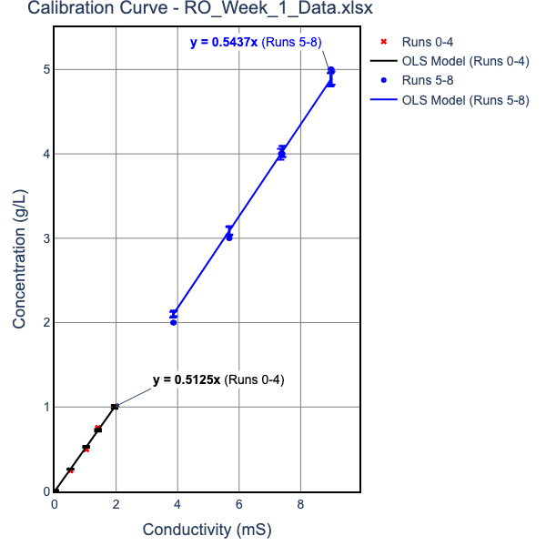
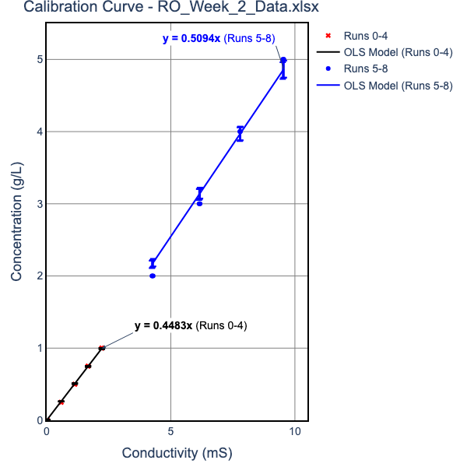
 | Please put your Raw and Calculated Data in this table. NOTE UNITS
 |  | Week 1 |  |  |  |  |  | Week 2
 | EC units are Micro Siemens | Run 1 | Run 2 | Run3 | Run 1 | Run 2 | Run3 | Run 1 | Run 2 | Run3 | Run 1 | Run 2 | Run3
Inputs |  | 1g/L Feed Solution |  |  | 5g/L Feed Solution |  |  | 1g/L Feed Solution |  |  | 5g/L Feed Solution
 | EC in mS vs. [salt] equation parameters ([salt, g/l] = M*EC +B)
 | For Concentrated Solutions
 | "Mc" | 0.5439808519 | 0.5439808519 | 0.5439808519 | 0.5439808519 | 0.5439808519 | 0.5439808519 | 0.51009998 | 0.51009998 | 0.51009998 | 0.51009998 | 0.51009998 | 0.51009998
 | "Bc" | 0 | 0 | 0 | 0 | 0 | 0 | 0 | 0 | 0 | 0 | 0 | 0
 | For Dilute Solutions
 | "Md" | 0.513004668 | 0.513004668 | 0.513004668 | 0.513004668 | 0.513004668 | 0.513004668 | 0.4484103852 | 0.4484103852 | 0.4484103852 | 0.4484103852 | 0.4484103852 | 0.4484103852
 | "Bd" | 0 | 0 | 0 | 0 | 0 | 0 | 0 | 0 | 0 | 0 | 0 | 0
 | Transmembrane Pressure drop, psi | 75 | 115 | 155 | 75 | 115 | 155 | 75 | 115 | 155 | 75 | 115 | 155
 | Average Permeate Salt conductivity, mS | 102.25 | 89.95 | 71.85 | 1049.5 | 803 | 570.5 | 144.133 | 126 | 107.533 | 868.2 | 618.367 | 451.3
 | Average Feed Salt Conductivity, mS | 2030 | 2045 | 2065 | 9300 | 9300 | 9300 | 2100 | 2125 | 2130 | 9313.333 | 9350 | 9385
 | Permeate density, g/ml | 1.0000524547 | 1.0000461448 | 1.0000368594 | 1.0005709079 | 1.0004368166 | 1.0003103411 | 1.0000646307 | 1.0000564997 | 1.0000482189 | 1.0004428688 | 1.000315429 | 1.0002302081
 | Permeate flow, ml/min | 8.1928 | 12.7666 | 16.9811 | 3.06688 | 7.20184 | 11.2518 | 8.3422 | 12.722 | 16.1759 | 3.95957 | 7.41836 | 11.6664
 | Av temp of permeate, °C | 22.9 | 21.95 | 21.75 | 24.15 | 23.1 | 22.75 | 20.2 | 19.6 | 19.1333 | 20.6667 | 20.5333 | 19.8667
 | Av temp of Feed, °C | 21.75 | 20.15 | 20 | 23.25 | 21.8 | 21.35 | 19.2667 | 18 | 17.8 | 19.9667 | 18.6 | 18.2333
Calculated Values | Permeate salt concentration, g/l | 0.052454727303 | 0.046144769887 | 0.036859385396 | 0.57090790407 | 0.43681662408 | 0.31034107601 | 0.06463073405 | 0.056499708535 | 0.048218913952 | 0.44286880264 | 0.31542899433 | 0.23020812097
 | Feed salt concentration, g/l | 1.041399476 | 1.0490945461 | 1.0593546394 | 5.0590219227 | 5.0590219227 | 5.0590219227 | 0.94166180892 | 0.95287206855 | 0.95511412048 | 4.750730977 | 4.769434813 | 4.7872883123
 | Salt concentration Gradient, DCs, mol/L | 0.017018495074 | 0.017259503978 | 0.017595857065 | 0.077234796397 | 0.079542338644 | 0.081718823725 | 0.0092114469428 | 0.0094145882305 | 0.0095251095622 | 0.045245425155 | 0.046780370111 | 0.047862959021
 | Permeate Osmotic pressure, pp (atm) | 0.04363275591 | 0.038260852253 | 0.030541179639 | 0.47689625332 | 0.36359714349 | 0.25801631733 | 0.04904587267 | 0.042787843281 | 0.036458492872 | 0.33661142311 | 0.23963935837 | 0.17449793755
 | Feed Osmotic pressure, pf (atm) | 0.86288927858 | 0.86454904971 | 0.87255782375 | 4.2131576125 | 4.1925466862 | 4.1861501919 | 0.71231881198 | 0.71767641858 | 0.71887091471 | 3.6022867933 | 3.5996068314 | 3.6085400208
 | Flux TCF | 1.117232841 | 1.1809658296 | 1.1871609466 | 1.0611878497 | 1.1153084208 | 1.1327721076 | 1.2180119306 | 1.273592148 | 1.2826422459 | 1.1885415285 | 1.2468958557 | 1.2631313887
 | Water Flux corrected to 25°C Jw, mol/m^2-hr
 | Salt Flux corrected to 25°C Js, mol/m^2-hr
 | Kw , mol/m^2-hr-atm
 | Ks L/m^2-hr
 | % Recovery
 | Instanteous Salt Rejection Coefficient, Ri as a decimal

 | calculations assume density doesn't change when salt is added (vol does)

water density
T | density g/ml | eqn
10 | 0.99965 | 0.9999 | eqcn
15 | 0.99906 | 0.9989
20 | 0.99819 | 0.9979
25 | 0.99705 | 0.9969
30 | 0.99567 | 0.9959

