Sheet1
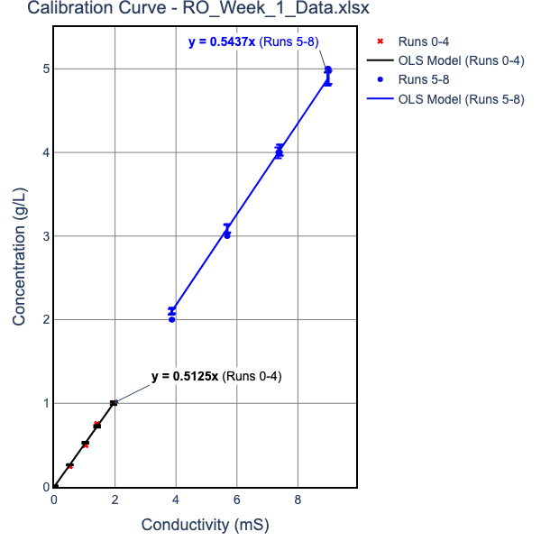
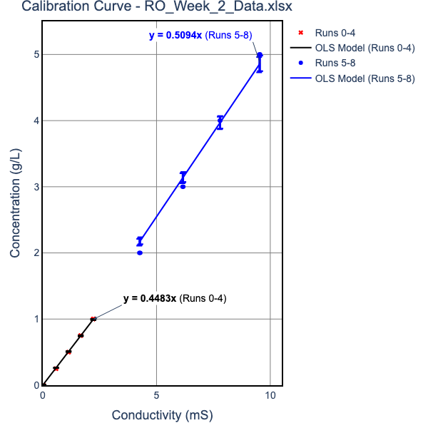
 | Please put your Raw and Calculated Data in this table. NOTE UNITS
 |  | Week 1 |  |  |  |  |  | Week 2
 | EC units are Micro Siemens | Run 1 | Run 2 | Run3 | Run 1 | Run 2 | Run3 | Run 1 | Run 2 | Run3 | Run 1 | Run 2 | Run3
Inputs |  | 1g/L Feed Solution |  |  | 5g/L Feed Solution |  |  | 1g/L Feed Solution |  |  | 5g/L Feed Solution
 | EC in mS vs. [salt] equation parameters ([salt, g/l] = M*EC +B)
 | For Concentrated Solutions
 | "Mc" | 0.5437 |  |  | 0.5437 |  |  | 0.50940000000 |  |  | 0.50940000000
 | "Bc" | 0 |  |  | 0 |  |  | 0.00000000000 |  |  | 0.00000000000
 | For Dilute Solutions
 | "Md" | 0.5125 |  |  | 0.5125 |  |  | 0.44830000000 |  |  | 0.44830000000
 | "Bd" | 0 |  |  | 0 |  |  | 0.00000000000 |  |  | 0.00000000000
 | Transmembrane Pressure drop, psi | 75 | 115 | 155 | 75 | 115 | 155 | 75 | 115 | 155 | 75 | 115 | 155
 | Average Permeate Salt conductivity, mS | 102.25 | 89.95 | 71.85 | 1049.5 | 803 | 570.5 | 144.133 | 126 | 107.533 | 868.2 | 618.367 | 451.3
 | Average Feed Salt Conductivity, mS | 2030 | 2045 | 2065 | 9300 | 9300 | 9300 | 2100 | 2125 | 2130 | 9313.333 | 9350 | 9385
 | Permeate density, g/ml | 1.0000524031 | 1.0000460994 | 1.0000368231 | 1.0005378687 | 1.0004115375 | 1.0002923812 | 1.0000646148 | 1.0000564858 | 1.000048207 | 1.0003892141 | 1.0002772139 | 1.0002023178
 | Permeate flow, ml/min | 8.1928 | 12.7666 | 16.9811 | 3.06688 | 7.20184 | 11.2518 | 8.3422 | 12.722 | 16.1759 | 3.95957 | 7.41836 | 11.6664
 | Av temp of permeate, °C | 22.9 | 21.95 | 21.75 | 24.15 | 23.1 | 22.75 | 20.2 | 19.6 | 19.1333 | 20.6667 | 20.5333 | 19.8667
 | Av temp of Feed, °C | 21.75 | 20.15 | 20 | 23.25 | 21.8 | 21.35 | 19.2667 | 18 | 17.8 | 19.9667 | 18.6 | 18.2333
Calculated Values | Permeate salt concentration, g/l | 0.052403125 | 0.046099375 | 0.036823125 | 0.53786875 | 0.4115375 | 0.29238125 | 0.0646148239 | 0.0564858 | 0.0482070439 | 0.38921406 | 0.2772139261 | 0.20231779
 | Feed salt concentration, g/l | 1.103711 | 1.1118665 | 1.1227405 | 5.05641 | 5.05641 | 5.05641 | 1.06974 | 1.082475 | 1.085022 | 4.7442118302 | 4.76289 | 4.780719
 | Salt concentration Gradient, DCs, mol/L | 0.017989525582 | 0.018236946013 | 0.018581748374 | 0.077319323238 | 0.079481048939 | 0.081519999144 | 0.010556817764 | 0.010775952358 | 0.010889655146 | 0.045740489756 | 0.047113002425 | 0.048086893426
 | Permeate Osmotic pressure, pp (atm) | 0.043589832215 | 0.038223213165 | 0.030511134773 | 0.449297671 | 0.34255532229 | 0.24308459052 | 0.049033799046 | 0.042777310196 | 0.036449517884 | 0.29583004684 | 0.2106064077 | 0.15335704464
 | Feed Osmotic pressure, pf (atm) | 0.91451975007 | 0.91627883263 | 0.92476680694 | 4.2109824011 | 4.1903821161 | 4.1839889242 | 0.80920338778 | 0.81528969821 | 0.81664666128 | 3.5973435884 | 3.5946673041 | 3.6035882349
 | Flux TCF | 1.117232841 | 1.1809658296 | 1.1871609466 | 1.0611878497 | 1.1153084208 | 1.1327721076 | 1.2180119306 | 1.273592148 | 1.2826422459 | 1.1885415285 | 1.2468958557 | 1.2631313887
 | Water Flux corrected to 25°C Jw, mol/m^2-hr | 1771.3773065 | 2611.3049903 | 3455.18948 | 698.4538315 | 1560.3672914 | 2399.9714594 | 1654.4619182 | 2412.9549186 | 3046.3760182 | 805.01194341 | 1437.4665859 | 2231.3918927
 | Salt Flux corrected to 25°C Js, mol/m^2-hr | 1.5883933336 | 2.0598824091 | 2.1771196803 | 6.4284135743 | 10.988187101 | 12.007300741 | 1.1227984738 | 1.431533005 | 1.5424350385 | 3.2908168892 | 4.1852911525 | 4.7415768803
 | Kw , mol/m^2-hr-atm | 476.16582079 | 434.01524022 | 401.75417585 | -36.610046898 | -45.286675248 | -65.26545113 | 389.29001396 | 359.10087314 | 326.0333444 | -139.72960945 | -226.80242566 | -383.90350117
 | Ks L/m^2-hr | 98467.149588 | 143187.62519 | 185945.33788 | 9033.3671099 | 19631.941352 | 29440.278271 | 156719.75734 | 223920.34025 | 279749.54004 | 17599.547965 | 30511.037546 | 46403.328094
 | % Recovery | 0.21643098106 | 0.33725805131 | 0.44859341524 | 0.081018436576 | 0.19025257502 | 0.29724124996 | 0.22037771338 | 0.3360798434 | 0.42732227156 | 0.10460082263 | 0.19597243099 | 0.30819382841
 | Instanteous Salt Rejection Coefficient, Ri as a decimal | 0.95252097243 | 0.95853874993 | 0.9672024613 | 0.89362635744 | 0.9186107337 | 0.94217611903 | 0.9395976369 | 0.94781791727 | 0.95557044567 | 0.91796022734 | 0.9417971177 | 0.95768046815

 | calculations assume density doesn't change when salt is added (vol does)

water density
T | density g/ml | eqn
10 | 0.99965 | 0.9999 | eqcn
15 | 0.99906 | 0.9989
20 | 0.99819 | 0.9979
25 | 0.99705 | 0.9969
30 | 0.99567 | 0.9959

