Sheet1
 | smiles | scoring_function | functional_group | mpscore | sas_norm | scs_norm | value | synthesisable
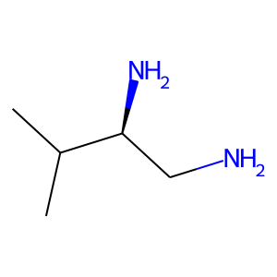 | CC(C)[C@@H](N)CN | mpscore | primary amine | 0.040031803324 | 0.74702424056 | 0.3323621509 | minimum | None
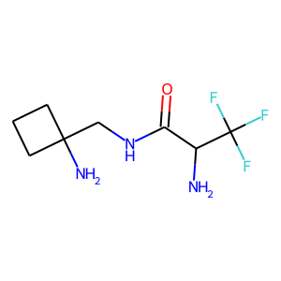 | NC(C(=O)NCC1(N)CCC1)C(F)(F)F | sas_norm | primary amine | 0.93693271343 | 0.19460166812 | 0.5848452548 | minimum | False
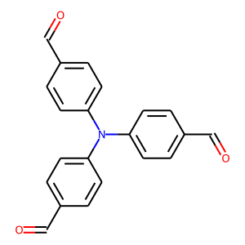 | O=Cc1ccc(N(c2ccc(C=O)cc2)c2ccc(C=O)cc2)cc1 | mpscore | aldehyde | 0.0292623828 | 0.65944830961 | 0.25301316595 | minimum | None
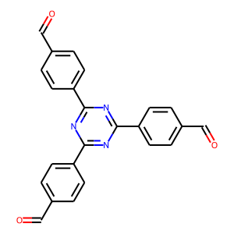 | O=Cc1ccc(-c2nc(-c3ccc(C=O)cc3)nc(-c3ccc(C=O)cc3)n2)cc1 | mpscore | aldehyde | 0.075965982316 | 0.61311919029 | 0.44313456597 | minimum | None
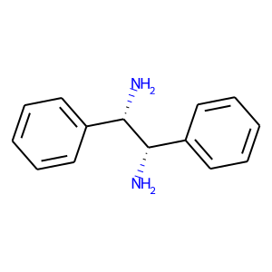 | N[C@@H](c1ccccc1)[C@@H](N)c1ccccc1 | mpscore | primary amine | 0.033272327096 | 0.66505173246 | 0.1492248154 | minimum | None
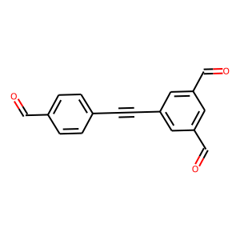 | O=Cc1ccc(C#Cc2cc(C=O)cc(C=O)c2)cc1 | mpscore | aldehyde | 0.13828555536 | 0.60451246205 | 0.35153197948 | minimum | True
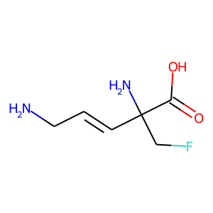 | NC/C=C/C(N)(CF)C(=O)O | sas_norm | primary amine | 0.7307079549 | 0.084358273791 | 0.52690191373 | minimum | False
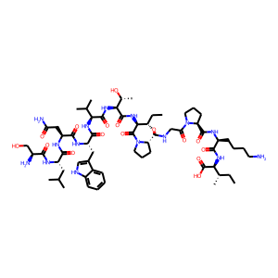 | CC[C@H](C)[C@H](NC(=O)[C@H](CCCCN)NC(=O)[C@@H]1CCCN1C(=O)CNC(=O)[C@@H]1CCCN1C(=O)[C@@H](NC(=O)[C@@H](NC(=O)[C@@H](NC(=O)[C@H](Cc1c[nH]c2ccccc12)NC(=O)[C@H](CC(N)=O)NC(=O)[C@H](CC(C)C)NC(=O)[C@@H](N)CO)C(C)C)[C@@H](C)O)[C@@H](C)CC)C(=O)O | sas_norm | primary amine | 0.9253932253 | 1 | 0.92823257616 | maximum | None
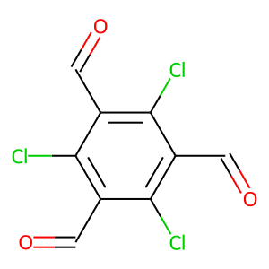 | O=Cc1c(Cl)c(C=O)c(Cl)c(C=O)c1Cl | scs_norm | aldehyde | 0.80269445492 | 0.38282675798 | 0.11457842154 | minimum | None
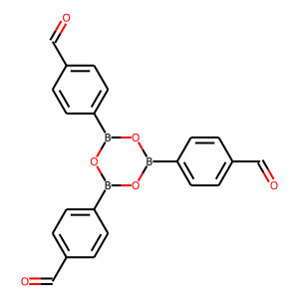 | O=Cc1ccc(B2OB(c3ccc(C=O)cc3)OB(c3ccc(C=O)cc3)O2)cc1 | scs_norm | aldehyde | 0.18314654112 | 0.67535406329 | 0.12820193419 | minimum | None
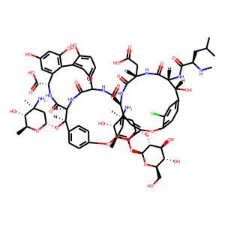 | CN[C@H](CC(C)C)C(=O)N[C@H]1C(=O)N[C@@H](CC(=O)O)C(=O)N[C@H]2C(=O)N[C@H]3C(=O)N[C@H](C(=O)N[C@H](C(=O)O)c4cc(O)cc(O)c4-c4cc3ccc4O)[C@H](O[C@H]3C[C@](C)(N)[C@@H](O)[C@H](C)O3)c3ccc(cc3)Oc3cc2cc(c3O[C@@H]2O[C@H](CO)[C@@H](O)[C@H](O)[C@H]2O[C@H]2C[C@](C)(N)[C@@H](O)[C@H](C)O2)Oc2ccc(cc2Cl)[C@H]1O | sas_norm | primary amine | 0.93939967677 | 1 | 0.75707632456 | maximum | None
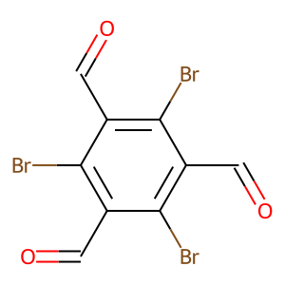 | O=Cc1c(Br)c(C=O)c(Br)c(C=O)c1Br | sas_norm | aldehyde | 0.52572319328 | 0.39724932208 | 0.11268832833 | minimum | None
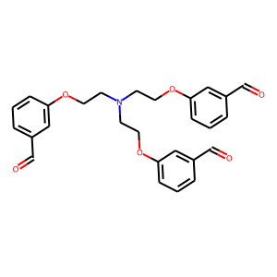 | O=Cc1cccc(OCCN(CCOc2cccc(C=O)c2)CCOc2cccc(C=O)c2)c1 | sas_norm | aldehyde | 0.5716175556 | 0.38615696696 | 0.3113725019 | minimum | True
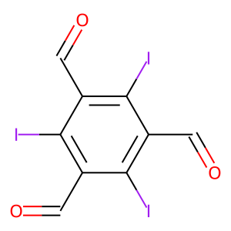 | O=Cc1c(I)c(C=O)c(I)c(C=O)c1I | sas_norm | aldehyde | 0.50336747168 | 0.4076072708 | 0.14804979023 | minimum | True
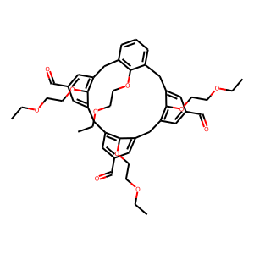 | CCOCCOc1c2cccc1Cc1cc(C=O)cc(c1OCCOCC)Cc1cc(C=O)cc(c1OCCOCC)Cc1cc(C=O)cc(c1OCCOCC)C2 | sas_norm | aldehyde | 0.78444222245 | 0.92231233274 | 0.4521392277 | maximum | True
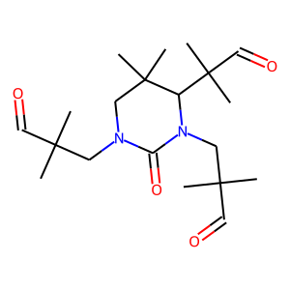 | CC(C)(C=O)CN1CC(C)(C)C(C(C)(C)C=O)N(CC(C)(C)C=O)C1=O | mpscore | aldehyde | 0.9173224358 | 0.79563236781 | 0.57324402081 | maximum | False
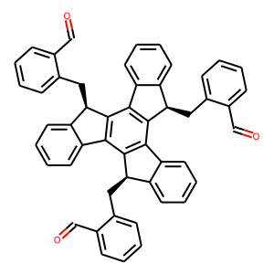 | O=Cc1ccccc1C[C@@H]1c2ccccc2-c2c1c1c(c3c2[C@H](Cc2ccccc2C=O)c2ccccc2-3)[C@H](Cc2ccccc2C=O)c2ccccc2-1 | scs_norm | aldehyde | 0.48850796292 | 0.82891757846 | 0.57296432131 | maximum | False
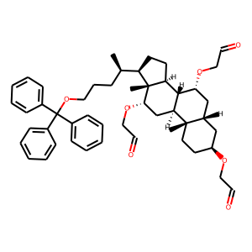 | C[C@H](CCCOC(c1ccccc1)(c1ccccc1)c1ccccc1)[C@H]1CC[C@H]2[C@H]3[C@H](C[C@H](OCC=O)[C@@]21C)[C@@]1(C)CC[C@H](OCC=O)C[C@H]1C[C@H]3OCC=O | mpscore | aldehyde | 0.93939967677 | 0.94154380497 | 0.59718105062 | maximum | False
 | C[C@H](CCCOC(c1ccccc1)(c1ccccc1)c1ccccc1)[C@H]1CC[C@H]2[C@H]3[C@H](C[C@H](OCC=O)[C@@]21C)[C@@]1(C)CC[C@H](OCC=O)C[C@H]1C[C@H]3OCC=O | scs_norm | aldehyde | 0.93939967677 | 0.94154380497 | 0.59718105062 | maximum | False
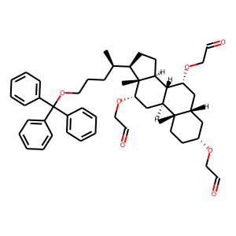 | C[C@H](CCCOC(c1ccccc1)(c1ccccc1)c1ccccc1)[C@H]1CC[C@H]2[C@H]3[C@H](C[C@H](OCC=O)[C@@]21C)[C@@]1(C)CC[C@@H](OCC=O)C[C@H]1C[C@H]3OCC=O | sas_norm | aldehyde | 0.93939967677 | 0.94154380497 | 0.57958386881 | maximum | False
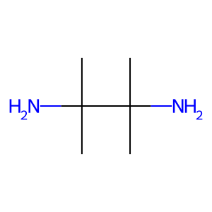 | CC(C)(N)C(C)(C)N | scs_norm | primary amine | 0.13385224606 | 0.49193327245 | 0.085310300284 | minimum | None
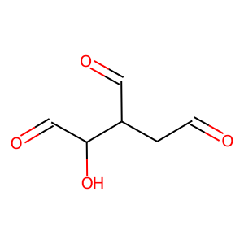 | O=CCC(C=O)C(O)C=O | mpscore | aldehyde | 0.93538677789 | 0.74224911037 | 0.24271227294 | maximum | False
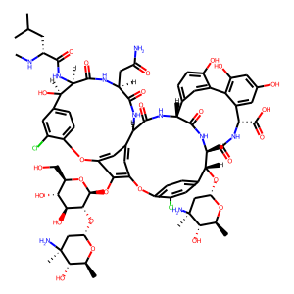 | CN[C@H](CC(C)C)C(=O)N[C@H]1C(=O)N[C@@H](CC(N)=O)C(=O)N[C@H]2C(=O)N[C@H]3C(=O)N[C@H](C(=O)N[C@@H](C(=O)O)c4cc(O)cc(O)c4-c4cc3ccc4O)[C@H](O[C@H]3C[C@](C)(N)[C@@H](O)[C@H](C)O3)c3ccc(c(Cl)c3)Oc3cc2cc(c3O[C@@H]2O[C@H](CO)[C@@H](O)[C@H](O)[C@H]2O[C@H]2C[C@](C)(N)[C@@H](O)[C@H](C)O2)Oc2ccc(cc2Cl)[C@H]1O | sas_norm | primary amine | 0.94544351119 | 1 | 0.6805655168 | maximum | None
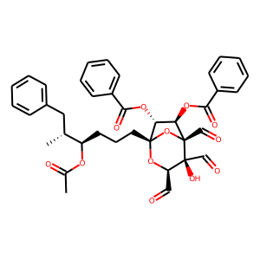 | CC(=O)O[C@H](CCC[C@]12O[C@H](C=O)[C@@](O)(C=O)[C@](C=O)(O1)[C@H](OC(=O)c1ccccc1)[C@H]2OC(=O)c1ccccc1)[C@H](C)Cc1ccccc1 | sas_norm | aldehyde | 0.9084649273 | 0.90965549144 | 0.58969873049 | maximum | False
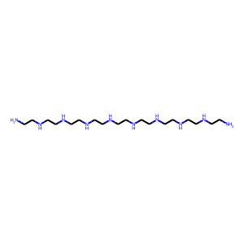 | NCCNCCNCCNCCNCCNCCNCCNCCNCCN | scs_norm | primary amine | 0.72258367934 | 0.78059907363 | 0.087027553409 | minimum | True
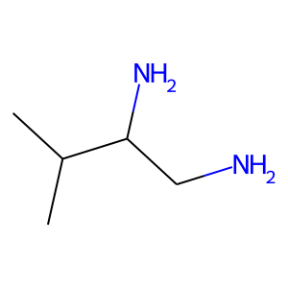 | CC(C)C(N)CN | mpscore | primary amine | 0.040031803324 | 0.74702424056 | 0.29209700959 | minimum | None
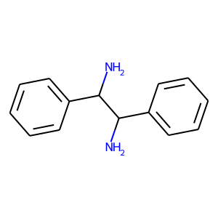 | NC(c1ccccc1)C(N)c1ccccc1 | mpscore | primary amine | 0.033272327096 | 0.66505173246 | 0.13082748114 | minimum | None
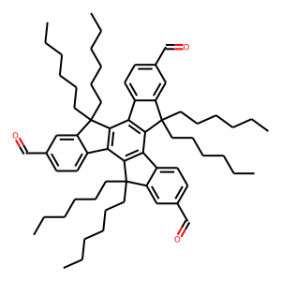 | CCCCCCC1(CCCCCC)c2cc(C=O)ccc2-c2c1c1c(c3c2C(CCCCCC)(CCCCCC)c2cc(C=O)ccc2-3)C(CCCCCC)(CCCCCC)c2cc(C=O)ccc2-1 | scs_norm | aldehyde | 0.43316989326 | 0.93113860301 | 0.70316655407 | maximum | True
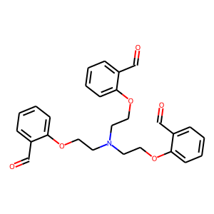 | O=Cc1ccccc1OCCN(CCOc1ccccc1C=O)CCOc1ccccc1C=O | sas_norm | aldehyde | 0.5716175556 | 0.20921632407 | 0.27846980813 | minimum | True
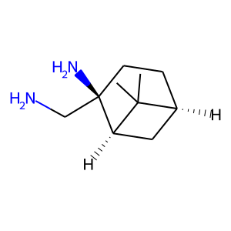 | CC1(C)[C@H]2CC[C@@](N)(CN)[C@@H]1C2 | mpscore | primary amine | 0.97213229551 | 0.86060755929 | 0.44882348402 | maximum | None
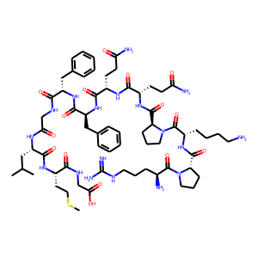 | CSCC[C@H](NC(=O)[C@H](CC(C)C)NC(=O)CNC(=O)[C@H](Cc1ccccc1)NC(=O)[C@H](Cc1ccccc1)NC(=O)[C@H](CCC(N)=O)NC(=O)[C@H](CCC(N)=O)NC(=O)[C@@H]1CCCN1C(=O)[C@H](CCCCN)NC(=O)[C@@H]1CCCN1C(=O)[C@@H](N)CCCNC(=N)N)C(=O)NCC(=O)O | sas_norm | primary amine | 0.9084649273 | 1 | 0.91893202485 | maximum | None
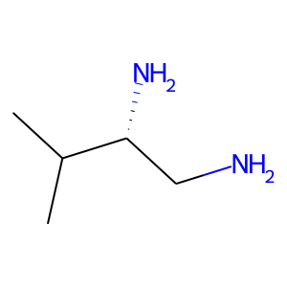 | CC(C)[C@H](N)CN | mpscore | primary amine | 0.040031803324 | 0.74702424056 | 0.2958462222 | minimum | None
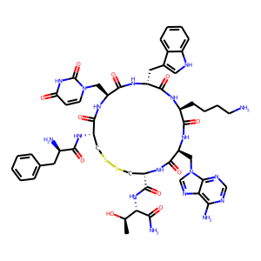 | C[C@@H](O)[C@H](NC(=O)[C@@H]1CSSC[C@H](NC(=O)[C@H](N)Cc2ccccc2)C(=O)N[C@@H](Cn2ccc(=O)[nH]c2=O)C(=O)N[C@H](Cc2c[nH]c3ccccc23)C(=O)N[C@@H](CCCCN)C(=O)N[C@@H](Cn2cnc3c(N)ncnc32)C(=O)N1)C(N)=O | scs_norm | primary amine | 0.93939967677 | 0.96657962804 | 0.99999999903 | maximum | False
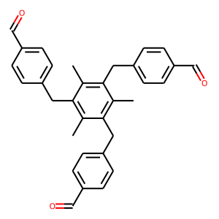 | Cc1c(Cc2ccc(C=O)cc2)c(C)c(Cc2ccc(C=O)cc2)c(C)c1Cc1ccc(C=O)cc1 | sas_norm | aldehyde | 0.46071788962 | 0.39736075341 | 0.43538378168 | minimum | False
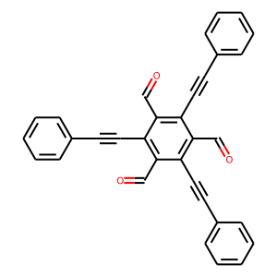 | O=Cc1c(C#Cc2ccccc2)c(C=O)c(C#Cc2ccccc2)c(C=O)c1C#Cc1ccccc1 | mpscore | aldehyde | 0.094689241445 | 0.64937059329 | 0.21088413469 | minimum | None
 | C[C@H](CCCOC(c1ccccc1)(c1ccccc1)c1ccccc1)[C@H]1CC[C@H]2[C@H]3[C@H](C[C@H](OCC=O)[C@@]21C)[C@@]1(C)CC[C@@H](OCC=O)C[C@H]1C[C@H]3OCC=O | scs_norm | aldehyde | 0.93939967677 | 0.94154380497 | 0.57958386881 | maximum | False
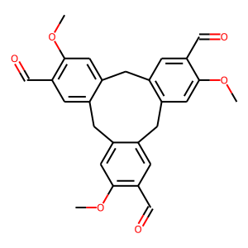 | COc1cc2c(cc1C=O)Cc1cc(OC)c(C=O)cc1Cc1cc(OC)c(C=O)cc1C2 | sas_norm | aldehyde | 0.54412915928 | 0.19749583464 | 0.32691775266 | minimum | None
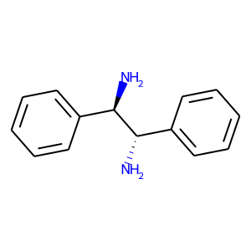 | N[C@@H](c1ccccc1)[C@H](N)c1ccccc1 | mpscore | primary amine | 0.033272327096 | 0.66505173246 | 0.21217265033 | minimum | None
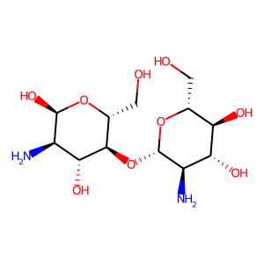 | N[C@H]1[C@H](O[C@@H]2[C@@H](CO)O[C@H](O)[C@H](N)[C@H]2O)O[C@H](CO)[C@@H](O)[C@@H]1O | mpscore | primary amine | 0.97128715511 | 0.85801415747 | 0.50020157249 | maximum | None
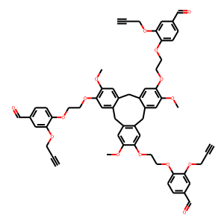 | C#CCOc1cc(C=O)ccc1OCCOc1cc2c(cc1OC)Cc1cc(OCCOc3ccc(C=O)cc3OCC#C)c(OC)cc1Cc1cc(OCCOc3ccc(C=O)cc3OCC#C)c(OC)cc1C2 | sas_norm | aldehyde | 0.59867095762 | 0.88511620112 | 0.39813604254 | maximum | False
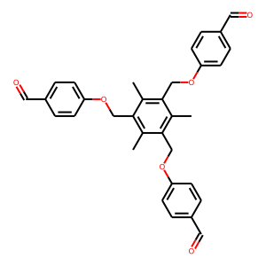 | Cc1c(COc2ccc(C=O)cc2)c(C)c(COc2ccc(C=O)cc2)c(C)c1COc1ccc(C=O)cc1 | sas_norm | aldehyde | 0.54854884015 | 0.47206886146 | 0.2322032201 | minimum | True
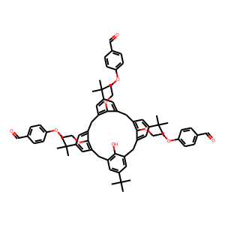 | CC(C)(C)c1cc2c(O)c(c1)Cc1cc(C(C)(C)C)cc(c1OCCOc1ccc(C=O)cc1)Cc1cc(C(C)(C)C)cc(c1OCCOc1ccc(C=O)cc1)Cc1cc(C(C)(C)C)cc(c1OCCOc1ccc(C=O)cc1)C2 | sas_norm | aldehyde | 0.67576143011 | 0.96798691724 | 0.42296504706 | maximum | True
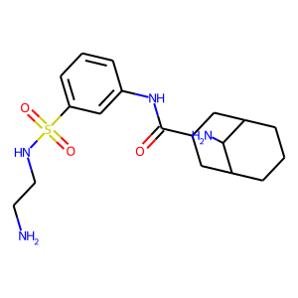 | NCCNS(=O)(=O)c1cccc(NC(=O)C2CC3CCCC(C2)C3N)c1 | mpscore | primary amine | 0.97155619385 | 0.85484213953 | 0.85671784221 | maximum | None
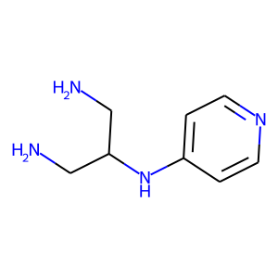 | NCC(CN)Nc1ccncc1 | sas_norm | primary amine | 0.57448482959 | 0.19893834618 | 0.36721273111 | minimum | False
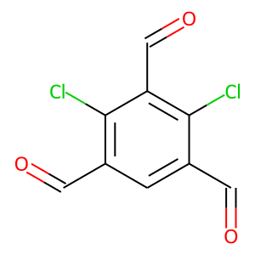 | O=Cc1cc(C=O)c(Cl)c(C=O)c1Cl | sas_norm | aldehyde | 0.80269445492 | 0.46137436357 | 0.23231820366 | minimum | None
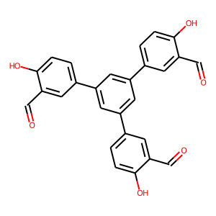 | O=Cc1cc(-c2cc(-c3ccc(O)c(C=O)c3)cc(-c3ccc(O)c(C=O)c3)c2)ccc1O | mpscore | aldehyde | 0.15211264304 | 0.68017122166 | 0.38007465448 | minimum | True
 | O=Cc1c(Br)c(C=O)c(Br)c(C=O)c1Br | scs_norm | aldehyde | 0.52572319328 | 0.39724932208 | 0.11268832833 | minimum | None
 | C[C@H](CCCOC(c1ccccc1)(c1ccccc1)c1ccccc1)[C@H]1CC[C@H]2[C@H]3[C@H](C[C@H](OCC=O)[C@@]21C)[C@@]1(C)CC[C@H](OCC=O)C[C@H]1C[C@H]3OCC=O | sas_norm | aldehyde | 0.93939967677 | 0.94154380497 | 0.59718105062 | maximum | False
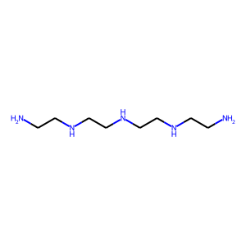 | NCCNCCNCCNCCN | scs_norm | primary amine | 0.41731759096 | 0.57223957454 | 0.087027553409 | minimum | True
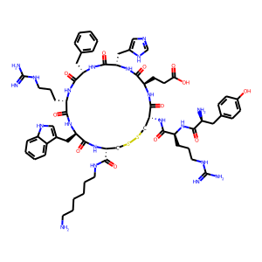 | N=C(N)NCCC[C@H](NC(=O)[C@@H](N)Cc1ccc(O)cc1)C(=O)N[C@@H]1CSSC[C@H](C(=O)NCCCCCCN)NC(=O)[C@@H](Cc2c[nH]c3ccccc23)NC(=O)[C@H](CCCNC(=N)N)NC(=O)[C@H](Cc2ccccc2)NC(=O)[C@H](Cc2cnc[nH]2)NC(=O)[C@@H](CCC(=O)O)NC1=O | sas_norm | primary amine | 0.8987632113 | 1 | 0.99999660781 | maximum | None
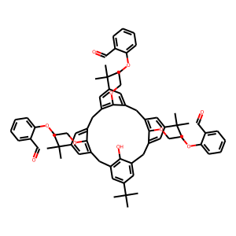 | CC(C)(C)c1cc2c(O)c(c1)Cc1cc(C(C)(C)C)cc(c1OCCOc1ccccc1C=O)Cc1cc(C(C)(C)C)cc(c1OCCOc1ccccc1C=O)Cc1cc(C(C)(C)C)cc(c1OCCOc1ccccc1C=O)C2 | sas_norm | aldehyde | 0.8987632113 | 0.96832104718 | 0.33648487372 | maximum | False
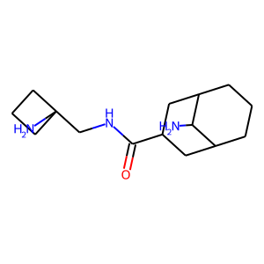 | NC1C2CCCC1CC(C(=O)NCC1(N)CCC1)C2 | mpscore | primary amine | 0.97128715511 | 0.85765232499 | 0.62172713353 | maximum | None
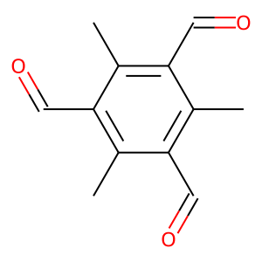 | Cc1c(C=O)c(C)c(C=O)c(C)c1C=O | scs_norm | aldehyde | 0.26521005958 | 0.62113562262 | 0.11864470731 | minimum | True
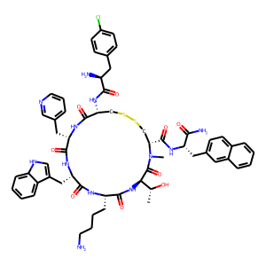 | C[C@@H](O)[C@H]1NC(=O)[C@H](CCCCN)NC(=O)[C@H](Cc2c[nH]c3ccccc23)NC(=O)[C@H](Cc2cccnc2)NC(=O)[C@H](NC(=O)[C@@H](N)Cc2ccc(Cl)cc2)CSSC[C@H](C(=O)N[C@@H](Cc2ccc3ccccc3c2)C(N)=O)N(C)C1=O | scs_norm | primary amine | 0.91866482533 | 0.97225707884 | 0.99999999913 | maximum | False
 | Cc1c(N)nc([C@H](CC(N)=O)NC[C@H](N)C(N)=O)nc1C(=O)N[C@H](C(=O)N[C@H](C)[C@@H](O)[C@H](C)C(=O)N[C@H](C(=O)NCCc1nc(-c2nc(C(=O)NCCCNCCCCN)cs2)cs1)[C@@H](C)O)[C@@H](O)c1c[nH]cn1 | scs_norm | primary amine | 0.90037421005 | 0.95699998008 | 1 | maximum | False
 | C[C@H](O)[C@@H]1NC(=O)[C@H](CCCCN)NC(=O)[C@@H](Cc2c[nH]c3ccccc23)NC(=O)[C@H](Cc2cccnc2)N(C)C(=O)[C@H](NC(=O)[C@@H](N)Cc2ccc(Cl)cc2)CSSC[C@@H](C(=O)N[C@@H](Cc2ccc3ccccc3c2)C(N)=O)NC1=O | scs_norm | primary amine | 0.88175775163 | 0.97238248346 | 1 | maximum | False
 | CC1(C)O[C@H]2O[C@H](C=O)[C@H](OCc3cc(CO[C@H]4[C@@H](C=O)O[C@@H]5OC(C)(C)O[C@H]45)cc(CO[C@H]4[C@@H](C=O)O[C@@H]5OC(C)(C)O[C@H]45)c3)[C@H]2O1 | sas_norm | aldehyde | 0.8503884104 | 0.89433443832 | 0.23668083874 | maximum | False
 | C[C@@H](O)[C@H]1C(=O)N[C@H](C(=O)N[C@@H](Cc2ccc3ccccc3c2)C(N)=O)CSSC[C@@H](NC(=O)[C@@H](N)Cc2ccc(Cl)cc2)C(=O)N[C@@H](Cc2cccnc2)C(=O)N[C@H](Cc2c[nH]c3ccccc23)C(=O)N[C@@H](CCCCN)C(=O)N1C | scs_norm | primary amine | 0.93273393542 | 0.97238248346 | 0.99999999925 | maximum | False
 | N[C@H](c1ccccc1)[C@H](N)c1ccccc1 | mpscore | primary amine | 0.033272327096 | 0.66505173246 | 0.16741499214 | minimum | None
 | NC1CCCOC1C1CCN(C(=O)C2(N)CCCCC2)CC1 | mpscore | primary amine | 0.97155619385 | 0.8278987571 | 0.56454847935 | maximum | None
 | NCc1ccc(-c2noc(C3(CN)CCCC3)n2)cc1 | sas_norm | primary amine | 0.9253932253 | 0.24289693018 | 0.83307908874 | minimum | False
 | O=Cc1ccc(P(c2ccc(C=O)o2)c2ccc(C=O)o2)o1 | scs_norm | aldehyde | 0.80654365885 | 0.62323343635 | 0.14024540381 | minimum | False
 | NC1CCC(N)CC1 | scs_norm | primary amine | 0.35140078608 | 0.34557046767 | 0.083010448832 | minimum | None
 | N[C@@H](Cc1c[nH]c2ccccc12)C(=O)N[C@H]1[C@H]2CCC[C@@H]1C[C@H](N)C2 | mpscore | primary amine | 0.97155619385 | 0.88278368358 | 0.73520786539 | maximum | None
 | C[C@H](O)[C@@H]1NC(=O)[C@H](CCCCN)N(C)C(=O)[C@@H](Cc2c[nH]c3ccccc23)NC(=O)[C@H](Cc2cccnc2)NC(=O)[C@H](NC(=O)[C@@H](N)Cc2ccc(Cl)cc2)CSSC[C@@H](C(=O)N[C@@H](Cc2ccc3ccccc3c2)C(N)=O)NC1=O | scs_norm | primary amine | 0.87659830738 | 0.97238248346 | 0.99999999949 | maximum | False
 | O=Cc1cc(C=O)c(C=O)[nH]1 | mpscore | aldehyde | 0.94896287793 | 0.5594325229 | 0.36405835347 | maximum | None
 | NCCc1c[nH]c2ccc(O)c(-c3c(O)ccc4[nH]cc(CCN)c34)c12 | sas_norm | primary amine | 0.62513628863 | 0.20237994454 | 0.58393541282 | minimum | False
 | C[C@@H](O)[C@@H]1NC(=O)[C@H](CCCCN)NC(=O)[C@@H](Cc2c[nH]c3ccccc23)NC(=O)[C@H](Cc2cccnc2)NC(=O)[C@H](NC(=O)[C@@H](N)Cc2ccc(Cl)cc2)CSSC[C@@H](C(=O)N[C@@H](Cc2ccc3ccccc3c2)C(N)=O)NC1=O | scs_norm | primary amine | 0.9173224358 | 0.96922521415 | 0.99999999971 | maximum | False
 | N#CC(N)C(N)C#N | scs_norm | primary amine | 0.2316317701 | 0.73841564273 | 0.082409387546 | minimum | None
 | C[C@H](CCCOC(c1ccccc1)(c1ccccc1)c1ccccc1)[C@H]1CC[C@H]2[C@H]3[C@H](C[C@H](OCC=O)[C@@]21C)[C@@]1(C)CC[C@@H](OCC=O)C[C@H]1C[C@H]3OCC=O | mpscore | aldehyde | 0.93939967677 | 0.94154380497 | 0.57958386881 | maximum | False
 | CN[C@H](CC(C)C)C(=O)N[C@H]1C(=O)N[C@@H](CC(N)=O)C(=O)N[C@H]2C(=O)N[C@H]3C(=O)N[C@H](C(=O)N[C@H](C(=O)O)c4cc(O)cc(O)c4-c4cc3ccc4O)[C@H](O[C@H]3C[C@](C)(N)[C@@H](O)[C@H](C)O3)c3ccc(cc3)Oc3cc2cc(c3O[C@@H]2O[C@H](CO)[C@@H](O)[C@H](O)[C@H]2O[C@H]2C[C@](C)(N)[C@@H](O)[C@H](C)O2)Oc2ccc(cc2)[C@H]1O | sas_norm | primary amine | 0.93939967677 | 1 | 0.81639328203 | maximum | False
 | CCO[C@H]1C[C@@](N)(C(=O)N2C[C@@H](N)[C@H](c3ccccc3)C2)C1(C)C | mpscore | primary amine | 0.97423797914 | 0.84875131238 | 0.66185016027 | maximum | None
 | C[C@]1(C=O)C[C@@](C)(C=O)C[C@@](C)(C=O)C1 | mpscore | aldehyde | 0.95280305617 | 0.74041631376 | 0.14515983191 | maximum | False
 | CCCCCCc1c(-c2ccc(C=O)cc2)c(CCCCCC)c(-c2ccc(C=O)cc2)c(CCCCCC)c1-c1ccc(C=O)cc1 | scs_norm | aldehyde | 0.20328883307 | 0.83142623976 | 0.65917531177 | maximum | None
 | CC(C)C[C@@H](N)C(=O)N[C@H]1C(=O)N[C@@H](CC(N)=O)C(=O)N[C@H]2C(=O)N[C@H]3C(=O)N[C@@H](C(=O)N[C@@H](C(=O)O)c4cc(O)cc(O)c4-c4cc3ccc4O)[C@H](O)c3ccc(c(Cl)c3)Oc3cc2cc(c3O[C@@H]2O[C@H](CO)[C@@H](O)[C@H](O)[C@H]2O[C@H]2C[C@](C)(N)[C@H](O)[C@H](C)O2)Oc2ccc(cc2Cl)[C@H]1O | sas_norm | primary amine | 0.93939967677 | 1 | 0.7974007125 | maximum | False
 | CCCCCCC1(CCCCCC)c2cc(C=O)ccc2-c2c1c1c(c3c2C(CCCCCC)(CCCCCC)c2cc(C=O)ccc2-3)C(CCCCCC)(CCCCCC)c2cc(C=O)ccc2-1 | sas_norm | aldehyde | 0.43316989326 | 0.93113860301 | 0.70316655407 | maximum | True
 | CC(C)(C)C(N)CN | mpscore | primary amine | 0.04777558837 | 0.74114673399 | 0.34175806697 | minimum | None
 | O=CC(C=O)C=O | scs_norm | aldehyde | 0.87652959208 | 0.5639308066 | 0.088832032244 | minimum | False
 | NC[C@@]12C[C@@H]3C[C@@H](C[C@@](N)(C3)C1)C2 | mpscore | primary amine | 0.97128715511 | 0.87778172983 | 0.56558280269 | maximum | None
 | CC(C)[C@@H]1NC(=O)[C@H](CCCCN)NC(=O)[C@@H](Cc2c[nH]c3ccccc23)NC(=O)[C@H](Cc2cccnc2)NC(=O)[C@H](NC(=O)[C@@H](N)Cc2ccc(F)cc2)CSSC[C@@H](C(=O)N[C@@H](Cc2ccc3ccccc3c2)C(N)=O)NC1=O | scs_norm | primary amine | 0.91138773061 | 0.96941841627 | 0.99999999997 | maximum | False
 | O=Cc1c(O)c(C=O)c(O)c(C=O)c1O | scs_norm | aldehyde | 0.30442522687 | 0.53749199681 | 0.11421375387 | minimum | None
 | CC(C)(C)[C@H](N)CN | mpscore | primary amine | 0.04777558837 | 0.74114673399 | 0.23675757478 | minimum | None
 | O=Cc1ccc(-c2cc(-c3ccc(C=O)cc3)cc(-c3ccc(C=O)cc3)c2)cc1 | mpscore | aldehyde | 0.04041409085 | 0.66345302999 | 0.3993063009 | minimum | None
 | C[C@H](N)C(N)(c1ccc(F)cc1)c1ccc(F)cc1 | sas_norm | primary amine | 0.48850796292 | 0.23661852763 | 0.44751056041 | minimum | False
 | NCCNCCN | scs_norm | primary amine | 0.10103600871 | 0.52871274773 | 0.064434766151 | minimum | None
 | O=Cc1ccc(N(c2ccc(C=O)cc2)c2ccc(C=O)c(OCCCCCCCCBr)c2)cc1 | scs_norm | aldehyde | 0.40602890832 | 0.66906349777 | 0.57053193278 | maximum | False
 | C[C@H](O)[C@@H]1NC(=O)[C@H](CCCCN)NC(=O)[C@@H](Cc2c[nH]c3ccccc23)N(C)C(=O)[C@H](Cc2cccnc2)NC(=O)[C@H](NC(=O)[C@@H](N)Cc2ccc(Cl)cc2)CSSC[C@@H](C(=O)N[C@@H](Cc2ccc3ccccc3c2)C(N)=O)NC1=O | scs_norm | primary amine | 0.9084649273 | 0.9725065821 | 0.99999999979 | maximum | False
 | NCCCN | scs_norm | primary amine | 0.1109040799 | 0.56727439746 | 0.086397100013 | minimum | None
 | N[C@@H](c1ccc(Br)cc1)[C@H](N)c1ccc(Br)cc1 | sas_norm | primary amine | 0.041090198573 | 0.22375192113 | 0.27212257584 | minimum | True
 | CC(=O)O[C@H](CCC[C@]12O[C@H](C=O)[C@@](O)(C=O)[C@](C=O)(O1)[C@H](OC(=O)c1ccccc1)[C@H]2OC(=O)c1ccccc1)[C@H](C)Cc1ccccc1 | scs_norm | aldehyde | 0.9084649273 | 0.90965549144 | 0.58969873049 | maximum | False
 | Cn1c(C=O)cc(C=O)c1C=O | mpscore | aldehyde | 0.92165853174 | 0.59787305046 | 0.41650538949 | maximum | None
 | O=Cc1cc(C=O)cc(C=O)c1 | scs_norm | aldehyde | 0.15750088211 | 0.55477332422 | 0.11388196595 | minimum | None
 | N[C@@H](c1ccc(Br)cc1)[C@H](N)c1ccc(Br)cc1 | mpscore | primary amine | 0.041090198573 | 0.22375192113 | 0.27212257584 | minimum | True
 | O=Cc1ccc(N(c2ccc(C=O)cc2)c2ccc(C=O)c(O)c2)cc1 | mpscore | aldehyde | 0.15211264304 | 0.68119354748 | 0.42947302663 | minimum | False
 | CC[C@H](C)[C@H](N)C(=O)N[C@H]1CSSC[C@@H]2NC(=O)[C@H](C)NC(=O)[C@@H]3CCCN3C(=O)[C@H](CC(N)=O)NC(=O)[C@H](CSSC[C@H](C(N)=O)NC(=O)[C@@H](CO)NC(=O)[C@@H](Cc3ccc(O)cc3)NC(=O)[C@@H](CCCCN)NC(=O)[C@H]3CCCN3C(=O)CNC2=O)NC1=O | sas_norm | primary amine | 0.93939967677 | 1 | 0.96591057524 | maximum | None
 | CC(C)CC(=O)c1c(O)c(C=O)c2c(c1O)C[C@@H](C(C)C)[C@H](c1c(O)c(C=O)c(O)c(C=O)c1O)O2 | scs_norm | aldehyde | 0.8987632113 | 0.7634922871 | 0.72547536386 | maximum | False
 | CC(C)[C@@H]1NC(=O)[C@H](Cc2c[nH]c3ccccc23)NC(=O)[C@H](Cc2ccc(O)cc2)NC(=O)[C@@H]2CCCN2C(=O)[C@H]2CCCN2C(=O)[C@H](Cc2ccc(O)cc2)NC(=O)[C@H](Cc2c[nH]c3ccccc23)NC(=O)[C@H](CCCCN)NC(=O)[C@H](CCCCN)NC(=O)[C@H](CCCNC(=N)N)NC1=O | sas_norm | primary amine | 0.9253932253 | 1 | 0.99919701017 | maximum | None
 | O=Cc1csc(C=O)c1C=O | scs_norm | aldehyde | 0.81975630364 | 0.51027722912 | 0.10552238882 | minimum | None
 | O=Cc1c(Cl)c(C=O)c(Cl)c(C=O)c1Cl | sas_norm | aldehyde | 0.80269445492 | 0.38282675798 | 0.11457842154 | minimum | None
 | O=Cc1cn(Cc2cc(Cn3cc(C=O)c4ccccc43)cc(Cn3cc(C=O)c4ccccc43)c2)c2ccccc12 | sas_norm | aldehyde | 0.57597841079 | 0.41591128418 | 0.41210078523 | minimum | False
 | CN[C@H](CC(C)C)C(=O)N[C@H]1C(=O)N[C@@H](CC(N)=O)C(=O)N[C@H]2C(=O)N[C@H]3C(=O)N[C@H](C(=O)N[C@H](C(=O)O)c4cc(O)cc(O)c4-c4cc3ccc4O)[C@H](O[C@H]3C[C@](C)(N)[C@@H](O)[C@H](C)O3)c3ccc(cc3)Oc3cc2cc(c3O[C@@H]2O[C@H](CO)[C@@H](O)[C@H](O)[C@H]2O[C@H]2C[C@](C)(N)[C@@H](O)[C@H](C)O2)Oc2ccc(cc2Cl)[C@H]1O | sas_norm | primary amine | 0.93939967677 | 1 | 0.75373839146 | maximum | None
 | CC1(C)C2CCC(N)(CN)C1C2 | mpscore | primary amine | 0.97213229551 | 0.86060755929 | 0.38411677478 | maximum | None
 | O=Cc1ccc(OP(=O)(Oc2ccc(C=O)cc2)Oc2ccc(C=O)cc2)cc1 | mpscore | aldehyde | 0.13869468381 | 0.6479264912 | 0.21952483858 | minimum | True
 | CC(C)(C=O)CN1CC(C)(C)C(C(C)(C)C=O)N(CC(C)(C)C=O)C1=O | scs_norm | aldehyde | 0.9173224358 | 0.79563236781 | 0.57324402081 | maximum | False
 | NCc1cccc(CNC(=O)NCc2cccc(CN)c2)c1 | sas_norm | primary amine | 0.51636925712 | 0.079231048352 | 0.39804648587 | minimum | True
 | COC(=O)C(CCN)CCN | sas_norm | primary amine | 0.79179452749 | 0.080849643902 | 0.2441997124 | minimum | False
 | CCOC(=O)C(CC=O)(CC=O)CC=O | mpscore | aldehyde | 0.92248846611 | 0.68636698721 | 0.1787732288 | maximum | False
 | NCCNCCNCCNCCNCCNCCNCCN | scs_norm | primary amine | 0.6029477093 | 0.72251075666 | 0.087027553409 | minimum | True
 | O=Cc1ccc(C(c2ccc(C=O)cc2)(c2ccc(C=O)cc2)C(F)(F)F)cc1 | mpscore | aldehyde | 0.10468674098 | 0.65143127291 | 0.23287149808 | minimum | True
 | CC(C)(C)[C@@H]1NC(=O)[C@H](CCCCN)NC(=O)[C@@H](Cc2c[nH]c3ccccc23)NC(=O)[C@H](Cc2cccnc2)NC(=O)[C@H](NC(=O)[C@@H](N)Cc2ccc(F)cc2)CSSC[C@@H](C(=O)N[C@@H](Cc2ccc3ccccc3c2)C(N)=O)NC1=O | scs_norm | primary amine | 0.90037421005 | 0.97206275727 | 0.99999999949 | maximum | False
 | COc1cc2c(cc1OCCOc1ccc3cc(C=O)ccc3c1)Cc1cc(OC)c(OCCOc3ccc4cc(C=O)ccc4c3)cc1Cc1cc(OC)c(OCCOc3ccc4cc(C=O)ccc4c3)cc1C2 | scs_norm | aldehyde | 0.62930564314 | 0.88186635708 | 0.59725915921 | maximum | False
 | CC(=O)O[C@H](CCC[C@]12O[C@H](C=O)[C@@](O)(C=O)[C@](C=O)(O1)[C@H](OC(=O)c1ccccc1)[C@H]2OC(=O)c1ccccc1)[C@H](C)Cc1ccccc1 | mpscore | aldehyde | 0.9084649273 | 0.90965549144 | 0.58969873049 | maximum | False
 | O=Cc1cc(C=O)cc(C=O)c1 | mpscore | aldehyde | 0.15750088211 | 0.55477332422 | 0.11388196595 | minimum | None
 | CC(N)C(C)N | scs_norm | primary amine | 0.050369492701 | 0.74807763985 | 0.080360476232 | minimum | None
 | COc1c2cc(C=O)cc1Cc1cc(C(C)(C)C)cc(c1OC)Cc1cc(C=O)cc(c1OC)Cc1cc(C(C)(C)C)cc(c1OC)Cc1cc(C=O)cc(c1OC)Cc1cc(C(C)(C)C)cc(c1OC)C2 | sas_norm | aldehyde | 0.76499585366 | 0.9550050916 | 0.38248986546 | maximum | False
 | NCc1nc(C2(N)CCCCCC2)no1 | sas_norm | primary amine | 0.95091607244 | 0.18219138626 | 0.48149095647 | minimum | False
 | O=Cc1cccc(C=O)c1C=O | scs_norm | aldehyde | 0.38355621995 | 0.56578108143 | 0.14082829522 | minimum | False
 | NCCNCCNCCNCCNCCNCCN | scs_norm | primary amine | 0.43969517437 | 0.68359265229 | 0.087027553409 | minimum | True
 | O=Cc1cc(C=O)c(C=O)s1 | mpscore | aldehyde | 0.90698961455 | 0.50320556921 | 0.35913774381 | maximum | None
 | CC1C(N)CCN1C(=O)C(C)(C)N | mpscore | primary amine | 0.97178030406 | 0.78257145905 | 0.56849724564 | maximum | None

