formatted
(gameId = 2022092200, playId = 3053) |  |  |  | Model Independent Variable Values
Defender | Jersey | Modeled Probability | Made the Tackle? | Distance from Receiver | Defender Distance Rank Level | Front or Behind? | Directional Velocity | Impactful Blocker Level | Receiver Distance from Sideline
Cameron Sutton | 20 | 88.6% | Yes | 3.26 | 1 | Front | 5.90 | None | 14.58
Minkah Fitzpatrick | 39 | 11.4% | No | 8.71 | 2 | Behind | 7.85 | None | 14.58
All other defenders have 0% modeled probability
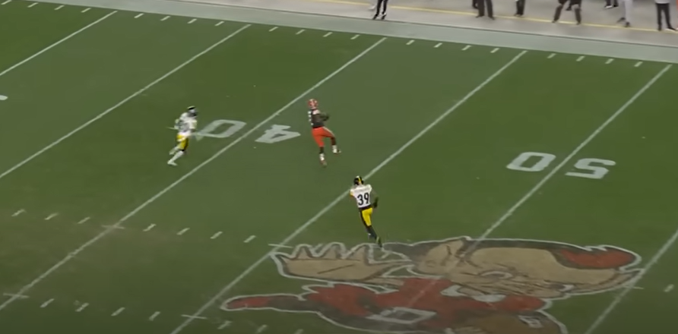
Direction of Play

(Receiver)

Sutton #20

Fitzpatrick #39

