1.2.0180
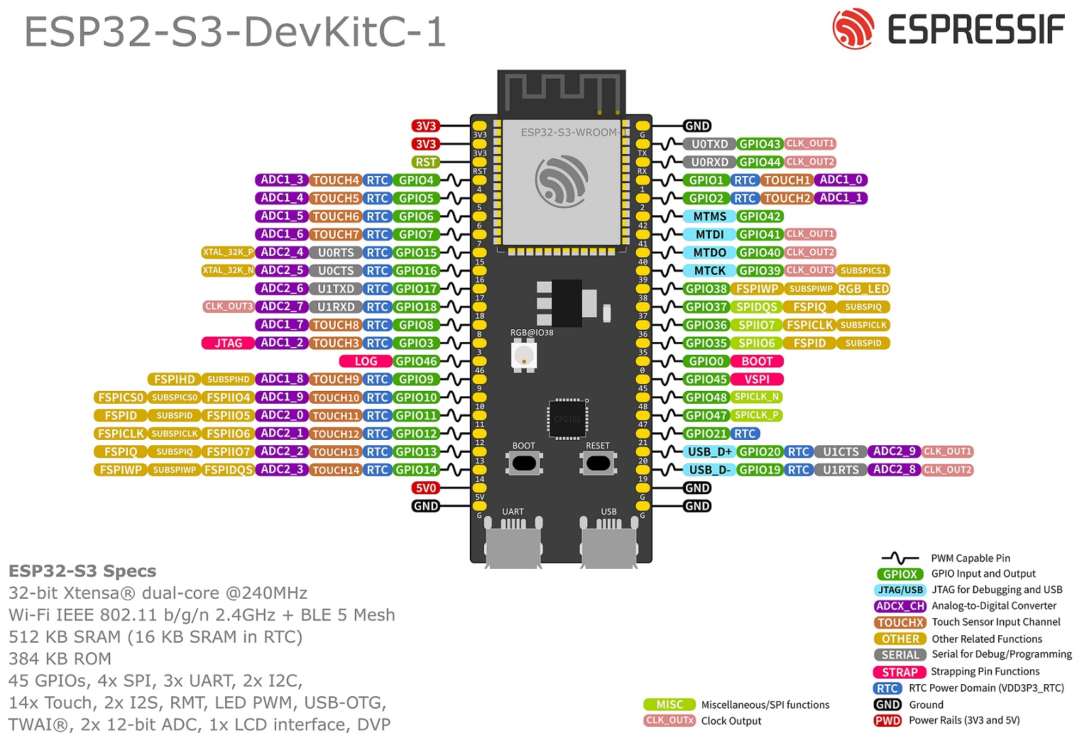
 | CAN Tx
 | CAN Rx
rows[0] flow pin
rows[1] flow pin

rows[0] pwm pin

Power Relay Pin
rows[0] dir pin | SPI_MISO
rows[1] pwm pin | SPI_CLK
rows[1] dir pin | SPI_MOSI
 | SPI_CS

