Plot
Moosehorn-3-mile Barrel Plot (1.8)
 |  |  | A-440/54 T1/44
0 | -9000 | 0 | -8490 | 622 | -6924 | 622 | -6924 | -2341 | -8606 | -2341 | -8606 | 622 | -6924 | 529 | -7739 | 622 | -6924 | 40 | -7530 | 1517 | -7146 | 1638 | -7884
0 | -6000 |  |  | 1517 | -7146 | 1517 | -7146 | 5604 | -8893 | 5604 | -8893 | 436 | -8555 |  |  | -542 | -8136 |  |  | 1759 | -8622
 |  |  |  | 2411 | -6947 | 2411 | -6947 | 6156 | -8571 | 6156 | -8571
 |  |  |  | 3300 | -7168 | 3300 | -7168 | 436 | -8555 | 436 | -8555
 |  |  |  | 4194 | -6975 | 4194 | -6975 | 4784 | -8737 | 4784 | -8737
 |  |  |  | 4988 | -7206 | 4988 | -7206 | 1759 | -8622 | 1759 | -8622
 |  |  |  | 1964 | -7672 | 1964 | -7672 | 2522 | -8485 | 2522 | -8485
 |  |  |  | 3747 | -7704 | 3747 | -7704 | 3665 | -8630 | 3665 | -8630
 |  |  |  |  |  |  |  | 4788 | -8523 | 4788 | -8523
 |  |  |  |  |  |  |  | 2253 | -8838 | 2253 | -8838
 |  |  |  |  |  |  |  | 4419 | -8847 | 4419 | -8847
 |  |  |  |  |  |  |  | 507 | -8764 | 507 | -8764
 |  |  |  |  |  |  |  | -2407 | -6990 | -2407 | -6990
 |  |  |  |  |  |  |  | -2479 | -8379 | -2479 | -8379
 |  |  |  |  |  |  |  | -1826 | -8720 | -1826 | -8720
 |  |  |  |  |  |  |  | -1824 | -8100 | -1824 | -8100
 |  |  |  |  |  |  |  | -1479 | -6800 | -1479 | -6800
 |  |  |  |  |  |  |  | -477 | -8712 | -477 | -8712
 |  |  |  |  |  |  |  | -1106 | -8450 | -1106 | -8450
 |  |  |  |  |  |  |  | -542 | -8136 | -542 | -8136

Surface Map
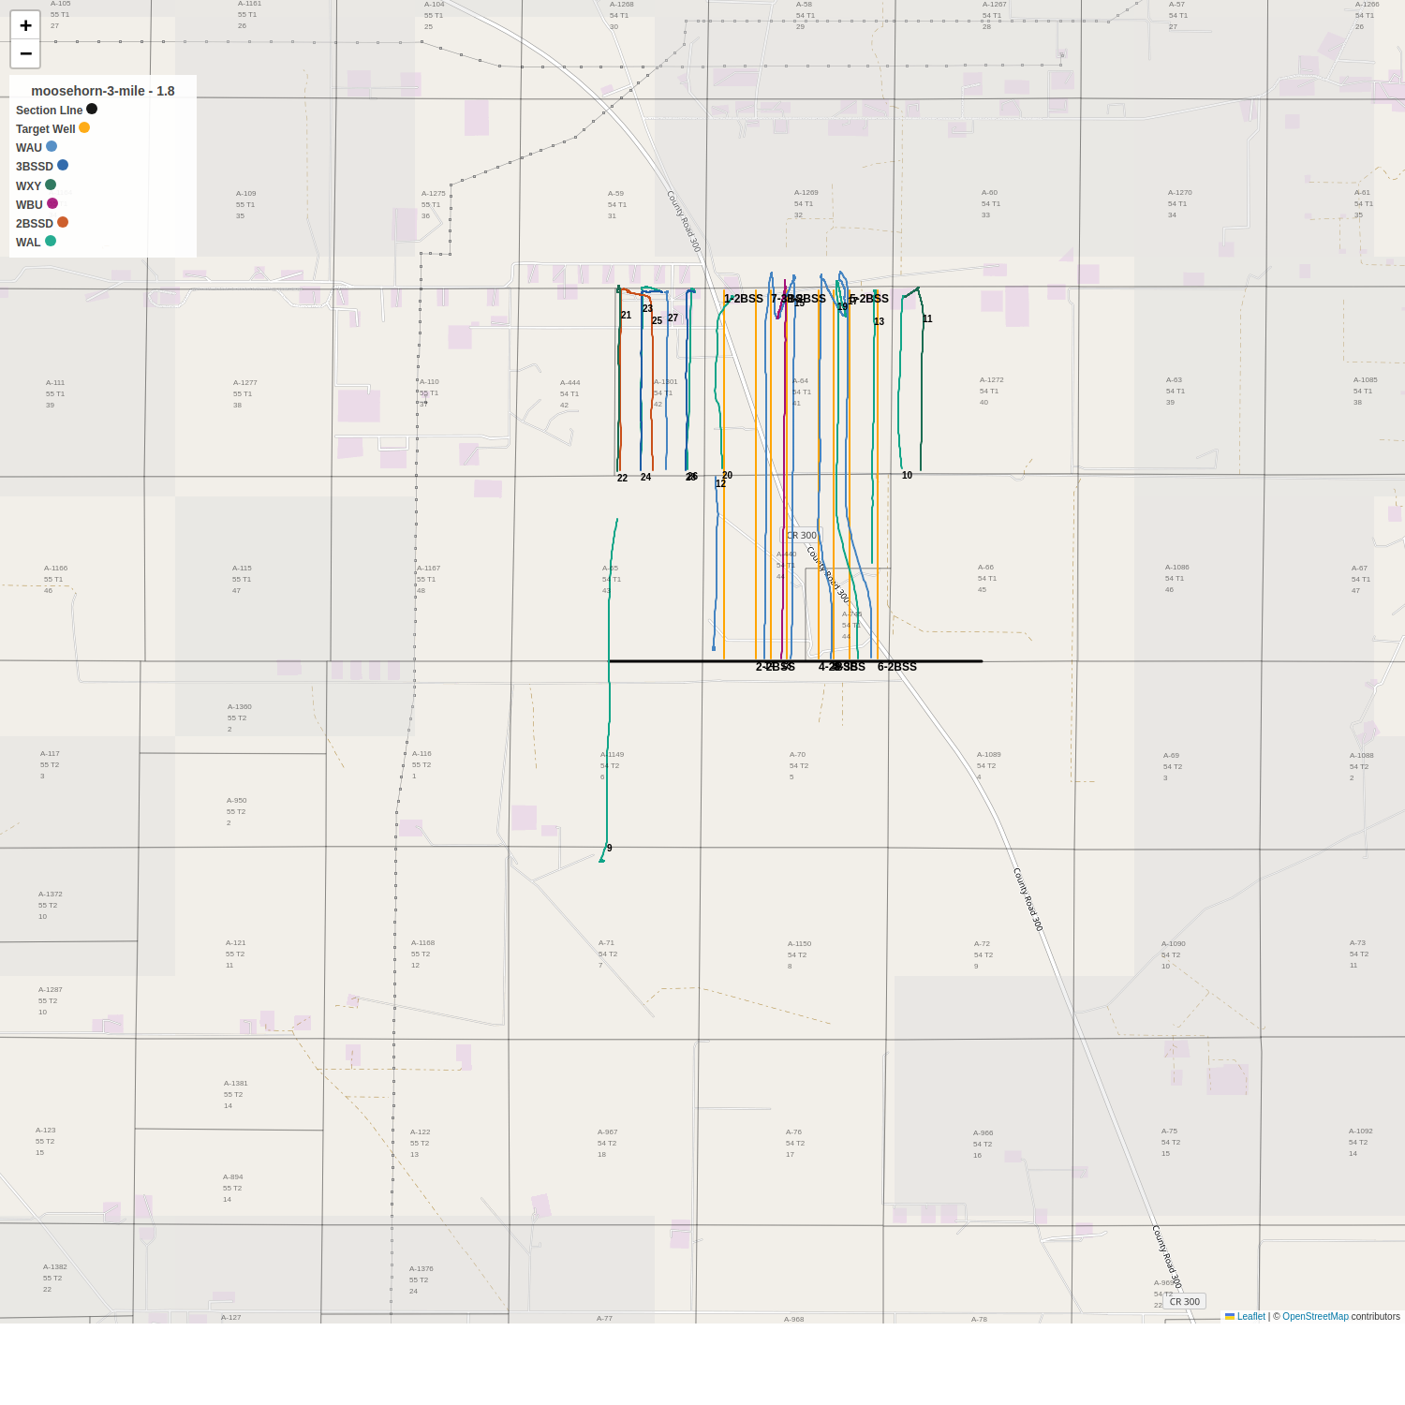

3D Plot
