EDR
Ref URL | http://www.edr-edr.it/edr_programmi/res_complex_comune.php?do=book&id_nr=EDR000113 |  | http://www.edr-edr.it/edr_programmi/res_complex_comune.php?do=book&id_nr=EDR001032 | http://www.edr-edr.it/edr_programmi/res_complex_comune.php?do=book&id_nr=EDR001062 | http://www.edr-edr.it/edr_programmi/res_complex_comune.php?do=book&id_nr=EDR001253 | http://www.edr-edr.it/edr_programmi/res_complex_comune.php?do=book&id_nr=EDR001284 | http://www.edr-edr.it/edr_programmi/res_complex_comune.php?do=book&id_nr=EDR001353 | http://www.edr-edr.it/edr_programmi/res_complex_comune.php?do=book&id_nr=EDR001373 | http://www.edr-edr.it/edr_programmi/res_complex_comune.php?do=book&id_nr=EDR001399 | http://www.edr-edr.it/edr_programmi/res_complex_comune.php?do=book&id_nr=EDR001438 | http://www.edr-edr.it/edr_programmi/res_complex_comune.php?do=book&id_nr=EDR001485 | http://www.edr-edr.it/edr_programmi/res_complex_comune.php?do=book&id_nr=EDR001511
ID | EDR000113 |  | EDR001032 | EDR001062 | EDR001253 | EDR001284 | EDR001353 | EDR001373 | EDR001399 | EDR001438 | EDR001485 | EDR001511
Alt IDs? | TM258845 |  | TM 267404 | TM 267419 | TM 261867 | TM 261898 | TM 261967 | TM 261987 | TM 262013 | TM 261817 | TM 268094 | TM 268119
Object Type? | tabula |  | tabula | tabula | tabula | ara, sepulcrum | cippus | stela | mensa | tabula | stela | stela
Material | marmor |  | marmor | lapis | lapis | marmor | lapis | marmor | marmor | marmor | marmor | marmor
Language | latina |  | latina | latina | latina | latina | latina | latina | latina | latina | latina | latina
Date | - 1 571 d.C. / 573 d.C. |  | 101 d.C. / 130 d.C | 50 a.C. / 1 a.C | 1 d.C. / 70 d.C | 171 d.C. / 300 d.C. | 50 a.C. / 1 d.C. | 101 d.C. / 200 d.C. | 101 d.C. / 200 d.C. | 101 d.C. / 200 d.C. | 101 d.C. / 200 d.C. | 101 d.C. / 200 d.C.
Inscription Type | sepulcralis |  | sepulcralis | sepulcralis | sepulcralis | sepulcralis | sepulcralis | sepulcralis | sepulcralis | sepulcralis | sepulcralis | sepulcralis
Image URLs | http://www.edr-edr.it//foto_epigrafi/immagini_uso/1/000113.jpg?dummy=1573210171 | http://www.edr-edr.it//foto_epigrafi/immagini_uso/1/000113-1.jpg?dummy=1573211288 | http://www.edr-edr.it/edr_programmi/view_img.php?id_nr=001032 | http://www.edr-edr.it/edr_programmi/view_img.php?id_nr=001062 | http://www.edr-edr.it/edr_programmi/view_img.php?id_nr=001253 | http://www.edr-edr.it/edr_programmi/view_img.php?id_nr=001284 | http://www.edr-edr.it/edr_programmi/view_img.php?id_nr=001353 | http://www.edr-edr.it/edr_programmi/view_img.php?id_nr=001373 | http://www.edr-edr.it/edr_programmi/view_img.php?id_nr=001399 | http://www.edr-edr.it/edr_programmi/view_img.php?id_nr=001438-1 | http://www.edr-edr.it/edr_programmi/view_img.php?id_nr=001485 | http://www.edr-edr.it/edr_programmi/view_img.php?id_nr=001511-1
 | 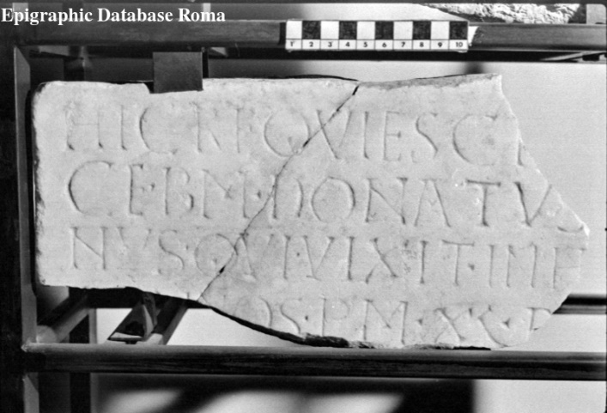 | 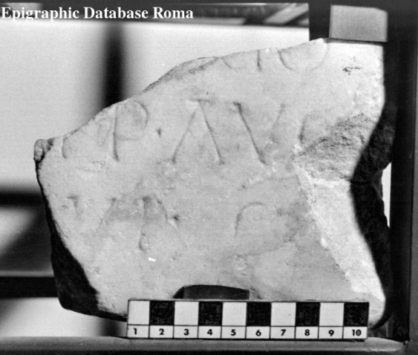 |  |  |  |  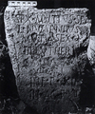 |  |  |  |  |  | 
Interpretive | Hic requiesci[t in pa]= | HIC REQUIESCI[T IN PA]= | Dis Man(ibus). | L(ucius) Ambeivius L(uci) f(ilius) | Aurelia C. C. l(iberta) | D(is) M(anibus). | Sex(tus) Mutius Sex(ti) | D(is) M(anibus). | D(is) M(anibus). | D(is) M(anibus). | D(is) M(anibus) | D(is) M(anibus).
 | ce b(onae) m(emoriae) Donatus [diaco]= |  | Agili filio dulcissimo | Paetus | Athenais sibì | Tutilia Stavi= | l(ibertus) Numenius; | Primigeni= | Terentiae Laconice, | P(ublius) Veracius Firmus | bene maeren= | P(ublio) Octavio
 | nus, qui vixit in h[oc sae]= |  | qui vixit annis tribus, | leiberteis sueis posterìsque | `et suis pro part(e) s(ua)´; | lis Cornelio | Mutia Sex(ti) l(iberta) | ano, vernae | conìug(i) carissim(ae), | P(ublio) Veracio Proculo et | ti fecit Oppia | Phileto
 | [cl(o) an]nos p(lus) m(inus) XL, d[ep(ositus) est] |  | mensibus IIII, diebus XVIII, fecerunt Claudia Aphro= | eorum. | C(aius) Alfius C(ai) l(ibertus) Attes | Callinico, ma= | Eleutheri[s]; | suo b(ene) m(erenti), M(arcus) | bene merent(i), | P(ublio) Veracio Marcello, | Helpis Felicis= | Octaviạ
5 | [sub (die) - men(se) Ianua]ṛịọ |  | 5 dite, mater, et Agilis, pater, | 5 In front(e) p(edes) XII, in agr(o) p(edes) XVI | 5 `sibi et suis´; | 5 rito optimo, | 5 `Mutia [Sex(ti) l(iberta)]´ | 5 Turranius Fus= | 5 dulcissimae, | 5 fratribus pientis= | 5 sime filiae, que | 5 Veru[lla]
 | [Imp(eratore) D(omino) N(ostro) Iustino] p̣(er)p(etuo) Aug(usto) |  | vernaculo M(arci) Ulpi Euphorbi et |  | `Tib(erius) Aug(usti) l(ibertus) Anoptes +VVS´ | qui vix(it) an(nis) | `Vitali(s).´ | cus. Idem et pa= | P(ublius) Manlius Alcimus | simis coh(ortis) pip(erariorum) ((centuria)) Firmi, | vixit annis | conìugi b(ene) m(erenti) p(osuit).
 | [anno] VI. |  | Claudiae Onesimes. |  | `sibi et sueis´ | LXXX̅VI, men(sibus) V̅, | In f(ronte) p(edes) XII, | rentes fecerunt. | muri suae. | heres fecit. | XXII, menses
Diplomatic ? | HIC REQVIESCI |  |  |  |  | dieb(us) XV̅I̅I̅, | in ag(ro) p(edes) XII. | V(ixit) a(nno) I, m(ensibus) X |  |  | nove.
 | CE · BM · DONATVS [-----] |  |  |  |  | b(ene) m(erenti) f(ecit)
 | NVS · QVI · VIXIT · INH[-----]
 | [----]NOS · PM · XL · D[-----]
 | [------------]ṚỊỌ
 | [------------] P̣ P · AVG
 | [----] VI ·
GEO | 44.0484, 8.21493

EDH
Ref URL | https://edh-www.adw.uni-heidelberg.de/edh/inschrift/HD000042 |  | https://edh-www.adw.uni-heidelberg.de/edh/inschrift/HD009562 | https://edh-www.adw.uni-heidelberg.de/edh/inschrift/HD009652 | https://edh-www.adw.uni-heidelberg.de/edh/inschrift/HD010343 | https://edh-www.adw.uni-heidelberg.de/edh/inschrift/HD011035 | https://edh-www.adw.uni-heidelberg.de/edh/inschrift/HD011494 | https://edh-www.adw.uni-heidelberg.de/edh/inschrift/HD012285 | https://edh-www.adw.uni-heidelberg.de/edh/inschrift/HD012294 | https://edh-www.adw.uni-heidelberg.de/edh/inschrift/HD012378 | https://edh-www.adw.uni-heidelberg.de/edh/inschrift/HD012426 | https://edh-www.adw.uni-heidelberg.de/edh/inschrift/HD013475
ID | HD000042 |  | HD009562 | HD009652 | HD010343 | HD011035 | HD011494 | HD012285 | HD012294 | HD012378 | HD012426 | HD013475
Alt IDs? | EDRR078758, TM265591
Object Type? | stele |  | stele | stele | tabula | altar? | altar | altar | sarcophagus | tabula | tabula | tabula
Material | travertine: rocks - chemische Sedimente |  | marble: rocks - metamorphic rocks | limestone: rocks - clastic sediments |  |  |  | sandstone: rocks - clastic sediments | limestone: rocks - clastic sediments |  |  | marble: rocks - metamorphic rocks
Language | latina |  | Latin | Latin | Latin | Latin | Latin | Latin | Latin | Latin | Latin | Latin
Date | 70 BC – 31 BC |  | 101 AD – 150 AD | 101 AD – 300 AD | 209 AD – 211 AD | 235 AD – 238 AD | 201 AD – 300 AD | 212 AD | 611 AD – 612 AD | 170 AD – 180 AD | 151 AD – 270 AD | 51 AD – 150 AD
Inscription Type? | epitaph |  | epitaph | epitaph | honorific inscription | votive inscription | votive inscription | votive inscription | epitaph | building/dedicatory inscription | epitaph | epitaph
Image URLs | https://edh-www.adw.uni-heidelberg.de/digilib/Scaler/IIIF/f023476.tif/full/full/0/default.png | http://www.edr-edr.it/foto_epigrafi/immagini_uso/78/078758.jpg?dummy=1573222304 | https://edh-www.adw.uni-heidelberg.de/digilib/edh/annotation/f004409 | https://edh-www.adw.uni-heidelberg.de/digilib/edh/annotation/f012069 | https://edh-www.adw.uni-heidelberg.de/digilib/edh/annotation/f010226 | https://edh-www.adw.uni-heidelberg.de/digilib/edh/annotation/f013075 | https://edh-www.adw.uni-heidelberg.de/digilib/edh/annotation/f036585 | https://edh-www.adw.uni-heidelberg.de/digilib/edh/canvas/f016211 | https://edh-www.adw.uni-heidelberg.de/digilib/edh/canvas/f037106 | https://edh-www.adw.uni-heidelberg.de/digilib/edh/canvas/f004865 | https://edh-www.adw.uni-heidelberg.de/digilib/edh/annotation/f005855 | https://edh-www.adw.uni-heidelberg.de/digilib/edh/canvas/f005812
 | 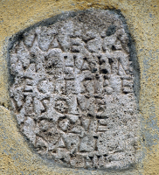 | 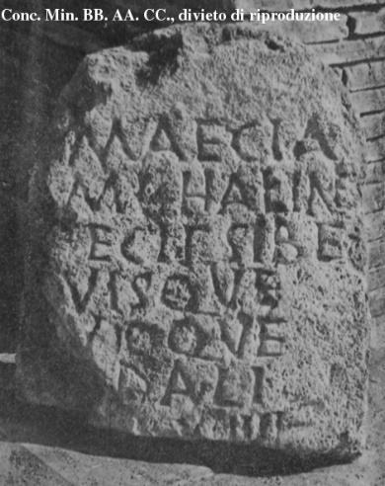 | 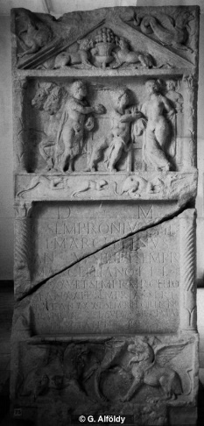 | 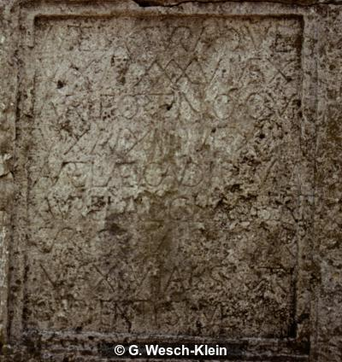 | 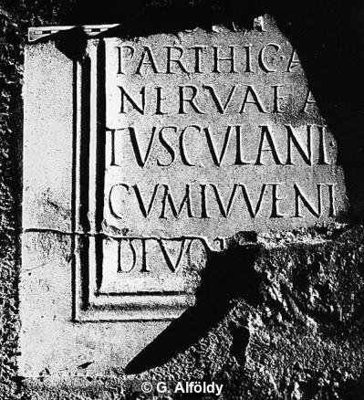 | 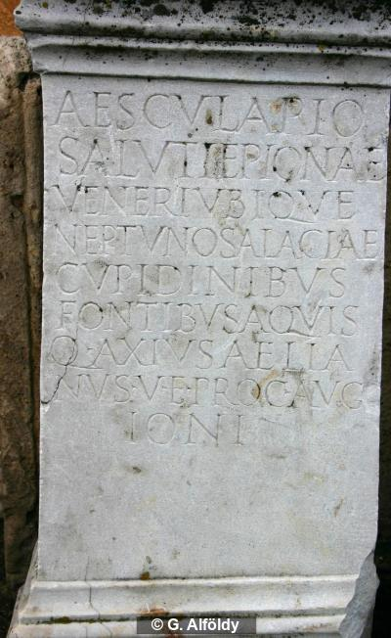 | 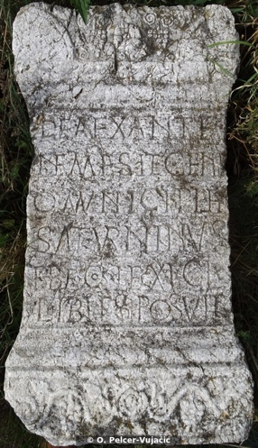 | 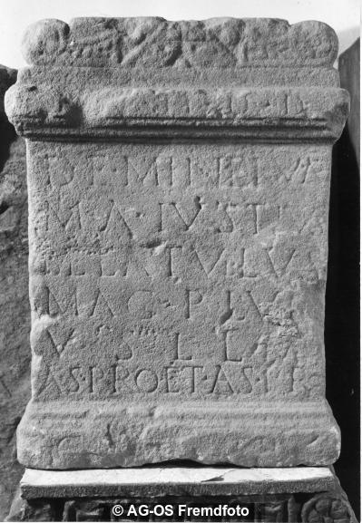 | 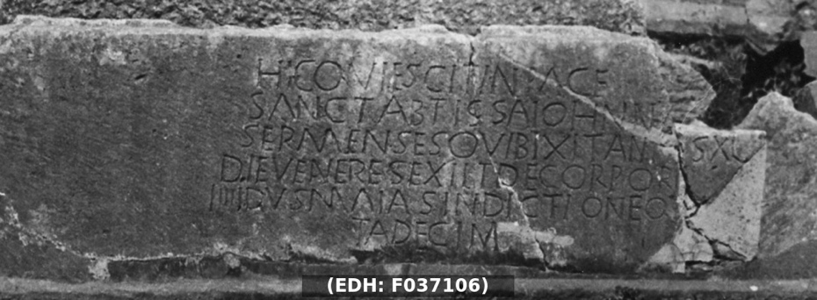 | 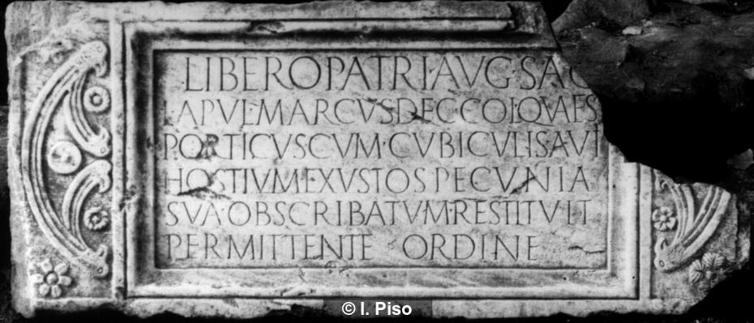 | 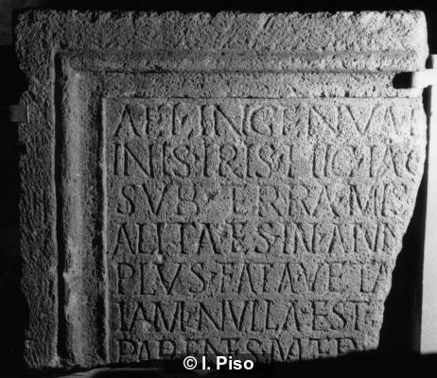 | 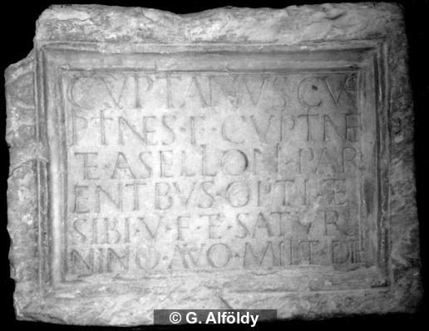
Interpretive | Maecia |  | D(is) M(anibus) | D(is) M(anibus) | ------] | Aesculapio | Deae xan(c)t(a)e(!) | In h(onorem) d(omus) d(ivinae) | Hic quiescit in pace | Libero Patri Aug(usto) sac(rum) | Ael(ia) Ingenua E[---]/inis Iris hic iac[et ---] | Cupitianus Cu
 | M(arci) l(iberta) Halin̂e |  | C(aius) Sempronius C(ai) fil(ius) | Aurelia Sura qu(a)e | [divi Hadriani pro] | Saluti Epionae | Nemesi et Geni/o municipi(i) Fl(avius) | de(ae) Minervae | sanct(a) abtissa Iohanna | L(ucius) Apul(eius) Marcus dec(urio) col(oniae) quaes(tor) | sub terra mis[era? ---] / alita es in ann[is ---] | pitin/(a)es(!) f(ilius) Cupitin(a)e
 | f̣ecit sibe(!) |  | Cl(audia) Marcellinus | vix(it) an(nos) XXXV me(nses) X | [nep]oti d[ivi Traiani] | Veneri ubique | Saturninus | M(arcus) A(urelius) Iustius | Sermenses qui bixit(!) annus(!) XL | porticus cum cubiculis a vii(!) | plus Fata veta[runt ---] | et Asellioni par
 | [s]uisque |  | an(norum) v(ivus) f(ecit) sibi et Sempr(onio) | Aur(elius) Fortunio qui | Parthic(i) a[bnepoti divi] | Neptuno Salaciae | {b}b(ene)f(iciarius) co(n)s(ularis) leg(ionis) XI Cl(audiae) | Belatullus | die Veneres(!) exiit de corpore | hostium exustos pecunia | iam nulla est [---] | entibus opti(mis) et
5 | [s]uoque |  | Marcelliano fil(io) | vix(it) an(nos) XIIII me(nses) XI | Nervae a[dnepoti] | cupidinibus | libies(!) posuit | mag(ister) plum(ariorum?) | IIII Idus Maias indictione qu[in?] | sua ob scribatum restituit | parentes mater [------ | sibi v(ivus) f(ecit) et Satur
 | [so?]dali. |  | [a]n(norum) XXV et Sempr(onio) Marcello | Aureliae Candid(a)e viv(a)e | Tusculani m[unicipes] | fontibus aquis |  | v(otum) s(olvit) l(ibens) l(aetus) m(erito) | tadecim(a) | permittente ordine |  | nino avo milit(i) de(functis)
 | [in fr(onte) p(edes)] XIIII, |  | fil(io) an(norum) XXI et Sempr(onio) Passeri | Aurelia Lucilla libertis | cum iuveni[bus ---] | Q(uintus) Axius Aelia |  | Aspro et Aspro
 | [in ag(ro) p(edes) ---]. |  | fratr(i) an(norum) Claudiae Spectatae | carissimis M(arcus) Aur(elius) | devot[i? maiestati? eius] | nus v(ir) e(gregius) proc(urator) Aug[[g(ustorum)]] |  | c[o(n)s(ulibus)]
 |  |  | coniugi annor(um) | Maximianus nutri/ci pientis(s)im(a)e |  | Ioni
Diplomatic ? | MAECIA |  |  | f(aciendum) c(uraverunt)
 | M L HALIN̂E |  | D M | D M | ] | AESCVLAPIO | DEAE XANTE | IN H D D | HIC QVIESCIT IN PACE | LIBERO PATRI AVG SAC | AEL INGENVA E[ ] | CVPITIANVS CV
 | F̣ECIT SIBE |  | C SEMPRONIVS C FIL | AVRELIA SVRA QVE | [ ] | SALVTI EPIONAE | NEMESI ET GENI |  | SANCT ABTISSA IOHANNA | L APVL MARCVS DEC COL QVAES | INIS IRIS HIC IAC[ ] | PITIN
 | [ ]VISQVE |  | CL MARCELLINVS | VIX AN XXXV ME X | [ ]OTI D[ ] | VENERI VBIQVE | O MVNICIPI FL | DE MINERVAE | SERMENSES QVI BIXIT ANNVS XL | PORTICVS CVM CVBICVLIS A VII | SVB TERRA MIS[ ] | ES F CVPITINE
 | [ ]VIOQVE |  | AN V F SIBI ET SEMPR | AVR FORTVNIO QVI | PARTHIC A[ ] | NEPTVNO SALACIAE | SATVRNINVS | M A IVSTIVS | DIE VENERES EXIIT DE CORPORE | HOSTIVM EXVSTOS PECVNIA | ALITA ES IN ANN[ ] | ET ASELLIONI PAR
 | [ ]DALI |  | MARCELLIANO FIL | VIX AN XIIII ME XI | NERVAE A[ ] | CVPIDINIBVS | BBF COS LEG XI CL | BELATVLLVS | IIII IDVS MAIAS INDICTIONE QV[ ] | SVA OB SCRIBATVM RESTITVIT | PLVS FATA VETA[ ] | ENTIBVS OPTI ET
 | [ ] XIIII |  | [ ]N XXV ET SEMPR MARCELLO | AVRELIAE CANDIDE VIVE | TVSCVLANI M[ ] | FONTIBVS AQVIS | LIBIES POSVIT | MAG PLVM | TADECIM | PERMITTENTE ORDINE | IAM NVLLA EST [ ] | SIBI V F ET SATVR
 | [ ] |  | FIL AN XXI ET SEMPR PASSERI | AVRELIA LVCILLA LIBERTIS | CVM IVVENI[ ] | Q AXIVS AELIA |  | V S L L M |  |  | PARENTES MATER [ | NINO AVO MILIT DE
 |  |  | FRAT AN XXX ET SEMPR FLORENTINO | CARISSIMIS M AVR | DEVOT[ ] | NVS V E PROC AVG[[G]] |  | ASPRO ET ASPRO
 |  |  | FRATR AN CLAVDIAE SPECTATAE | MAXIMIANVS NVTRI |  | IONI
 |  |  | CONIVGI ANNOR | CI PIENTISIME |  |  |  | C[ ]
 |  |  |  | F C

GEO | 41.895466,12.482324 |  | 47.1969524,16.567118599 | 47.089753309,18.420982078 | 41.895466,12.482324 | 45.515134153,22.787739334 | 43.342230151,19.320009776 | 49.995777710,8.2646101713 | 43.542264644,16.482780575 | 45.517763484,22.787393331 | 47.022697379,23.896561861 | 47.150134,13.744646

