Overview
Relationship between tables:
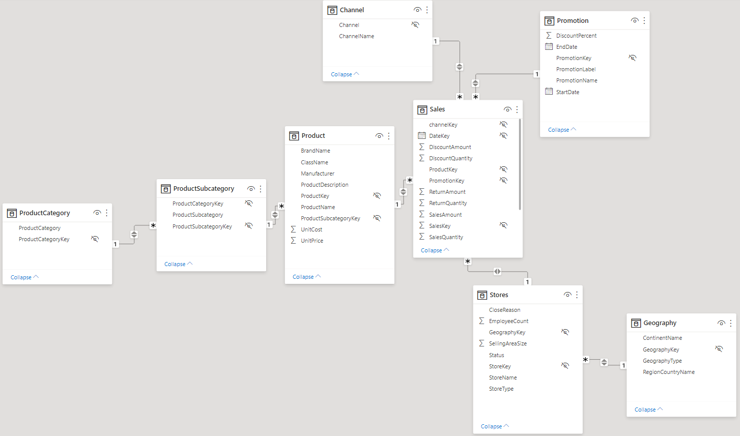

Source: https://www.microsoft.com/en-sg/download/confirmation.aspx?id=46801

