epcc_train
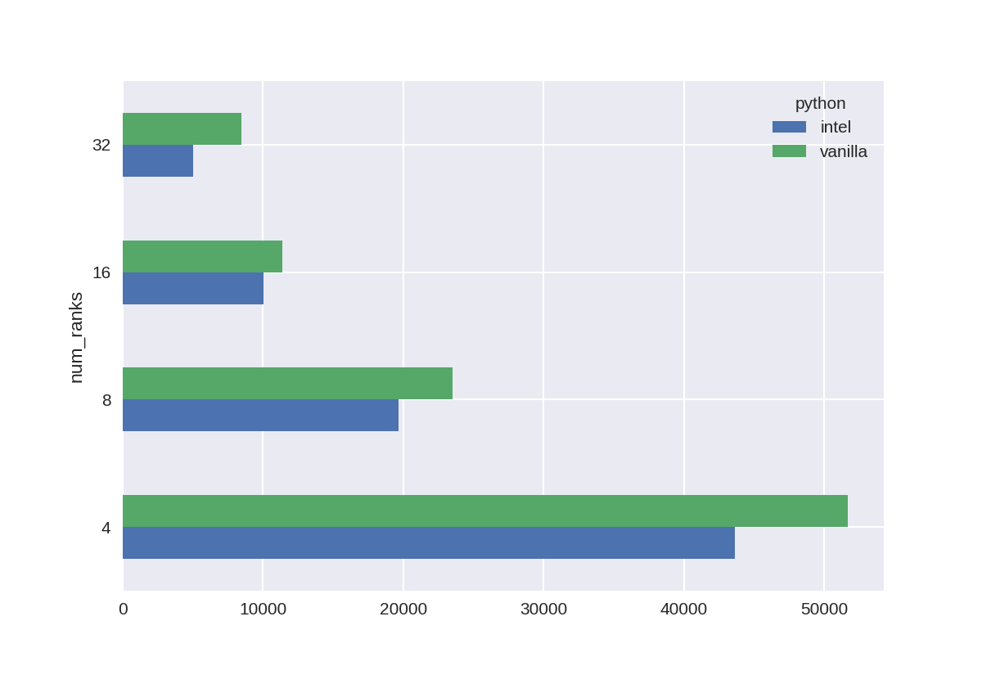
index | python | system | num_ranks | ntasks_per_node | total_time | first_epoch_time | second_epoch_time | first_epoch_train_time | second_epoch_train_time | first_epoch_test_time | second_epoch_test_time | imgs_per_s_second_epoch | imgs_per_s_first_epoch | train_accuracy | test_accuracy | train_loss | test_loss | clip_offset | cpu_only | epochs | learning_rate | batch_size | no_cache | num_gpus | train_split | wbce | run_id
run_66576 | vanilla | EPCC | 4 | 4 | 51649.548476 | 1560.667577 | 1637.9151461 | 1516.92256 | 1599.9911232 | 43.723728657 | 37.920360565 | 12.12506727 | 12.789051011 | 0.8587064743 | 0.8718251586 | 0.20892633498 | 0.18544025719 | 15 | FALSE | 30 | 0.001 | 32 | FALSE | 0 | 0.8 | 0.5 | 66576
run_66577 | vanilla | EPCC | 8 | 4 | 23524.963864 | 772.74057174 | 737.00235939 | 749.13674903 | 718.0756278 | 23.597595215 | 18.91870904 | 27.016652911 | 25.896473541 | 0.87426716089 | 0.8700324297 | 0.18431665003 | 0.21448372304 | 15 | FALSE | 30 | 0.001 | 32 | FALSE | 0 | 0.8 | 0.5 | 66577
run_66578 | vanilla | EPCC | 16 | 4 | 11379.681261 | 399.25504637 | 367.62825465 | 385.58925557 | 357.56086278 | 13.656806707 | 10.053891182 | 54.256497339 | 50.312605239 | 0.88184595108 | 0.85770452023 | 0.17027392983 | 0.2206094116 | 15 | FALSE | 30 | 0.001 | 32 | FALSE | 0 | 0.8 | 0.5 | 66578
run_66579 | vanilla | EPCC | 32 | 4 | 8428.1524079 | 318.27854562 | 274.75976801 | 297.26741242 | 269.43342233 | 20.999605417 | 5.3234899044 | 72.002945412 | 65.261105621 | 0.89042890072 | 0.87390112877 | 0.16009922326 | 0.17891718447 | 15 | FALSE | 30 | 0.001 | 32 | FALSE | 0 | 0.8 | 0.5 | 66579
run_66584 | intel | EPCC | 4 | 4 | 43590.227559 | 1294.335372 | 1484.7177618 | 1202.3529315 | 1407.6460652 | 91.972783566 | 77.05811429 | 13.781873497 | 16.135029484 | 0.86626243591 | 0.88270866871 | 0.19370214641 | 0.18197403848 | 15 | FALSE | 30 | 0.001 | 32 | FALSE | 0 | 0.8 | 0.5 | 66584
run_66585 | intel | EPCC | 8 | 4 | 19652.996722 | 649.81096864 | 663.50637102 | 613.41082716 | 634.03085089 | 36.382987738 | 29.471203089 | 30.597880171 | 31.626438825 | 0.87706148624 | 0.87376964092 | 0.18364411592 | 0.20198659599 | 15 | FALSE | 30 | 0.001 | 32 | FALSE | 0 | 0.8 | 0.5 | 66585
run_66586 | intel | EPCC | 16 | 4 | 10048.950092 | 370.19087029 | 325.28976941 | 338.41567397 | 305.85856104 | 31.761518955 | 19.423395395 | 63.428010431 | 57.325949984 | 0.87480276823 | 0.84505283833 | 0.18112042546 | 0.22257351875 | 15 | FALSE | 30 | 0.001 | 32 | FALSE | 0 | 0.8 | 0.5 | 66586
run_66587 | intel | EPCC | 32 | 4 | 5018.5604551 | 180.04626036 | 165.50055528 | 168.03482127 | 156.25069833 | 12.006233931 | 9.2457604408 | 124.15944509 | 115.45226075 | 0.88259536028 | 0.88000279665 | 0.17457956076 | 0.1922903806 | 15 | FALSE | 30 | 0.001 | 32 | FALSE | 0 | 0.8 | 0.5 | 66587

epcc_infer
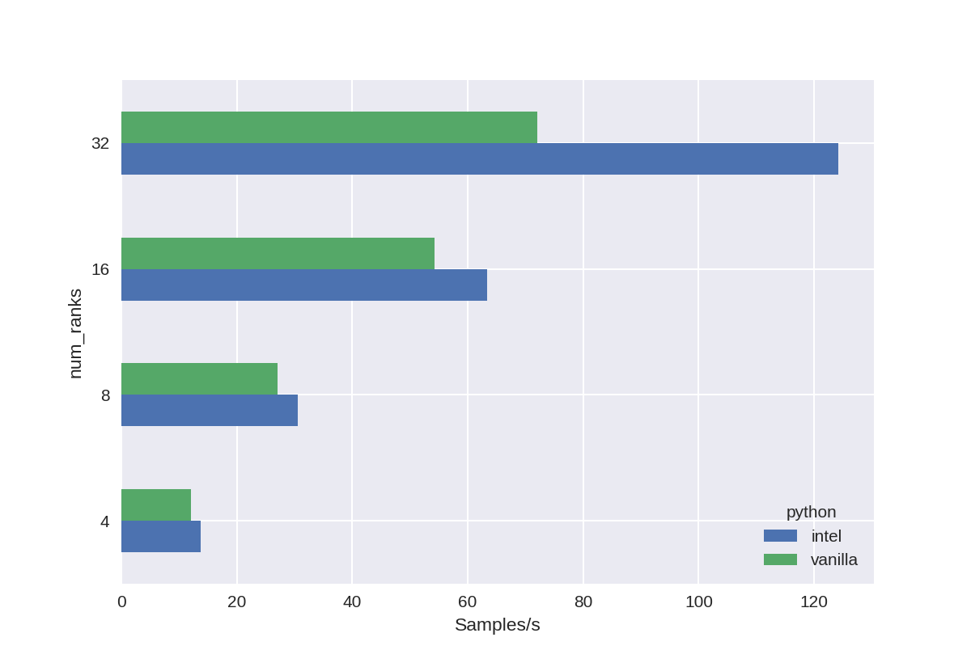
index | system | python | num_ranks | ntasks_per_node | total | imgs_per_s | batch_size | clip_offset | cpu_only | epochs | learning_rate | no_cache | num_gpus | train_split | wbce | run_id
run_66576 | EPCC | vanilla | 4 | 4 | 200.09397149 | 9.9953036321 | 32 | 15 | FALSE | 30 | 0.001 | FALSE | 0 | 0.8 | 0.5 | 66576
run_66577 | EPCC | vanilla | 8 | 4 | 107.61662436 | 18.584489264 | 32 | 15 | FALSE | 30 | 0.001 | FALSE | 0 | 0.8 | 0.5 | 66577
run_66578 | EPCC | vanilla | 16 | 4 | 59.969409466 | 33.350336744 | 32 | 15 | FALSE | 30 | 0.001 | FALSE | 0 | 0.8 | 0.5 | 66578
run_66579 | EPCC | vanilla | 32 | 4 | 31.912766933 | 62.670842806 | 32 | 15 | FALSE | 30 | 0.001 | FALSE | 0 | 0.8 | 0.5 | 66579
run_66584 | EPCC | intel | 4 | 4 | 257.39608836 | 7.7701258505 | 32 | 15 | FALSE | 30 | 0.001 | FALSE | 0 | 0.8 | 0.5 | 66584
run_66585 | EPCC | intel | 8 | 4 | 133.80257297 | 14.947395672 | 32 | 15 | FALSE | 30 | 0.001 | FALSE | 0 | 0.8 | 0.5 | 66585
run_66586 | EPCC | intel | 16 | 4 | 73.514740229 | 27.205428378 | 32 | 15 | FALSE | 30 | 0.001 | FALSE | 0 | 0.8 | 0.5 | 66586
run_66587 | EPCC | intel | 32 | 4 | 38.537179708 | 51.897933765 | 32 | 15 | FALSE | 30 | 0.001 | FALSE | 0 | 0.8 | 0.5 | 66587

