UAT
Flow | Scenario | Set SiteSection to | Comment | Tracking name for implementation | Variable | Event

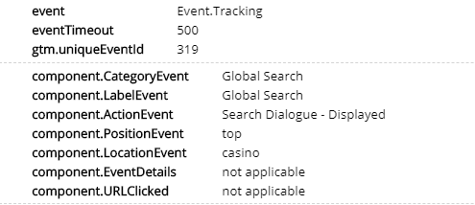
Search Dialog Click | User Clicks on Search Box |  |  | Global Search | component.CategoryEvent | Event.Tracking | pass
 |  |  |  | Global Search | component.LabelEvent |  | pass
 |  |  |  | Search Box - Clicked | component.ActionEvent |  | pass
 |  |  |  | {position on page} eg. Top Right, Bottom Page, etc | component.PositionEvent |  | pass
 |  |  |  | {product) | component.LocationEvent |  | pass
 |  |  |  | not applicable | component.EventDetails |  | pass
 |  |  |  | not applicable | component.URLClicked |  | pass

Search Clicks | Search dialogue displayed |  |  | Global Search | component.CategoryEvent | Event.Tracking | pass
 |  |  |  | Global Search | component.LabelEvent |  | pass
 |  |  |  | Search Dialogue - Displayed | component.ActionEvent |  | pass
 |  |  |  | {position on page} eg. Top Right, Bottom Page, etc | component.PositionEvent |  | pass
 |  |  |  | {page.name} | component.LocationEvent |  | pass
 |  |  |  | not applicable | component.EventDetails |  | pass
 |  |  |  | not applicable | component.URLClicked |  | pass
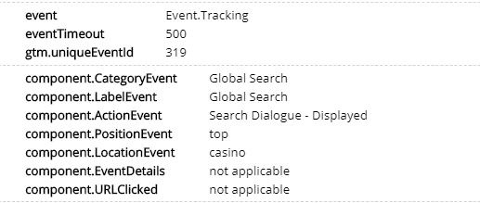

 |  |  |  |  |  |  | pass
 | IsUserLoggedIn

Search Terms | Text & Search number |  | Plss fire only when user clicks outside the search tool or when results is clicked, don’t search track each letter typed | Global Search | component.CategoryEvent | Event.Tracking | pass
 |  |  |  | Search Terms | component.LabelEvent |  | pass
 |  |  |  | Term Search | component.ActionEvent |  | pass
 |  |  |  | {position on page} eg. Top Right, Bottom Page, etc | component.PositionEvent |  | pass
 |  |  |  | {page.name} | component.LocationEvent |  | fail
 |  |  |  | {searched term value} | component.EventDetails |  | pass
 |  |  |  | not applicable | component.URLClicked |  | pass

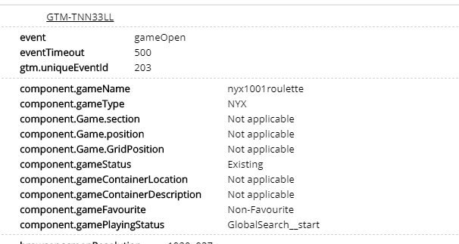
Search Results Clicks | ResultNumber,Name,GameID,Type(Game/Accounts/RG/Help etc) |  |  | Global Search | component.CategoryEvent | Event.Tracking
 |  |  |  | {SearchWindowSection} eg. Your Latest Searches / Inspired by your Recently Played/ Tranding Now/ Categories/ Games & Slots / Promotions / You May Like/ Featured Promotions/ | component.LabelEvent
 |  |  |  | Search Result - Clicked | component.ActionEvent
 |  |  |  | {position on page} eg. Top Right, Bottom Page, etc | component.PositionEvent
 |  |  |  | {page.name} | component.LocationEvent |  | fail
 |  |  |  | {Clicked Value} eg. Jackpot, game name etc | component.EventDetails
 |  |  |  | {URL} | component.URLClicked

 |  |  |  |  |  |  |  | Value Examples
 |  |  | If the Search Result click is opening a Game pls fire also the gameOpen Event | game ID | component.gameName | gameOpen | fail | examples: nyxprideandprey
 |  |  |  | Game Type | component.gameType |  | fail | example: NYX
 |  |  |  | Container Name | component.Game.section |  | fail | example: Module_Discover_{category Name} ex: Module_Discover_Casino
 |  |  |  | Tile position | component.Game.position |  | fail | 3
 |  |  |  | Grid Position | component.Game.GridPosition |  | fail | 0.12569444444
 |  |  |  | New / Existing | component.gameStatus |  | fail | track if the game has Signposted with New sticker or not
 |  |  |  | {ContainertypeofLocation}|{Section of the website} where {ContainertypeofLocation} = Page Container/ Overlay/ Widget/ Teaser/EVG/ Search / (if not listed here please return technical value or Undefined); and where {Section of the website}={WidgetName}(values must be in English) | component.gameContainerLocation |  | fail | Track the location of the container: if container is on a widget, on the lobby, on a page etc.
 |  |  |  | {Highlighted/Non-Highlighted|colorCode} e.g. Highlighted|colorCode | component.gameContainerDescription |  | fail | track if the container is highlighted with a background or not plus the colour code of the background
 |  |  |  | {Favourite/Non-Favourite} | component.gameFavourite |  | fail | track if the game launched was a favourited game or not
 |  |  |  | {Unfinished/Start} | component.gamePlayingStatus |  | fail | when an unfinished game is launched fill the value "Unfinished", otherwise fill the value "Start"

See All Link Clicked |  |  |  | Global Search | component.CategoryEvent | Event.Tracking
 |  |  |  | {ResultArea} eg. Your Latest Searches / Inspired by your Recently Played/ Tranding Now/ Categories/ Games & Slots / Promotions / You May Like/ Featured Promotions/ | component.LabelEvent
 |  |  |  | See All Link - Clicked | component.ActionEvent
 |  |  |  | {position on page} eg. Top Right, Bottom Page, etc | component.PositionEvent
 |  |  |  | {page.name} | component.LocationEvent |  | fail
 |  |  |  | Click on See All | component.EventDetails
 |  |  |  | {URL} | component.URLClicked

Search Clear |  |  |  | Global Search | component.CategoryEvent | Event.Tracking
 |  |  |  | Global Search | component.LabelEvent
 |  |  |  | Search - Cleared | component.ActionEvent
 |  |  |  | {position on page} eg. Top Right, Bottom Page, etc | component.PositionEvent
 |  |  |  | {page.name} | component.LocationEvent |  | fail
 |  |  |  | not applicable | component.EventDetails
 |  |  |  | not applicable | component.URLClicked

Flow | Scenario | Set SiteSection to | Comment | Tracking name for implementation | Variable | Event

Search Dismiss / Close |  |  |  | Global Search | component.CategoryEvent | Event.Tracking | pass
Close Search Dialogue by clicking outside Dialogue |  |  |  | Global Search | component.LabelEvent |  | pass
 |  |  |  | Search Dialogue - Closed | component.ActionEvent |  | pass
 |  |  |  | {position on page} eg. Top Right, Bottom Page, etc | component.PositionEvent |  | pass
 |  |  |  | {page.name} | component.LocationEvent |  | pass
 |  |  |  | Close Search Dialogue by clicking outside Dialogue | component.EventDetails |  | pass
 |  |  |  | not applicable | component.URLClicked |  | pass
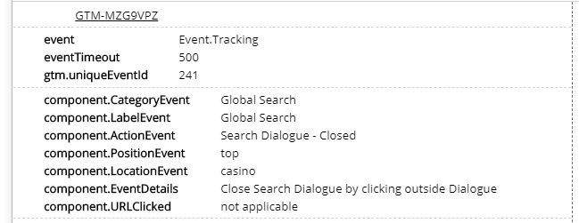

Search Dismiss / Close |  |  |  | Global Search | component.CategoryEvent | Event.Tracking | pass
Search Dialogue Closed with Click X |  |  |  | Global Search | component.LabelEvent |  | pass
 |  |  |  | Search Dialogue - Closed | component.ActionEvent |  | pass
 |  |  |  | {position on page} eg. Top Right, Bottom Page, etc | component.PositionEvent |  | pass
 |  |  |  | {page.name} | component.LocationEvent |  | pass
 |  |  |  | Search Dialogue Closed with Click X | component.EventDetails |  | pass
 |  |  |  | not applicable | component.URLClicked |  | pass

