Income Source
Created by Kirill Sannikov
Browse
Income Source
Geographically

Average Monthly Income
$359,056
$82,219
Income Source
 | Income Sources | Max
1 | 3 | 3
7 | 2 | 2
4 | 1 | 1
2 | 8 | 8
6 | 6 | 6
5 | 9 | 9

1.6%
Grand Total of Income, and their breakdowns showing the achievements percentage and highlight for most valuable source. Marketing, strategies and operational profit.
2.7%
Pharmacy

Operating profit
 | 83%
 | 17%
Vaccination
 | Total
Jan | $32,416
Feb | $28,633
Mar | $28,638
Apr | $29,250
May | $24,928
Jun | $29,416
Jul | $29,607
Aug | $21,897
Sep | $43,883
Oct | $30,028
Nov | $34,317
Dec | $26,043

24.4%

Financial Statistics
$986,627
Target Income
$1,195,383
Radiology

83%
Target Achieved

 | Sum of Income2 | Sum of Income
Jan | $91,146 | $91,146
Feb | $82,775 | $82,775
Mar | $78,651 | $78,651
Apr | $87,718 | $87,718
May | $61,241 | $61,241
Jun | $73,071 | $73,071
Jul | $77,923 | $77,923
Aug | $60,667 | $60,667
Sep | $124,840 | $124,840
Oct | $88,763 | $88,763
Nov | $95,023 | $95,023
Dec | $64,809 | $64,809

Consultation
Income Itemization

Quantity of Services
Consultation
Diagnostics
Treatment
Pharmacy
Vaccination
Radiology
16.48%
20.77%
12.36%
15.89%
21.12%
13.37%
2,056
2,591
1,542
1,982
2,634
1,667
🔴
🔴
🔴
🔴
🔴
🔴
Diagnostics
 | Sum of Income | Sum of Income2
Infusion | $18,075 | $18,075
Other | $12,285 | $12,285

34.8%
Treatment

33.4%

3.1%

Geographically
Income Source
Created by Kirill Sannikov
Browse
Geographically

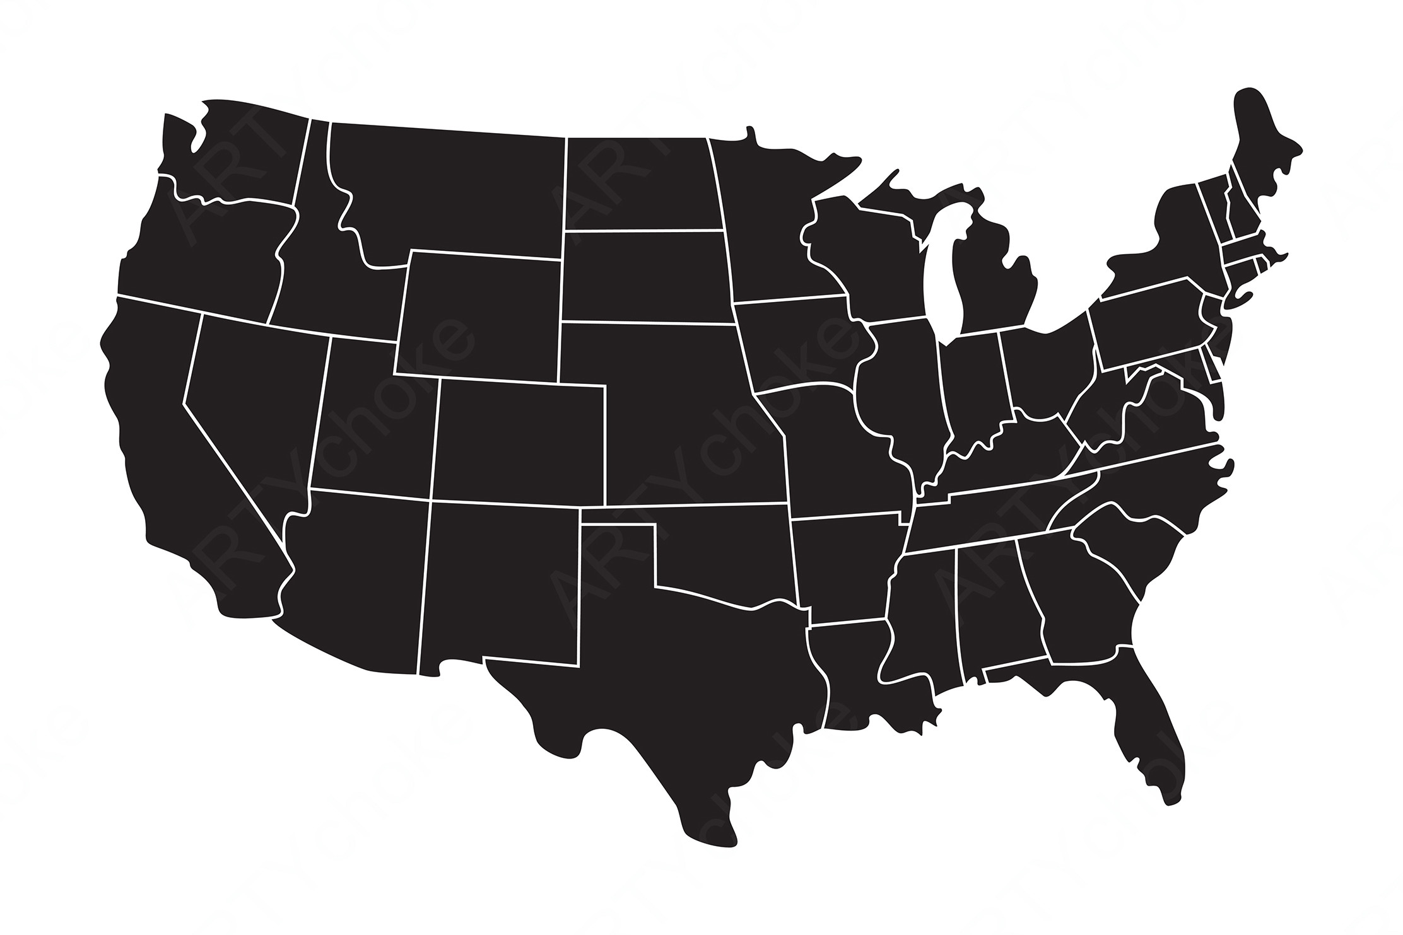

Financial Statistics
$986,627
Target Income
$1,195,383
Seattle
$98,663

Chicago
$197,325
New York
$78,930

 | New York | Chicago | Dallas | San Jose | Miami | Seattle
 | 8% | 20% | 25% | 13% | 24% | 10%
Dallas
25.0%
$246,657
Miami
24.0%
$236,790
Chicago
20.0%
$197,325
San Jose
13.0%
$128,262
Seattle
10.0%
$98,663
New York
8.0%
$78,930
🔴
🔴
🔴
🔴
🔴
🔴

San Jose
$128,262

 |  | X&Y
 | 17% | 1
 | 83% | 0.45603181283

Dallas
$246,657
★

Miami
$236,790
83%

Achieved Percentage

