Standard curve
ID | height (mm) | diameter (mm) | Surface area (mm) | dry weight (g) | wax weight (g) | wax - dry (g) | wax-dry | surface area
1 | 2.65 | 6.32 | 52.61534932 | 0.743 | 0.7466 | 0.0036 | 0.0036 | 52.61534932
2 | 5.32 | 7.93 | 132.5361423 | 1.0849 | 1.0932 | 0.0083 | 0.0083 | 132.5361423
3 | 2.44 | 10.72 | 82.17394131 | 0.8017 | 0.8094 | 0.0077 | 0.0077 | 82.17394131
4 | 5.96 | 11.81 | 221.1289803 | 0.2415 | 0.2724 | 0.0309 | 0.0309 | 221.1289803
5 | 5.36 | 9.66 | 162.6639904 | 0.6677 | 0.6844 | 0.0167 | 0.0167 | 162.6639904
6 | 6.61 | 10.83 | 224.8948042 | 0.7986 | 0.8189 | 0.0203 | 0.0203 | 224.8948042
7 | 9.52 | 11.38 | 340.3523208 | 0.942 | 0.9798 | 0.0378 | 0.0378 | 340.3523208
8 | 8.57 | 11.4 | 306.9270598 | 0.9688 | 1.003 | 0.0342 | 0.0342 | 306.9270598
9 | 7.41 | 10.84 | 252.3463318 | 0.8124 | 0.84 | 0.0276 | 0.0276 | 252.3463318
10 | 9.43 | 10.98 | 325.2846268 | 0.837 | 0.872 | 0.035 | 0.035 | 325.2846268
11 | 11.84 | 11.42 | 424.7831804 | 0.9983 | 1.046 | 0.0477 | 0.0477 | 424.7831804
12 | 20.19 | 11.44 | 725.624352 | 0.9774 | 1.0757 | 0.0983 | 0.0983 | 725.624352
13 | 20.11 | 12.74 | 804.8797562 | 1.5476 | 1.6878 | 0.1402 | 0.1402 | 804.8797562
14 | 31.53 | 11.41 | 1130.209936 | 2.2274 | 2.4053 | 0.1779 | 0.1779 | 1130.209936
15 | 33.6 | 11.75 | 1240.299732 | 2.2551 | 2.4252 | 0.1701 | 0.1701 | 1240.299732

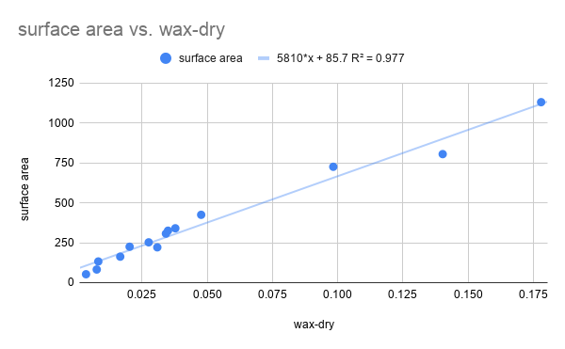

 |  |  |  |  |  |  |  |  | 15 data points | 6188*x + 75.2 | R2 = 0.976
 |  |  |  |  |  |  |  |  | 14 data points | 5810*x +85.7 | R2 = 0.977 | **Use this one, least number of points with maximum R^2
 |  |  |  |  |  |  |  |  | 13 data points | 5726*x +88.1 | R2 = 0.954 | Includes full range, but less precise
 |  |  |  |  |  |  |  |  | 12 data points | 7067*x+54.2 | R2 = 0.978 | Doesn't include full range, do not use

