AgeGrp
The ANOVA Procedure

Class Level Information
Class | Levels | Values
AgeGrp | 2 | 1 2

Number of Observations Read | 490
Number of Observations Used | 490

The ANOVA Procedure
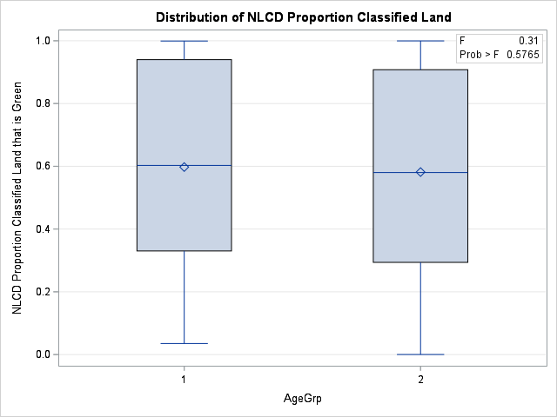
Dependent Variable: NLCD Proportion Classified Land NLCD Proportion Classified Land that is Green

Source | DF | Sum of Squares | Mean Square | F Value | Pr > F
Model | 1 | 0.0311027 | 0.0311027 | 0.31 | 0.5765
Error | 488 | 48.59448607 | 0.09957886
Corrected Total | 489 | 48.62558877

R-Square | Coeff Var | Root MSE | NLCD Proportion Classified Land Mean
0.00064 | 53.54203 | 0.315561 | 0.589371

Source | DF | Anova SS | Mean Square | F Value | Pr > F
AgeGrp | 1 | 0.0311027 | 0.0311027 | 0.31 | 0.5765

The ANOVA Procedure
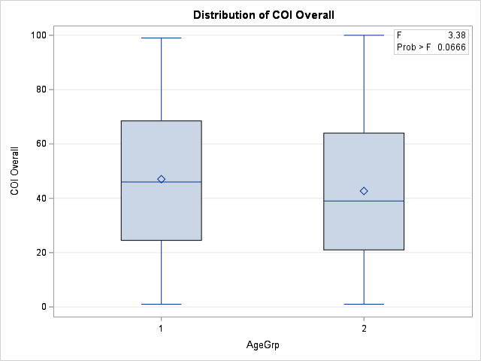
Dependent Variable: COI Overall COI Overall

Source | DF | Sum of Squares | Mean Square | F Value | Pr > F
Model | 1 | 2333.7607 | 2333.7607 | 3.38 | 0.0666
Error | 488 | 336980.3393 | 690.5335
Corrected Total | 489 | 339314.1

R-Square | Coeff Var | Root MSE | COI Overall Mean
0.006878 | 58.63756 | 26.278 | 44.81429

Source | DF | Anova SS | Mean Square | F Value | Pr > F
AgeGrp | 1 | 2333.760667 | 2333.760667 | 3.38 | 0.0666

The ANOVA Procedure
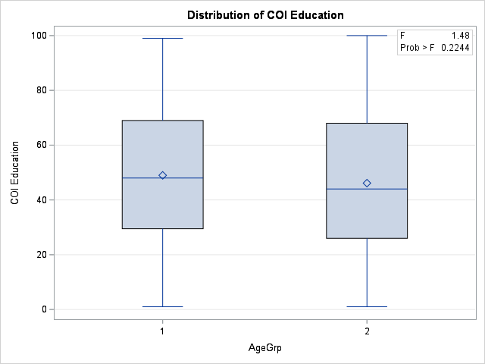
Dependent Variable: COI Education COI Education

Source | DF | Sum of Squares | Mean Square | F Value | Pr > F
Model | 1 | 992.6153 | 992.6153 | 1.48 | 0.2244
Error | 488 | 327377.5398 | 670.8556
Corrected Total | 489 | 328370.1551

R-Square | Coeff Var | Root MSE | COI Education Mean
0.003023 | 54.49773 | 25.90088 | 47.52653

Source | DF | Anova SS | Mean Square | F Value | Pr > F
AgeGrp | 1 | 992.6152687 | 992.6152687 | 1.48 | 0.2244

The ANOVA Procedure
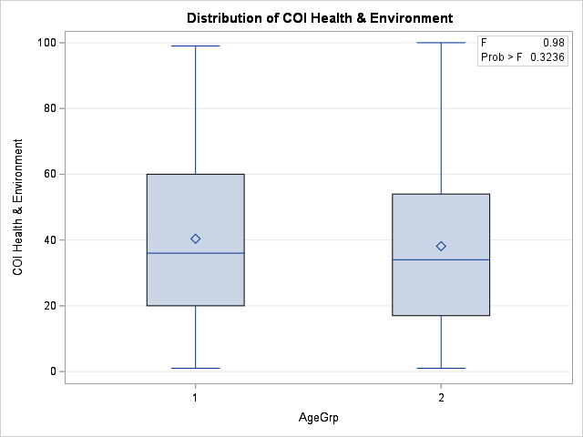
Dependent Variable: COI Health & Environment COI Health & Environment

Source | DF | Sum of Squares | Mean Square | F Value | Pr > F
Model | 1 | 622.7482 | 622.7482 | 0.98 | 0.3236
Error | 488 | 311237.6518 | 637.7821
Corrected Total | 489 | 311860.4

R-Square | Coeff Var | Root MSE | COI Health & Environment Mean
0.001997 | 64.37743 | 25.25435 | 39.22857

Source | DF | Anova SS | Mean Square | F Value | Pr > F
AgeGrp | 1 | 622.7481667 | 622.7481667 | 0.98 | 0.3236

The ANOVA Procedure

Dependent Variable: COI Social & Economic COI Social & Economic
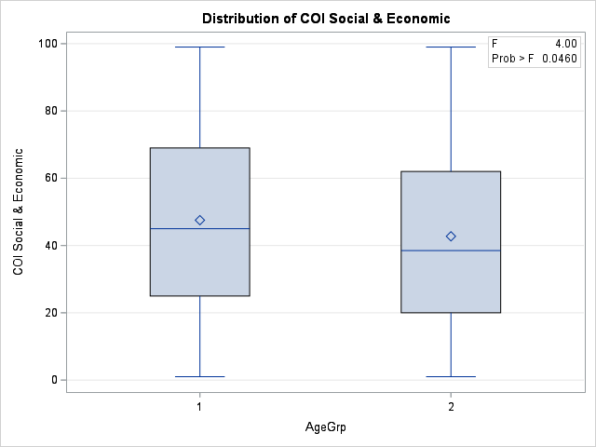
Source | DF | Sum of Squares | Mean Square | F Value | Pr > F
Model | 1 | 2813.3932 | 2813.3932 | 4 | 0.046
Error | 488 | 342971.8333 | 702.8111
Corrected Total | 489 | 345785.2265

R-Square | Coeff Var | Root MSE | COI Social & Economic Mean
0.008136 | 58.79775 | 26.51059 | 45.08776

Source | DF | Anova SS | Mean Square | F Value | Pr > F
AgeGrp | 1 | 2813.393197 | 2813.393197 | 4 | 0.046

The ANOVA Procedure

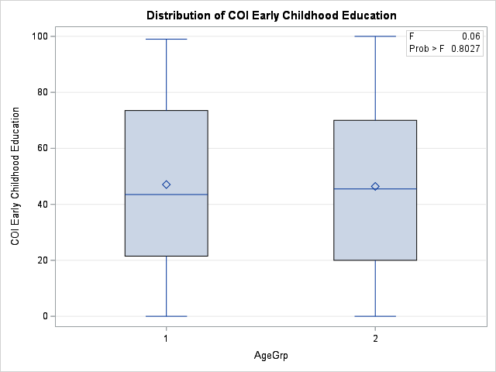
Dependent Variable: COI Early Childhood Education COI Early Childhood Education

Source | DF | Sum of Squares | Mean Square | F Value | Pr > F
Model | 1 | 52.4268 | 52.4268 | 0.06 | 0.8027
Error | 488 | 409171.3793 | 838.4659
Corrected Total | 489 | 409223.8061

R-Square | Coeff Var | Root MSE | COI Early Childhood Education Mean
0.000128 | 61.97238 | 28.95628 | 46.72449

Source | DF | Anova SS | Mean Square | F Value | Pr > F
AgeGrp | 1 | 52.42678912 | 52.42678912 | 0.06 | 0.8027

The ANOVA Procedure

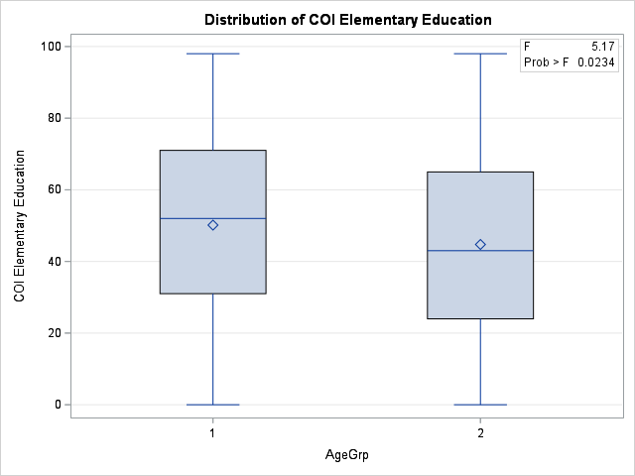
Dependent Variable: COI Elementary Education COI Elementary Education

Source | DF | Sum of Squares | Mean Square | F Value | Pr > F
Model | 1 | 3578.3307 | 3578.3307 | 5.17 | 0.0234
Error | 488 | 337659.9958 | 691.9262
Corrected Total | 489 | 341238.3265

R-Square | Coeff Var | Root MSE | COI Elementary Education Mean
0.010486 | 55.50905 | 26.30449 | 47.38776

Source | DF | Anova SS | Mean Square | F Value | Pr > F
AgeGrp | 1 | 3578.330697 | 3578.330697 | 5.17 | 0.0234

The ANOVA Procedure

Dependent Variable: COI Educational Resources COI Educational Resources
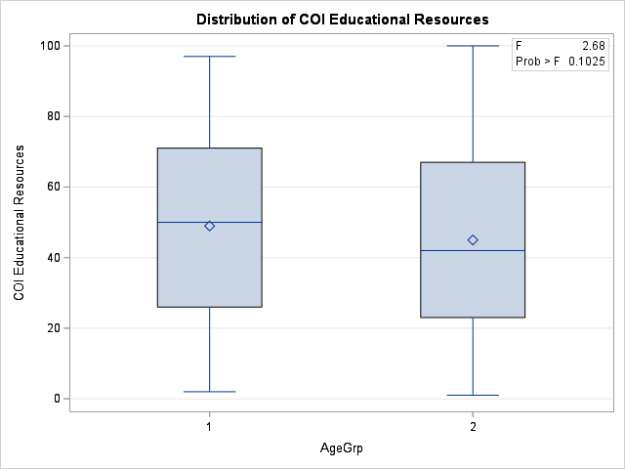
Source | DF | Sum of Squares | Mean Square | F Value | Pr > F
Model | 1 | 1930.3923 | 1930.3923 | 2.68 | 0.1025
Error | 488 | 352002.6465 | 721.3169
Corrected Total | 489 | 353933.0388

R-Square | Coeff Var | Root MSE | COI Educational Resources Mean
0.005454 | 57.22031 | 26.85734 | 46.93673

Source | DF | Anova SS | Mean Square | F Value | Pr > F
AgeGrp | 1 | 1930.392276 | 1930.392276 | 2.68 | 0.1025

The ANOVA Procedure

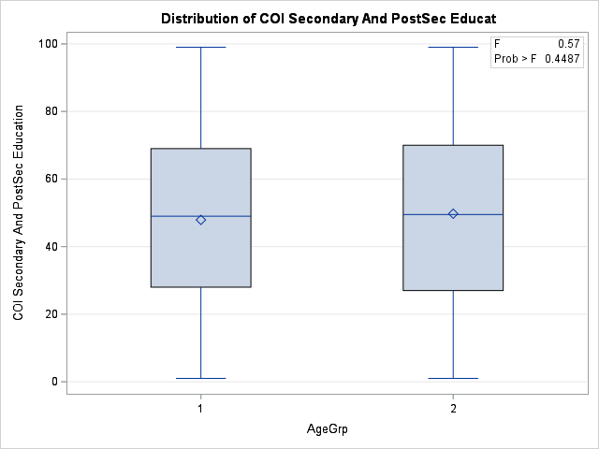
Dependent Variable: COI Secondary And PostSec Educat COI Secondary And PostSec Education

Source | DF | Sum of Squares | Mean Square | F Value | Pr > F
Model | 1 | 407.0871 | 407.0871 | 0.57 | 0.4487
Error | 488 | 345556.4333 | 708.1074
Corrected Total | 489 | 345963.5204

R-Square | Coeff Var | Root MSE | COI Secondary And PostSec Educat Mean
0.001177 | 54.47688 | 26.61029 | 48.84694

Source | DF | Anova SS | Mean Square | F Value | Pr > F
AgeGrp | 1 | 407.0870748 | 407.0870748 | 0.57 | 0.4487

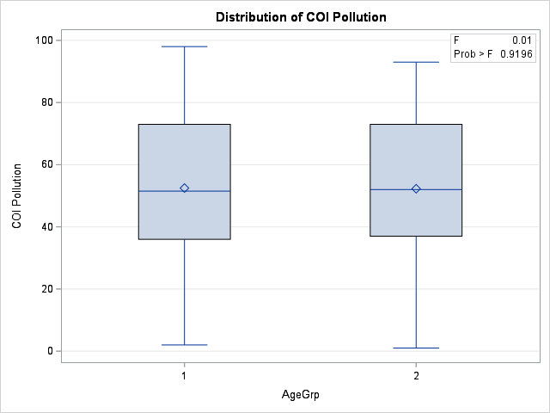
The ANOVA Procedure

Dependent Variable: COI Pollution COI Pollution

Source | DF | Sum of Squares | Mean Square | F Value | Pr > F
Model | 1 | 6.1075 | 6.1075 | 0.01 | 0.9196
Error | 488 | 292404.0333 | 599.1886
Corrected Total | 489 | 292410.1408

R-Square | Coeff Var | Root MSE | COI Pollution Mean
0.000021 | 46.74168 | 24.47833 | 52.36939

Source | DF | Anova SS | Mean Square | F Value | Pr > F
AgeGrp | 1 | 6.10748299 | 6.10748299 | 0.01 | 0.9196

The ANOVA Procedure

Dependent Variable: COI Health Resources COI Health Resources

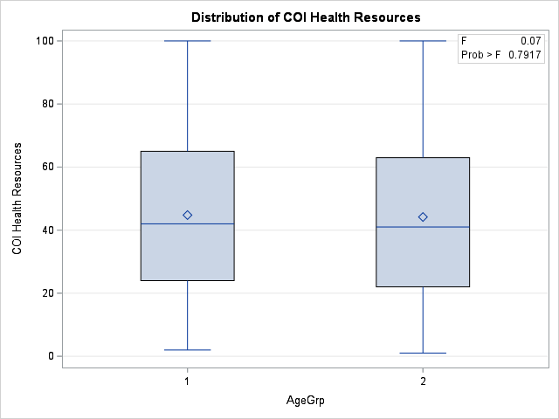
Source | DF | Sum of Squares | Mean Square | F Value | Pr > F
Model | 1 | 45.7377 | 45.7377 | 0.07 | 0.7917
Error | 488 | 319680.2398 | 655.0825
Corrected Total | 489 | 319725.9776

R-Square | Coeff Var | Root MSE | COI Health Resources Mean
0.000143 | 57.55814 | 25.59458 | 44.46735

Source | DF | Anova SS | Mean Square | F Value | Pr > F
AgeGrp | 1 | 45.73771769 | 45.73771769 | 0.07 | 0.7917

The ANOVA Procedure

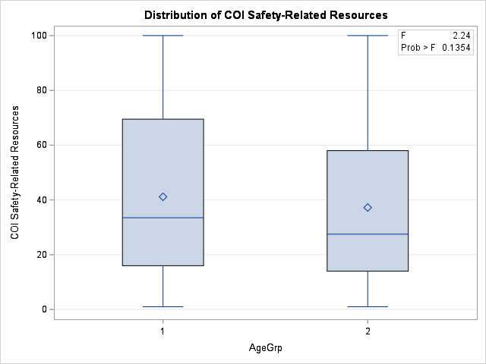
Dependent Variable: COI Safety-Related Resources COI Safety-Related Resources

Source | DF | Sum of Squares | Mean Square | F Value | Pr > F
Model | 1 | 1879.3607 | 1879.3607 | 2.24 | 0.1354
Error | 488 | 410000.6393 | 840.1652
Corrected Total | 489 | 411880

R-Square | Coeff Var | Root MSE | COI Safety-Related Resources Mean
0.004563 | 74.05081 | 28.9856 | 39.14286

Source | DF | Anova SS | Mean Square | F Value | Pr > F
AgeGrp | 1 | 1879.360667 | 1879.360667 | 2.24 | 0.1354

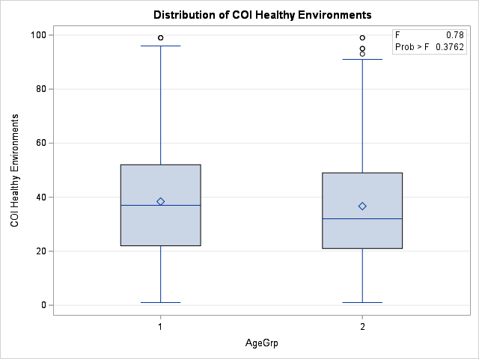
The ANOVA Procedure

Dependent Variable: COI Healthy Environments COI Healthy Environments

Source | DF | Sum of Squares | Mean Square | F Value | Pr > F
Model | 1 | 358.7514 | 358.7514 | 0.78 | 0.3762
Error | 488 | 223153.5833 | 457.2819
Corrected Total | 489 | 223512.3347

R-Square | Coeff Var | Root MSE | COI Healthy Environments Mean
0.001605 | 56.99649 | 21.38415 | 37.51837

Source | DF | Anova SS | Mean Square | F Value | Pr > F
AgeGrp | 1 | 358.7513605 | 358.7513605 | 0.78 | 0.3762

The ANOVA Procedure

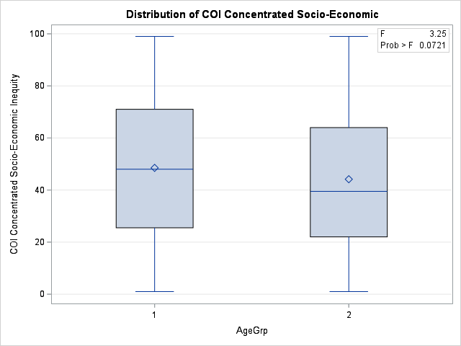
Dependent Variable: COI Concentrated Socio-Economic COI Concentrated Socio-Economic Inequity

Source | DF | Sum of Squares | Mean Square | F Value | Pr > F
Model | 1 | 2319.5272 | 2319.5272 | 3.25 | 0.0721
Error | 488 | 348432.8993 | 714.0018
Corrected Total | 489 | 350752.4265

R-Square | Coeff Var | Root MSE | COI Concentrated Socio-Economic Mean
0.006613 | 57.72761 | 26.72081 | 46.28776

Source | DF | Anova SS | Mean Square | F Value | Pr > F
AgeGrp | 1 | 2319.527197 | 2319.527197 | 3.25 | 0.0721

The ANOVA Procedure

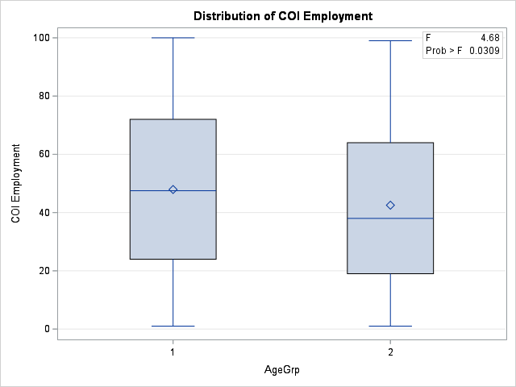
Dependent Variable: COI Employment COI Employment

Source | DF | Sum of Squares | Mean Square | F Value | Pr > F
Model | 1 | 3555.6402 | 3555.6402 | 4.68 | 0.0309
Error | 488 | 370496.6373 | 759.2144
Corrected Total | 489 | 374052.2776

R-Square | Coeff Var | Root MSE | COI Employment Mean
0.009506 | 61.00391 | 27.55385 | 45.16735

Source | DF | Anova SS | Mean Square | F Value | Pr > F
AgeGrp | 1 | 3555.640218 | 3555.640218 | 4.68 | 0.0309

The ANOVA Procedure
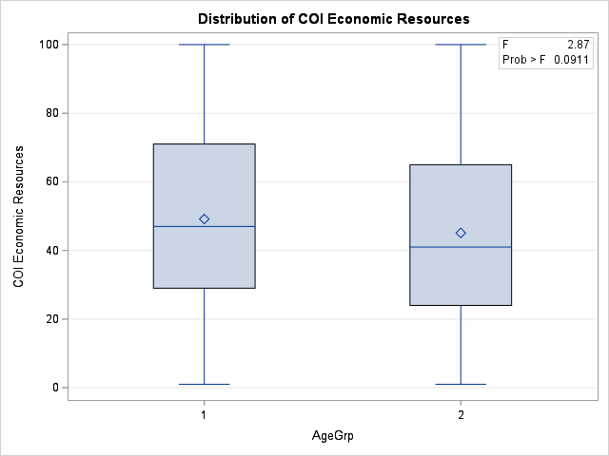
Dependent Variable: COI Economic Resources COI Economic Resources

Source | DF | Sum of Squares | Mean Square | F Value | Pr > F
Model | 1 | 2004.6691 | 2004.6691 | 2.87 | 0.0911
Error | 488 | 341329.3798 | 699.4455
Corrected Total | 489 | 343334.049

R-Square | Coeff Var | Root MSE | COI Economic Resources Mean
0.005839 | 56.16298 | 26.44703 | 47.0898

Source | DF | Anova SS | Mean Square | F Value | Pr > F
AgeGrp | 1 | 2004.669146 | 2004.669146 | 2.87 | 0.0911

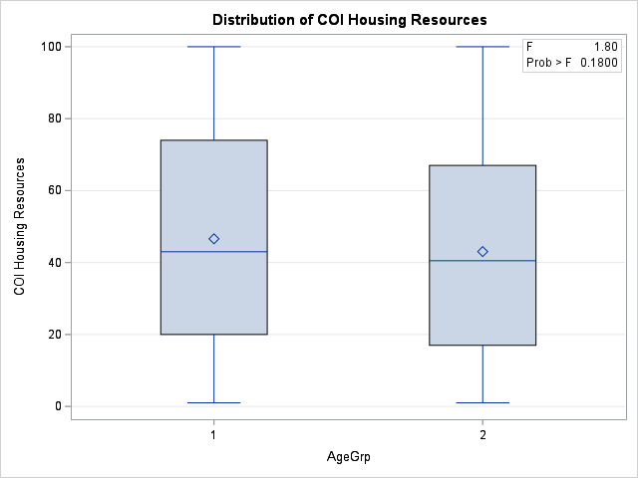
The ANOVA Procedure

Dependent Variable: COI Housing Resources COI Housing Resources

Source | DF | Sum of Squares | Mean Square | F Value | Pr > F
Model | 1 | 1541.2802 | 1541.2802 | 1.8 | 0.18
Error | 488 | 417165.2198 | 854.8468
Corrected Total | 489 | 418706.5

R-Square | Coeff Var | Root MSE | COI Housing Resources Mean
0.003681 | 65.28368 | 29.23776 | 44.78571

Source | DF | Anova SS | Mean Square | F Value | Pr > F
AgeGrp | 1 | 1541.280167 | 1541.280167 | 1.8 | 0.18

The ANOVA Procedure

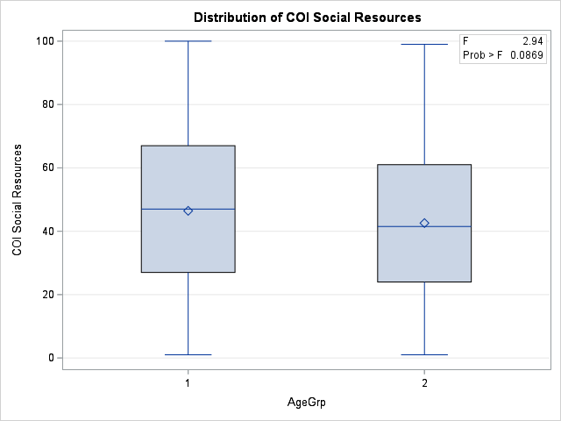
Dependent Variable: COI Social Resources COI Social Resources

Source | DF | Sum of Squares | Mean Square | F Value | Pr > F
Model | 1 | 1829.8015 | 1829.8015 | 2.94 | 0.0869
Error | 488 | 303510.2393 | 621.9472
Corrected Total | 489 | 305340.0408

R-Square | Coeff Var | Root MSE | COI Social Resources Mean
0.005993 | 56.08098 | 24.93887 | 44.46939

Source | DF | Anova SS | Mean Square | F Value | Pr > F
AgeGrp | 1 | 1829.801483 | 1829.801483 | 2.94 | 0.0869

The ANOVA Procedure

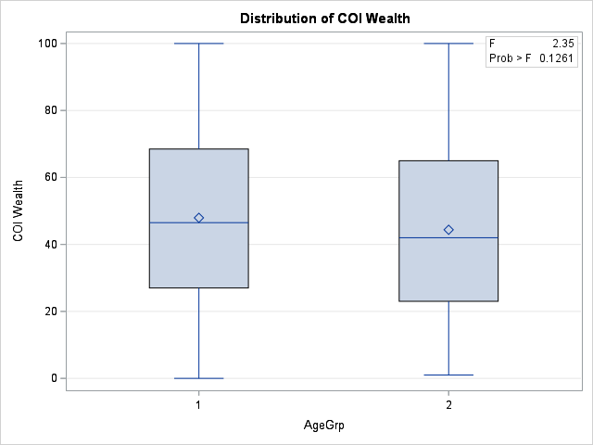
Dependent Variable: COI Wealth COI Wealth

Source | DF | Sum of Squares | Mean Square | F Value | Pr > F
Model | 1 | 1560.4543 | 1560.4543 | 2.35 | 0.1261
Error | 488 | 324296.9518 | 664.5429
Corrected Total | 489 | 325857.4061

R-Square | Coeff Var | Root MSE | COI Wealth Mean
0.004789 | 55.88946 | 25.77873 | 46.12449

Source | DF | Anova SS | Mean Square | F Value | Pr > F
AgeGrp | 1 | 1560.454289 | 1560.454289 | 2.35 | 0.1261

The ANOVA Procedure

Dependent Variable: 2025 HH Owns Any Pet: Percent 2025 HH Owns Any Pet: Percent
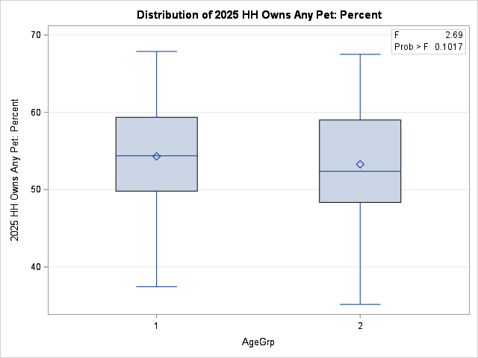
Source | DF | Sum of Squares | Mean Square | F Value | Pr > F
Model | 1 | 128.72955 | 128.72955 | 2.69 | 0.1017
Error | 488 | 23363.19061 | 47.87539
Corrected Total | 489 | 23491.92016

R-Square | Coeff Var | Root MSE | 2025 HH Owns Any Pet: Percent Mean
0.00548 | 12.86719 | 6.919204 | 53.774

Source | DF | Anova SS | Mean Square | F Value | Pr > F
AgeGrp | 1 | 128.7295537 | 128.7295537 | 2.69 | 0.1017

The ANOVA Procedure
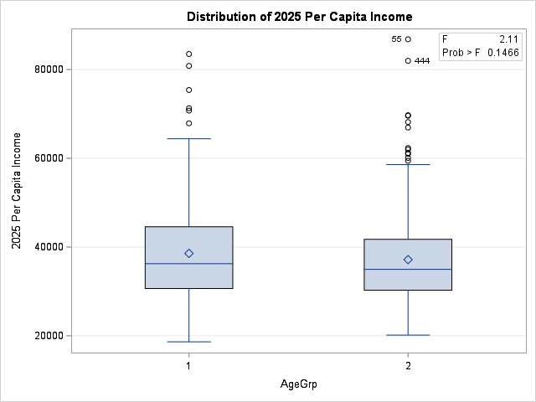
Dependent Variable: 2025 Per Capita Income 2025 Per Capita Income

Source | DF | Sum of Squares | Mean Square | F Value | Pr > F
Model | 1 | 240464053 | 240464053 | 2.11 | 0.1466
Error | 488 | 55507720214 | 113745328
Corrected Total | 489 | 55748184267

R-Square | Coeff Var | Root MSE | 2025 Per Capita Income Mean
0.004313 | 28.17424 | 10665.15 | 37854.24

Source | DF | Anova SS | Mean Square | F Value | Pr > F
AgeGrp | 1 | 240464052.7 | 240464052.7 | 2.11 | 0.1466

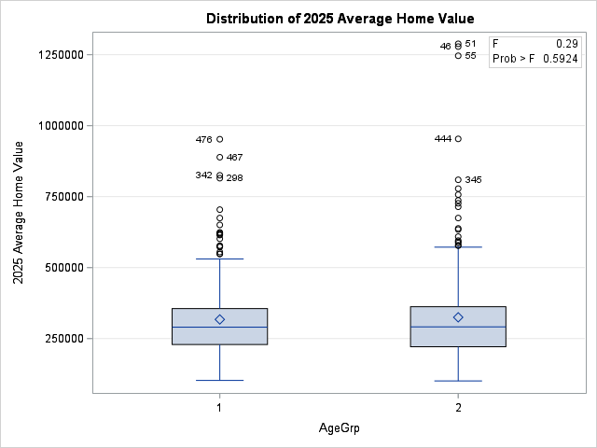
The ANOVA Procedure

Dependent Variable: 2025 Average Home Value 2025 Average Home Value

Source | DF | Sum of Squares | Mean Square | F Value | Pr > F
Model | 1 | 6863189595.7 | 6863189595.7 | 0.29 | 0.5924
Error | 488 | 1.17E+13 | 23919591845
Corrected Total | 489 | 1.17E+13

R-Square | Coeff Var | Root MSE | 2025 Average Home Value Mean
0.000588 | 48.15457 | 154659.6 | 321173.3

Source | DF | Anova SS | Mean Square | F Value | Pr > F
AgeGrp | 1 | 6863189596 | 6863189596 | 0.29 | 0.5924

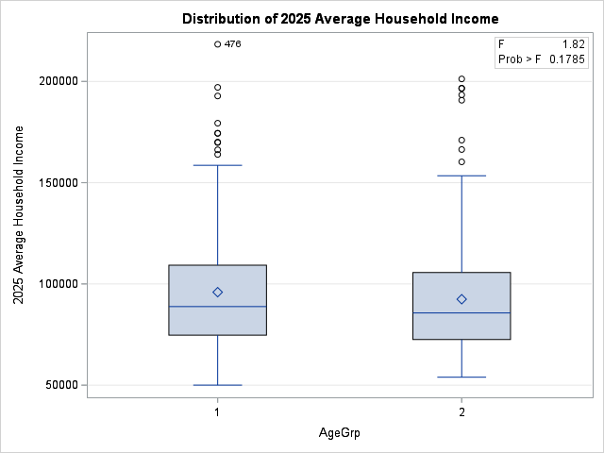
The ANOVA Procedure

Dependent Variable: 2025 Average Household Income 2025 Average Household Income

Source | DF | Sum of Squares | Mean Square | F Value | Pr > F
Model | 1 | 1479339352.2 | 1479339352.2 | 1.82 | 0.1785
Error | 488 | 397669044981 | 814895583.98
Corrected Total | 489 | 399148384334

R-Square | Coeff Var | Root MSE | 2025 Average Household Income Mean
0.003706 | 30.31925 | 28546.38 | 94152.63

Source | DF | Anova SS | Mean Square | F Value | Pr > F
AgeGrp | 1 | 1479339352 | 1479339352 | 1.82 | 0.1785

The ANOVA Procedure

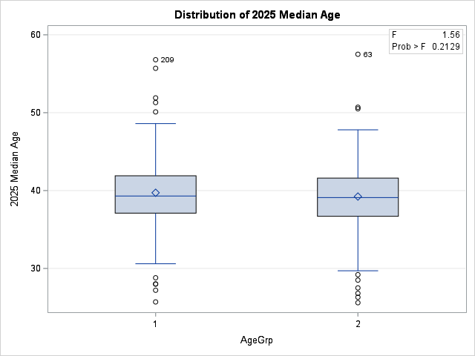
Dependent Variable: 2025 Median Age 2025 Median Age

Source | DF | Sum of Squares | Mean Square | F Value | Pr > F
Model | 1 | 29.055018 | 29.055018 | 1.56 | 0.2129
Error | 488 | 9113.725798 | 18.675668
Corrected Total | 489 | 9142.780816

R-Square | Coeff Var | Root MSE | 2025 Median Age Mean
0.003178 | 10.94908 | 4.321535 | 39.46939

Source | DF | Anova SS | Mean Square | F Value | Pr > F
AgeGrp | 1 | 29.05501799 | 29.05501799 | 1.56 | 0.2129

The ANOVA Procedure

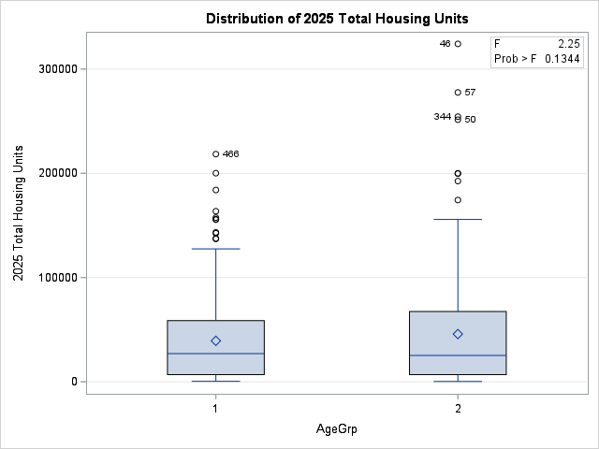
Dependent Variable: 2025 Total Housing Units 2025 Total Housing Units

Source | DF | Sum of Squares | Mean Square | F Value | Pr > F
Model | 1 | 5121642026.2 | 5121642026.2 | 2.25 | 0.1344
Error | 488 | 1.11E+12 | 2277697478.7
Corrected Total | 489 | 1.12E+12

R-Square | Coeff Var | Root MSE | 2025 Total Housing Units Mean
0.004587 | 112.0145 | 47725.23 | 42606.28

Source | DF | Anova SS | Mean Square | F Value | Pr > F
AgeGrp | 1 | 5121642026 | 5121642026 | 2.25 | 0.1344

The ANOVA Procedure

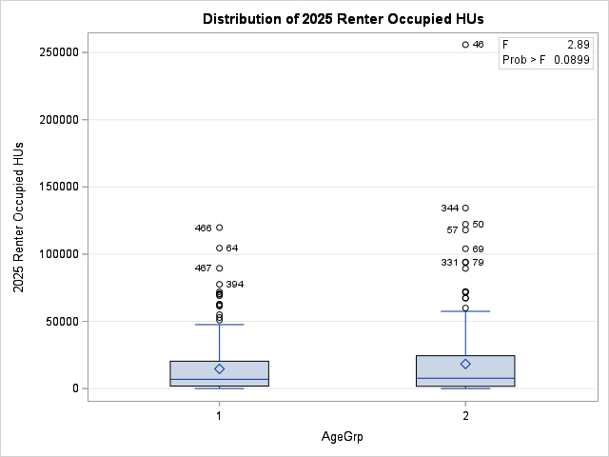
Dependent Variable: 2025 Renter Occupied HUs 2025 Renter Occupied HUs

Source | DF | Sum of Squares | Mean Square | F Value | Pr > F
Model | 1 | 1652024400.4 | 1652024400.4 | 2.89 | 0.0899
Error | 488 | 279163220729 | 572055780.18
Corrected Total | 489 | 280815245129

R-Square | Coeff Var | Root MSE | 2025 Renter Occupied HUs Mean
0.005883 | 144.8594 | 23917.69 | 16510.97

Source | DF | Anova SS | Mean Square | F Value | Pr > F
AgeGrp | 1 | 1652024400 | 1652024400 | 2.89 | 0.0899

The ANOVA Procedure

Dependent Variable: 2025 Renter Occupied HUs: Percen 2025 Renter Occupied HUs: Percent
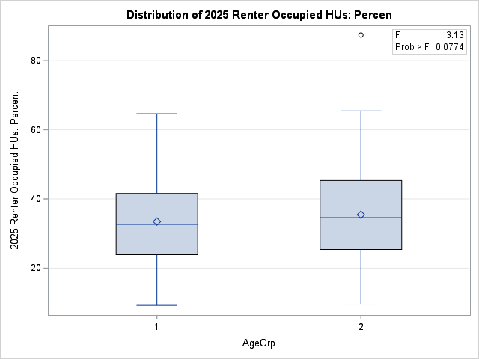
Source | DF | Sum of Squares | Mean Square | F Value | Pr > F
Model | 1 | 470.75847 | 470.75847 | 3.13 | 0.0774
Error | 488 | 73375.15369 | 150.35892
Corrected Total | 489 | 73845.91216

R-Square | Coeff Var | Root MSE | 2025 Renter Occupied HUs: Percen Mean
0.006375 | 35.58178 | 12.26209 | 34.46171

Source | DF | Anova SS | Mean Square | F Value | Pr > F
AgeGrp | 1 | 470.7584683 | 470.7584683 | 3.13 | 0.0774

The FREQ Procedure

Frequency | Table of AgeGrp by TAPESTRY_FINAL_CODE
Expected | AgeGrp(AgeGrp) | TAPESTRY_FINAL_CODE(TAPESTRY_FINAL_CODE)
Percent |  | 1 | 2 | 3 | Total
Row Pct | 1 | 35 | 72 | 133 | 240
Col Pct |  | 41.633 | 74.939 | 123.43
 |  | 7.14 | 14.69 | 27.14 | 48.98
 |  | 14.58 | 30 | 55.42
 |  | 41.18 | 47.06 | 52.78
 | 2 | 50 | 81 | 119 | 250
 |  | 43.367 | 78.061 | 128.57
 |  | 10.2 | 16.53 | 24.29 | 51.02
 |  | 20 | 32.4 | 47.6
 |  | 58.82 | 52.94 | 47.22
 | Total | 85 | 153 | 252 | 490
 |  | 17.35 | 31.22 | 51.43 | 100

Statistics for Table of AgeGrp by TAPESTRY_FINAL_CODE

Statistic | DF | Value | Prob
Chi-Square | 2 | 3.7517 | 0.1532
Likelihood Ratio Chi-Square | 2 | 3.7648 | 0.1522
Mantel-Haenszel Chi-Square | 1 | 3.7438 | 0.053
Phi Coefficient |  | 0.0875
Contingency Coefficient |  | 0.0872
Cramer's V |  | 0.0875

Sample Size = 490

