HITS
 |  |  | K=1 | K=1 | Normalize | Normalize | K=2 | K=2
Nodes | A | H | A | H | A | H | A | H
A | 1 | 1 | 3 | 1 | 0.2 | 0.066666666667 | 0.26666666667 | 0.13333333333
B | 1 | 1 | 2 | 2 | 0.13333333333 | 0.13333333333
C | 1 | 1 | 5 | 1 | 0.33333333333 | 0.066666666667
D | 1 | 1 | 2 | 2 | 0.13333333333 | 0.13333333333
E | 1 | 1 | 1 | 4 | 0.066666666667 | 0.26666666667
F | 1 | 1 | 1 | 2 | 0.066666666667 | 0.13333333333
G | 1 | 1 | 0 | 2 | 0 | 0.13333333333
H | 1 | 1 | 1 | 1 | 0.066666666667 | 0.066666666667
 |  | ∑i∈Nauth(i) | 15 | 15

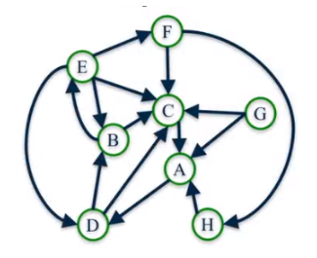

 |  |  |  |  |  | A | # OF NODES COMING IN
 |  |  |  |  |  | H | # OF NODES OUT

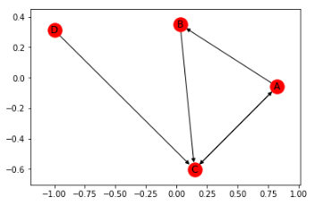

HITS |  |  |  |  |  |  | in
 |  |  | k=1 |  | normalize |  | k=2 |  | normalize
 | A | H | A | H | A | H | A | H | A | H
A | 1 | 1 | 1 | 2 | 0.2 | 0.4 | 0.2 | 0.8 | 0.14285714286 | 0.36363636364
B | 1 | 1 | 1 | 1 | 0.2 | 0.2 | 0.4 | 0.6 | 0.28571428571 | 0.27272727273
C | 1 | 1 | 3 | 1 | 0.6 | 0.2 | 0.8 | 0.2 | 0.57142857143 | 0.090909090909
D | 1 | 1 | 0 | 1 | 0 | 0.2 | 0 | 0.6 | 0 | 0.27272727273

 |  |  | 5 | 5 |  |  | 1.4 | 2.2

PageRank |  |  |  |  | PageRank
 | k=1 | k=2 | k=3 |  |  | k=1 | k=2 | k=3 | k=4 | k=5 | k=6 |  | .
A | 1/4 | 1/4 | 1/4+1/4+(1/4)*0.5 |  | A | 0.25 | 0.25 | 0.63 | 0.25 | 0.44 | 0.44 | 0.34
B | 1/4 | 1/4 | 1/4 |  | B | 0.25 | 0.13 | 0.13 | 0.31 | 0.13 | 0.22 | 0.22
C | 1/4 | 1/4+1/4+(1/4)*0.5 | 1/4+1/4 |  | C | 0.25 | 0.63 | 0.25 | 0.44 | 0.44 | 0.34 | 0.44
D | 1/4 | 0 | 0 |  | D | 0.25 | 0 | 0.00 | 0.00 | 0.00 | 0.00 | 0.00
 |  |  |  |  |  | 1.00 | 1.00 | 1.00 | 1.00 | 1.00 | 1.00 | 1.00

Sheet3
