stroopdata
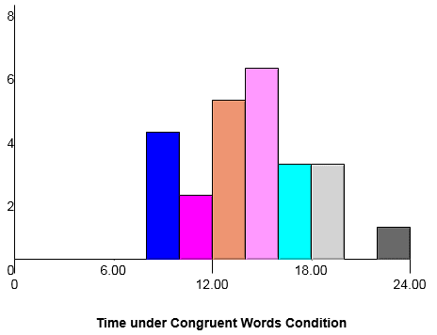
Paticipant | Congruent | Incongruent | Difference |  | Congruent | Incongruent | Difference
1 | 12.079 | 19.278 | 7.199 | Mean Time (s) | 14.051 | 22.016 | 7.965
2 | 16.791 | 18.741 | 1.95 | Median Time (s) | 14.357 | 21.018 | 7.666 | 1.6372199491 |  | 2.0545762454 | 5.910
3 | 9.564 | 21.214 | 11.65 | Standard Deviation | 3.559 | 4.797 | 4.865 | 0.99302863478 | 8.0207069441 |  | 10.019
4 | 8.63 | 15.687 | 7.057
5 | 14.669 | 22.803 | 8.134
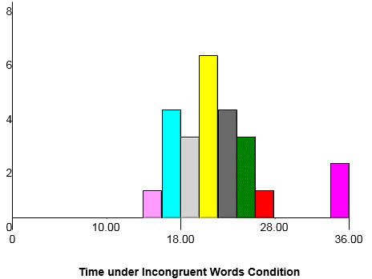
6 | 12.238 | 20.878 | 8.64
7 | 14.692 | 24.572 | 9.88
8 | 8.987 | 17.394 | 8.407
9 | 9.401 | 20.762 | 11.361
10 | 14.48 | 26.282 | 11.802
11 | 22.328 | 24.524 | 2.196
12 | 15.298 | 18.644 | 3.346
13 | 15.073 | 17.51 | 2.437
14 | 16.929 | 20.33 | 3.401
15 | 18.2 | 35.255 | 17.055
16 | 12.13 | 22.158 | 10.028
17 | 18.495 | 25.139 | 6.644
18 | 10.639 | 20.429 | 9.79
19 | 11.344 | 17.425 | 6.081
20 | 12.369 | 34.288 | 21.919
21 | 12.944 | 23.894 | 10.95
22 | 14.233 | 17.96 | 3.727
23 | 19.71 | 22.058 | 2.348
24 | 16.004 | 21.157 | 5.153

