Defect Report - Template
Title | Password change: User is allowed to change to the same password and is not notified when the same password is used.

Description / Overview | When a user inputs the new password as the same password as the current one, it proceeds normally without any error message and allows the change.

Reproduction Steps | 1- Sign in
 | 1- Open the personal information page http://automationpractice.com/index.php?controller=identity
 | 3- Input the same password as the current one
 | 4- Input the same password again as confirmation
 | 5- Click Save button
Expected Behavior | The Page notifies the user that the passwords cannot be the same.
Actual Behavior | The Page notifies the user that this information has been succesfully changed
 | 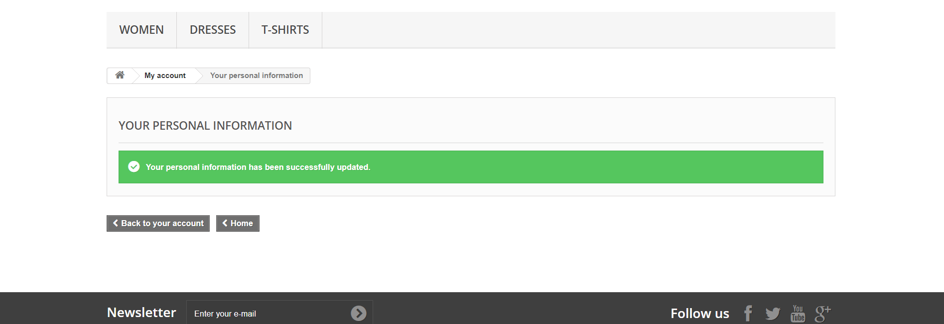
Incidence / Severity / Probability of reproduction | Normal severity - The Password change is redundant as changes to the same one as before
 | 100% reproduction rate

Story and Acceptance Criteria affected | Affected User Story: PE-53

Browsers tested | Google Chrome Version 107.0.5304.88 (Official Build) (64-Bit)

Environment | QA environment, http://automationpractice.com/index.php

Notes | - The Page probably does not verify that both fields are the same, or it does so but does not return any kind of warning and just proceeds anyway. - Test Case TC-03, ID: TS-3B covers this scenario

