Diagram Logical
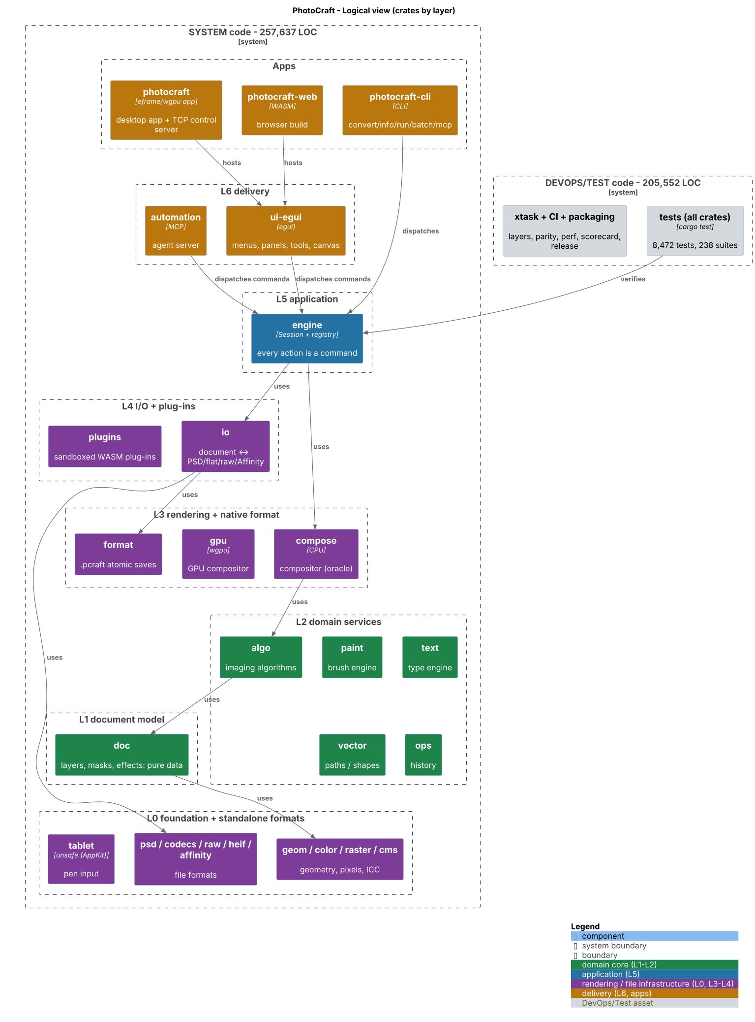
Logical view
Source: codebase-audit-report/images/01-logical.png

Diagram Runtime
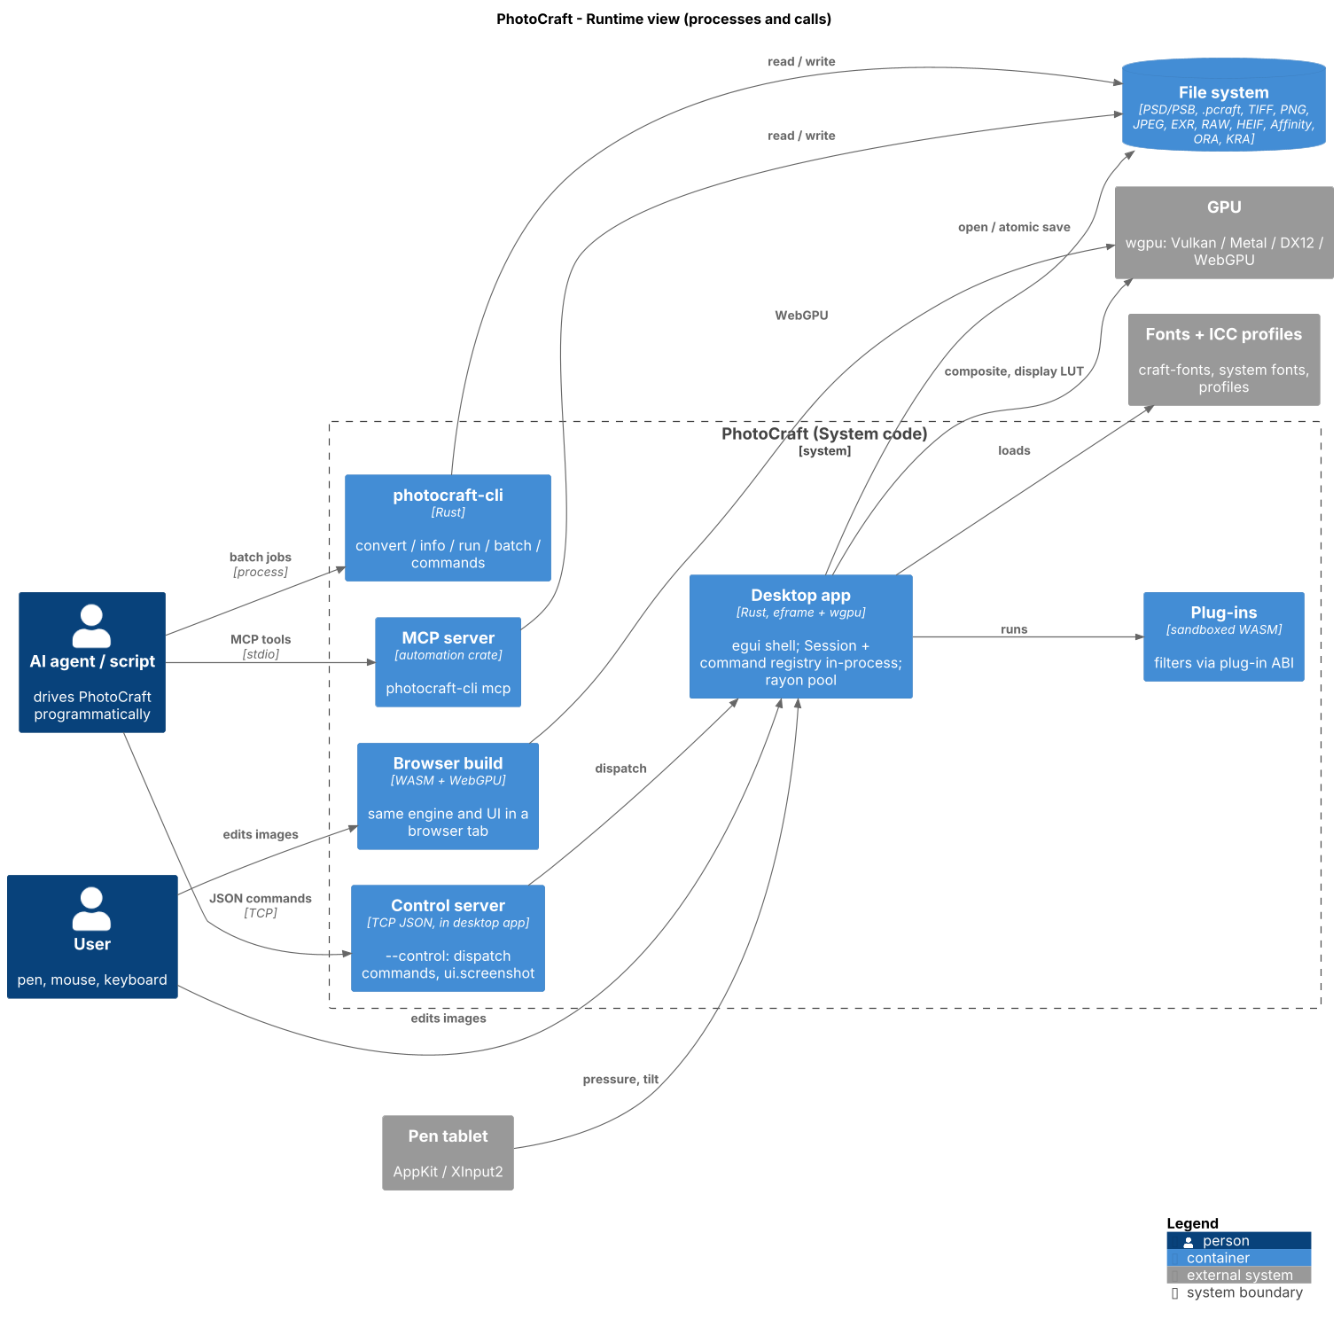
Runtime view
Source: codebase-audit-report/images/02-runtime.png

Diagram Dependencies
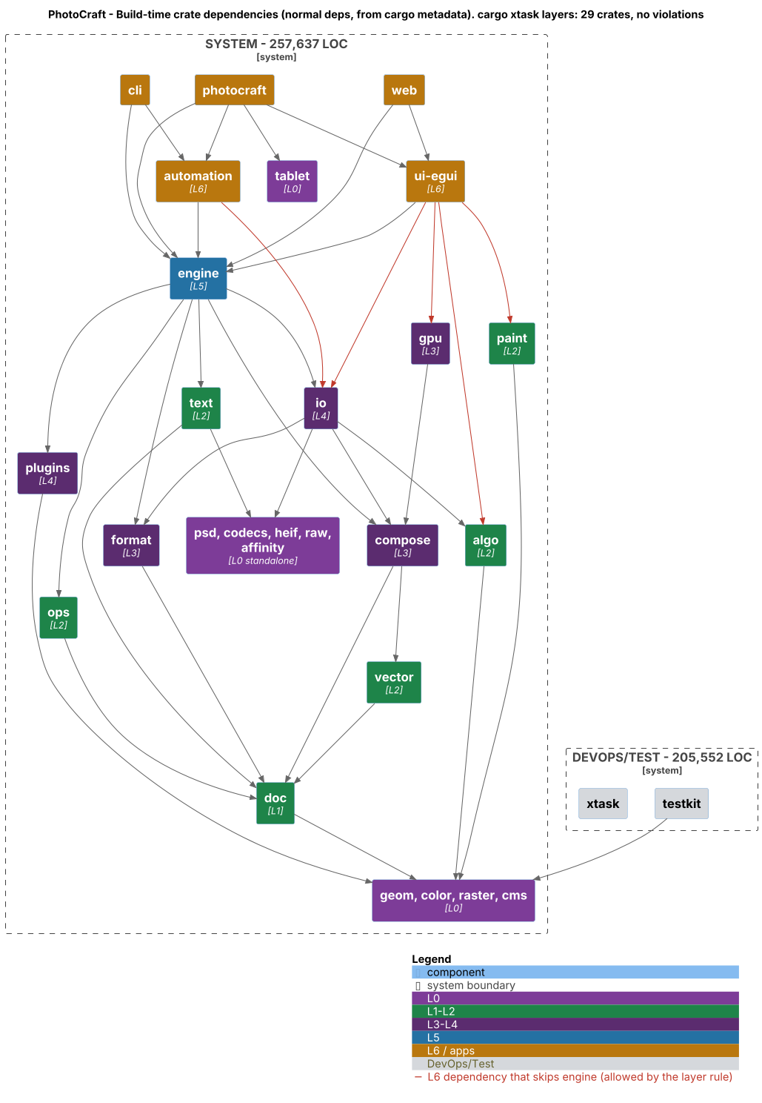
Dependencies view
Source: codebase-audit-report/images/03-dependencies.png

Diagram Testing
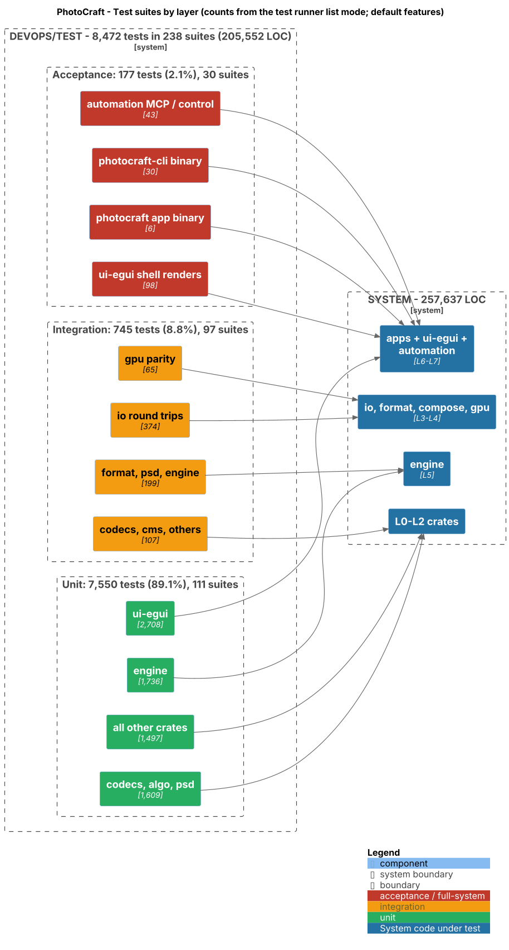
Testing view
Source: codebase-audit-report/images/04-testing.png

Diagram Deploy
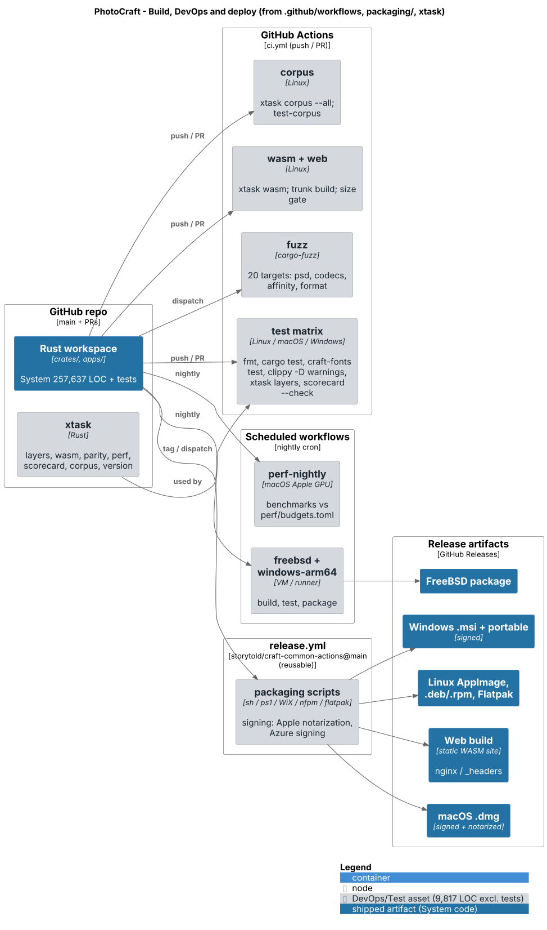
Deploy view
Source: codebase-audit-report/images/05-deploy.png

Diagram Logical Annotated
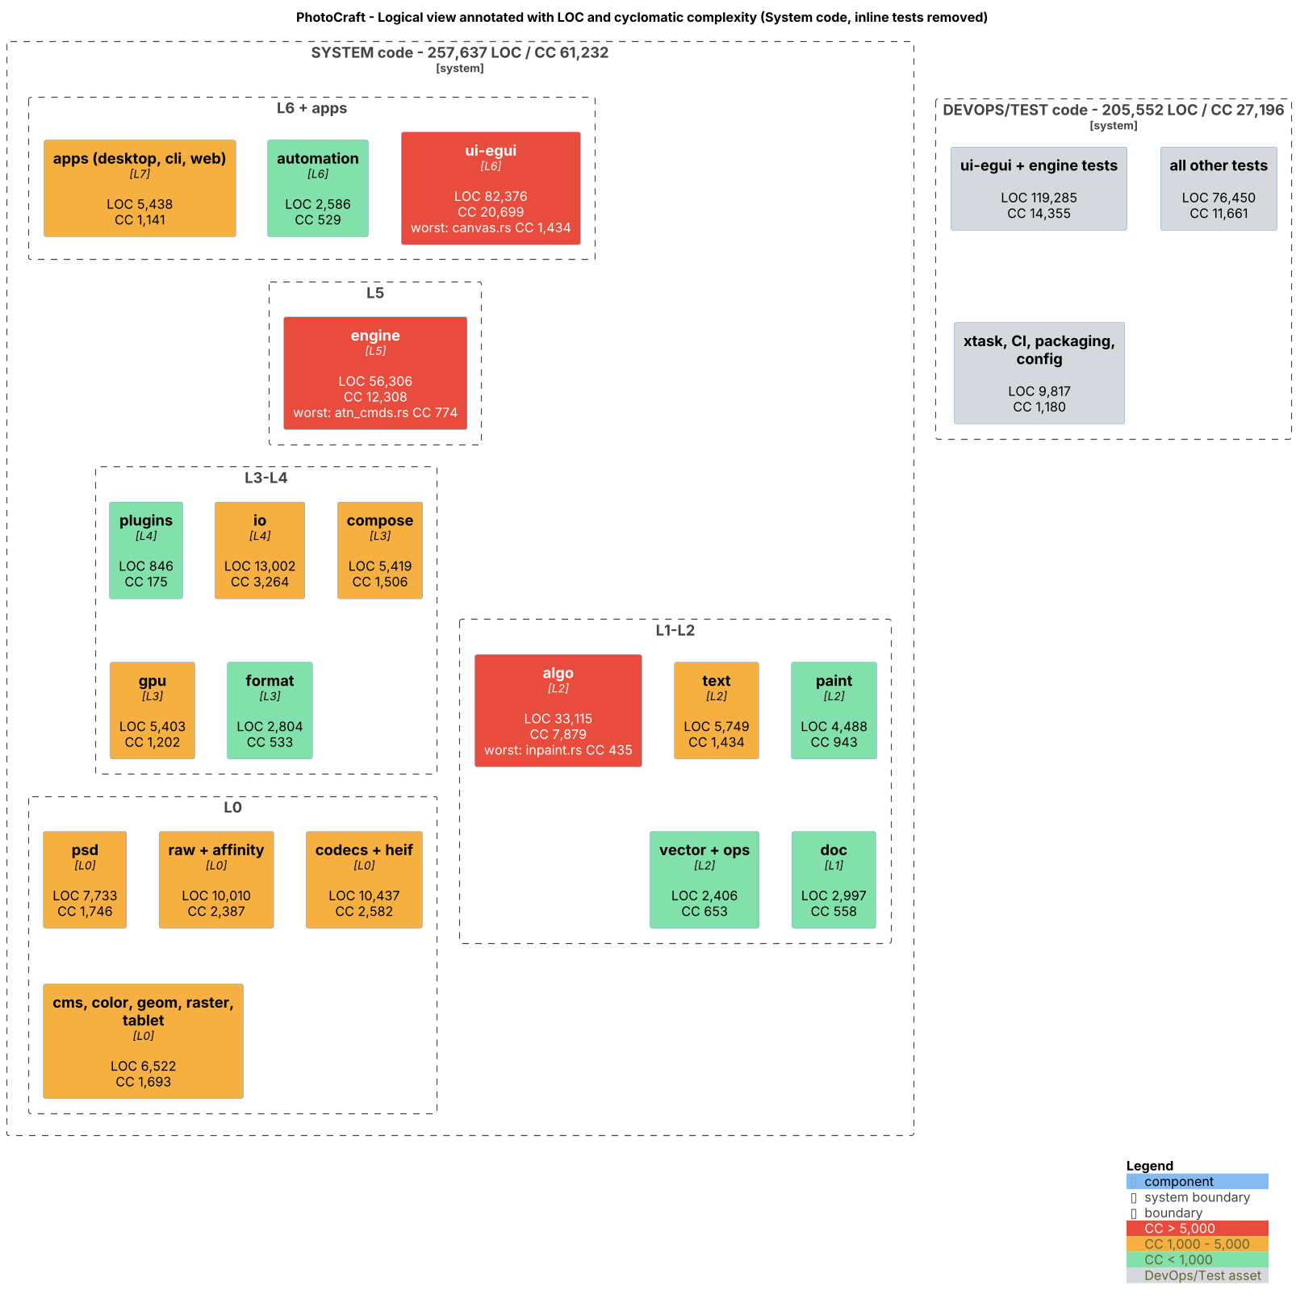
Logical Annotated view
Source: codebase-audit-report/images/01-logical-annotated.png

