b_CINE
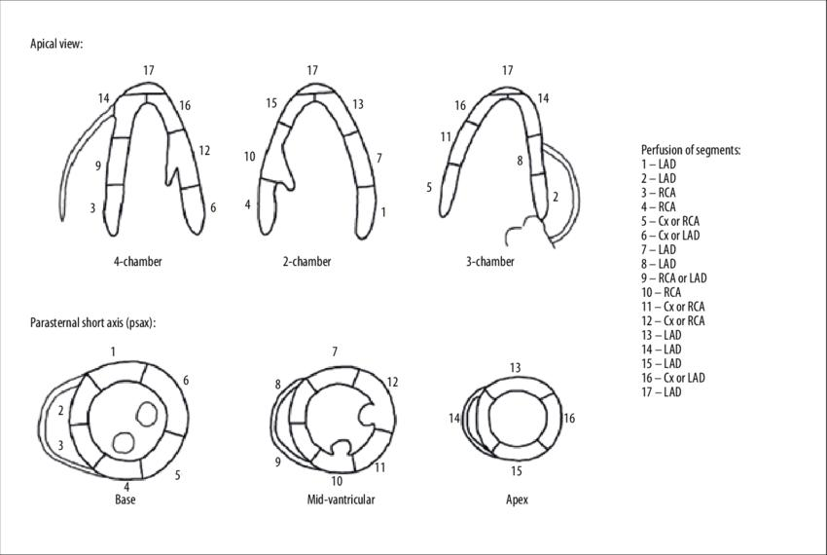
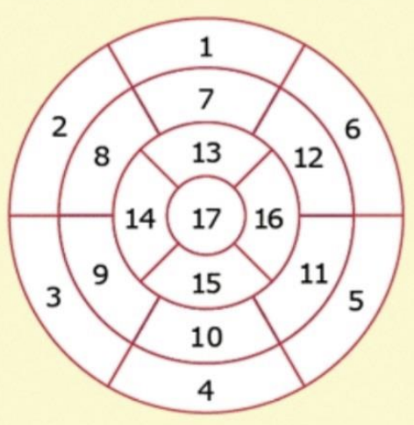
Patient ID | Available cine series |  |  |  | Artefacts |  |  | LEFT VENTRICLE |  |  |  |  |  |  |  |  |  |  |  |  |  |  |  |  |  |  |  |  |  |  |  |  |  |  | RIGHT VENTRICLE |  |  |  |  |  |  | LEFT ATRIUM |  |  | RIGHT ATRIUM |  |  | PERICARDIUM
 |  |  |  |  |  |  |  | Wall motion abnormalities |  |  |  |  |  |  |  |  |  |  |  |  |  |  |  |  |  |  |  | LV systolic function |  |  | LV volumes |  | LV mass |  | Wallmotion abnormalities | RV systolic function |  |  |  | RV volumes |  |  |  |  | 4C
 | Short axis | 4C | 2C | 3C | Grade | Type | 17 segments analysable | Wall motion abnormalities | 1 | 2 | 3 | 4 | 5 | 6 | 7 | 8 | 9 | 10 | 11 | 12 | 13 | 14 | 15 | 16 | 17 | Global | Asynchronism | Visual LVEF (%) | Measurable | LVEF (%) | LV EDV (mL) | LV ESV (mL) | LV mass (g) | ED max thickness (mm) | Wall motion abnormalities | Visual RV systolic dysfunction | TAPSE | Measurable | RVEF (%) | RV EDV (mL) | RV ESV (mL) | Measurable | Biplanar smallest volume (mL) | Biplanar largest volume (mL) | Measurable | 4C Smallest surface (cm²) | 4C Largest surface (cm²) | Pericardial effusion | Maximum thickness of effusion

