fig5-data
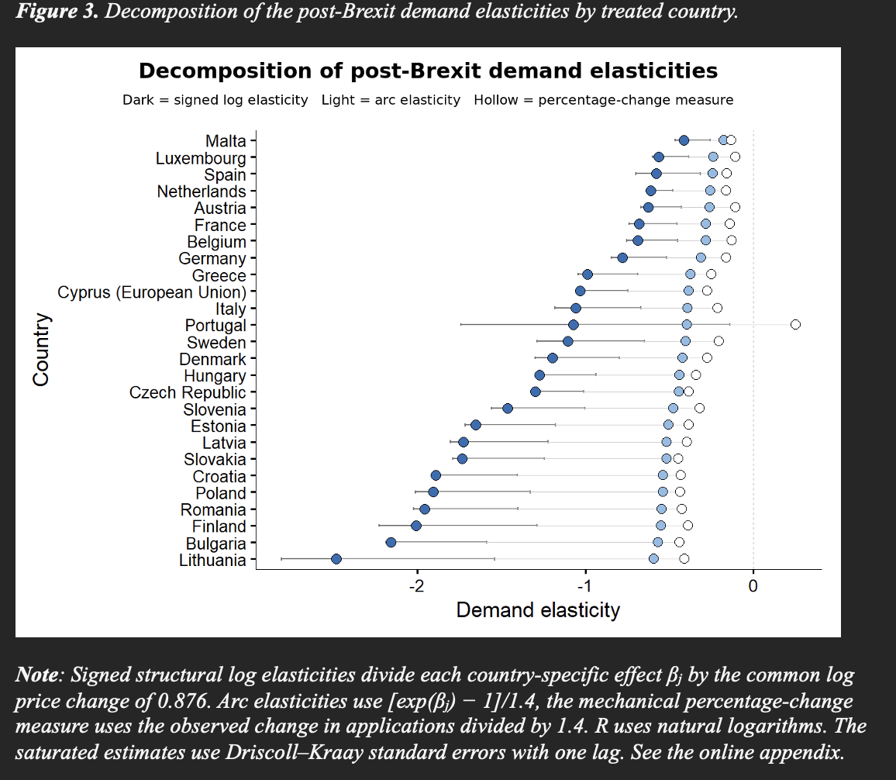
 |  |  |  |  | Estimate | Std. Error | t value | Pr(>|t|)
 |  |  |  |  |  |  |  |  |  | signed log | exp elasticity | basic fee change | Country | signed_log | ARC change | Mechanical
 |  |  | Austria | Post | -0.548528 | 0.05292 | -10.36527 | 2.65E-06 | *** | -0.62655352499 | -0.30157163866 | -0.18831168831 | Austria | -0.62655352499 | -0.26157163866 | -0.10831168831
 |  |  | Belgium | Post | -0.602651 | 0.066206 | -9.10262 | 7.78E-06 | *** | -0.68837526687 | -0.32331524056 | -0.20905923345 | Belgium | -0.68837526687 | -0.28331524056 | -0.12905923345
 |  |  | Bulgaria | Post | -1.88714 | 0.130918 | -14.41463 | 1.59E-07 | *** | -2.1555767785 | -0.60606821953 | -0.52048726467 | Bulgaria | -2.1555767785 | -0.56606821953 | -0.44048726467
 |  |  | Croatia | Post | -1.654739 | 0.108818 | -15.20651 | 1.00E-07 | *** | -1.8901178306 | -0.57775575911 | -0.51307847082 | Croatia | -1.8901178306 | -0.53775575911 | -0.43307847082
 |  |  | Cyprus (European Union) | Post | -0.902157 | 0.067376 | -13.3899 | 3.01E-07 | *** | -1.030484585 | -0.42450454706 | -0.35512510089 | Cyprus (European Union) | -1.030484585 | -0.38450454706 | -0.27512510089
 |  |  | Czech Republic | Post | -1.137196 | 0.055649 | -20.43513 | 7.51E-09 | *** | -1.298956776 | -0.48520210514 | -0.46536796537 | Czech Republic | -1.298956776 | -0.44520210514 | -0.38536796537
 |  |  | Denmark | Post | -1.046497 | 0.109425 | -9.56363 | 5.18E-06 | *** | -1.1953562703 | -0.46345304957 | -0.35714285714 | Denmark | -1.1953562703 | -0.42345304957 | -0.27714285714
 |  |  | Estonia | Post | -1.447439 | 0.117774 | -12.28994 | 6.28E-07 | *** | -1.6533303818 | -0.5463058625 | -0.46428571429 | Estonia | -1.6533303818 | -0.5063058625 | -0.38428571429
 |  |  | Finland | Post | -1.756341 | 0.205917 | -8.52934 | 1.32E-05 | *** | -2.0061722367 | -0.59094605066 | -0.46966731898 | Finland | -2.0061722367 | -0.55094605066 | -0.38966731898
 |  |  | France | Post | -0.5971 | 0.061605 | -9.69238 | 4.64E-06 | *** | -0.68203466326 | -0.3211389287 | -0.21952201933 | France | -0.68203466326 | -0.2811389287 | -0.13952201933
 |  |  | Germany | Post | -0.681494 | 0.072143 | -9.44642 | 5.74E-06 | *** | -0.77843331235 | -0.35295666308 | -0.24395604396 | Germany | -0.77843331235 | -0.31295666308 | -0.16395604396
 |  |  | Greece | Post | -0.865744 | 0.07804 | -11.09352 | 1.50E-06 | *** | -0.98889200722 | -0.41375828087 | -0.32920567804 | Greece | -0.98889200722 | -0.37375828087 | -0.24920567804
 |  |  | Hungary | Post | -1.114462 | 0.077044 | -14.46519 | 1.55E-07 | *** | -1.2729889715 | -0.47993446801 | -0.42207792208 | Hungary | -1.2729889715 | -0.43993446801 | -0.34207792208
 |  |  | Italy | Post | -0.925031 | 0.112101 | -8.25177 | 1.73E-05 | *** | -1.0566123038 | -0.43105776658 | -0.29432013769 | Italy | -1.0566123038 | -0.39105776658 | -0.21432013769
 |  |  | Latvia | Post | -1.51151 | 0.126874 | -11.91346 | 8.19E-07 | *** | -1.7265151798 | -0.55673096028 | -0.47619047619 | Latvia | -1.7265151798 | -0.51673096028 | -0.39619047619
 |  |  | Lithuania | Post | -2.173107 | 0.277237 | -7.83844 | 2.60E-05 | *** | -2.4822212376 | -0.63298327315 | -0.49119934507 | Lithuania | -2.4822212376 | -0.59298327315 | -0.41119934507
 |  |  | Luxembourg | Post | -0.492889 | 0.04695 | -10.4981 | 2.38E-06 | *** | -0.56300013924 | -0.27795780667 | -0.18932874355 | Luxembourg | -0.56300013924 | -0.23795780667 | -0.10932874355
 |  |  | Malta | Post | -0.361673 | 0.044881 | -8.05846 | 2.09E-05 | *** | -0.41311928113 | -0.21677850757 | -0.21164021164 | Malta | -0.41311928113 | -0.17677850757 | -0.13164021164
 |  |  | Netherlands | Post | -0.534966 | 0.023959 | -22.32837 | 3.43E-09 | *** | -0.61106239435 | -0.2959362834 | -0.24193548387 | Netherlands | -0.61106239435 | -0.2559362834 | -0.16193548387
 |  |  | Poland | Post | -1.668275 | 0.149168 | -11.18383 | 1.40E-06 | *** | -1.9055792629 | -0.5795913771 | -0.51513815403 | Poland | -1.9055792629 | -0.5395913771 | -0.43513815403
 |  |  | Portugal | Post | -0.939163 | 0.349815 | -2.68474 | 2.50E-02 | * | -1.0727545142 | -0.43503219448 | 0.16967706623 | Portugal | -1.0727545142 | -0.39503219448 | 0.24967706623
 |  |  | Romania | Post | -1.711427 | 0.136092 | -12.57556 | 5.16E-07 | *** | -1.9548694317 | -0.58528008486 | -0.5051566081 | Romania | -1.9548694317 | -0.54528008486 | -0.4251566081
 |  |  | Slovakia | Post | -1.51632 | 0.118806 | -12.76297 | 4.55E-07 | *** | -1.7320093797 | -0.55748697896 | -0.52795031056 | Slovakia | -1.7320093797 | -0.51748697896 | -0.44795031056
 |  |  | Slovenia | Post | -1.279548 | 0.12105 | -10.5704 | 2.25E-06 | *** | -1.4615576776 | -0.51559785591 | -0.4 | Slovenia | -1.4615576776 | -0.47559785591 | -0.32
 |  |  | Spain | Post | -0.507695 | 0.083214 | -6.10107 | 1.79E-04 | *** | -0.57991222302 | -0.28437048745 | -0.2380952381 | Spain | -0.57991222302 | -0.24437048745 | -0.1580952381
 |  |  | Sweden | Post | -0.966843 | 0.139576 | -6.92699 | 6.86E-05 | *** | -1.1043718639 | -0.44265593262 | -0.28631705847 | Sweden | -1.1043718639 | -0.40265593262 | -0.20631705847
 |  |  |  |  |  |  |  |  |  |  |  |  |  |  | 0.04

Domicile_named_country | Applicants | change
<chr> | <dbl> | <dbl>
Austria | 550 | -0.26363636364
Austria | 405 | 1.5308641975
Belgium | 1025 | -0.29268292683
Belgium | 725 | 1.6689655172
Bulgaria | 1935 | -0.72868217054
Bulgaria | 525 | -0.10476190476
Denmark | 470 | -0.5
Denmark | 235 | 2.1063829787
Finland | 730 | -0.65753424658
Finland | 250 | 20.28
France | 5320 | -0.30733082707
France | 3685 | -0.11804613297
Germany | 3250 | -0.34153846154
Germany | 2140 | 0.10514018692
Greece | 2365 | -0.46088794926
Greece | 1275 | -0.13725490196
Hungary | 1100 | -0.59090909091
Hungary | 450 | 8.7
Ireland | 4365 | 0.23711340206
Ireland | 5400 | -0.23148148148
Italy | 4150 | -0.41204819277
Italy | 2440 | -0.82991803279
Luxembourg | 415 | -0.26506024096
Luxembourg | 305 | -0.55737704918
Malta | 135 | -0.2962962963
Malta | 95 | 8.7894736842
Netherlands | 930 | -0.33870967742
Netherlands | 615 | 6.9024390244
Poland | 4860 | -0.72119341564
Poland | 1355 | 0.92619926199
Portugal | 2610 | 0.23754789272
Portugal | 3230 | 0.15789473684
Romania | 3740 | -0.70721925134
Romania | 1095 | 3.2191780822
Spain | 4620 | -0.33333333333
Spain | 3080 | -0.61525974026
Sweden | 1185 | -0.40084388186
Sweden | 710 | -0.43661971831
Estonia | 400 | -0.65
Estonia | 140 | 3.7142857143
Latvia | 660 | -0.66666666667
Latvia | 220 | 6.9318181818
Lithuania | 1745 | -0.68767908309
Lithuania | 545 | -0.34862385321
Croatia | 355 | -0.71830985915
Croatia | 100 | 0.25
Slovenia | 125 | -0.56
Slovenia | 55 | 23
Czech Republic | 1320 | -0.65151515152
Czech Republic | 460 | 1.25
Slovakia | 1035 | -0.73913043478
Slovakia | 270 | 8.8333333333
Cyprus (European Union) | 2655 | -0.49717514124
Cyprus (European Union) | 1335 | -0.37827715356
Russian Federation | 830 | 0.066265060241
Russian Federation | 885 | -0.62146892655
Mauritius | 335 | -0.13432835821
Mauritius | 290 | -0.12068965517
Mexico | 255 | 0.13725490196
Mexico | 290 | -0.39655172414
New Zealand | 175 | 0.11428571429
New Zealand | 195 | 6.3076923077
Norway | 1425 | -0.091228070175
Norway | 1295 | -0.50579150579
Qatar | 640 | 0.2109375
Qatar | 775 | -0.13548387097
Zimbabwe | 670 | 0.20149253731
Zimbabwe | 805 | 0.76397515528
Switzerland | 1420 | -0.070422535211
Switzerland | 1320 | -0.89015151515
Tanzania, United Republic of | 145 | 0
Tanzania, United Republic of | 145 | 0.20689655172
Trinidad and Tobago | 175 | -0.2
Trinidad and Tobago | 140 | 19.214285714
United Arab Emirates | 2830 | 0.072438162544
United Arab Emirates | 3035 | -0.54695222405
Turkey | 1375 | 0.13090909091
Turkey | 1555 | -0.85209003215
Uganda | 230 | 0.15217391304
Uganda | 265 | 2.3396226415
Egypt | 885 | 0.016949152542
Egypt | 900 | 4.8833333333
United States of America | 5295 | 0.50141643059
United States of America | 7950 | -0.9251572327
Australia | 595 | 0.26890756303
Australia | 755 | -0.77483443709
Botswana | 170 | 0.058823529412
Botswana | 180 | 0.94444444444
Brunei Darussalam | 350 | -0.14285714286
Brunei Darussalam | 300 | 87.85
China | 26655 | 0.15588069781
China | 30810 | -0.9735475495
Indonesia | 815 | 0.073619631902
Indonesia | 875 | -0.64571428571
Iran, Islamic Republic of | 310 | 0.08064516129
Iran, Islamic Republic of | 335 | -0.5671641791
Israel | 145 | 0.10344827586
Israel | 160 | 9.5
Korea, Republic of | 1680 | -0.065476190476
Korea, Republic of | 1570 | -0.62738853503
Lebanon | 585 | -0.20512820513
Lebanon | 465 | 7.623655914
Malaysia | 4010 | 0.06608478803
Malaysia | 4275 | -1

fig5--reproduces
Country | signed_log | ARC change | Mechanical | Column1 | Column2 | Column3
Malta | -0.4131193 | -0.1767785 | -0.1316402 | 26 | 0.2814791 | 0
Luxembourg | -0.5630001 | -0.2379578 | -0.1093287 | 25 | 0.4536714 | 0
Spain | -0.5799122 | -0.2443705 | -0.1580952 | 24 | 0.421817 | 0
Netherlands | -0.6110624 | -0.2559363 | -0.1619355 | 23 | 0.4491269 | 0
Austria | -0.6265535 | -0.2615716 | -0.1083117 | 22 | 0.5182418 | 0
France | -0.6820347 | -0.2811389 | -0.139522 | 21 | 0.5425127 | 0
Belgium | -0.6883753 | -0.2833152 | -0.1290592 | 20 | 0.5593161 | 0
Germany | -0.7784333 | -0.3129567 | -0.163956 | 19 | 0.6144773 | 0
Greece | -0.988892 | -0.3737583 | -0.2492057 | 18 | 0.7396863 | 0
Cyprus (European Union) | -1.0304846 | -0.3845045 | -0.2751251 | 17 | 0.7553595 | 0
Italy | -1.0566123 | -0.3910578 | -0.2143201 | 16 | 0.8422922 | 0
Portugal | -1.0727545 | -0.3950322 | 0.24967707 | 15 | 1.32243157 | 0
Sweden | -1.1043719 | -0.4026559 | -0.2063171 | 14 | 0.8980548 | 0
Denmark | -1.1953563 | -0.423453 | -0.2771429 | 13 | 0.9182134 | 0
Hungary | -1.272989 | -0.4399345 | -0.3420779 | 12 | 0.9309111 | 0
Czech Republic | -1.2989568 | -0.4452021 | -0.385368 | 11 | 0.9135888 | 0
Slovenia | -1.4615577 | -0.4755979 | -0.32 | 10 | 1.1415577 | 0
Estonia | -1.6533304 | -0.5063059 | -0.3842857 | 9 | 1.2690447 | 0
Latvia | -1.7265152 | -0.516731 | -0.3961905 | 8 | 1.3303247 | 0
Slovakia | -1.7320094 | -0.517487 | -0.4479503 | 7 | 1.2840591 | 0
Croatia | -1.8901178 | -0.5377558 | -0.4330785 | 6 | 1.4570393 | 0
Poland | -1.9055793 | -0.5395914 | -0.4351382 | 5 | 1.4704411 | 0
Romania | -1.9548694 | -0.5452801 | -0.4251566 | 4 | 1.5297128 | 0
Finland | -2.0061722 | -0.5509461 | -0.3896673 | 3 | 1.6165049 | 0
Bulgaria | -2.1555768 | -0.5660682 | -0.4404873 | 2 | 1.7150895 | 0
Lithuania | -2.4822212 | -0.5929833 | -0.4111993 | 1 | 2.0710219 | 0

fig4--reporduces
 |  | Estimate | Std. Error | t value | Pr(>|t|) |  |  | Estimate | Std. Error | t value | Pr(>|t|) |  |  |  | Std. Error | t value | Pr(>|t|)
 |  | <dbl> | <dbl> | <dbl> | <chr> | <fctr> |  | <dbl> | <dbl> | <dbl> | <chr> | <fctr> |  | Estimate | <dbl> | <dbl> | <chr> | <fctr> |  | Estimate | Std. Error | t value | Pr(>|t|)
 | treated_factor::Austria:Post | -0.529235 | 0.058346 | -9.07064 | 1.75E-05 | *** |  | treated_factor::Austria:Post | -0.521453 | 0.059182 | -8.81096 | 2.17E-05 | *** | <dbl> |  |  |  |  |  | <dbl> | <dbl> | <dbl> | <chr> | <fctr>
 | treated_factor::Belgium:Post | -0.580862 | 0.072981 | -7.95909 | 4.53E-05 | *** |  | treated_factor::Belgium:Post | -0.582591 | 0.070212 | -8.29762 | 3.35E-05 | *** | treated_factor::Austria:Post | -0.498813 | 0.051765 | -9.63611 | 1.12E-05 | *** | treated_factor::Austria:Post | -0.504183 | 0.057191 | -8.815717 | 2.16E-05 | ***
 | treated_factor::Bulgaria:Post | -1.855027 | 0.149126 | -12.43932 | 1.63E-06 | *** |  | treated_factor::Bulgaria:Post | -1.887609 | 0.137862 | -13.69202 | 7.80E-07 | *** | treated_factor::Belgium:Post | -0.57028 | 0.064113 | -8.89489 | 2.02E-05 | *** | treated_factor::Belgium:Post | -0.575106 | 0.068108 | -8.443988 | 2.95E-05 | ***
 | treated_factor::Croatia:Post | -1.615906 | 0.126965 | -12.72721 | 1.37E-06 | *** |  | treated_factor::Croatia:Post | -1.656679 | 0.117182 | -14.13764 | 6.09E-07 | *** | treated_factor::Bulgaria:Post | -1.770381 | 0.09532 | -18.57306 | 7.28E-08 | *** | treated_factor::Bulgaria:Post | -1.780743 | 0.104922 | -16.972074 | 1.47E-07 | ***
 | treated_factor::Cyprus (European Union):Post | -0.887101 | 0.069394 | -12.78351 | 1.32E-06 | *** |  | treated_factor::Cyprus (European Union):Post | -0.920471 | 0.058782 | -15.65898 | 2.76E-07 | *** | treated_factor::Croatia:Post | -1.528228 | 0.096847 | -15.77981 | 2.60E-07 | *** | treated_factor::Croatia:Post | -1.529496 | 0.100664 | -15.194041 | 3.49E-07 | ***
 | treated_factor::Czech Republic:Post | -1.121458 | 0.064093 | -17.49735 | 1.16E-07 | *** |  | treated_factor::Czech Republic:Post | -1.120939 | 0.059821 | -18.73833 | 6.79E-08 | *** | treated_factor::Cyprus (European Union):Post | -0.947542 | 0.060431 | -15.67964 | 2.73E-07 | *** | treated_factor::Cyprus (European Union):Post | -0.943678 | 0.053838 | -17.52818 | 1.15E-07 | ***
 | treated_factor::Denmark:Post | -1.034555 | 0.131447 | -7.87051 | 4.91E-05 | *** |  | treated_factor::Denmark:Post | -1.037175 | 0.127211 | -8.1532 | 3.81E-05 | *** | treated_factor::Czech Republic:Post | -1.06958 | 0.070948 | -15.07555 | 3.71E-07 | *** | treated_factor::Czech Republic:Post | -1.07543 | 0.071949 | -14.947161 | 3.96E-07 | ***
 | treated_factor::Estonia:Post | -1.411935 | 0.131734 | -10.7181 | 5.05E-06 | *** |  | treated_factor::Estonia:Post | -1.412059 | 0.123985 | -11.38896 | 3.19E-06 | *** | treated_factor::Denmark:Post | -1.025301 | 0.122397 | -8.37684 | 3.13E-05 | *** | treated_factor::Denmark:Post | -1.029637 | 0.127175 | -8.096189 | 4.01E-05 | ***
 | treated_factor::Finland:Post | -1.680281 | 0.217346 | -7.7309 | 5.58E-05 | *** |  | treated_factor::Finland:Post | -1.669078 | 0.220117 | -7.58269 | 6.41E-05 | *** | treated_factor::Estonia:Post | -1.392716 | 0.120301 | -11.57689 | 2.82E-06 | *** | treated_factor::Estonia:Post | -1.406561 | 0.131723 | -10.678155 | 5.19E-06 | ***
 | treated_factor::France:Post | -0.574927 | 0.06869 | -8.36992 | 3.15E-05 | *** |  | treated_factor::France:Post | -0.571267 | 0.068411 | -8.35056 | 3.20E-05 | *** | treated_factor::Finland:Post | -1.624849 | 0.205552 | -7.90479 | 4.76E-05 | *** | treated_factor::Finland:Post | -1.622217 | 0.206271 | -7.86448 | 4.94E-05 | ***
 | treated_factor::Germany:Post | -0.658997 | 0.077452 | -8.50844 | 2.80E-05 | *** |  | treated_factor::Germany:Post | -0.650061 | 0.079072 | -8.22112 | 3.59E-05 | *** | treated_factor::France:Post | -0.540922 | 0.057775 | -9.36256 | 1.38E-05 | *** | treated_factor::France:Post | -0.537246 | 0.057117 | -9.406119 | 1.34E-05 | ***
 | treated_factor::Greece:Post | -0.8188 | 0.066597 | -12.29489 | 1.78E-06 | *** |  | treated_factor::Greece:Post | -0.835102 | 0.059428 | -14.05237 | 6.38E-07 | *** | treated_factor::Germany:Post | -0.580532 | 0.054788 | -10.59589 | 5.50E-06 | *** | treated_factor::Germany:Post | -0.583517 | 0.058392 | -9.993032 | 8.53E-06 | ***
 | treated_factor::Hungary:Post | -1.075652 | 0.085518 | -12.57811 | 1.50E-06 | *** |  | treated_factor::Hungary:Post | -1.097764 | 0.082268 | -13.34375 | 9.51E-07 | *** | treated_factor::Greece:Post | -0.735371 | 0.035276 | -20.8461 | 2.94E-08 | *** | treated_factor::Greece:Post | -0.719433 | 0.041629 | -17.281863 | 1.28E-07 | ***
 | treated_factor::Italy:Post | -0.886114 | 0.118373 | -7.48577 | 7.02E-05 | *** |  | treated_factor::Italy:Post | -0.892001 | 0.112785 | -7.90887 | 4.74E-05 | *** | treated_factor::Hungary:Post | -1.007874 | 0.079599 | -12.66184 | 1.42E-06 | *** | treated_factor::Hungary:Post | -1.02015 | 0.078267 | -13.034284 | 1.14E-06 | ***
 | treated_factor::Latvia:Post | -1.47435 | 0.153676 | -9.59388 | 1.16E-05 | *** |  | treated_factor::Latvia:Post | -1.487602 | 0.145396 | -10.23141 | 7.15E-06 | *** | treated_factor::Italy:Post | -0.823982 | 0.091406 | -9.01453 | 1.83E-05 | *** | treated_factor::Italy:Post | -0.811042 | 0.083798 | -9.678571 | 1.08E-05 | ***
 | treated_factor::Lithuania:Post | -2.163162 | 0.346999 | -6.23391 | 2.50E-04 | *** |  | treated_factor::Lithuania:Post | -2.187302 | 0.334188 | -6.54512 | 1.79E-04 | *** | treated_factor::Latvia:Post | -1.382666 | 0.125935 | -10.97922 | 4.21E-06 | *** | treated_factor::Latvia:Post | -1.38907 | 0.129095 | -10.760054 | 4.90E-06 | ***
 | treated_factor::Luxembourg:Post | -0.505302 | 0.055966 | -9.02867 | 1.81E-05 | *** |  | treated_factor::Luxembourg:Post | -0.489808 | 0.056495 | -8.67001 | 2.44E-05 | *** | treated_factor::Lithuania:Post | -2.157345 | 0.330844 | -6.52073 | 1.84E-04 | *** | treated_factor::Lithuania:Post | -2.164376 | 0.338895 | -6.38657 | 2.12E-04 | ***
 | treated_factor::Malta:Post | -0.350701 | 0.043998 | -7.97083 | 4.48E-05 | *** |  | treated_factor::Malta:Post | -0.375991 | 0.049661 | -7.57118 | 6.48E-05 | *** | treated_factor::Luxembourg:Post | -0.575122 | 0.085366 | -6.73717 | 1.47E-04 | *** | treated_factor::Luxembourg:Post | -0.577199 | 0.090159 | -6.402009 | 2.09E-04 | ***
 | treated_factor::Netherlands:Post | -0.520568 | 0.023356 | -22.28872 | 1.74E-08 | *** |  | treated_factor::Netherlands:Post | -0.522836 | 0.023111 | -22.62329 | 1.54E-08 | *** | treated_factor::Malta:Post | -0.522742 | 0.063995 | -8.16853 | 3.76E-05 | *** | treated_factor::Malta:Post | -0.525868 | 0.064919 | -8.100307 | 3.99E-05 | ***
 | treated_factor::Poland:Post | -1.612018 | 0.165003 | -9.76966 | 1.01E-05 | *** |  | treated_factor::Poland:Post | -1.649463 | 0.152404 | -10.82295 | 4.69E-06 | *** | treated_factor::Netherlands:Post | -0.52172 | 0.023891 | -21.83752 | 2.04E-08 | *** | treated_factor::Netherlands:Post | -0.526531 | 0.027194 | -19.361836 | 5.26E-08 | ***
note: elasticities wont match with previous tab because N=468 | treated_factor::Portugal:Post | -0.862877 | 0.420802 | -2.05055 | 7.44E-02 | . |  | treated_factor::Portugal:Post | -0.867268 | 0.420375 | -2.06308 | 7.30E-02 | . | treated_factor::Poland:Post | -1.51574 | 0.131624 | -11.5157 | 2.93E-06 | *** | treated_factor::Poland:Post | -1.523933 | 0.13463 | -11.319448 | 3.34E-06 | ***
 | treated_factor::Romania:Post | -1.652883 | 0.153531 | -10.7658 | 4.88E-06 | *** |  | treated_factor::Romania:Post | -1.679655 | 0.145045 | -11.58023 | 2.81E-06 | *** | treated_factor::Portugal:Post | -0.83325 | 0.417348 | -1.99653 | 8.09E-02 | . | treated_factor::Portugal:Post | -0.83574 | 0.420812 | -1.986016 | 8.23E-02 | .
 | treated_factor::Slovakia:Post | -1.47216 | 0.117184 | -12.5628 | 1.51E-06 | *** |  | treated_factor::Slovakia:Post | -1.48231 | 0.113311 | -13.08179 | 1.11E-06 | *** | treated_factor::Romania:Post | -1.577122 | 0.124293 | -12.68877 | 1.40E-06 | *** | treated_factor::Romania:Post | -1.596503 | 0.135447 | -11.786933 | 2.46E-06 | ***
 | treated_factor::Slovenia:Post | -1.201293 | 0.121063 | -9.92286 | 8.99E-06 | *** |  | treated_factor::Slovenia:Post | -1.217604 | 0.116853 | -10.41993 | 6.24E-06 | *** | treated_factor::Slovakia:Post | -1.384913 | 0.115638 | -11.97631 | 2.18E-06 | *** | treated_factor::Slovakia:Post | -1.396035 | 0.110048 | -12.685735 | 1.40E-06 | ***
 | treated_factor::Spain:Post | -0.4919 | 0.094313 | -5.21559 | 8.07E-04 | *** |  | treated_factor::Spain:Post | -0.487647 | 0.096408 | -5.05815 | 9.79E-04 | *** | treated_factor::Slovenia:Post | -1.170733 | 0.098718 | -11.85932 | 2.35E-06 | *** | treated_factor::Slovenia:Post | -1.177089 | 0.106854 | -11.015875 | 4.10E-06 | ***
 | treated_factor::Sweden:Post | -0.910299 | 0.143023 | -6.3647 | 2.17E-04 | *** |  | treated_factor::Sweden:Post | -0.905881 | 0.141955 | -6.38149 | 2.13E-04 | *** | treated_factor::Spain:Post | -0.490081 | 0.099045 | -4.94805 | 1.12E-03 | ** | treated_factor::Spain:Post | -0.476458 | 0.102225 | -4.66089 | 1.62E-03 | **
 |  |  |  |  |  |  |  | c_log_GDPpc | 0.279404 | 0.253816 | 1.10081 | 3.03E-01 |  | treated_factor::Sweden:Post | -0.916424 | 0.141265 | -6.48729 | 1.91E-04 | *** | treated_factor::Sweden:Post | -0.927447 | 0.151452 | -6.123708 | 2.82E-04 | ***
 |  |  |  |  |  |  |  | c_log_GDPpc | 0.279404 | 0.253816 | 1.10081 | 3.03E-01 |  | c_log_GDPpc | 0.332324 | 0.262368 | 1.26663 | 2.41E-01 |  | c_log_GDPpc | 0.375761 | 0.236312 | 1.590109 | 1.50E-01
 |  |  | Column1 | s1 | s2 | s3 | s4 |  |  |  |  |  |  | c_log_Pop15_64 | 1.645876 | 0.358627 | 4.58938 | 1.78E-03 | ** | c_log_Pop15_64 | 1.617236 | 0.339981 | 4.756846 | 1.43E-03 | **
 | treated_factor |  | Austria | -0.60451618659 | -0.59562723373 | -0.56976680034 | -0.57590065756 |  |  |  |  |  |  |  |  |  |  |  |  | c_YouthUnempl | 0.002234 | 0.002824 | 0.790869 | 4.52E-01
 | treated_factor |  | Belgium | -0.66348688423 | -0.66546182633 | -0.65139964456 | -0.65691212033
 | treated_factor |  | Bulgaria | -2.1188958554 | -2.1561124915 | -2.0222093605 | -2.0340453062
 | treated_factor |  | Croatia | -1.8457610192 | -1.8923337865 | -1.7456112366 | -1.7470596036
 | treated_factor |  | Cyprus (European Union) | -1.0132869399 | -1.0514036653 | -1.0823253875 | -1.0779117517
 | treated_factor |  | Czech Republic | -1.2809801196 | -1.2803872943 | -1.2217227184 | -1.2284048533
 | treated_factor |  | Denmark | -1.181715577 | -1.1847082597 | -1.1711452391 | -1.1760980147
 | treated_factor |  | Estonia | -1.612776105 | -1.6129177434 | -1.5908232927 | -1.6066376788
 | treated_factor |  | Finland | -1.9192930598 | -1.9064964858 | -1.8559761188 | -1.8529697292
 | treated_factor |  | France | -0.65670765842 | -0.65252704066 | -0.6178656073 | -0.61366671361
 | treated_factor |  | Germany | -0.75273622004 | -0.74252911612 | -0.66310994328 | -0.66651954547
 | treated_factor |  | Greece | -0.93527044428 | -0.95389132701 | -0.83997406189 | -0.82176895645
 | treated_factor |  | Hungary | -1.2286584318 | -1.2539157596 | -1.1512393304 | -1.1652615336
 | treated_factor |  | Italy | -1.0121595438 | -1.0188839418 | -0.94118955938 | -0.92640890531
 | treated_factor |  | Latvia | -1.6840693448 | -1.6992063794 | -1.5793437275 | -1.5866586664
 | treated_factor |  | Lithuania | -2.4708616082 | -2.4984354095 | -2.4642171673 | -2.472248294
 | treated_factor |  | Luxembourg | -0.57717883004 | -0.5594808815 | -0.65693039626 | -0.65930283972
 | treated_factor |  | Malta | -0.4005865658 | -0.42947394921 | -0.59709958791 | -0.60067024669
 | treated_factor |  | Netherlands | -0.59461634665 | -0.59720695897 | -0.59593221322 | -0.60142755532
 | treated_factor |  | Poland | -1.8413199695 | -1.8840913444 | -1.7313468774 | -1.7407052931
 | treated_factor |  | Portugal | -0.98561718997 | -0.99063278904 | -0.95177588873 | -0.95462007951
 | treated_factor |  | Romania | -1.8879978233 | -1.9185780143 | -1.8014601778 | -1.8235980338
 | treated_factor |  | Slovakia | -1.6815678276 | -1.6931616173 | -1.5819103527 | -1.5946144048
 | treated_factor |  | Slovenia | -1.3721712724 | -1.3908024353 | -1.3372642563 | -1.3445243673
 | treated_factor |  | Spain | -0.56187045865 | -0.55701248942 | -0.55979271446 | -0.54423190686
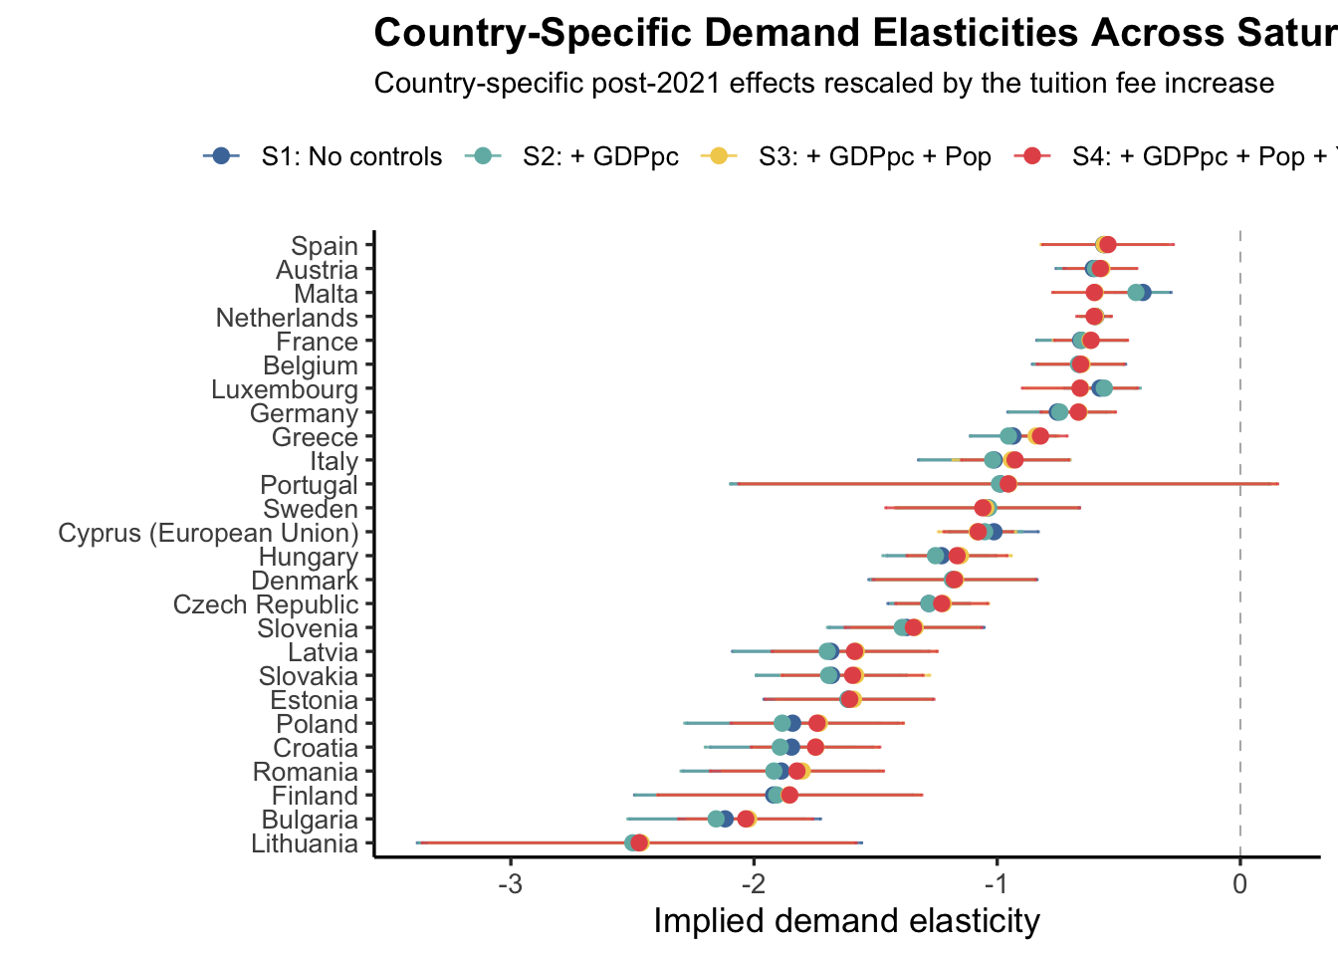
 | treated_factor |  | Sweden | -1.0397847462 | -1.0347383065 | -1.0467809986 | -1.0593719684

 | Country | s1 | s2 | s3 | s4
 | Spain | -0.56187045865 | -0.55701248942 | -0.55979271446 | -0.54423190686 | 26
 | Austria | -0.60451618659 | -0.59562723373 | -0.56976680034 | -0.57590065756 | 25
 | Malta | -0.4005865658 | -0.42947394921 | -0.59709958791 | -0.60067024669 | 24
 | Netherlands | -0.59461634665 | -0.59720695897 | -0.59593221322 | -0.60142755532 | 23
 | France | -0.65670765842 | -0.65252704066 | -0.6178656073 | -0.61366671361 | 22
 | Belgium | -0.66348688423 | -0.66546182633 | -0.65139964456 | -0.65691212033 | 21
 | Luxembourg | -0.57717883004 | -0.5594808815 | -0.65693039626 | -0.65930283972 | 20
 | Germany | -0.75273622004 | -0.74252911612 | -0.66310994328 | -0.66651954547 | 19
 | Greece | -0.93527044428 | -0.95389132701 | -0.83997406189 | -0.82176895645 | 18
 | Italy | -1.0121595438 | -1.0188839418 | -0.94118955938 | -0.92640890531 | 17
 | Portugal | -0.98561718997 | -0.99063278904 | -0.95177588873 | -0.95462007951 | 16
 | Sweden | -1.0397847462 | -1.0347383065 | -1.0467809986 | -1.0593719684 | 15
 | Cyprus (European Union) | -1.0132869399 | -1.0514036653 | -1.0823253875 | -1.0779117517 | 14
 | Hungary | -1.2286584318 | -1.2539157596 | -1.1512393304 | -1.1652615336 | 13
 | Denmark | -1.181715577 | -1.1847082597 | -1.1711452391 | -1.1760980147 | 12
 | Czech Republic | -1.2809801196 | -1.2803872943 | -1.2217227184 | -1.2284048533 | 11
 | Slovenia | -1.3721712724 | -1.3908024353 | -1.3372642563 | -1.3445243673 | 10
 | Latvia | -1.6840693448 | -1.6992063794 | -1.5793437275 | -1.5866586664 | 9
 | Slovakia | -1.6815678276 | -1.6931616173 | -1.5819103527 | -1.5946144048 | 8
 | Estonia | -1.612776105 | -1.6129177434 | -1.5908232927 | -1.6066376788 | 7
 | Poland | -1.8413199695 | -1.8840913444 | -1.7313468774 | -1.7407052931 | 6
 | Croatia | -1.8457610192 | -1.8923337865 | -1.7456112366 | -1.7470596036 | 5
 | Romania | -1.8879978233 | -1.9185780143 | -1.8014601778 | -1.8235980338 | 4
 | Finland | -1.9192930598 | -1.9064964858 | -1.8559761188 | -1.8529697292 | 3
 | Bulgaria | -2.1188958554 | -2.1561124915 | -2.0222093605 | -2.0340453062 | 2
 | Lithuania | -2.4708616082 | -2.4984354095 | -2.4642171673 | -2.472248294 | 1

