Summary
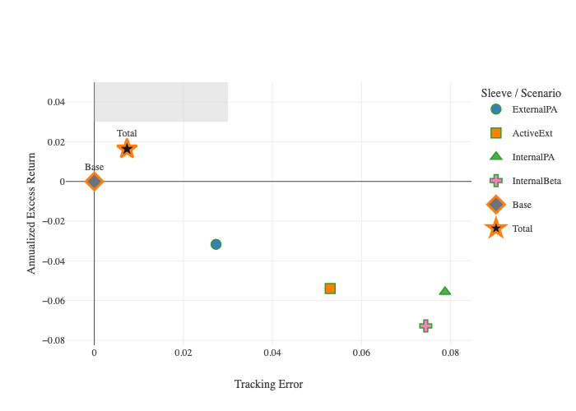
Agent | terminal_AnnReturn | terminal_AnnReturn_P50 | terminal_AnnReturn_P10 | terminal_AnnReturn_P90 | terminal_ExcessReturn | monthly_AnnVol | monthly_VaR | monthly_CVaR | monthly_CVaR_SE | monthly_CVaR_CI95_Low | monthly_CVaR_CI95_High | terminal_CVaR | terminal_CVaR_SE | terminal_CVaR_CI95_Low | terminal_CVaR_CI95_High | terminal_CVaR_HalfSampleDelta | monthly_MaxDD | monthly_TimeUnderWater | monthly_BreachProb | monthly_BreachCountPath0 | terminal_ShortfallProb | monthly_TE | monthly_TE_PerPath
Base | 7.60% | 0.074523768448 | -0.036255142122 | 0.18871404736 | 0 | 7.91% | -3.19% | -4.13% | 0.05% | -4.22% | -4.03% | -8.68% | 0.48% | -9.61% | -7.74% | 0.40% | -0.17147307857 | 0.27491666667 | 12.89% | 1 | 0.07
ExternalPA | 4.43% | 0.043958491497 | -0.029174453495 | 0.11619105102 | -0.031713063459 | 5.28% | -2.17% | -2.81% | 0.03% | -2.87% | -2.74% | -6.40% | 0.30% | -7.00% | -5.81% | 0.02% | -0.12701980463 | 0.29575 | 6.16% | 1 | 0.041 | 2.73% | 0.02670961097
ActiveExt | 2.21% | 0.022780842164 | -0.015008092536 | 0.057382513597 | -0.053888981989 | 2.63% | -1.07% | -1.39% | 0.02% | -1.43% | -1.36% | -3.14% | 0.16% | -3.44% | -2.83% | 0.12% | -0.063533040817 | 0.2905 | 0.22% | 0 | 0 | 5.30% | 0.051742909
InternalPA | 2.03% | 0.020375730596 | 0.014052500114 | 0.027041652302 | -0.055631981035 | 0.50% | -0.07% | -0.13% | 0.00% | -0.14% | -0.13% | 0.94% | 0.04% | 0.86% | 1.03% | 0.02% | -0.0051954796896 | 0.0165 | 0.00% | 0 | 0 | 7.87% | 0.076975620442
InternalBeta | 0.32% | 0.003319470364 | -0.0032776310514 | 0.0093112743176 | -0.072781944562 | 0.47% | -0.20% | -0.26% | 0.00% | -0.26% | -0.25% | -0.64% | 0.03% | -0.70% | -0.58% | 0.02% | -0.012174319399 | 0.32216666667 | 0.00% | 0 | 0 | 7.44% | 0.072724766312
Total | 9.23% | 0.091183940774 | -0.02750965802 | 0.21339390092 | 0.016365073293 | 8.41% | -3.31% | -4.31% | 0.05% | -4.41% | -4.21% | -8.27% | 0.48% | -9.20% | -7.33% | 0.16% | -0.17808630433 | 0.24908333333 | 13.28% | 1 | 0.06 | 0.73% | 0.0071489617775

Sensitivity
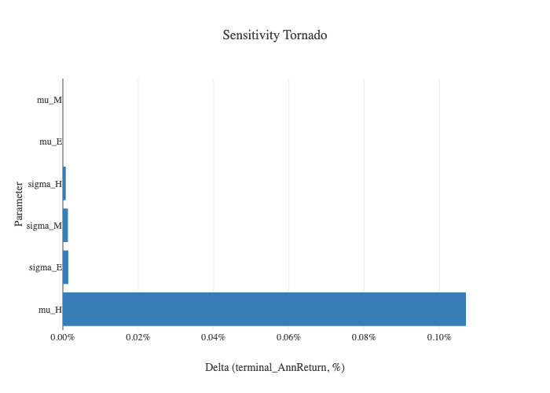
Parameter | Base | Minus | Plus | Low | High | DeltaAbs
mu_H | 0.075981969462 | 0.074913024165 | 0.077051889105 | -0.0010689452969 | 0.001069919643 | 0.001069919643
sigma_E | 0.075981969462 | 0.075987070075 | 0.075996444371 | 5.1006127928E-06 | 1.4474908468E-05 | 1.4474908468E-05
sigma_M | 0.075981969462 | 0.075995505902 | 0.075988276027 | 1.3536439958E-05 | 6.3065649412E-06 | 1.3536439958E-05
sigma_H | 0.075981969462 | 0.075974212948 | 0.075989424539 | -7.7565144996E-06 | 7.4550771862E-06 | 7.7565144996E-06
mu_E | 0.075981969462 | 0.075981969462 | 0.075981969462 | 0 | 0 | 0
mu_M | 0.075981969462 | 0.075981969462 | 0.075981969462 | 0 | 0 | 0

Attribution

Agent | Sub | Return
Base | Beta | 0.0048107843137
Base | Alpha | 0.0016666666667
Base | Financing | 0
ExternalPA | Beta | 0.0032071895425
ExternalPA | Alpha | 0.00066666666667
ExternalPA | Financing | 0
ActiveExt | Beta | 0.0016035947712
ActiveExt | Alpha | 0.00034722222222
ActiveExt | Financing | 0
InternalPA | Alpha | 0.0016666666667
Total | Alpha | 0.0026805555556
Total | Beta | 0.0048107843137
Total | Financing | 0

