Summary
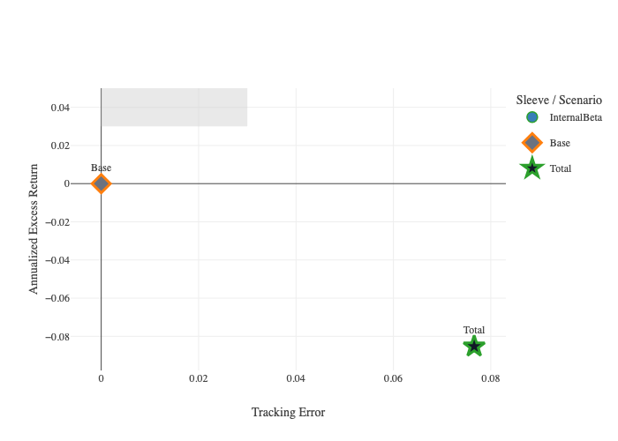
Agent | terminal_AnnReturn | terminal_AnnReturn_P50 | terminal_AnnReturn_P10 | terminal_AnnReturn_P90 | terminal_ExcessReturn | monthly_AnnVol | monthly_VaR | monthly_CVaR | monthly_CVaR_SE | monthly_CVaR_CI95_Low | monthly_CVaR_CI95_High | terminal_CVaR | terminal_CVaR_SE | terminal_CVaR_CI95_Low | terminal_CVaR_CI95_High | terminal_CVaR_HalfSampleDelta | monthly_MaxDD | monthly_TimeUnderWater | monthly_BreachProb | monthly_BreachCountPath0 | terminal_ShortfallProb | monthly_TE | monthly_TE_PerPath | Combination
Base | 8.92% | 7.89% | -1.05% | 21.12% | 0 | 8.14% | -3.12% | -4.13% | 0.14% | -4.40% | -3.86% | -10.13% | 1.95% | -13.94% | -6.32% | 2.85% | -0.15168360211 | 0.22083333333 | 13.25% | 0 | 0.06 |  |  | Run0
InternalBeta | 0.39% | 0.36% | -0.16% | 1.03% | -0.085283750644 | 0.49% | -0.19% | -0.26% | 0.01% | -0.27% | -0.24% | -0.72% | 0.12% | -0.96% | -0.49% | 0.16% | -0.010320934189 | 0.25916666667 | 0.00% | 0 | 0 | 7.66% | 7.47% | Run0
Total | 0.39% | 0.36% | -0.16% | 1.03% | -0.085283750644 | 0.49% | -0.19% | -0.26% | 0.01% | -0.27% | -0.24% | -0.72% | 0.12% | -0.96% | -0.49% | 0.16% | -0.010320934189 | 0.25916666667 | 0.00% | 0 | 0 | 7.66% | 7.47% | Run0

