PERT Diagram
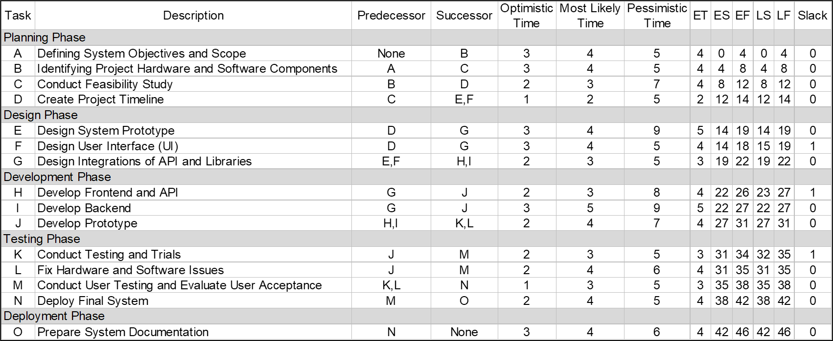
 |  |  |  |  |  |  |  |  |  |  |  | 14 | 5 | 19 |  |  |  | 22 | 4 | 26 |  |  |  | 31 | 3 | 34
 |  |  |  |  |  |  |  |  |  |  |  | E |  |  |  |  |  | H |  |  |  |  |  | K
 |  |  |  |  |  |  |  |  |  |  |  | 14 | 0 | 19 |  |  |  | 23 | 1 | 27 |  |  |  | 32 | 1 | 35
0 | 4 | 4 | 4 | 4 | 8 | 8 | 4 | 12 | 12 | 2 | 14 |  |  |  | 19 | 3 | 22 |  |  |  | 27 | 4 | 31 |  |  |  | 35 | 3 | 38 | 38 | 4 | 42 | 42 | 4 | 46
A |  |  | B |  |  | C |  |  | D |  |  |  |  |  | G |  |  |  |  |  | J |  |  |  |  |  | M |  |  | N |  |  | O
0 | 0 | 4 | 4 | 0 | 8 | 8 | 0 | 12 | 12 | 0 | 14 |  |  |  | 19 | 0 | 22 |  |  |  | 27 | 0 | 31 |  |  |  | 35 | 0 | 38 | 38 | 0 | 42 | 42 | 0 | 46
 |  |  |  |  |  |  |  |  |  |  |  | 14 | 4 | 18 |  |  |  | 22 | 5 | 27 |  |  |  | 31 | 4 | 35
 |  |  |  |  |  |  |  |  |  |  |  | F |  |  |  |  |  | I |  |  |  |  |  | L
 |  |  |  |  |  |  |  |  |  |  |  | 15 | 1 | 19 |  |  |  | 22 | 0 | 27 |  |  |  | 31 | 0 | 35
 | Critical Path (46 weeks)
 | A -> B -> C -> D -> E -> G -> I -> J -> L -> M -> N -> O

Gantt Chart
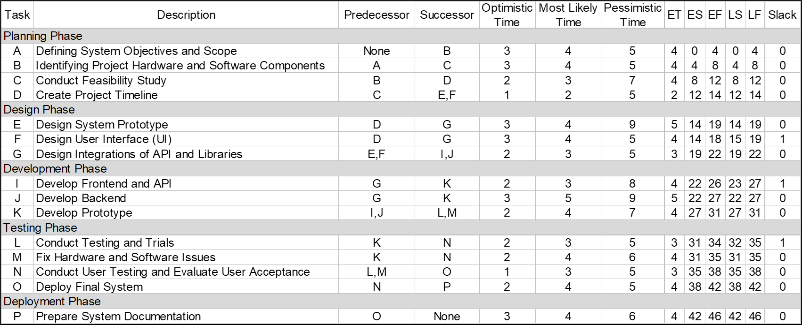
 |  | Week
Task | Description | 1 | 2 | 3 | 4 | 5 | 6 | 7 | 8 | 9 | 10 | 11 | 12 | 13 | 14 | 15 | 16 | 17 | 18 | 19 | 20 | 21 | 22 | 23 | 24 | 25 | 26 | 27 | 28 | 29 | 30 | 31 | 32 | 33 | 34 | 35 | 36 | 37 | 38 | 39 | 40 | 41 | 42 | 43 | 44 | 45 | 46
Planning Phase
A | Defining System Objectives and Scope
B | Identifying Project Hardware and Software Components
C | Conduct Feasibility Study
D | Create Project Timeline
Design Phase
E | Design System Prototype
F | Design User Interface (UI)
G | Design Integrations of API and Libraries
Development Phase
H | Develop Frontend and API
I | Develop Backend
J | Develop Prototype
Testing Phase
K | Conduct Testing and Trials
L | Fix Hardware and Software Issues
M | Conduct User Testing and Evaluate User Acceptance
N | Deploy Final System
Deployment Phase
O | Prepare System Documentation

