Sheet3
 |  |  |  |  |  | 0.80392156863 |  | 0.80527409614
 |  |  |  | known | known ft | measure | dist | angle
 |  |  | door height | 80 | 6.6666666667 | 0.82 | 152.5 | 2.5031397796 | 3.0526094873
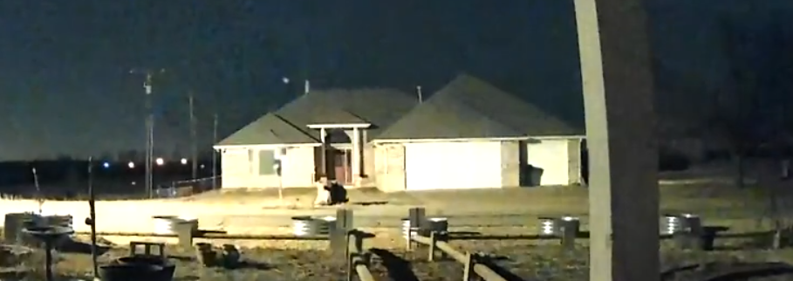
 |  |  | Garage door | 84 | 7 | 1.02 | 128.9 | 3.1084320129 | 3.0474823656
 |  |  |  |  |  | 1.72 |  | 5.246 | 3.05
 |  |  |  |  |  | 1.81 |  | 5.5205 | 3.05

 |  |  |  |  |  |  |  |  |  |  |  | 36.84
 |  |  |  |  |  |  |  |  |  |  |  | 38.08 | 1.24 | 2.5 | 3
Sonny | 781 |  |  |  |  |  |  |  |  |  |  | 39.47 | 1.39 | 4.325 | 5.19
Sonny | 450 |  |  |  |  |  |  |  |  |  |  | 40.84 | 1.37
Sonny | 217
Pat | 110 |  |  |  |  |  |  |  |  |  |  | 43.84 | #REF!
Ward | 110 | 1400 | 1434 |  |  |  |  |  | station progress | station | stationprogress/station | 45.68 | 1.84
Ward | 30 |  | 1324 |  |  |  |  |  | 0 | 1 | 0 | 47.56 | 1.88
Ward | 375 | 1294 | 1294 |  |  |  |  |  | 0 | 2 | 0
Ward | 30 |  | 919 |  |  |  |  |  | 0 | 3 | 0
Ward | 385 | 889 | 889 |  |  |  |  |  | 1 | 4 | 0.25
Ward | 33 |  | 504 |  |  |  |  |  | 1 | 5 | 0.2
Ward | 55 |  | 471 |  |  |  |  |  | 1 | 6 | 0.16666666667
Ward | 416 |  | 416 |  |  |  |  |  | 1 | 7 | 0.14285714286
Jason Whitcomb | 248 |  |  |  |  |  |  |  | 1 | 8 | 0.125
Mark Dayton | 484 |  |  |  |  | 17113 |  |  | 1 | 9 | 0.11111111111
Mark Lyon | 16 |  |  |  |  | 17895 |  |  | 1 | 10 | 0.1
 |  |  |  |  |  | 17504
 |  |  |  |  | error1 | 391

 |  |  |  |  |  | 17595
 |  |  |  |  |  | 18555
 |  |  |  |  |  | 18075
 |  |  |  |  | error2 | 480

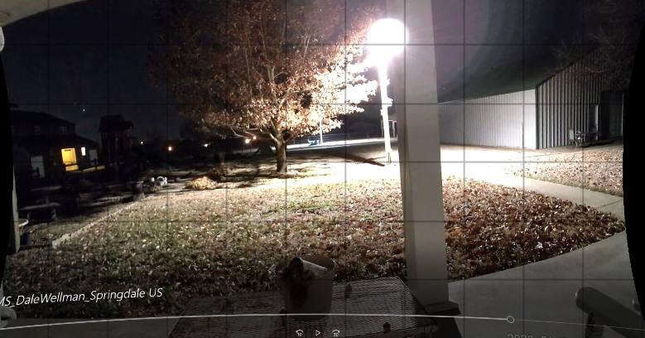
 |  |  |  |  | mean | 17789.5
 |  |  |  |  | error | 309.54846147

 |  |  |  | known | known ft | measure | dist | angle
 |  |  | door height | 80 | 6.6666666667 | 0.94 | 77 | 4.94833375 | 5.2641848405
 |  |  |  | 84 | 7 | 0.41 | 183 | 2.190573864 | 5.342863083
 |  |  |  |  |  | 1.37 |  | 7.26511
 |  |  |  |  |  | 1.45 |  | 7.68935

 |  |  |  |  | 0.94

Sheet1
 | J | TNT | calc J |  | kt data
 | 1.41E+11 | 3.37E-02 | 4.11E-01 |  | 0.41 | 0.99868693011
 | 3.90E+10 | 9.32E-03 | 1.32E-01 |  | 0.13 | 0.98754205497
 | 2.80E+10 | 6.69E-03 | 9.82E-02 |  | 0.098 | 0.99814961181
 | 3.00E+10 | 7.17E-03 | 1.04E-01 |  | 0.1 | 0.95819105842 |  |  |  |  | kT | angle |  | alt
 | 3.10E+10 | 7.41E-03 | 1.07E-01 |  | 0.11 | 1.0238633807 |  |  |  |  | 0.001 | 10 | -3.006648541 | 40 | 42.093079574
 | 2.67E+11 | 6.38E-02 | 7.22E-01 |  | 0.72 | 0.99672294121 |  |  |  |  | 0.001 | 60 | -3.3010299957 | 60 | 46.214419939
 | 7.70E+10 | 1.84E-02 | 2.40E-01 |  | 0.24 | 0.99855358264 |  |  |  |  | 0.01 | 10 | -2.006648541 | 15 | 28.093079574
 |  |  |  |  |  |  |  |  |  |  | 0.01 | 60 | -2.3010299957 | 20 | 32.214419939
 |  |  |  |  |  |  |  |  |  |  | 0.1 | 10 | -1.006648541 | 10 | 14.093079574
 |  |  |  |  |  |  |  |  |  |  | 0.1 | 60 | -1.3010299957 | 20 | 18.214419939
 |  |  |  |  |  |  |  |  |  |  | 1 | 10 | -0.0066485410301 | 4 | 0.093079574421
4.18E+12 | 2.83E+01 |  |  |  |  |  |  |  |  |  | 1 | 60 | -0.30102999566 | 8 | 4.2144199393

 |  | 0.1212 | 0.115 |  |  |  |  |  |  |  |  |  | -14
 |  | 8.2508 | 0.885 |  |  |  |  |  |  |  |  |  | 0
 |  | 68.075907591 | 7.6956521739

 | 0.0061581
 | 0.00197708
 | 0.00277871
 | 0.01797758
 | 0.00289747
 | 0.01091472
 | 0.00108638
 | 0.00586982
 | 0.00242243
0.0041080194952 | 0.09462806
146.60101765 | 0.2708
0.35860617807 | 0.1453
 |  |  |  |  |  |  |  |  |  |  |  | angle | 70
 |  |  |  |  |  |  |  |  |  |  |  | altitude | 38
 |  |  |  |  |  |  |  | 0.016105
 |  |  |  |  |  |  |  | 0.17123 |  |  |  | kT | 0.0056449825151

 | mass | mass_g | Speed | Angle | Altitude | Energy kT | cos Energy | log Energy | E est | Density | log density
 | -0.91 | 0.12302687708 | 20.9 | 45 | 38.5 | 6.4220088645E-09 |  | -8.1923290993 | 3.0472004366E-05 | 0.0061581 | -2.210553263
 | -0.6 | 0.25118864315 | 10.5 | 45 | 46.8 | 3.3094584019E-09 |  | -8.4802430734 | 2.2913446574E-05 | 0.00197708 | -2.7039757572
 | -0.64 | 0.22908676528 | 23.1 | 45 | 44.1 | 1.4608387765E-08 |  | -7.8353977117 | 2.4200743915E-05 | 0.00277871 | -2.556156776
 | -0.47 | 0.33884415614 | 13.1 | 45 | 30.3 | 6.9489777289E-09 |  | -8.1580790802 | 6.8219069435E-05 | 0.01797758 | -1.74526877
 | -1.42 | 0.038018939632 | 33.3 | 45 | 43.7 | 5.0381001396E-09 |  | -8.2977332045 | 2.4397509782E-05 | 0.00289747 | -2.537981052
 | -0.07 | 0.8511380382 | 19.5 | 45 | 35.2 | 3.86765343E-08 |  | -7.4125524488 | 4.2146022987E-05 | 0.01091472 | -1.961987401 |  |  |  | alt | dens
 | -1.2 | 0.063095734448 | 30.6 | 45 | 49.8 | 7.0602679144E-09 |  | -8.1511788186 | 2.1563265697E-05 | 0.00108638 | -2.9640182382 |  |  |  | -1 | 1.347
 | -0.97 | 0.10715193052 | 10.2 | 45 | 59.6 | 1.3322283523E-09 |  | -8.875421328 | 2.0023687926E-05 |  | #NUM! |  |  |  | 0 | 1.225
 | -2 | 0.01 | 13.6 | 45 | 73 | 2.2103250478E-10 |  | -9.6555438548 | 2.0023687926E-05 |  | #NUM! |  |  |  | 1 | 1.112
 | -0.48 | 0.33113112148 | 16.1 | 45 | 38.7 | 1.0257229684E-08 |  | -7.9889699195 | 2.9878880422E-05 | 0.00586982 | -2.2313752163 |  |  |  | 2 | 1.007
 | -1.52 | 0.030199517204 | 14.2 | 45 | 85.8 | 7.2770442746E-10 |  | -9.1380449828 | 2.0023687926E-05 |  | #NUM! |  |  |  | 3 | 0.9093
 | -1.07 | 0.08511380382 | 13 | 45 | 45.3 | 1.71895708E-09 |  | -8.7647349669 | 2.361991672E-05 | 0.00242243 | -2.6157487637 |  |  |  | 4 | 0.8194
 |  | 150000 | 15.83 | 23.86 | 19.73 | 0.0044919138384 | 0.0041080194952 | -2.3475685827 | 0.0098175870686 | 0.09462806 | -1.0239800634 |  |  |  | 5 | 0.7364
 |  | 10642617000 | 19.16 | 71.7 | 12.6 | 466.89343922 | 146.60101765 | 2.6692177713 | 4711.7737026 | 0.2708 | -0.56735133999 |  |  |  | 6 | 0.6601
 |  | 9023000 | 19.5 | 29 | 17.5 | 0.41001383246 | 0.35860617807 | -0.38720149143 | 0.32502082999 | 0.1453 | -0.8377343857 |  |  |  | 7 | 0.59
 |  |  |  |  |  |  |  |  |  |  |  |  |  |  | 8 | 0.5258
 |  |  |  |  |  |  |  |  |  |  |  |  |  |  | 9 | 0.4671
 |  |  |  |  |  |  |  |  |  |  |  |  |  |  | 10 | 0.4135
 |  |  |  |  |  |  |  |  |  |  |  |  |  |  | 15 | 0.1948
 |  |  |  |  |  |  |  |  |  |  |  |  |  |  | 20 | 0.08891
 |  |  | 48.08125 |  |  |  |  |  |  |  |  |  |  |  | 25 | 0.04008
 |  |  |  |  |  |  |  |  |  |  |  |  |  |  | 30 | 0.01841
 |  |  | 33.3 |  |  |  |  |  |  |  |  |  |  |  | 40 | 0.003996
 |  |  | 68.4 |  |  |  |  |  |  |  |  |  |  |  | 50 | 0.001027
 |  |  | 38.3 |  |  |  |  |  |  |  |  |  |  |  | 60 | 0.0003097
 |  |  | 51.2 |  |  |  |  |  |  |  |  |  |  |  | 70 | 0.00008283
 |  |  | 44.8 |  |  |  |  |  |  |  |  |  |  |  | 80 | 0.00001846
 |  |  | 27.3 |  |  |  |  |  |  |  |  |  |  |  | 90 | 1.00E-05
 |  |  | 44.5
 |  |  | 74.6
 |  |  | 43.2
 |  |  | 47.2
 |  |  | 55.3
 |  |  | 43.8
 |  |  | 44.7
 |  |  | 59
 |  |  | 49.3
 |  |  | 44.4

 |  |  |  |  |  | Last name, Initials. [Channel name]. (Year, Month Day). Video title [Video]. YouTube. URL

 |  |  |  |  |  | Last Name
 |  |  |  |  |  | First Name
 |  |  |  |  |  | Channel Name
 |  |  |  |  |  | Date Posted
 |  |  |  |  |  | Date Accessed
 |  |  |  |  |  | Video title
 |  |  |  |  |  | URL

