Sheet1
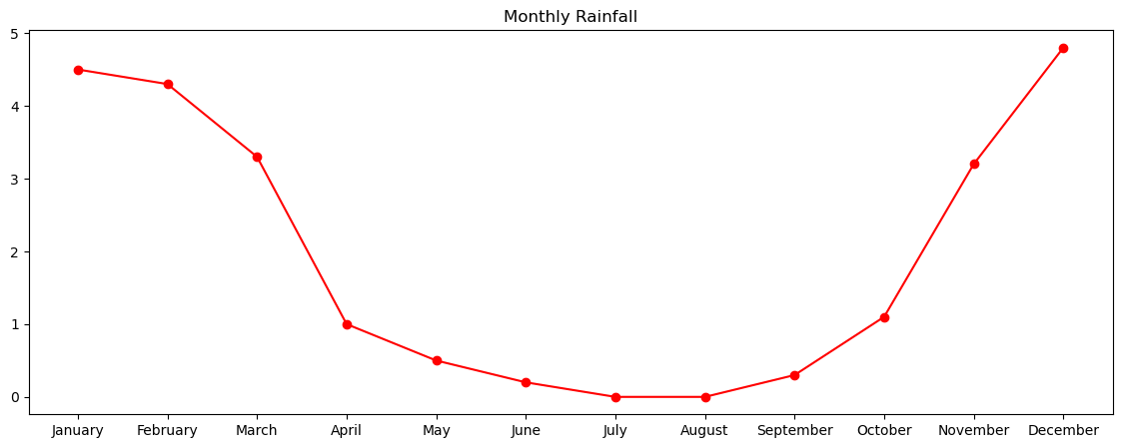
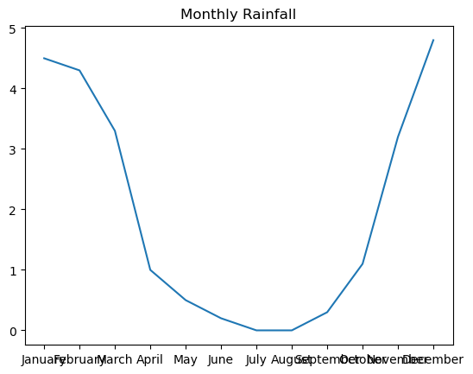
month | rainfall
January | 4.5
February | 4.3
March | 3.3
April | 1
May | 0.5
June | 0.2
July | 0
August | 0
September | 0.3
October | 1.1
November | 3.2
December | 4.8

