solution
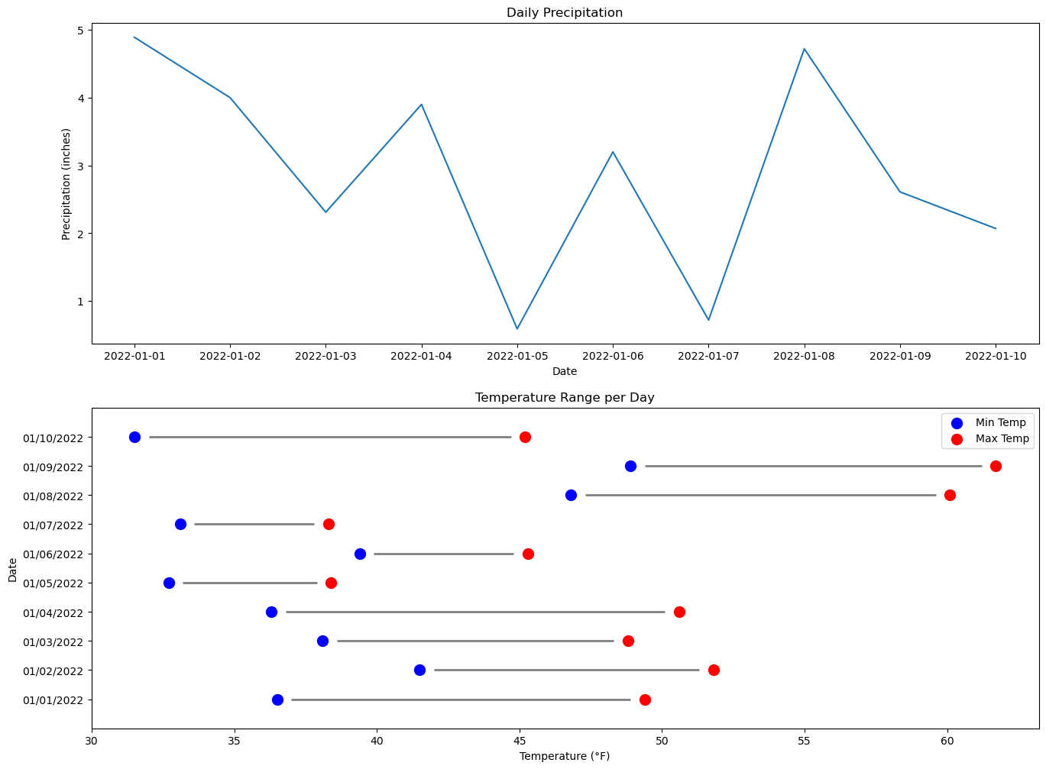
date | temp_min | temp_max | precipitation
44562 | 36.5 | 49.4 | 4.89
44563 | 41.5 | 51.8 | 4
44564 | 38.1 | 48.8 | 2.31
44565 | 36.3 | 50.6 | 3.9
44566 | 32.7 | 38.4 | 0.59
44567 | 39.4 | 45.3 | 3.2
44568 | 33.1 | 38.3 | 0.72
44569 | 46.8 | 60.1 | 4.72
44570 | 48.9 | 61.7 | 2.61
44571 | 31.5 | 45.2 | 2.07

Define dumbbell plot function: | 0
Create viz:

