gantt
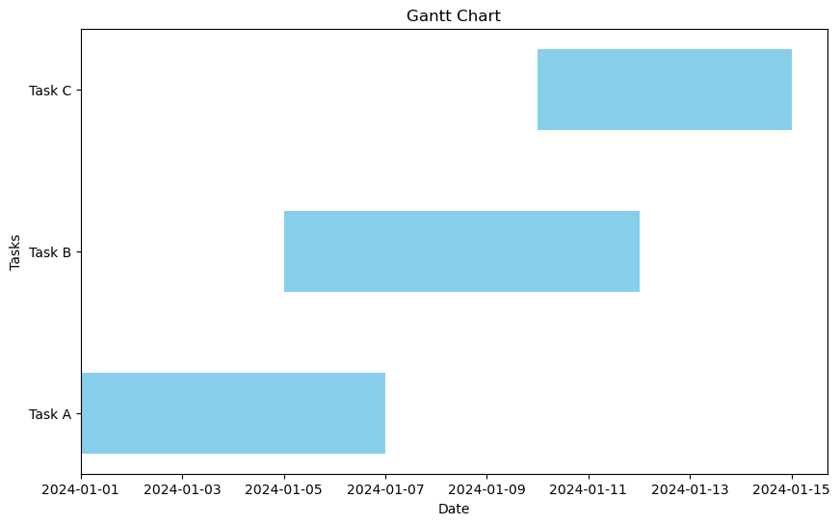
Task | Start | End | Duration
Task A | 45292 | 45298 | 6
Task B | 45296 | 45303 | 7
Task C | 45301 | 45306 | 5

waterfall
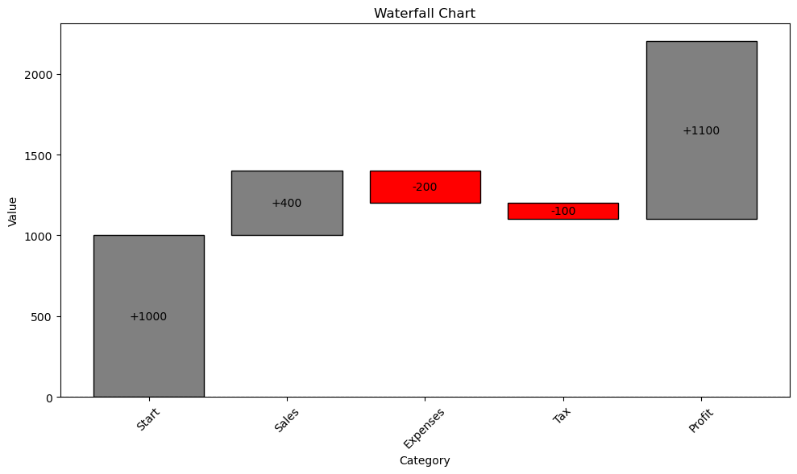
Category | Value | Cumulative
Start | 1000 | 1000
Sales | 400 | 1400
Expenses | -200 | 1200
Tax | -100 | 1100
Profit | 1100 | 2200

Category | Value | Cumulative | Previous | Color
Start | 1000 | 1000 | 0 | gray
Sales | 400 | 1400 | 1000 | gray
Expenses | -200 | 1200 | 1400 | red
Tax | -100 | 1100 | 1200 | red
Profit | 1100 | 2200 | 1100 | gray

dumbbell
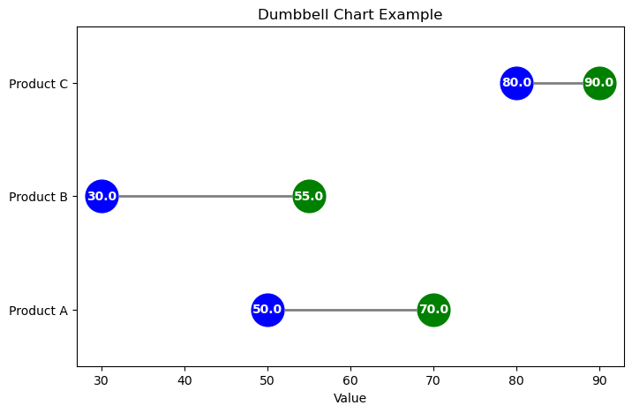
Category | Before | After
Product A | 50 | 70
Product B | 30 | 55
Product C | 80 | 90

