nyc_pop
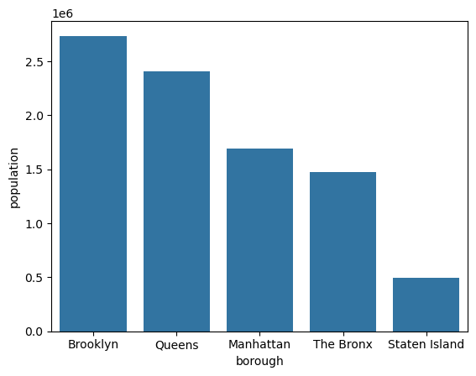
borough | population | land_area | borough | population | land_area | density
Brooklyn | 2,736,074 | 69.5 | Brooklyn | 2,736,074 | 69.5 | 39,368
Queens | 2,405,464 | 108.7 | Queens | 2,405,464 | 108.7 | 22,129
Manhattan | 1,694,251 | 22.83 | Manhattan | 1,694,251 | 22.83 | 74,212
The Bronx | 1,472,654 | 42.1 | The Bronx | 1,472,654 | 42.1 | 34,980
Staten Island | 495,747 | 58.37 | Staten Island | 495,747 | 58.37 | 8,493

