nyc-pop
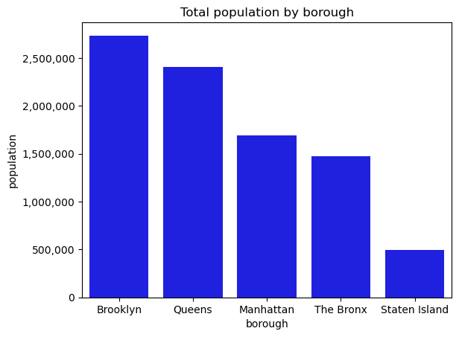
borough | population | land_area | borough | population | land_area
Brooklyn | 2,736,074 | 69.5 | Brooklyn | 2736074 | 69.5
Queens | 2,405,464 | 108.7 | Queens | 2405464 | 108.7
Manhattan | 1,694,251 | 22.83 | Manhattan | 1694251 | 22.83
The Bronx | 1,472,654 | 42.1 | The Bronx | 1472654 | 42.1
Staten Island | 495,747 | 58.37 | Staten Island | 495747 | 58.37

