correlations
Create correlation matrix: |  | quantity | unit_price | customer_age
 | quantity | 1 | -8.0008732936E-05 | 0.0063314634174
 | unit_price | -8.0008732936E-05 | 1 | -0.015526832396
 | customer_age | 0.0063314634174 | -0.015526832396 | 1

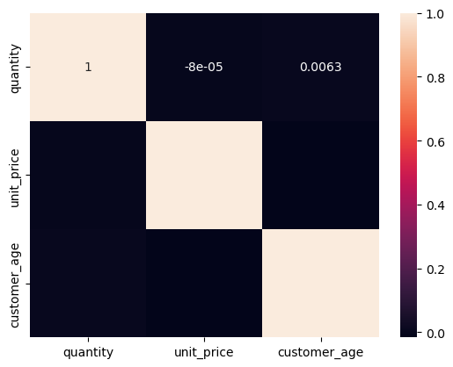
Visualize correlation matrix:

