Sheet
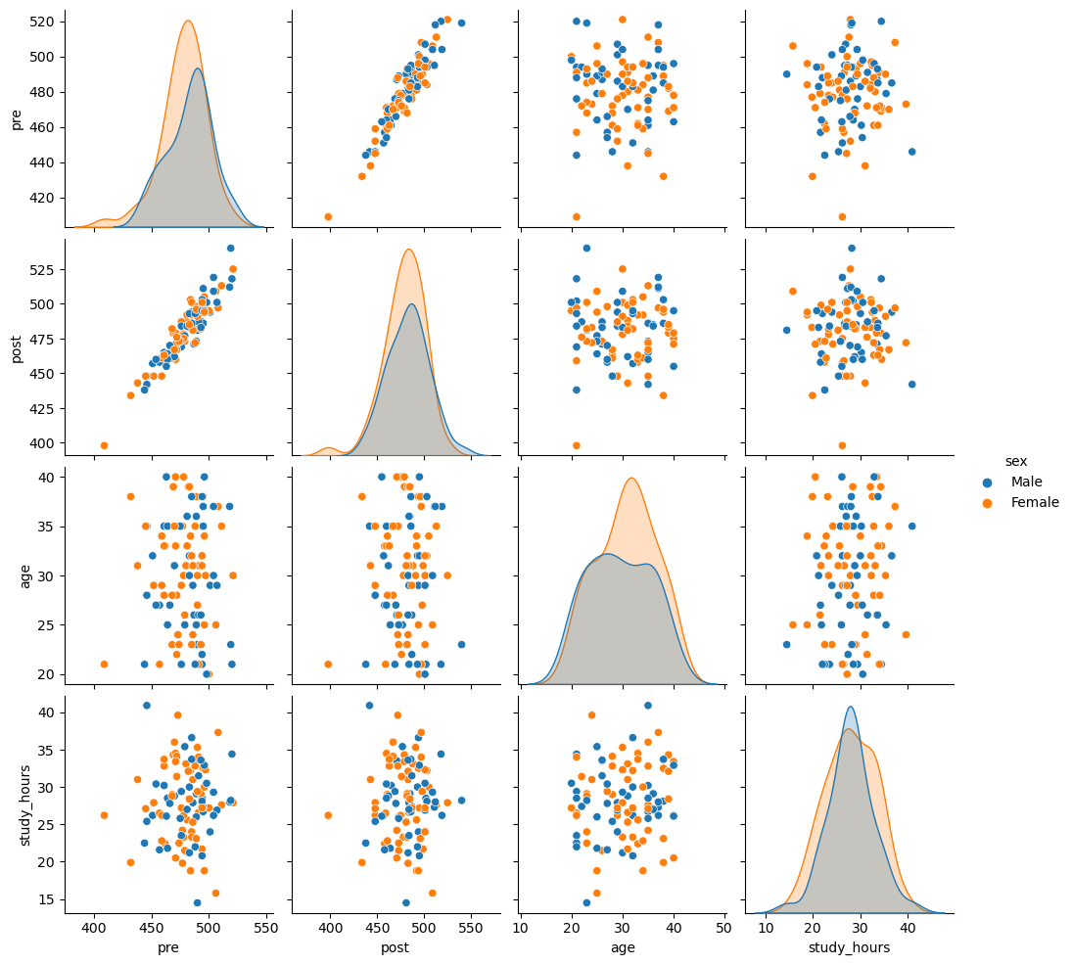
Score Comparison
Average pre score | 480.55
Average post score | 480.99

