pairplot
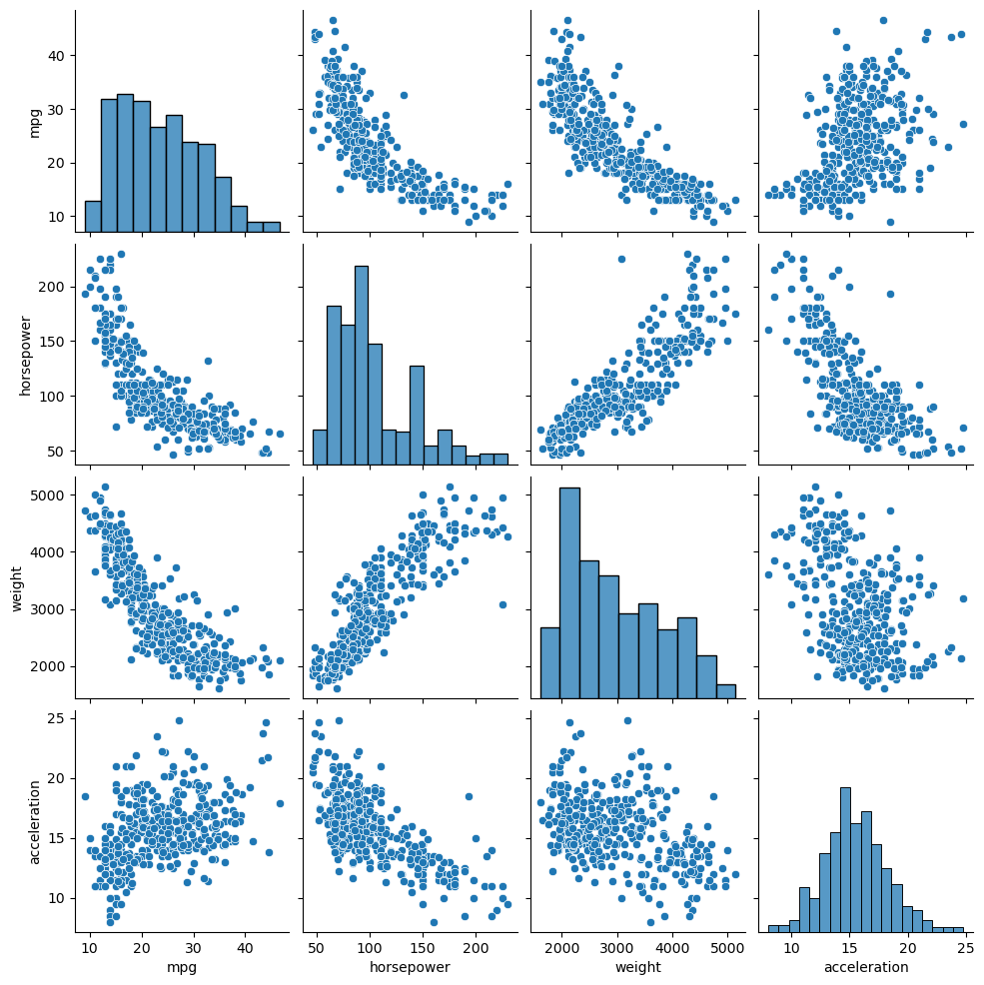

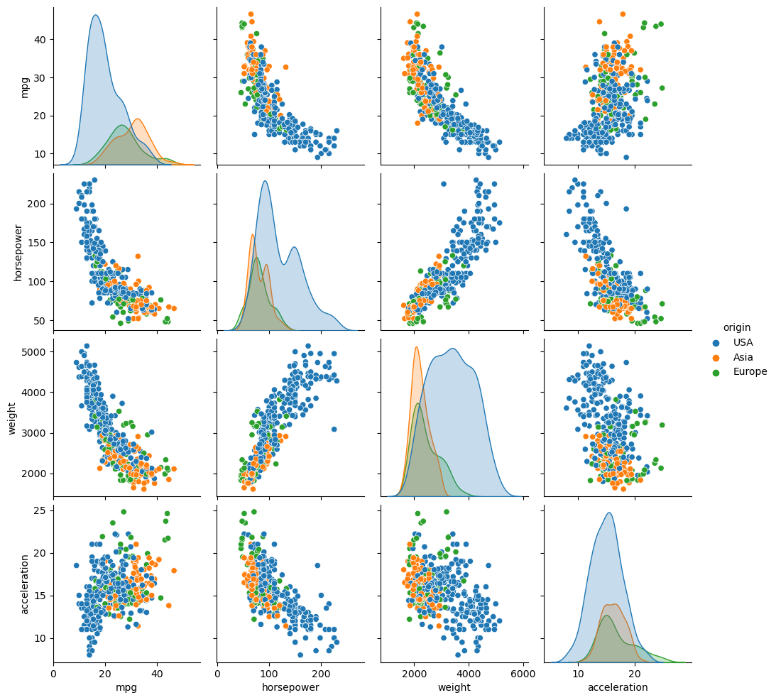

stripplot
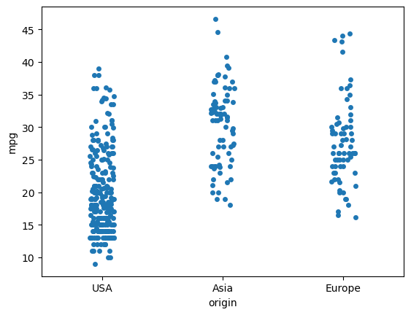

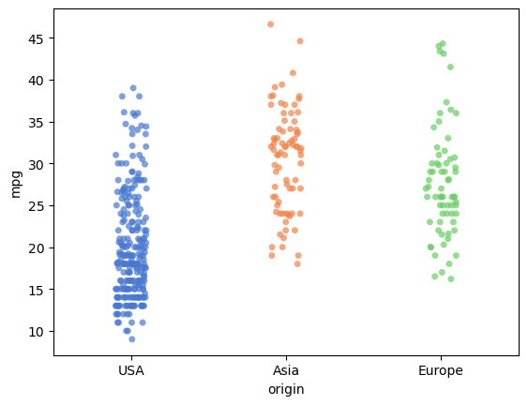

moving-average
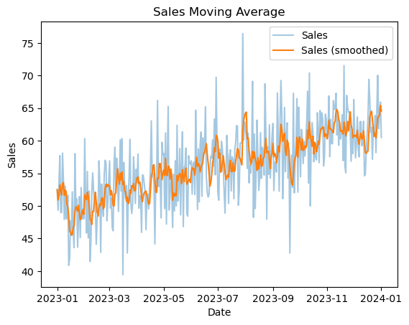
Date | Sales | Select moving period: | 5
2023-01-01 | 52.48
2023-01-02 | 49.34
2023-01-03 | 53.31
2023-01-04 | 57.72
2023-01-05 | 48.97
2023-01-06 | 49
2023-01-07 | 58.1
2023-01-08 | 54.08
2023-01-09 | 47.93
2023-01-10 | 53.02
2023-01-11 | 48.03
2023-01-12 | 48.05
2023-01-13 | 51.62
2023-01-14 | 40.88
2023-01-15 | 41.85
2023-01-16 | 47.7
2023-01-17 | 45.48
2023-01-18 | 52.15
2023-01-19 | 46.08
2023-01-20 | 43.59
2023-01-21 | 58.01
2023-01-22 | 49.59
2023-01-23 | 51.09
2023-01-24 | 43.66
2023-01-25 | 48.1
2023-01-26 | 51.41
2023-01-27 | 45.14
2023-01-28 | 52.8
2023-01-29 | 47.96
2023-01-30 | 49.53
2023-01-31 | 48.02
2023-02-01 | 60.32
2023-02-02 | 51.03
2023-02-03 | 45.84
2023-02-04 | 55.28
2023-02-05 | 45.09
2023-02-06 | 52.28
2023-02-07 | 41.47
2023-02-08 | 44.66
2023-02-09 | 52.32
2023-02-10 | 55.06
2023-02-11 | 52.26
2023-02-12 | 50.86
2023-02-13 | 49.97
2023-02-14 | 44.11
2023-02-15 | 47.94
2023-02-16 | 49.27
2023-02-17 | 56.9
2023-02-18 | 53.36
2023-02-19 | 42.86
2023-02-20 | 53.33
2023-02-21 | 49.82
2023-02-22 | 48.4
2023-02-23 | 54.87
2023-02-24 | 57
2023-02-25 | 56.54
2023-02-26 | 47.72
2023-02-27 | 50.41
2023-02-28 | 53.64
2023-03-01 | 56.9
2023-03-02 | 49.66
2023-03-03 | 51.16
2023-03-04 | 46.59
2023-03-05 | 46.18
2023-03-06 | 56.25
2023-03-07 | 59.01
2023-03-08 | 51.9
2023-03-09 | 57.31
2023-03-10 | 54.14
2023-03-11 | 49.14
2023-03-12 | 54.2
2023-03-13 | 60.12
2023-03-14 | 52.29
2023-03-15 | 60.32
2023-03-16 | 39.44
2023-03-17 | 56.68
2023-03-18 | 53.04
2023-03-19 | 51.14
2023-03-20 | 53.13
2023-03-21 | 42.77
2023-03-22 | 51.64
2023-03-23 | 54.56
2023-03-24 | 60.2
2023-03-25 | 50.25
2023-03-26 | 48.83
2023-03-27 | 50.4
2023-03-28 | 57.52
2023-03-29 | 54.62
2023-03-30 | 50.36
2023-03-31 | 55.61
2023-04-01 | 53.57
2023-04-02 | 57.96
2023-04-03 | 49.64
2023-04-04 | 51.55
2023-04-05 | 51.26
2023-04-06 | 45.94
2023-04-07 | 54.77
2023-04-08 | 54.63
2023-04-09 | 53.38
2023-04-10 | 52.22
2023-04-11 | 46.35
2023-04-12 | 51.36
2023-04-13 | 51.78
2023-04-14 | 49.52
2023-04-15 | 52.76
2023-04-16 | 55.62
2023-04-17 | 63.06
2023-04-18 | 54.54
2023-04-19 | 54.99
2023-04-20 | 53.36
2023-04-21 | 44.17
2023-04-22 | 53.67
2023-04-23 | 54.14
2023-04-24 | 66.19
2023-04-25 | 52.94
2023-04-26 | 55.45
2023-04-27 | 53.8
2023-04-28 | 48.16
2023-04-29 | 59.76
2023-04-30 | 57.84
2023-05-01 | 58.06
2023-05-02 | 49.6
2023-05-03 | 61.19
2023-05-04 | 47.2
2023-05-05 | 57.18
2023-05-06 | 65.23
2023-05-07 | 49.36
2023-05-08 | 51.52
2023-05-09 | 54.88
2023-05-10 | 51.9
2023-05-11 | 46.7
2023-05-12 | 54.83
2023-05-13 | 49.21
2023-05-14 | 56.92
2023-05-15 | 49.99
2023-05-16 | 62.37
2023-05-17 | 50.74
2023-05-18 | 53.08
2023-05-19 | 58.79
2023-05-20 | 48.61
2023-05-21 | 55.93
2023-05-22 | 61.36
2023-05-23 | 46.83
2023-05-24 | 55.82
2023-05-25 | 56.23
2023-05-26 | 58.87
2023-05-27 | 48.82
2023-05-28 | 48.43
2023-05-29 | 57.68
2023-05-30 | 56.59
2023-05-31 | 56.39
2023-06-01 | 56.9
2023-06-02 | 51.81
2023-06-03 | 56.4
2023-06-04 | 56.74
2023-06-05 | 51.74
2023-06-06 | 64.67
2023-06-07 | 57.75
2023-06-08 | 49.45
2023-06-09 | 58.73
2023-06-10 | 50.61
2023-06-11 | 59.45
2023-06-12 | 61.34
2023-06-13 | 51.48
2023-06-14 | 60.43
2023-06-15 | 57.71
2023-06-16 | 59.8
2023-06-17 | 65.2
2023-06-18 | 54.53
2023-06-19 | 52.02
2023-06-20 | 51.37
2023-06-21 | 51.78
2023-06-22 | 55.5
2023-06-23 | 57.63
2023-06-24 | 57.34
2023-06-25 | 60.13
2023-06-26 | 56.09
2023-06-27 | 63.33
2023-06-28 | 54.77
2023-06-29 | 69.73
2023-06-30 | 59.29
2023-07-01 | 51.91
2023-07-02 | 50.88
2023-07-03 | 58.68
2023-07-04 | 55.18
2023-07-05 | 59.91
2023-07-06 | 58.74
2023-07-07 | 56.04
2023-07-08 | 52.2
2023-07-09 | 48.9
2023-07-10 | 54.27
2023-07-11 | 60.82
2023-07-12 | 57.65
2023-07-13 | 50.38
2023-07-14 | 57.51
2023-07-15 | 58.6
2023-07-16 | 52.29
2023-07-17 | 57.52
2023-07-18 | 57.07
2023-07-19 | 51.1
2023-07-20 | 58.64
2023-07-21 | 59.69
2023-07-22 | 62.33
2023-07-23 | 62.22
2023-07-24 | 50.1
2023-07-25 | 52.33
2023-07-26 | 59.63
2023-07-27 | 59.66
2023-07-28 | 59.7
2023-07-29 | 76.42
2023-07-30 | 60.05
2023-07-31 | 62.9
2023-08-01 | 62.03
2023-08-02 | 60.55
2023-08-03 | 55.75
2023-08-04 | 61.16
2023-08-05 | 53.53
2023-08-06 | 56.25
2023-08-07 | 55.04
2023-08-08 | 57.91
2023-08-09 | 69.11
2023-08-10 | 48.23
2023-08-11 | 61.03
2023-08-12 | 49.57
2023-08-13 | 55.31
2023-08-14 | 63.15
2023-08-15 | 58.06
2023-08-16 | 52.39
2023-08-17 | 54.23
2023-08-18 | 61.24
2023-08-19 | 54.22
2023-08-20 | 58.99
2023-08-21 | 58.17
2023-08-22 | 54.72
2023-08-23 | 68.73
2023-08-24 | 61.22
2023-08-25 | 47.96
2023-08-26 | 59.05
2023-08-27 | 54.84
2023-08-28 | 62.45
2023-08-29 | 54.26
2023-08-30 | 57.68
2023-08-31 | 60.81
2023-09-01 | 62.65
2023-09-02 | 52.35
2023-09-03 | 56.72
2023-09-04 | 56.05
2023-09-05 | 55.19
2023-09-06 | 67.32
2023-09-07 | 60.55
2023-09-08 | 52.26
2023-09-09 | 63.19
2023-09-10 | 69.24
2023-09-11 | 63.83
2023-09-12 | 51.1
2023-09-13 | 56.31
2023-09-14 | 65.1
2023-09-15 | 55.26
2023-09-16 | 61.05
2023-09-17 | 62.74
2023-09-18 | 54.27
2023-09-19 | 58.64
2023-09-20 | 42.77
2023-09-21 | 53.88
2023-09-22 | 57.78
2023-09-23 | 52.84
2023-09-24 | 67.27
2023-09-25 | 51.99
2023-09-26 | 56.98
2023-09-27 | 59.87
2023-09-28 | 66.45
2023-09-29 | 52.1
2023-09-30 | 65.13
2023-10-01 | 59.4
2023-10-02 | 54.48
2023-10-03 | 61.73
2023-10-04 | 60.45
2023-10-05 | 56.49
2023-10-06 | 59.87
2023-10-07 | 57.63
2023-10-08 | 60.16
2023-10-09 | 62.93
2023-10-10 | 67.59
2023-10-11 | 53.5
2023-10-12 | 70.39
2023-10-13 | 50
2023-10-14 | 59.04
2023-10-15 | 62.77
2023-10-16 | 61.27
2023-10-17 | 56.78
2023-10-18 | 58.89
2023-10-19 | 57.5
2023-10-20 | 57.05
2023-10-21 | 64.28
2023-10-22 | 61.85
2023-10-23 | 56.64
2023-10-24 | 64.63
2023-10-25 | 61.71
2023-10-26 | 64.27
2023-10-27 | 63.39
2023-10-28 | 56.13
2023-10-29 | 57.51
2023-10-30 | 64.08
2023-10-31 | 63.43
2023-11-01 | 60.31
2023-11-02 | 61.03
2023-11-03 | 66.87
2023-11-04 | 57.56
2023-11-05 | 63.28
2023-11-06 | 59.57
2023-11-07 | 59.53
2023-11-08 | 66.14
2023-11-09 | 64.81
2023-11-10 | 64.79
2023-11-11 | 67.28
2023-11-12 | 60.89
2023-11-13 | 64.23
2023-11-14 | 59.3
2023-11-15 | 62.51
2023-11-16 | 60.27
2023-11-17 | 61.44
2023-11-18 | 63.97
2023-11-19 | 56.94
2023-11-20 | 71.52
2023-11-21 | 56.07
2023-11-22 | 55.06
2023-11-23 | 66.95
2023-11-24 | 65.16
2023-11-25 | 64.35
2023-11-26 | 64.41
2023-11-27 | 61.24
2023-11-28 | 56.85
2023-11-29 | 61.75
2023-11-30 | 58.02
2023-12-01 | 66.31
2023-12-02 | 60.74
2023-12-03 | 57.38
2023-12-04 | 59.93
2023-12-05 | 63.64
2023-12-06 | 58.79
2023-12-07 | 57.53
2023-12-08 | 62.9
2023-12-09 | 62.94
2023-12-10 | 59.21
2023-12-11 | 59.43
2023-12-12 | 62.98
2023-12-13 | 54.61
2023-12-14 | 54.85
2023-12-15 | 58.33
2023-12-16 | 60.88
2023-12-17 | 63.54
2023-12-18 | 69.4
2023-12-19 | 66.34
2023-12-20 | 61.29
2023-12-21 | 62.03
2023-12-22 | 57.14
2023-12-23 | 62.1
2023-12-24 | 60.78
2023-12-25 | 63.87
2023-12-26 | 58.16
2023-12-27 | 64.93
2023-12-28 | 70.03
2023-12-29 | 61.85
2023-12-30 | 64.44
2023-12-31 | 65.92
2024-01-01 | 60.49

