ais
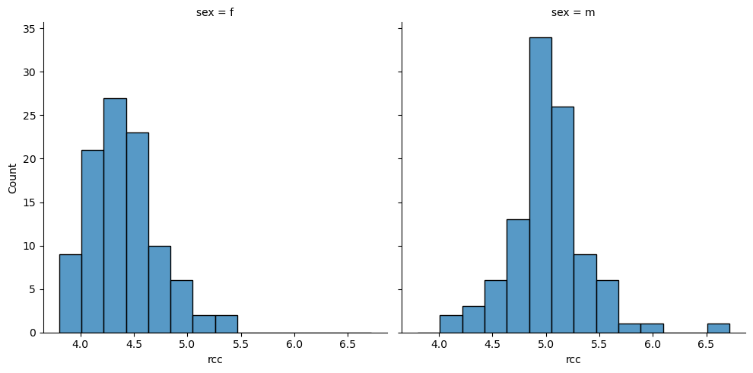
rcc | wcc | hc | hg | ferr | bmi | ssf | pcBfat | lbm | ht | wt | sex | sport
3.96 | 7.5 | 37.5 | 12.3 | 60 | 20.56 | 109.1 | 19.75 | 63.32 | 195.9 | 78.9 | f | B_Ball
4.41 | 8.3 | 38.2 | 12.7 | 68 | 20.67 | 102.8 | 21.3 | 58.55 | 189.7 | 74.4 | f | B_Ball | RCC by male vs female:
4.14 | 5 | 36.4 | 11.6 | 21 | 21.86 | 104.6 | 19.88 | 55.36 | 177.8 | 69.1 | f | B_Ball
4.11 | 5.3 | 37.3 | 12.6 | 69 | 21.88 | 126.4 | 23.66 | 57.18 | 185 | 74.9 | f | B_Ball
4.45 | 6.8 | 41.5 | 14 | 29 | 18.96 | 80.3 | 17.64 | 53.2 | 184.6 | 64.6 | f | B_Ball
4.1 | 4.4 | 37.4 | 12.5 | 42 | 21.04 | 75.2 | 15.58 | 53.77 | 174 | 63.7 | f | B_Ball
4.31 | 5.3 | 39.6 | 12.8 | 73 | 21.69 | 87.2 | 19.99 | 60.17 | 186.2 | 75.2 | f | B_Ball
4.42 | 5.7 | 39.9 | 13.2 | 44 | 20.62 | 97.9 | 22.43 | 48.33 | 173.8 | 62.3 | f | B_Ball
4.3 | 8.9 | 41.1 | 13.5 | 41 | 22.64 | 75.1 | 17.95 | 54.57 | 171.4 | 66.5 | f | B_Ball
4.51 | 4.4 | 41.6 | 12.7 | 44 | 19.44 | 65.1 | 15.07 | 53.42 | 179.9 | 62.9 | f | B_Ball
4.71 | 5.3 | 41.4 | 14 | 38 | 25.75 | 171.1 | 28.83 | 68.53 | 193.4 | 96.3 | f | B_Ball
4.62 | 7.3 | 43.8 | 14.7 | 26 | 21.2 | 76.8 | 18.08 | 61.85 | 188.7 | 75.5 | f | B_Ball
4.35 | 7.8 | 41.4 | 14.1 | 30 | 22.03 | 117.8 | 23.3 | 48.32 | 169.1 | 63 | f | B_Ball
4.26 | 6.2 | 41 | 13.9 | 48 | 25.44 | 90.2 | 17.71 | 66.24 | 177.9 | 80.5 | f | Row
4.63 | 6 | 43.7 | 14.7 | 30 | 22.63 | 97.2 | 18.77 | 57.92 | 177.5 | 71.3 | f | Row
4.36 | 5.8 | 40.3 | 13.3 | 29 | 21.86 | 99.9 | 19.83 | 56.52 | 179.6 | 70.5 | f | Row
3.91 | 7.3 | 37.6 | 12.9 | 43 | 22.27 | 125.9 | 25.16 | 54.78 | 181.3 | 73.2 | f | Row
4.51 | 8.3 | 43.7 | 14.7 | 34 | 21.27 | 69.9 | 18.04 | 56.31 | 179.7 | 68.7 | f | Row
4.37 | 8.1 | 41.8 | 14.3 | 53 | 23.47 | 98 | 21.79 | 62.96 | 185.2 | 80.5 | f | Row
4.9 | 6.9 | 44 | 14.5 | 59 | 23.19 | 96.8 | 22.25 | 56.68 | 177.3 | 72.9 | f | Row
4.46 | 5.7 | 39.2 | 13 | 43 | 23.17 | 80.3 | 16.25 | 62.39 | 179.3 | 74.5 | f | Row
3.95 | 3.3 | 36.9 | 12.5 | 40 | 24.54 | 74.9 | 16.38 | 63.05 | 175.3 | 75.4 | f | Row
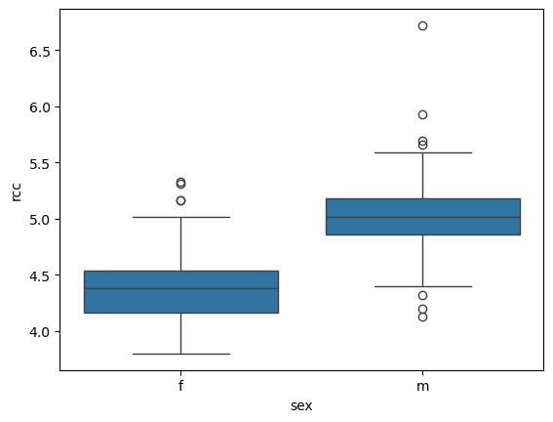
4.46 | 9.5 | 41.5 | 14.5 | 92 | 22.96 | 83 | 19.35 | 56.05 | 174 | 69.5 | f | Row
5.02 | 6.4 | 44.8 | 15.2 | 48 | 19.76 | 91 | 19.2 | 53.65 | 183.3 | 66.4 | f | Row
4.26 | 5.8 | 41.2 | 14.1 | 77 | 23.36 | 76.2 | 17.89 | 65.45 | 184.7 | 79.7 | f | Row
4.46 | 5.6 | 41.1 | 14.3 | 71 | 22.67 | 52.6 | 12.2 | 64.62 | 180.2 | 73.6 | f | Row
4.16 | 5.8 | 39.8 | 13.3 | 37 | 24.24 | 111.1 | 23.7 | 60.05 | 180.2 | 78.7 | f | Row
4.49 | 7.6 | 41.8 | 14.4 | 71 | 24.21 | 110.7 | 24.69 | 56.48 | 176 | 75 | f | Row
4.21 | 7.5 | 38.4 | 13.2 | 73 | 20.46 | 74.7 | 16.58 | 41.54 | 156 | 49.8 | f | Row
4.57 | 6.6 | 42.8 | 14.5 | 85 | 20.81 | 113.5 | 21.47 | 52.78 | 179.7 | 67.2 | f | Row
4.87 | 6.4 | 44.8 | 15 | 64 | 20.17 | 99.8 | 20.12 | 52.72 | 180.9 | 66 | f | Row
4.44 | 10.1 | 42.7 | 14 | 19 | 23.06 | 80.3 | 17.51 | 61.29 | 179.5 | 74.3 | f | Row
4.45 | 6.6 | 42.6 | 14.1 | 39 | 24.4 | 109.5 | 23.7 | 59.59 | 178.9 | 78.1 | f | Row
4.41 | 5.9 | 41.1 | 13.5 | 41 | 23.97 | 123.6 | 22.39 | 61.7 | 182.1 | 79.5 | f | Row
4.87 | 7.3 | 44.1 | 14.8 | 13 | 22.62 | 91.2 | 20.43 | 62.46 | 186.3 | 78.5 | f | Row
4.56 | 13.3 | 42.2 | 13.6 | 20 | 19.16 | 49 | 11.29 | 53.14 | 176.8 | 59.9 | f | Netball
4.15 | 6 | 38 | 12.7 | 59 | 21.15 | 110.2 | 25.26 | 47.09 | 172.6 | 63 | f | Netball
4.16 | 7.6 | 37.5 | 12.3 | 22 | 21.4 | 89 | 19.39 | 53.44 | 176 | 66.3 | f | Netball
4.32 | 6.4 | 37.7 | 12.3 | 30 | 21.03 | 98.3 | 19.63 | 48.78 | 169.9 | 60.7 | f | Netball
4.06 | 5.8 | 38.7 | 12.8 | 78 | 21.77 | 122.1 | 23.11 | 56.05 | 183 | 72.9 | f | Netball
4.12 | 6.1 | 36.6 | 11.8 | 21 | 21.38 | 90.4 | 16.86 | 56.45 | 178.2 | 67.9 | f | Netball | T-test
4.17 | 5 | 37.4 | 12.7 | 109 | 21.47 | 106.9 | 21.32 | 53.11 | 177.3 | 67.5 | f | Netball
3.8 | 6.6 | 36.5 | 12.4 | 102 | 24.45 | 156.6 | 26.57 | 54.41 | 174.1 | 74.1 | f | Netball | Correlation matrix
3.96 | 5.5 | 36.3 | 12.4 | 71 | 22.63 | 101.1 | 17.93 | 55.97 | 173.6 | 68.2 | f | Netball
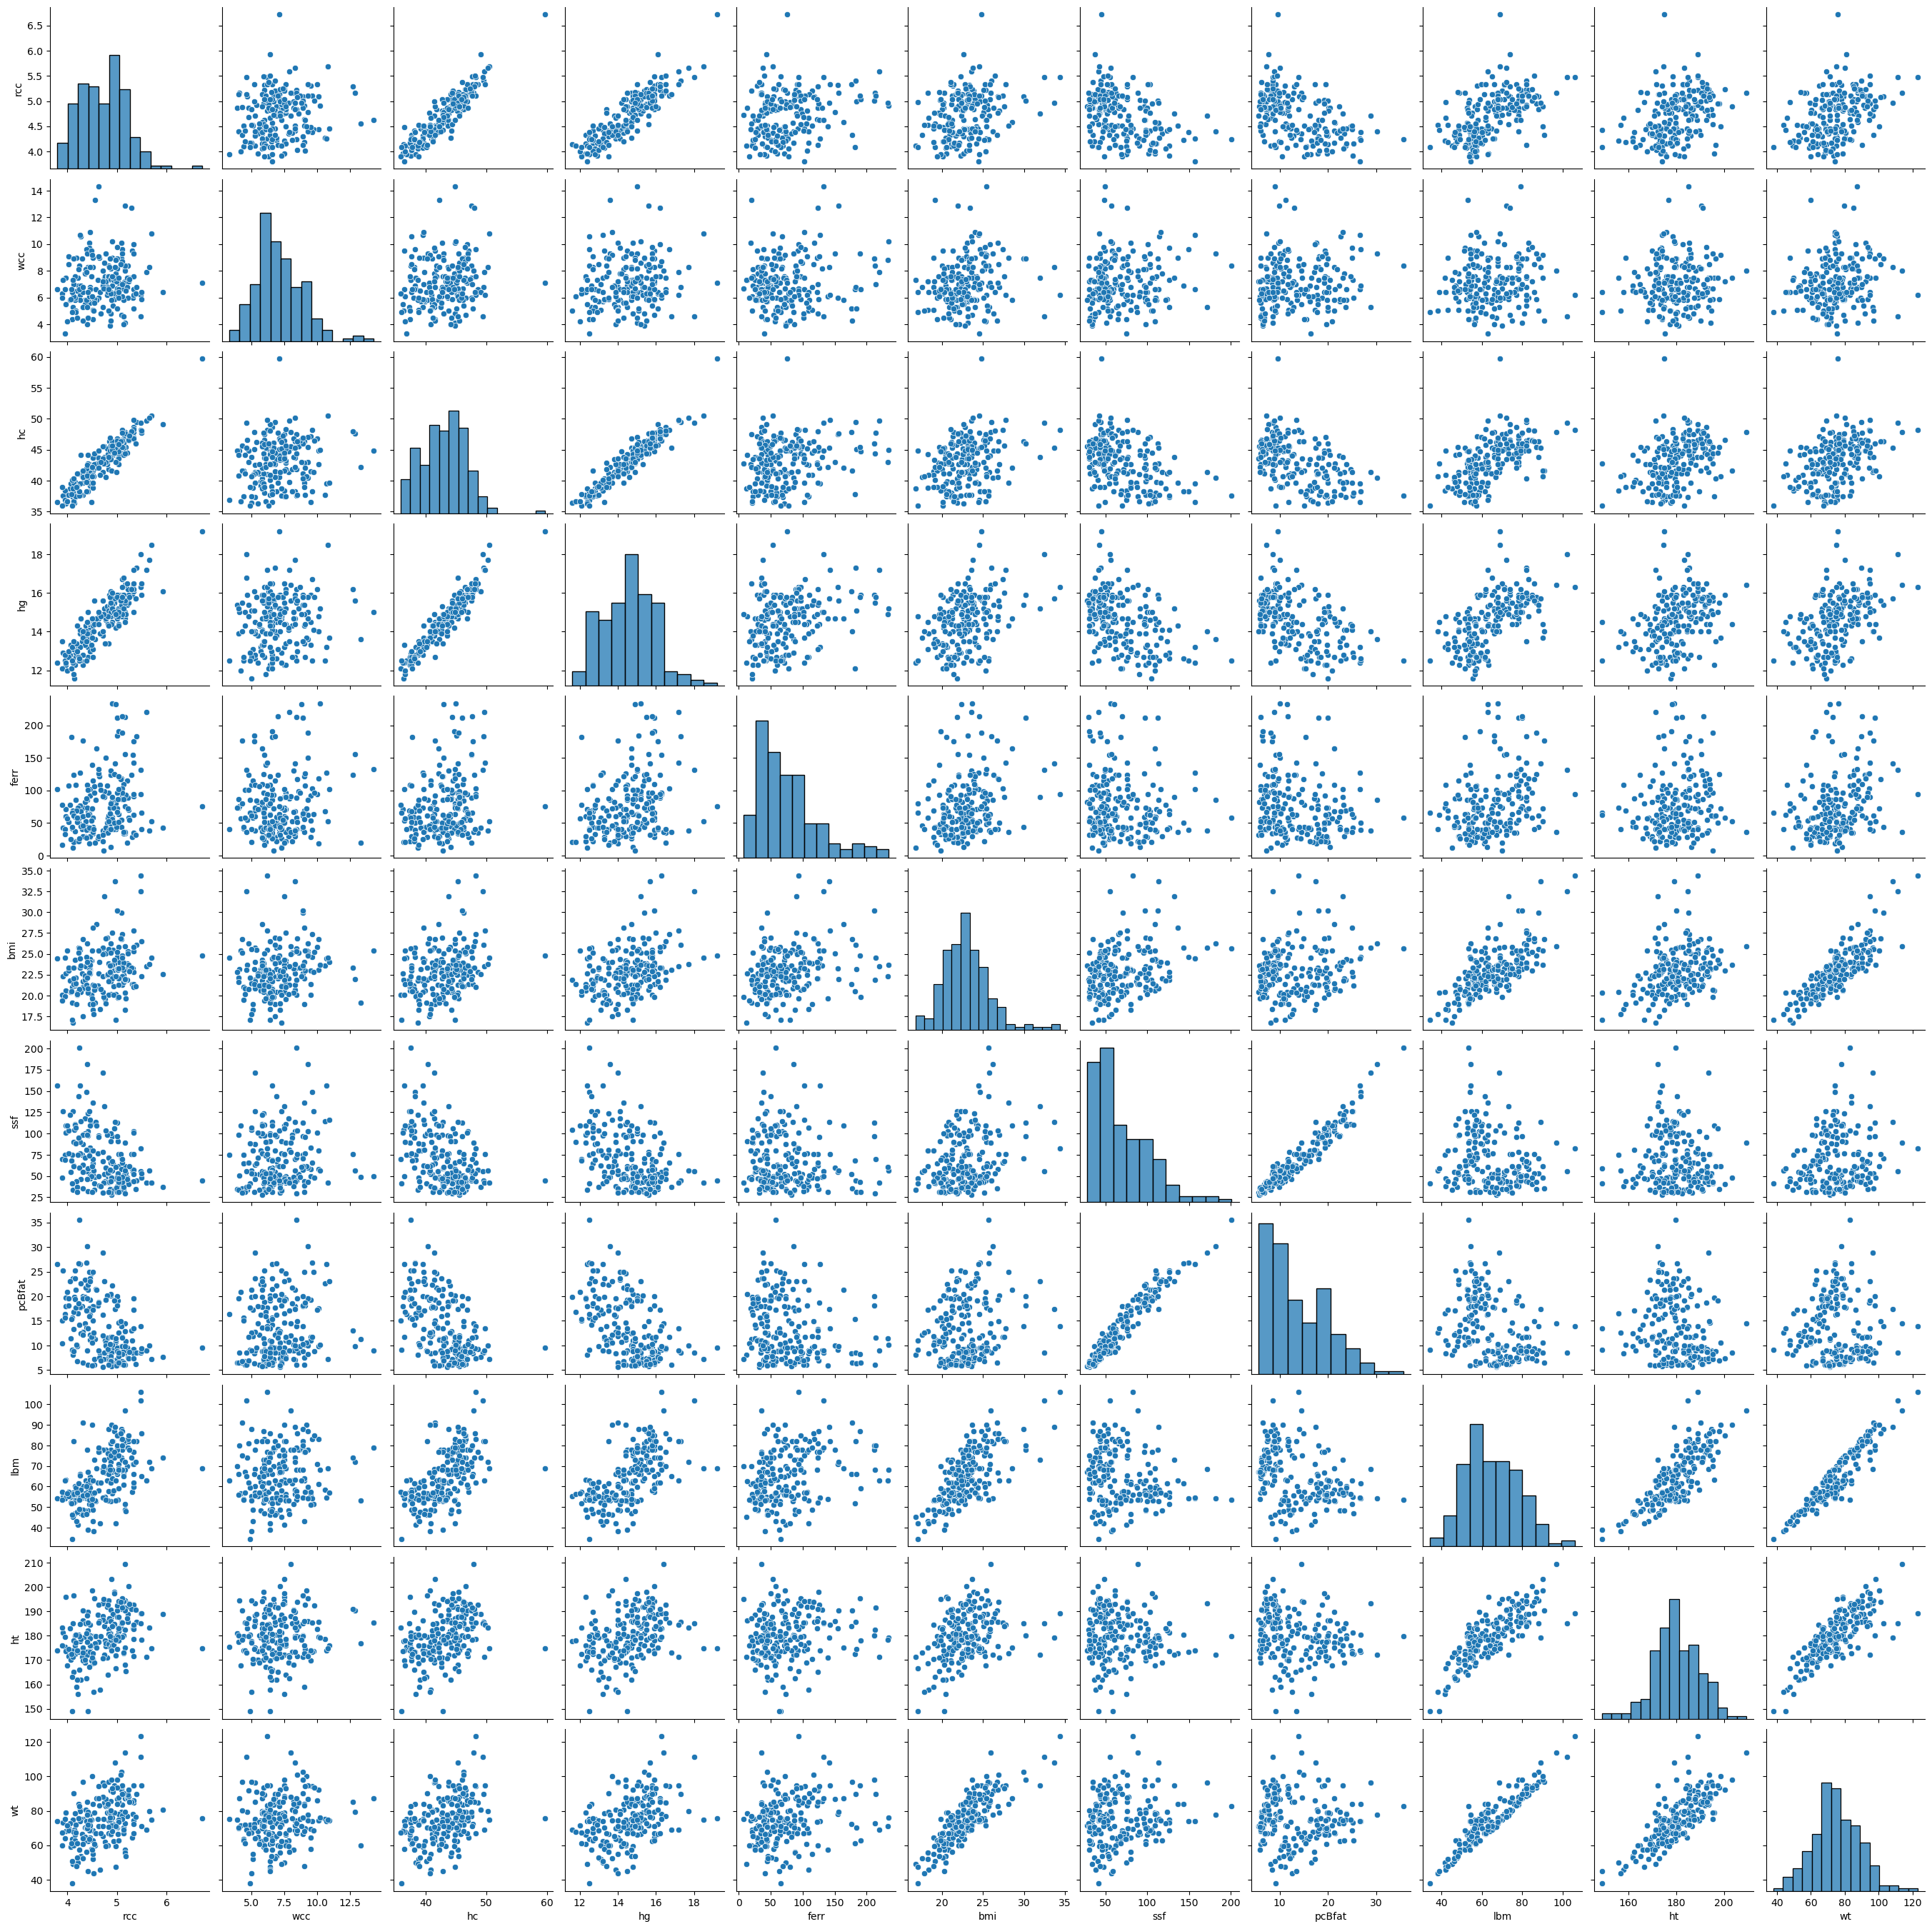
4.44 | 9.7 | 41.4 | 14.1 | 64 | 22.8 | 126.4 | 24.97 | 51.62 | 173.7 | 68.8 | f | Netball | Pairplot
4.27 | 10.6 | 37.7 | 12.5 | 68 | 23.58 | 114 | 22.62 | 58.27 | 178.7 | 75.3 | f | Netball
3.9 | 6.3 | 35.9 | 12.1 | 78 | 20.06 | 70 | 15.01 | 57.28 | 183.3 | 67.4 | f | Netball
4.02 | 9.1 | 37.7 | 12.7 | 107 | 23.01 | 77 | 18.14 | 57.3 | 174.4 | 70 | f | Netball
4.39 | 9.6 | 38.3 | 12.5 | 39 | 24.64 | 148.9 | 26.78 | 54.18 | 173.3 | 74 | f | Netball
4.52 | 5.1 | 38.8 | 13.1 | 58 | 18.26 | 80.1 | 17.22 | 42.96 | 168.6 | 51.9 | f | Netball
4.25 | 10.7 | 39.5 | 13.2 | 127 | 24.47 | 156.6 | 26.5 | 54.46 | 174 | 74.1 | f | Netball
4.46 | 10.9 | 39.7 | 13.7 | 102 | 23.99 | 115.9 | 23.01 | 57.2 | 176 | 74.3 | f | Netball
4.4 | 9.3 | 40.4 | 13.6 | 86 | 26.24 | 181.7 | 30.1 | 54.38 | 172.2 | 77.8 | f | Netball
4.83 | 8.4 | 41.8 | 13.4 | 40 | 20.04 | 71.6 | 13.93 | 57.58 | 182.7 | 66.9 | f | Netball
4.23 | 6.9 | 38.3 | 12.6 | 50 | 25.72 | 143.5 | 26.65 | 61.46 | 180.5 | 83.8 | f | Netball
4.24 | 8.4 | 37.6 | 12.5 | 58 | 25.64 | 200.8 | 35.52 | 53.46 | 179.8 | 82.9 | f | Netball
3.95 | 6.6 | 38.4 | 12.8 | 33 | 19.87 | 68.9 | 15.59 | 54.11 | 179.6 | 64.1 | f | Netball
4.03 | 8.5 | 37.7 | 13 | 51 | 23.35 | 103.6 | 19.61 | 55.35 | 171.7 | 68.8 | f | Netball
4.36 | 5.5 | 41.4 | 13.8 | 82 | 22.42 | 71.3 | 14.52 | 55.39 | 170 | 64.8 | f | Swim
4.07 | 5.9 | 39.5 | 13.3 | 25 | 20.42 | 54.6 | 11.47 | 52.23 | 170 | 59 | f | Swim
4.17 | 4.9 | 38.9 | 12.9 | 86 | 22.13 | 88.2 | 17.71 | 59.33 | 180.5 | 72.1 | f | Swim
4.23 | 8.1 | 38.2 | 12.7 | 22 | 25.17 | 95.4 | 18.48 | 61.63 | 173.3 | 75.6 | f | Swim
4.46 | 8.3 | 42.2 | 14.4 | 30 | 23.72 | 47.5 | 11.22 | 63.39 | 173.5 | 71.4 | f | Swim
4.38 | 5.8 | 42 | 14 | 27 | 21.28 | 55.6 | 13.61 | 60.22 | 181 | 69.7 | f | Swim
4.31 | 5.3 | 41.1 | 13.9 | 60 | 20.87 | 62.9 | 12.78 | 55.73 | 175 | 63.9 | f | Swim
4.51 | 5.1 | 40.9 | 14 | 115 | 19 | 52.5 | 11.85 | 48.57 | 170.3 | 55.1 | f | Swim
4.13 | 7 | 39.7 | 13.1 | 124 | 22.04 | 62.6 | 13.35 | 51.99 | 165 | 60 | f | Swim
4.48 | 9.5 | 36.5 | 13.3 | 54 | 20.12 | 49.9 | 11.77 | 51.17 | 169.8 | 58 | f | Field
5.31 | 9.5 | 47.1 | 15.9 | 29 | 21.35 | 57.9 | 11.07 | 57.54 | 174.1 | 64.7 | f | T_400m
4.58 | 5.8 | 42.1 | 14.7 | 164 | 28.57 | 109.6 | 21.3 | 68.86 | 175 | 87.5 | f | Field
4.81 | 6.8 | 42.7 | 15.3 | 50 | 26.95 | 98.5 | 20.1 | 63.04 | 171.1 | 78.9 | f | Field
4.51 | 9 | 39.7 | 14.3 | 36 | 28.13 | 136.3 | 24.88 | 63.03 | 172.7 | 83.9 | f | Field
4.77 | 7.1 | 40.6 | 14.6 | 40 | 26.85 | 103.6 | 19.26 | 66.85 | 175.6 | 82.8 | f | Field
5.33 | 9.3 | 47 | 15 | 62 | 25.27 | 102.8 | 19.51 | 59.89 | 171.6 | 74.4 | f | Field
4.75 | 7.5 | 43.8 | 15.2 | 90 | 31.93 | 131.9 | 23.01 | 72.98 | 172.3 | 94.8 | f | Field
4.11 | 7.3 | 38.7 | 12.4 | 12 | 16.75 | 33.8 | 8.07 | 45.23 | 171.4 | 49.2 | f | T_400m
4.76 | 7.6 | 42.9 | 13.4 | 36 | 19.54 | 43.5 | 11.05 | 55.06 | 178 | 61.9 | f | T_Sprnt
4.27 | 6.9 | 44.1 | 14.7 | 45 | 20.42 | 46.2 | 12.39 | 46.96 | 162 | 53.6 | f | T_400m
4.44 | 6.1 | 42.6 | 13.9 | 43 | 22.76 | 73.9 | 15.95 | 53.54 | 167.3 | 63.7 | f | T_400m
4.2 | 6.5 | 39.1 | 13 | 51 | 20.12 | 36.8 | 9.91 | 47.57 | 162 | 52.8 | f | T_400m
4.71 | 6.9 | 43.5 | 13.8 | 22 | 22.35 | 67 | 16.2 | 54.63 | 170.8 | 65.2 | f | T_400m
4.09 | 6.4 | 40.1 | 13.2 | 44 | 19.16 | 41.1 | 9.02 | 46.31 | 163 | 50.9 | f | T_400m
4.24 | 6.6 | 38.2 | 12.6 | 26 | 20.77 | 59.4 | 14.26 | 49.13 | 166.1 | 57.3 | f | T_400m
3.9 | 6 | 38.9 | 13.5 | 16 | 19.37 | 48.4 | 10.48 | 53.71 | 176 | 60 | f | T_400m
4.82 | 7.6 | 43.2 | 14.4 | 58 | 22.37 | 50 | 11.64 | 53.11 | 163.9 | 60.1 | f | T_Sprnt
4.32 | 6.8 | 40.6 | 13.7 | 46 | 17.54 | 54.6 | 12.16 | 46.12 | 173 | 52.5 | f | T_400m
4.77 | 7.2 | 43.3 | 14.8 | 43 | 19.06 | 42.3 | 10.53 | 53.41 | 177 | 59.7 | f | T_400m
5.16 | 8.2 | 45.3 | 14.7 | 34 | 20.3 | 46.1 | 10.15 | 51.48 | 168 | 57.3 | f | T_Sprnt
4.97 | 7.8 | 44.7 | 14.2 | 41 | 20.15 | 46.3 | 10.74 | 53.2 | 172 | 59.6 | f | T_Sprnt
4 | 4.2 | 36.6 | 12 | 57 | 25.36 | 109 | 20.86 | 56.58 | 167.9 | 71.5 | f | Tennis
4.4 | 4 | 40.8 | 13.9 | 73 | 22.12 | 98.1 | 19.64 | 56.01 | 177.5 | 69.7 | f | Tennis
4.38 | 7.9 | 39.8 | 13.5 | 88 | 21.25 | 80.6 | 17.07 | 46.52 | 162.5 | 56.1 | f | Tennis
4.08 | 6.6 | 37.8 | 12.1 | 182 | 20.53 | 68.3 | 15.31 | 51.75 | 172.5 | 61.1 | f | Tennis
4.98 | 6.4 | 44.8 | 14.8 | 80 | 17.06 | 47.6 | 11.07 | 42.15 | 166.7 | 47.4 | f | Tennis
5.16 | 7.2 | 44.3 | 14.5 | 88 | 18.29 | 61.9 | 12.92 | 48.76 | 175 | 56 | f | Tennis
4.66 | 6.4 | 40.9 | 13.9 | 109 | 18.37 | 38.2 | 8.45 | 41.93 | 157.9 | 45.8 | f | Tennis
4.19 | 9 | 39 | 13.4 | 69 | 18.93 | 43.5 | 10.16 | 42.95 | 158.9 | 47.8 | f | Gym
4.53 | 5 | 40.7 | 14 | 41 | 17.79 | 56.8 | 12.55 | 38.3 | 156.9 | 43.8 | f | Gym
4.09 | 4.9 | 36 | 12.5 | 66 | 17.05 | 41.6 | 9.1 | 34.36 | 148.9 | 37.8 | f | Gym
4.42 | 6.4 | 42.8 | 14.5 | 63 | 20.31 | 58.9 | 13.46 | 39.03 | 149 | 45.1 | f | Gym
5.13 | 7.1 | 46.8 | 15.9 | 34 | 22.46 | 44.5 | 8.47 | 61 | 172.7 | 67 | m | Swim
4.83 | 7.6 | 45.2 | 15.2 | 97 | 23.88 | 41.8 | 7.68 | 69 | 176.5 | 74.4 | m | Swim
5.09 | 4.7 | 46.6 | 15.9 | 55 | 23.68 | 33.7 | 6.16 | 74 | 183 | 79.3 | m | Swim
5.17 | 4.1 | 44.9 | 15 | 76 | 23.15 | 50.9 | 8.56 | 80 | 194.4 | 87.5 | m | Swim
5.11 | 6.7 | 46.1 | 15.6 | 93 | 22.32 | 40.5 | 6.86 | 78 | 193.4 | 83.5 | m | Swim
5.03 | 7.1 | 45.1 | 15.2 | 46 | 24.02 | 51.2 | 9.4 | 71 | 180.2 | 78 | m | Swim
5.32 | 6 | 47.5 | 16.3 | 155 | 23.29 | 54.4 | 9.17 | 71 | 183 | 78 | m | Swim
4.75 | 8.6 | 45.5 | 15.2 | 99 | 25.11 | 52.3 | 8.54 | 78 | 184 | 85 | m | Swim
5.34 | 6.6 | 48.6 | 16.5 | 35 | 22.81 | 57 | 9.2 | 77 | 192.7 | 84.7 | m | Swim
4.87 | 4.8 | 44.9 | 15.4 | 124 | 26.25 | 65.3 | 11.72 | 81 | 187.2 | 92 | m | Swim
5.33 | 5.2 | 47.8 | 16.1 | 176 | 21.38 | 52 | 8.44 | 66 | 183.9 | 72.3 | m | Swim
4.81 | 6.2 | 45.2 | 15.3 | 107 | 22.52 | 42.7 | 7.19 | 77 | 192 | 83 | m | Swim
4.32 | 4.3 | 41.6 | 14 | 177 | 26.73 | 35.2 | 6.46 | 91 | 190.4 | 96.9 | m | Swim
4.87 | 8.2 | 43.8 | 15 | 130 | 23.57 | 49.2 | 9 | 78 | 190.7 | 85.7 | m | Row
5.04 | 7.1 | 44 | 14.8 | 64 | 25.84 | 61.8 | 12.61 | 75 | 181.8 | 85.4 | m | Row
4.4 | 5.3 | 42.5 | 14.5 | 109 | 24.06 | 46.5 | 9.03 | 78 | 188.3 | 85.3 | m | Row
4.95 | 5.9 | 45.4 | 15.5 | 125 | 23.85 | 34.8 | 6.96 | 87 | 198 | 93.5 | m | Row
4.78 | 9.3 | 43 | 14.7 | 150 | 25.09 | 60.2 | 10.05 | 78 | 186 | 86.8 | m | Row
5.21 | 6.8 | 44.5 | 15.4 | 115 | 23.84 | 48.1 | 9.56 | 79 | 192 | 87.9 | m | Row
5.22 | 8.4 | 47.5 | 16.2 | 89 | 25.31 | 44.5 | 9.36 | 79 | 185.6 | 87.2 | m | Row
5.18 | 6.5 | 45.4 | 14.9 | 93 | 19.69 | 54 | 10.81 | 48 | 165.3 | 53.8 | m | Row
5.4 | 6.8 | 49.5 | 17.3 | 183 | 26.07 | 44.7 | 8.61 | 82 | 185.6 | 89.8 | m | Row
4.92 | 5.4 | 46.2 | 15.8 | 84 | 25.5 | 64.9 | 9.53 | 82 | 189 | 91.1 | m | Row
5.24 | 7.5 | 46.5 | 15.5 | 70 | 23.69 | 43.8 | 7.42 | 82 | 193.4 | 88.6 | m | Row
5.09 | 10.1 | 44.9 | 14.8 | 118 | 26.79 | 58.3 | 9.79 | 83 | 185.6 | 92.3 | m | Row
4.83 | 5 | 43.8 | 15.1 | 61 | 25.61 | 52.8 | 8.97 | 88 | 194.6 | 97 | m | Row
5.22 | 6 | 46.6 | 15.7 | 72 | 25.06 | 43.1 | 7.49 | 83 | 189 | 89.5 | m | Row
4.71 | 8 | 45.5 | 15.6 | 91 | 24.93 | 78 | 11.95 | 78 | 188.1 | 88.2 | m | Row
5.24 | 7.2 | 46.6 | 15.9 | 58 | 22.96 | 40.8 | 7.35 | 85 | 200.4 | 92.2 | m | B_Ball
4.54 | 5.9 | 44.4 | 15.6 | 97 | 20.69 | 41.5 | 7.16 | 73 | 195.3 | 78.9 | m | B_Ball
5.13 | 5.8 | 46.1 | 15.9 | 110 | 23.97 | 50.9 | 8.77 | 82 | 194.1 | 90.3 | m | B_Ball
5 | 6.7 | 45.3 | 15.7 | 72 | 24.64 | 49.6 | 9.56 | 79 | 187.9 | 87 | m | B_Ball
5.17 | 8 | 47.9 | 16.4 | 36 | 25.93 | 88.9 | 14.53 | 97 | 209.4 | 113.7 | m | B_Ball
4.89 | 7.5 | 41.6 | 14.4 | 53 | 23.69 | 48.3 | 8.51 | 90 | 203.4 | 98 | m | B_Ball
4.5 | 9.2 | 40.7 | 13.7 | 72 | 25.38 | 61.8 | 10.64 | 90 | 198.7 | 100.2 | m | B_Ball
4.84 | 8.3 | 46.3 | 15.9 | 39 | 22.68 | 43 | 7.06 | 74 | 187.1 | 79.4 | m | B_Ball
4.13 | 8.9 | 40.3 | 13.5 | 61 | 23.36 | 61.1 | 8.87 | 82 | 196.6 | 90.3 | m | B_Ball
4.87 | 7.4 | 43.5 | 15 | 49 | 22.44 | 43.8 | 7.88 | 72 | 186.1 | 77.7 | m | B_Ball
4.82 | 6.4 | 44.3 | 14.8 | 35 | 22.57 | 54.2 | 9.2 | 76 | 192.8 | 83.9 | m | B_Ball
4.73 | 6.7 | 42.8 | 14.9 | 8 | 19.81 | 41.8 | 7.19 | 70 | 195.2 | 75.5 | m | B_Ball
4.55 | 5.6 | 42.6 | 14.4 | 106 | 21.19 | 34.1 | 6.06 | 57 | 169.1 | 60.6 | m | T_400m
4.71 | 7.2 | 43.6 | 14 | 32 | 20.39 | 30.5 | 5.63 | 67 | 186.6 | 71 | m | T_400m
4.93 | 7.3 | 46.2 | 15.1 | 41 | 21.12 | 34 | 6.59 | 67 | 184.4 | 71.8 | m | T_400m
5.21 | 7.5 | 47.5 | 16.5 | 20 | 21.89 | 46.7 | 9.5 | 70 | 187.3 | 76.8 | m | T_400m
5.09 | 8.9 | 46.3 | 15.4 | 44 | 29.97 | 71.1 | 13.97 | 88 | 185.1 | 102.7 | m | Field
5.11 | 9.6 | 48.2 | 16.7 | 103 | 27.39 | 65.9 | 11.66 | 83 | 185.5 | 94.2 | m | Field
4.94 | 6.3 | 45.7 | 15.5 | 50 | 23.11 | 34.3 | 6.43 | 74 | 184.9 | 79 | m | Field
4.87 | 6.3 | 45.8 | 16.1 | 41 | 21.75 | 34.6 | 6.99 | 62 | 175 | 66.6 | m | T_400m
4.41 | 4.5 | 44.2 | 15 | 101 | 20.89 | 31.8 | 6 | 67 | 185.4 | 71.8 | m | T_400m
4.86 | 3.9 | 44.9 | 15.4 | 73 | 22.83 | 34.5 | 6.56 | 70 | 181 | 74.8 | m | T_400m
4.91 | 9 | 46.3 | 15.4 | 56 | 22.02 | 31 | 6.03 | 64 | 176 | 68.2 | m | T_400m
4.93 | 7.3 | 45.2 | 15.8 | 74 | 20.07 | 32.6 | 6.33 | 58 | 176.2 | 62.3 | m | T_400m
4.2 | 4.5 | 41.2 | 14.3 | 58 | 20.15 | 31.5 | 6.82 | 57 | 174 | 61 | m | T_400m | Linear regression
5.1 | 6.1 | 45.3 | 14.9 | 87 | 21.24 | 32.6 | 6.2 | 73 | 191 | 77.5 | m | T_400m
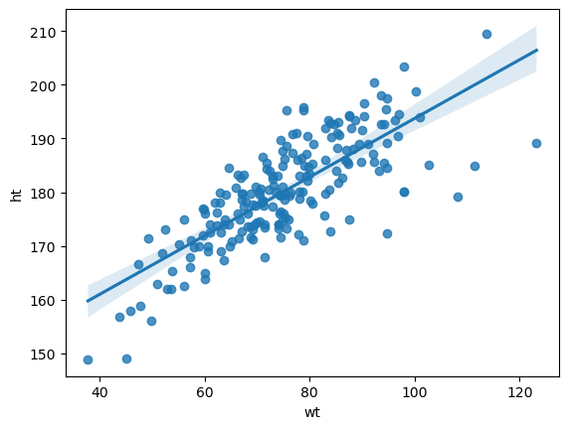
4.5 | 6.1 | 42.2 | 14.7 | 139 | 19.63 | 31 | 5.93 | 54 | 171 | 57.4 | m | T_400m | Regression plot:
4.89 | 5.8 | 45.5 | 15.6 | 82 | 23.58 | 28 | 5.8 | 67 | 174 | 71.4 | m | T_Sprnt
5.13 | 4 | 44.1 | 15.2 | 87 | 21.65 | 33.7 | 6.56 | 66 | 180.2 | 70.3 | m | T_Sprnt
4.88 | 4.3 | 45.6 | 15.5 | 80 | 25.17 | 30.3 | 6.76 | 75 | 178.5 | 80.2 | m | T_Sprnt
5 | 8.2 | 46.8 | 14.7 | 67 | 23.25 | 38 | 7.22 | 78 | 190.3 | 84.2 | m | Field
5.48 | 4.6 | 49.4 | 18 | 132 | 32.52 | 55.7 | 8.51 | 102 | 185 | 111.3 | m | Field
5.93 | 6.4 | 49.1 | 16.1 | 43 | 22.59 | 37.5 | 7.72 | 74 | 189 | 80.7 | m | Field
5.01 | 8.9 | 46 | 15.9 | 212 | 30.18 | 112.5 | 19.94 | 78 | 180.1 | 97.9 | m | Field
5.48 | 6.2 | 48.2 | 16.3 | 94 | 34.42 | 82.7 | 13.91 | 106 | 189.2 | 123.2 | m | Field
5.16 | 8.4 | 44.4 | 15.5 | 213 | 21.86 | 29.7 | 6.1 | 68 | 182.6 | 72.9 | m | T_Sprnt
4.64 | 9 | 42.9 | 14.9 | 122 | 23.99 | 38.9 | 7.52 | 77 | 186 | 83 | m | T_Sprnt
6.72 | 7.1 | 59.7 | 19.2 | 76 | 24.81 | 44.8 | 9.56 | 69 | 174.9 | 75.9 | m | T_Sprnt
4.83 | 6.6 | 43.8 | 14.3 | 53 | 21.68 | 30.9 | 6.06 | 66 | 180.6 | 70.7 | m | T_400m
5.34 | 7.6 | 48.3 | 16.2 | 91 | 21.04 | 44 | 7.35 | 62 | 178.6 | 67.1 | m | T_400m
5.13 | 4.6 | 45.3 | 16.8 | 36 | 23.12 | 37.5 | 6 | 65 | 173 | 69.2 | m | T_400m
4.68 | 4.8 | 43 | 14.8 | 101 | 20.76 | 37.6 | 6.92 | 62 | 179.7 | 67.1 | m | T_400m
5 | 5.2 | 45.1 | 15.1 | 184 | 23.13 | 31.7 | 6.33 | 66 | 174.6 | 70.5 | m | T_Sprnt
4.99 | 7.2 | 41.4 | 14.9 | 44 | 22.35 | 36.6 | 5.9 | 67 | 178 | 70.8 | m | T_Sprnt
5.49 | 5.9 | 47.7 | 15.9 | 66 | 22.28 | 48 | 8.84 | 65 | 178.5 | 71 | m | T_400m | Split data | 0
5.59 | 7.9 | 49.7 | 17.2 | 220 | 23.55 | 41.9 | 8.94 | 63 | 171.3 | 69.1 | m | T_Sprnt
5.03 | 6.6 | 44.7 | 15.9 | 191 | 19.85 | 30.9 | 6.53 | 59 | 178 | 62.9 | m | T_400m | Linear regression
5.5 | 6.4 | 48.1 | 16.5 | 40 | 26.51 | 52.8 | 9.4 | 86 | 189.1 | 94.8 | m | T_Sprnt
5.11 | 9.3 | 45.4 | 15.8 | 189 | 24.78 | 43.2 | 8.18 | 87 | 195.4 | 94.6 | m | Field | Training coefficients
4.96 | 8.3 | 45.3 | 15.7 | 141 | 33.73 | 113.5 | 17.41 | 89 | 179.1 | 108.2 | m | Field
5.01 | 8.9 | 46 | 15.9 | 212 | 30.18 | 96.9 | 18.08 | 80 | 180.1 | 97.9 | m | Field | R-squared of test model | 0.61959476571
5.11 | 8.7 | 46.5 | 16.3 | 97 | 23.31 | 49.3 | 9.86 | 68 | 179.6 | 75.2 | m | Field
5.69 | 10.8 | 50.5 | 18.5 | 53 | 24.51 | 42.3 | 7.29 | 69 | 174.7 | 74.8 | m | T_Sprnt | MSE of test model | 36.499869067
4.63 | 9.1 | 42.1 | 14.4 | 126 | 25.37 | 96.3 | 18.72 | 77 | 192.7 | 94.2 | m | W_Polo
4.91 | 10.2 | 45 | 15.2 | 234 | 23.67 | 56.5 | 10.12 | 68 | 179.3 | 76.1 | m | W_Polo
4.95 | 7.5 | 44.5 | 15 | 50 | 24.28 | 105.7 | 19.17 | 77 | 197.5 | 94.7 | m | W_Polo
5.34 | 10 | 46.8 | 16.2 | 94 | 25.82 | 100.7 | 17.24 | 71 | 182.7 | 86.2 | m | W_Polo
5.16 | 12.9 | 47.6 | 15.6 | 156 | 21.93 | 56.8 | 9.89 | 72 | 190.5 | 79.6 | m | W_Polo
5.29 | 12.7 | 48 | 16.2 | 124 | 23.38 | 75.9 | 13.06 | 74 | 191 | 85.3 | m | W_Polo
5.02 | 6.1 | 43.6 | 14.8 | 87 | 23.07 | 52.8 | 8.84 | 68 | 179.6 | 74.4 | m | W_Polo
5.01 | 9.8 | 46.5 | 15.8 | 97 | 25.21 | 47.8 | 8.87 | 85 | 192.6 | 93.5 | m | W_Polo
5.03 | 7.5 | 43.6 | 14.4 | 102 | 23.25 | 76 | 14.69 | 75 | 194.1 | 87.6 | m | W_Polo
5.25 | 7.4 | 47.3 | 15.8 | 55 | 22.93 | 61.2 | 8.64 | 78 | 193 | 85.4 | m | W_Polo
5.08 | 8.5 | 46.3 | 15.6 | 117 | 26.86 | 75.6 | 14.98 | 86 | 193.9 | 101 | m | W_Polo
5.04 | 6 | 45.9 | 15 | 52 | 21.26 | 43.3 | 7.82 | 69 | 187.7 | 74.9 | m | W_Polo
4.63 | 14.3 | 44.8 | 15 | 133 | 25.43 | 49.5 | 8.97 | 79 | 185.3 | 87.3 | m | W_Polo
5.11 | 7 | 47.7 | 15.8 | 214 | 24.54 | 70 | 11.63 | 80 | 191.5 | 90 | m | W_Polo
5.34 | 6.2 | 49.8 | 17.2 | 143 | 27.79 | 75.7 | 13.49 | 82 | 184.6 | 94.7 | m | W_Polo
4.86 | 8.9 | 46.9 | 15.8 | 65 | 23.58 | 57.7 | 10.25 | 68 | 179.9 | 76.3 | m | W_Polo
4.9 | 7.6 | 45.6 | 16 | 90 | 27.56 | 67.2 | 11.79 | 82 | 183.9 | 93.2 | m | W_Polo
5.66 | 8.3 | 50.2 | 17.7 | 38 | 23.76 | 56.5 | 10.05 | 72 | 183.5 | 80 | m | Tennis
5.03 | 6.4 | 42.7 | 14.3 | 122 | 22.01 | 47.6 | 8.51 | 68 | 183.1 | 73.8 | m | Tennis
4.97 | 8.8 | 43 | 14.9 | 233 | 22.34 | 60.4 | 11.5 | 63 | 178.4 | 71.1 | m | Tennis
5.38 | 6.3 | 46 | 15.7 | 32 | 21.07 | 34.9 | 6.26 | 72 | 190.8 | 76.7 | m | Tennis

