Sheet1
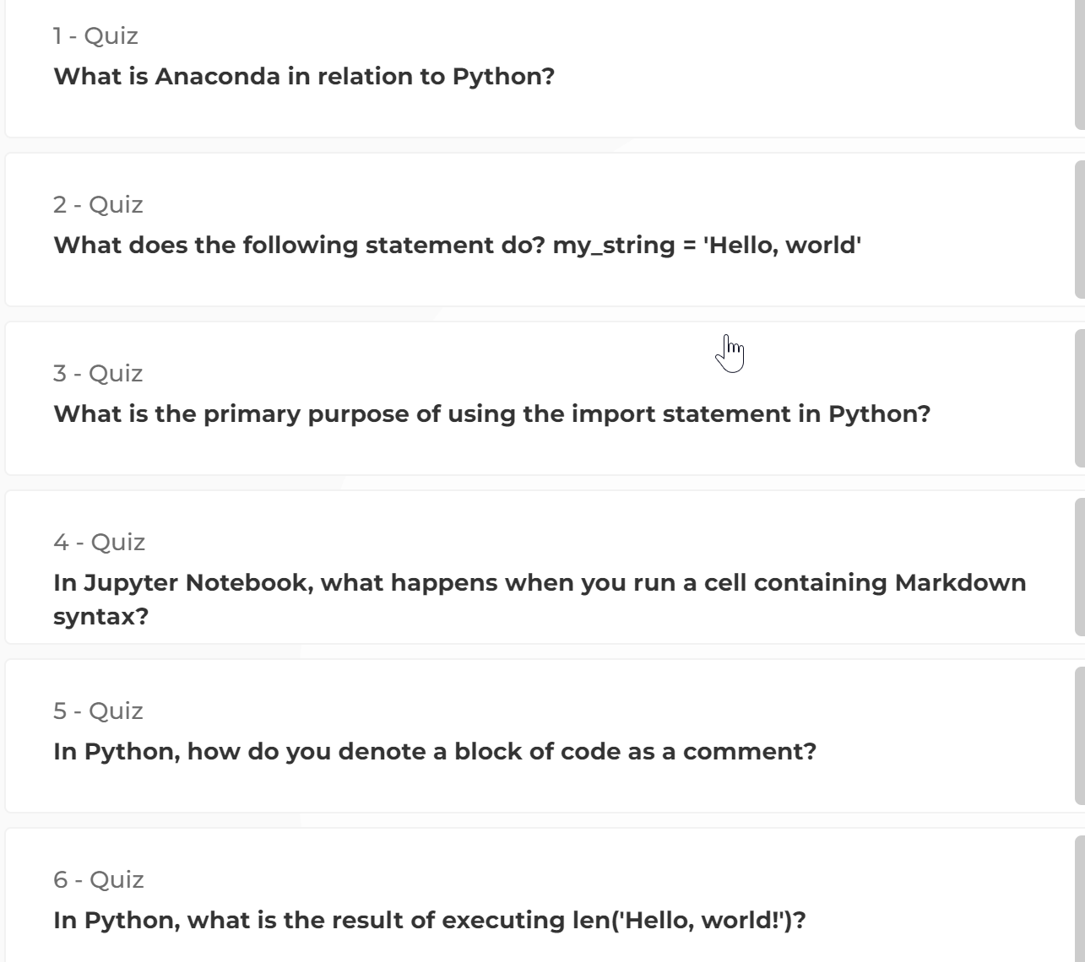
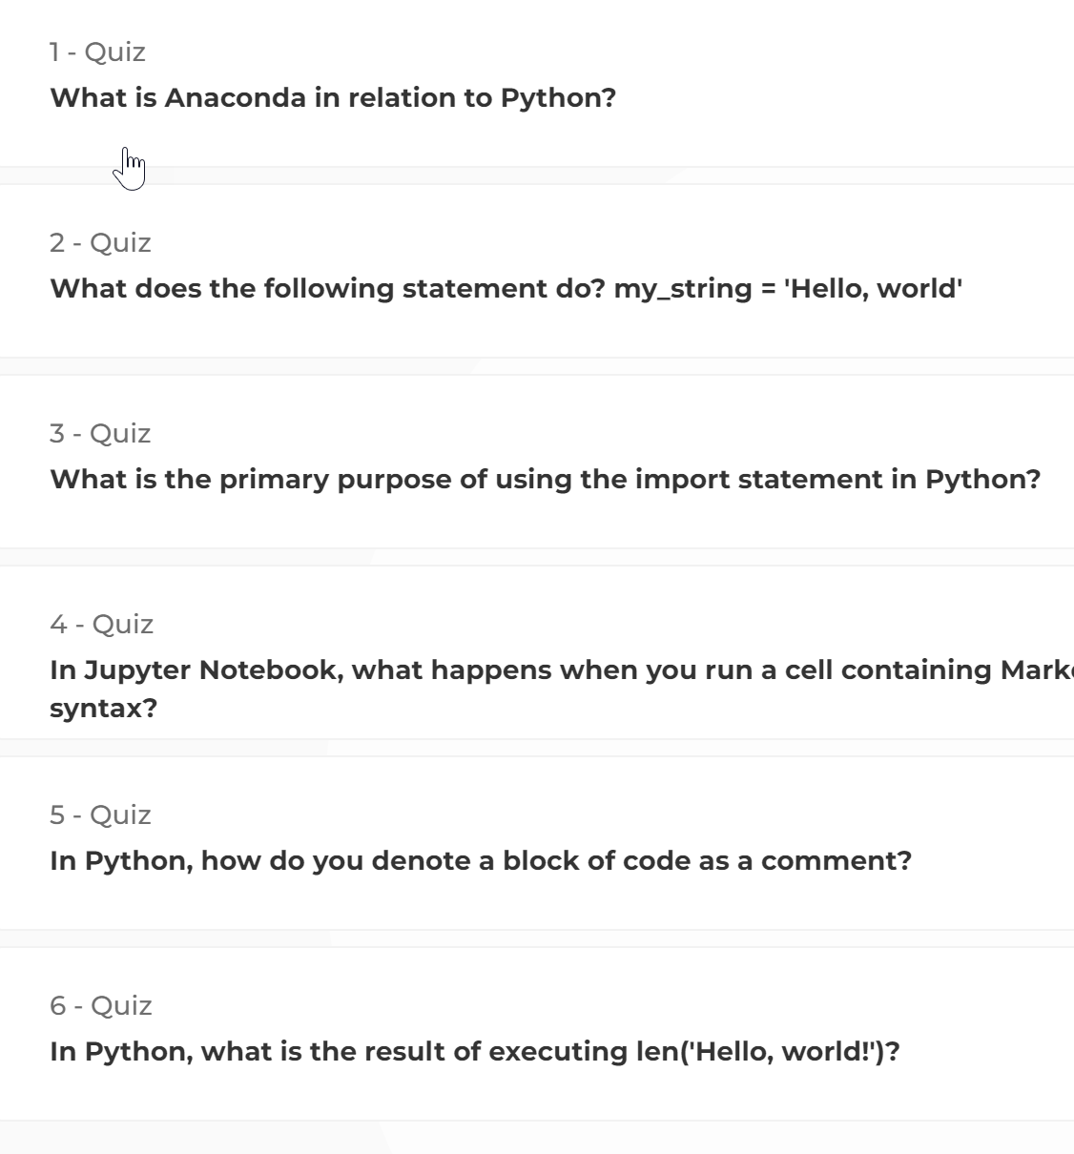
session # | session name | kahoot warmup | presentation | exercises
1 | Python language & ecosystem | n/a
2 | Python data structures | https://chat.openai.com/share/ebbbaaed-92a8-4f35-96df-2479ab43226a
3 | Python data analysis & visualization | https://chat.openai.com/share/2175ff25-855f-4f1a-ada1-608b77d83d86
4 | Working with time series data | https://create.kahoot.it/creator/ed7b5110-c8b0-4d35-b7b4-e79a0dad2413

