Analysis1
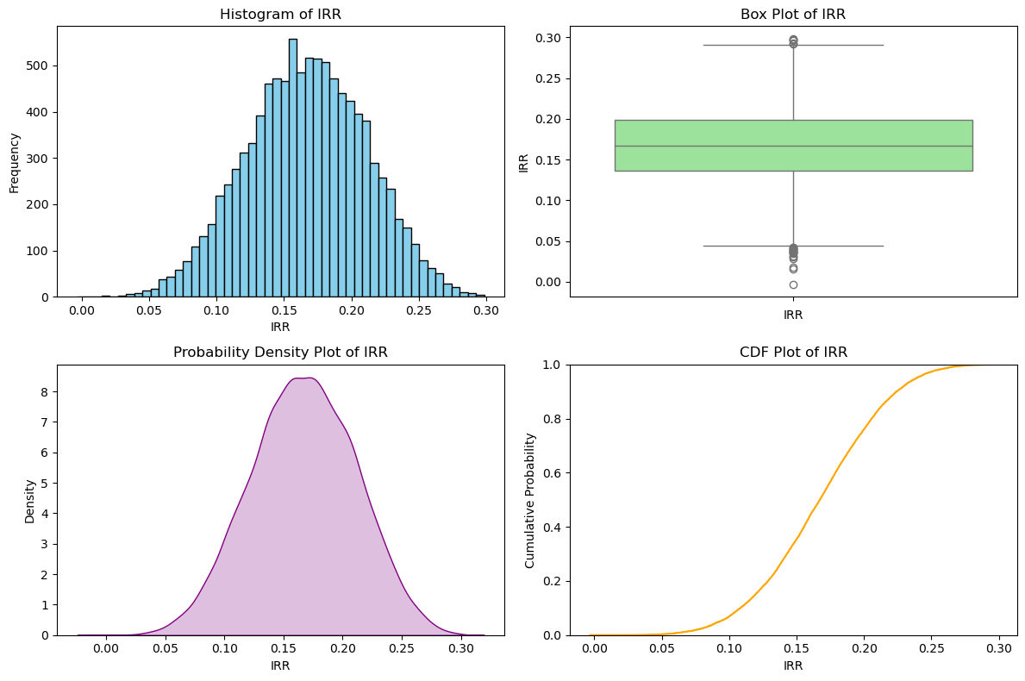
Analysis Sheet
This sheet will include all the Python formulas generated by Copilot.

Generate cash flows for each year based on specified distributions

Preview
 | Year 0 | Year 1 | Year 2 | Year 3
0 | -100000 | 27490.802377 | 42560.691483 | 54556.164335
1 | -100000 | 39014.286128 | 44374.069491 | 50238.300867
2 | -100000 | 34639.878836 | 51944.094551 | 55355.318968
3 | -100000 | 31973.169684 | 44130.633368 | 54472.638062
4 | -100000 | 23120.372809 | 55563.171526 | 62975.580454

Calculate IRR for each set of yearly cash flows across all simulations

Calculate IRR for each set of yearly cash flows across all simulations

Preview
 | IRR
0 | 0.10587147831
1 | 0.15294966616
2 | 0.18203290401
3 | 0.1332765652
4 | 0.16824474718

Aggregate IRR results

Preview
0.1668056287
0.16726468118
<ndarray>

Visualizations of IRR results

