pairplot
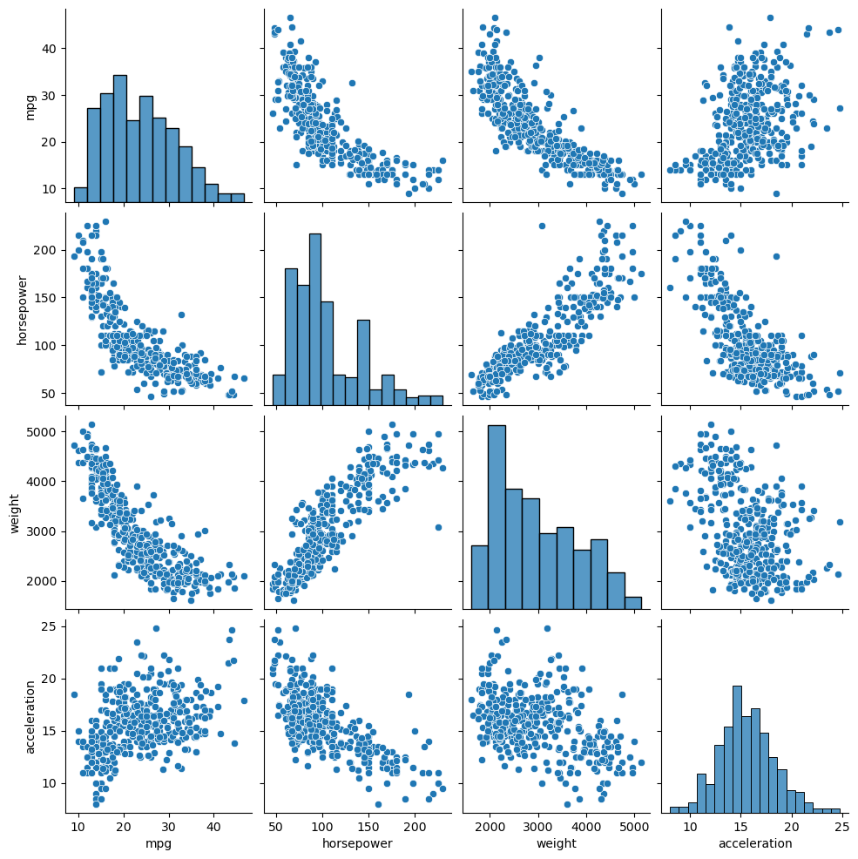
0

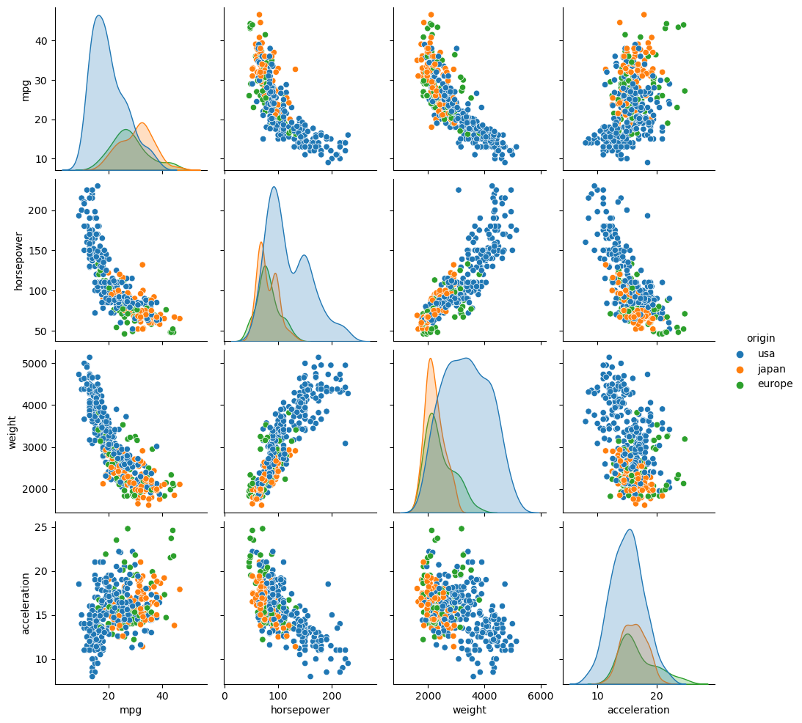
0

stripplot
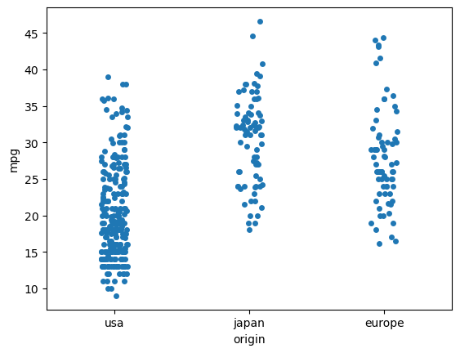
0

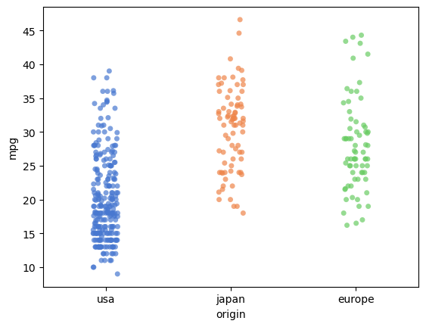
0

correlation
correlation

0 | 0 | 0 | 0 | 0 | 0 | 0
0 | 0 | 0 | 0 | 0 | 0 | 0
0 | 0 | 0 | 0 | 0 | 0 | 0
0 | 0 | 0 | 0 | 0 | 0 | 0
0 | 0 | 0 | 0 | 0 | 0 | 0
0 | 0 | 0 | 0 | 0 | 0 | 0
0 | 0 | 0 | 0 | 0 | 0 | 0

correlation visualized

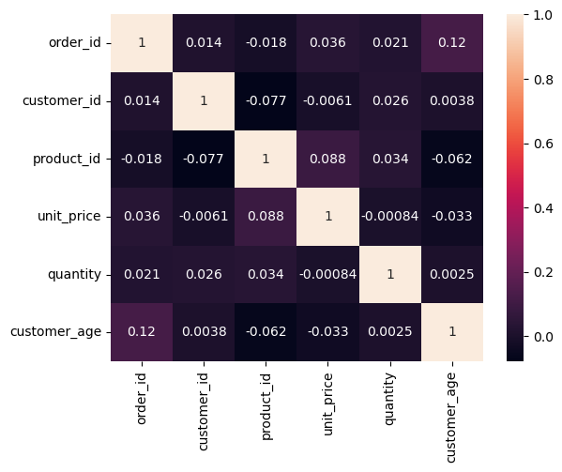
0

