viz
Date | Sales | Choose Start Date | 2024-01-01
2024-01-01 | 1,200 | Choose End Date | 2024-02-15
2024-01-02 | 1,150 | Cum average or sum? | sum
2024-01-03 | 1,300
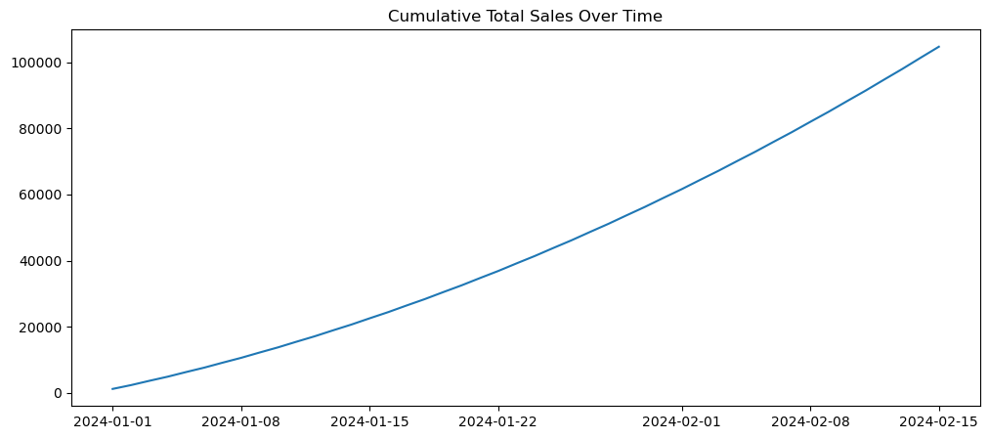
2024-01-04 | 1,250
2024-01-05 | 1,400
2024-01-06 | 1,350
2024-01-07 | 1,500
2024-01-08 | 1,450
2024-01-09 | 1,600
2024-01-10 | 1,550
2024-01-11 | 1,700
2024-01-12 | 1,650
2024-01-13 | 1,800
2024-01-14 | 1,750
2024-01-15 | 1,900
2024-01-16 | 1,850
2024-01-17 | 2,000
2024-01-18 | 1,950
2024-01-19 | 2,100
2024-01-20 | 2,050
2024-01-21 | 2,200
2024-01-22 | 2,150
2024-01-23 | 2,300
2024-01-24 | 2,250
2024-01-25 | 2,400
2024-01-26 | 2,350
2024-01-27 | 2,500
2024-01-28 | 2,450
2024-01-29 | 2,600
2024-01-30 | 2,550
2024-01-31 | 2,700
2024-02-01 | 2,650
2024-02-02 | 2,800
2024-02-03 | 2,750
2024-02-04 | 2,900
2024-02-05 | 2,850
2024-02-06 | 3,000
2024-02-07 | 2,950
2024-02-08 | 3,100
2024-02-09 | 3,050
2024-02-10 | 3,200
2024-02-11 | 3,150
2024-02-12 | 3,300
2024-02-13 | 3,250
2024-02-14 | 3,400
2024-02-15 | 3,350
2024-02-16 | 3,500
2024-02-17 | 3,450
2024-02-18 | 3,600
2024-02-19 | 3,550
2024-02-20 | 3,700
2024-02-21 | 3,650
2024-02-22 | 3,800
2024-02-23 | 3,750
2024-02-24 | 3,900
2024-02-25 | 3,850
2024-02-26 | 4,000
2024-02-27 | 3,950
2024-02-28 | 4,100
2024-02-29 | 4,050
2024-03-01 | 4,200
2024-03-02 | 4,150
2024-03-03 | 4,300
2024-03-04 | 4,250
2024-03-05 | 4,400
2024-03-06 | 4,350
2024-03-07 | 4,500
2024-03-08 | 4,450
2024-03-09 | 4,600
2024-03-10 | 4,550
2024-03-11 | 4,700
2024-03-12 | 4,650
2024-03-13 | 4,800
2024-03-14 | 4,750
2024-03-15 | 4,900
2024-03-16 | 4,850
2024-03-17 | 5,000
2024-03-18 | 4,950
2024-03-19 | 5,100
2024-03-20 | 5,050
2024-03-21 | 5,200
2024-03-22 | 5,150
2024-03-23 | 5,300
2024-03-24 | 5,250
2024-03-25 | 5,400
2024-03-26 | 5,350
2024-03-27 | 5,500
2024-03-28 | 5,450
2024-03-29 | 5,600
2024-03-30 | 5,550
2024-03-31 | 5,700

