montecarlo-distribution
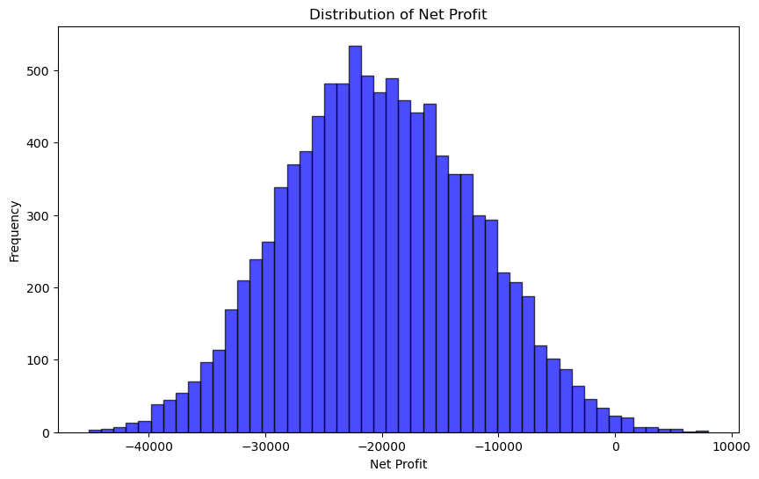

montecarlo-overtime
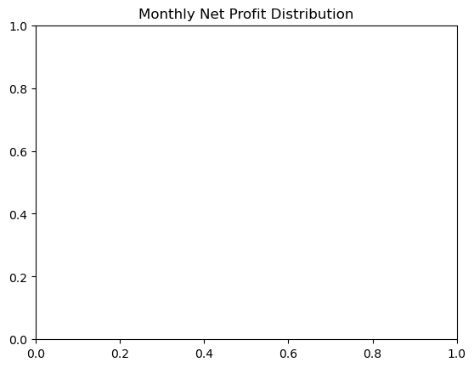

Build one to see the distributions
Or how to figure out the distributions?

