monte-carlo-1
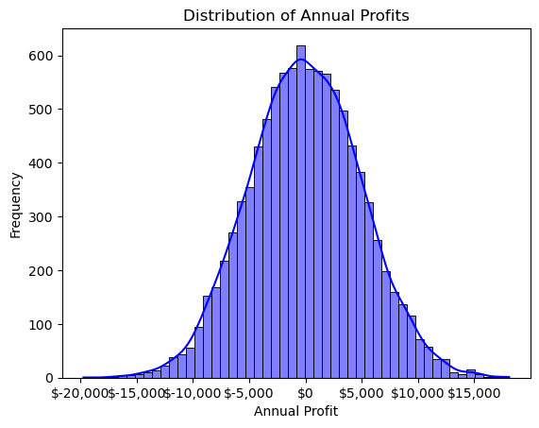
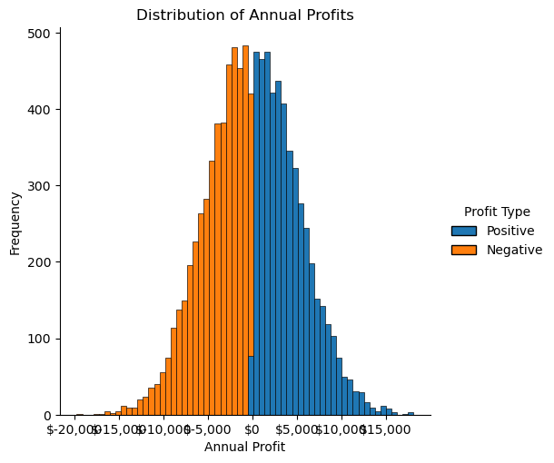
Number of simulations | 10,000
Number of months | 12
Average monthly revenue | $50,000
Standard deviation revenue | $1,000
Average monthly cost | $50,000
Standard deviation cost | $1,000

Random seed | 1234

monte-carlo-exercise
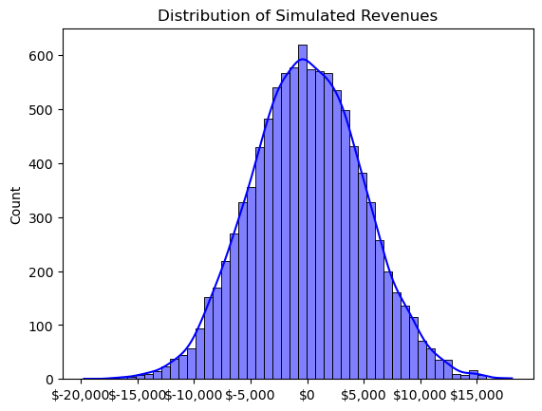
Number of simulations | 10,000
Revenue per unit avg | $50
Cost per unit avg | $80
Revenue per unit std | $10
Cost per unit std | $20

Random seed | 1234

monte-carlo-2
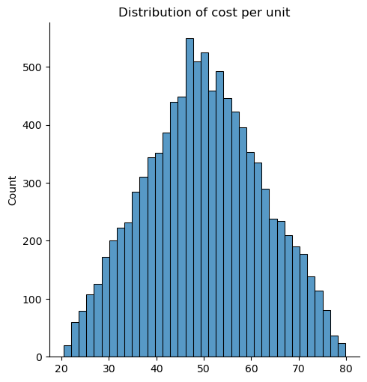
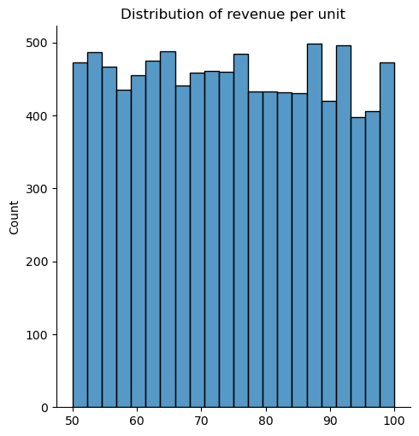
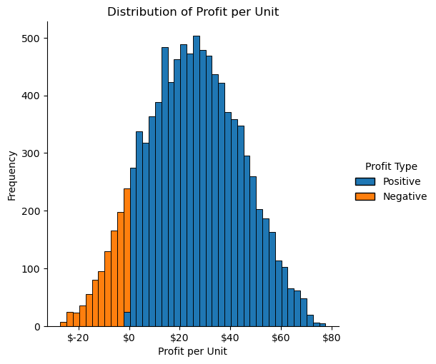
Revenue per unit minimum | $50
Revenue per unit maximum | $100
Cost per unit minimum | $20
Cost per unit maximum | $80
Cost per unit mode | $50

Random seed | 1234
Number of simulations | 10,000

profit-path
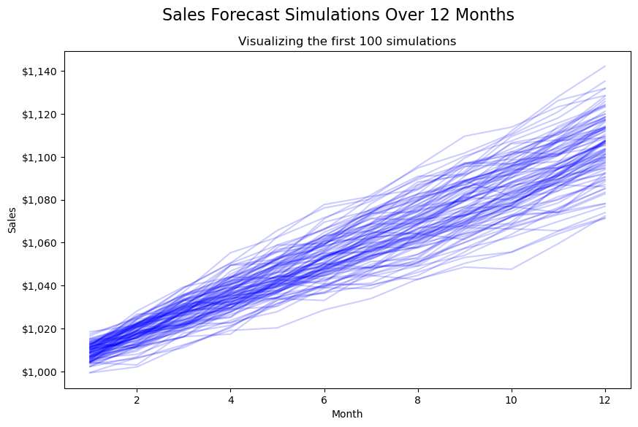
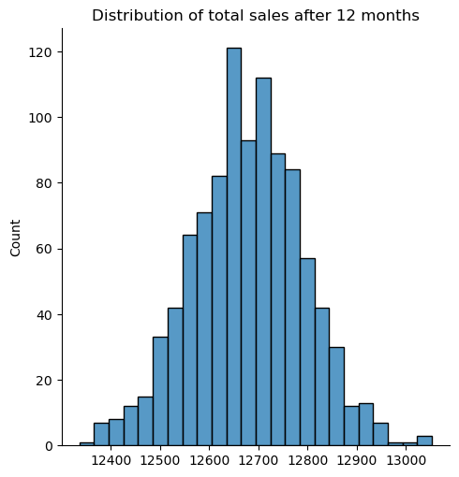
Initial sales | $1,000
Annual growth rate | 10%
Standard deviation growth rate | 5%
Number of months to simulate | 12

Number of simulation runs | 1,000
Random seed for reproducibility | 1234

