nyc-pop
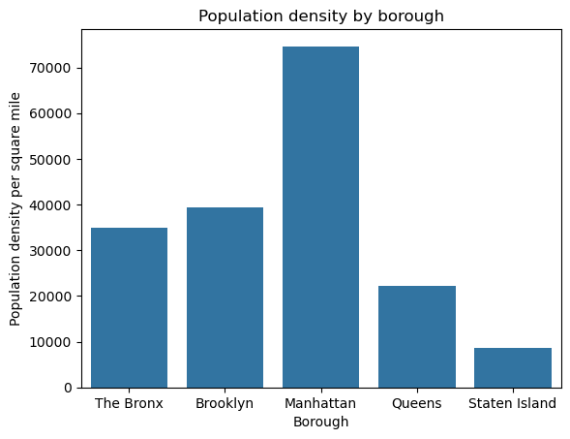
Borough | Population | Land area
The Bronx | 1,472,654 | 42.2
Brooklyn | 2,736,074 | 69.4
Manhattan | 1,694,251 | 22.7
Queens | 2,405,464 | 108.7
Staten Island | 495,747 | 57.5

