Sheet1
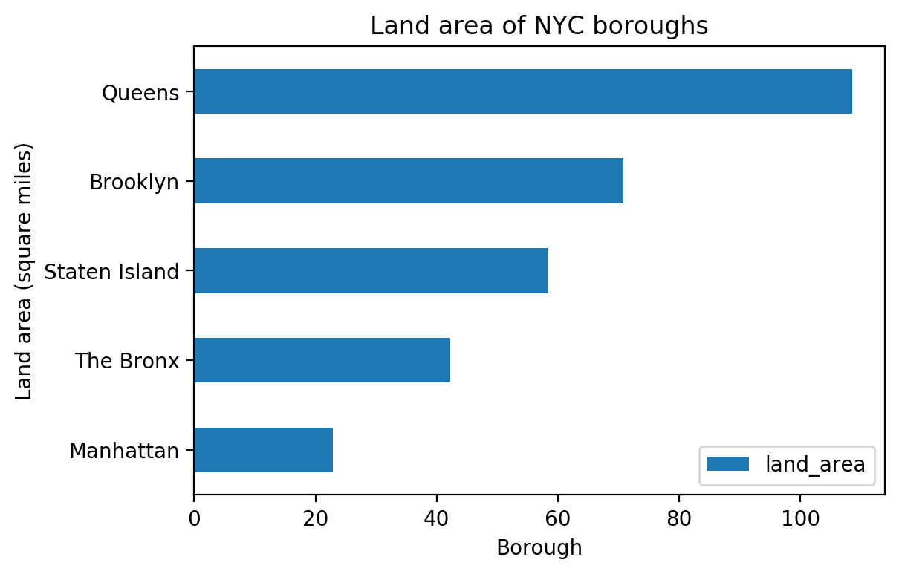
Land area of NYC boroughs
borough | land_area | land_area
Manhattan | 22.83 | 22.83
The Bronx | 42.1 | 42.1
Staten Island | 58.37 | 58.37
Brooklyn | 70.82 | 70.82
Queens | 108.53 | 108.53

