Sheet1
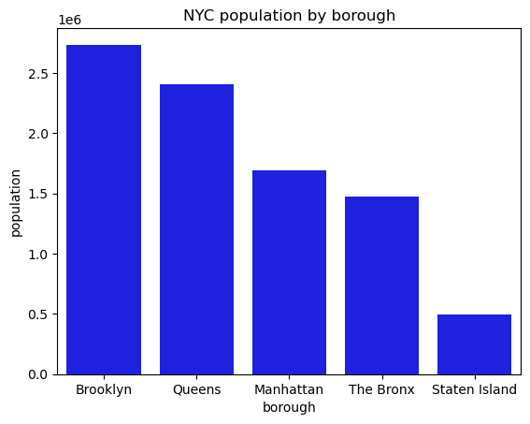
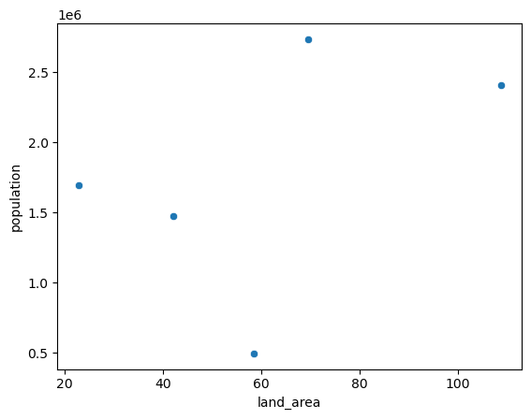
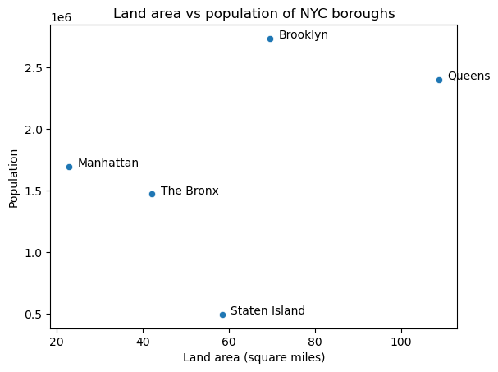
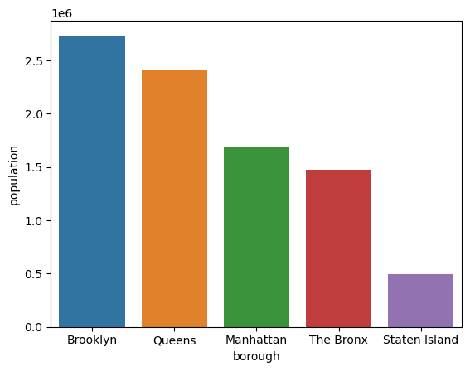
borough | population | land_area
Brooklyn | 2,736,074 | 69.5
Queens | 2,405,464 | 108.7
Manhattan | 1,694,251 | 22.83
The Bronx | 1,472,654 | 42.1
Staten Island | 495,747 | 58.37

