time_series
 | order_id | customer_id | product_id | product_name | category | unit_price | quantity | sales | customer_age | customer_gender | country
order_date
44879 | 1 | 150 | 9 | Tablet | Electronics | 611 | 1 | 611 | 62 | Female | Germany
44840 | 2 | 176 | 36 | Smartphone | Electronics | 751 | 4 | 3004 | 23 | Male | Canada
44688 | 3 | 37 | 22 | Jacket | Accessories | 821 | 4 | 3284 | 54 | Male | UK
44690 | 4 | 143 | 42 | Shoes | Electronics | 395 | 4 | 1580 | 50 | Male | Germany
44619 | 5 | 163 | 26 | Jacket | Accessories | 301 | 1 | 301 | 39 | Male | Australia

order_date | quantity
44563 | 11
44570 | 27
44577 | 21
44584 | 11
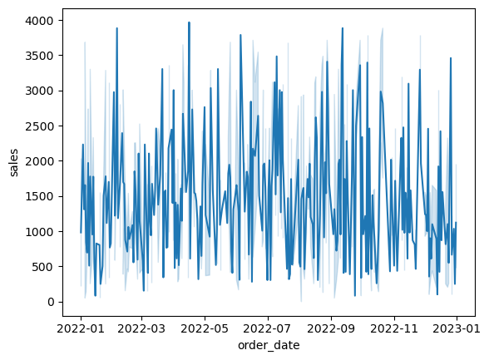
44591 | 22

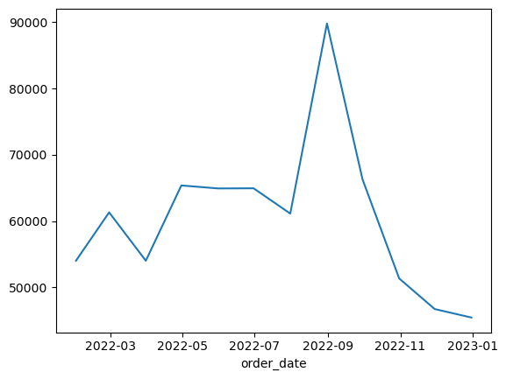
order_date | sales
44592 | 54020
44620 | 61316
44651 | 54013
44681 | 65379
44712 | 64927
44742 | 64948
44773 | 61130
44804 | 89830
44834 | 66313
44865 | 51339
44895 | 46723
44926 | 45441

