Sheet2
 |  |  |  |  | Row Labels | Sum of Sales
 |  |  |  |  | Alabama | 19510.64
 |  |  |  |  | Arizona | 35282.001
 |  |  |  |  | Arkansas | 11678.13
 |  |  |  |  | California | 457687.6315
 |  |  |  |  | Colorado | 32108.118
 |  |  |  |  | Connecticut | 13384.357
 |  |  |  |  | Delaware | 27451.069
 |  |  |  |  | District of Columbia | 2865.02
 |  |  |  |  | Florida | 89473.708
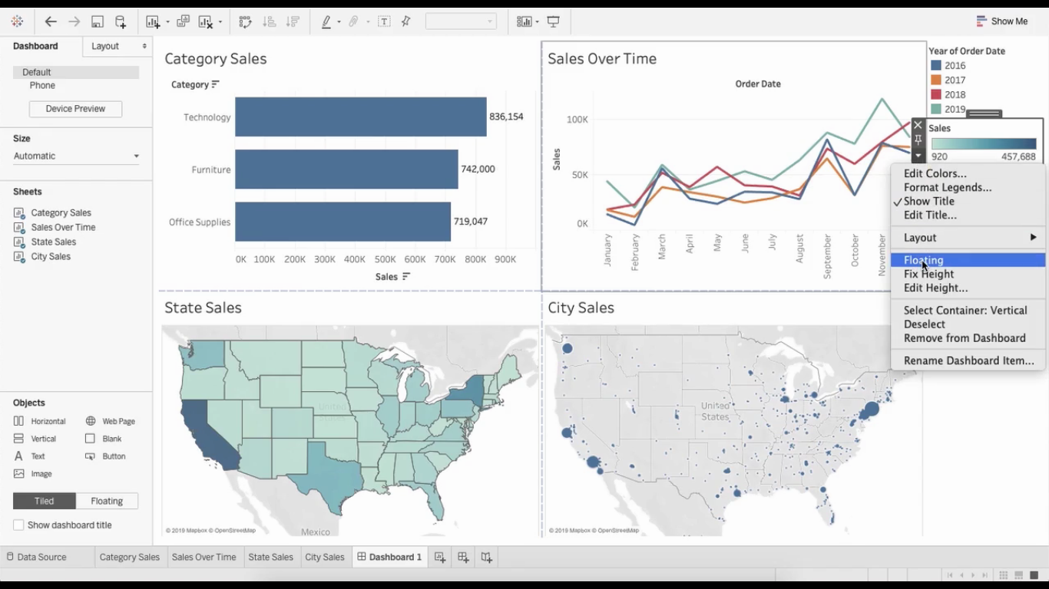
 |  |  |  |  | Georgia | 49095.84
 |  |  |  |  | Idaho | 4382.486
 |  |  |  |  | Illinois | 80166.101
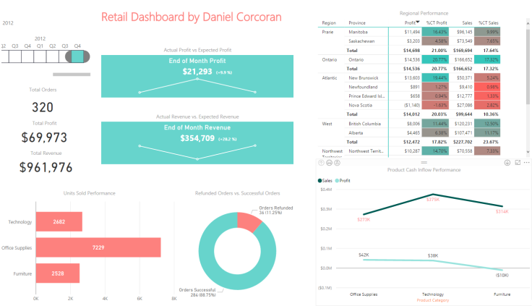
 |  |  |  |  | Indiana | 53555.36
 |  |  |  |  | Iowa | 4579.76
 |  |  |  |  | Kansas | 2914.31
 |  |  |  |  | Kentucky | 36591.75
 |  |  |  |  | Louisiana | 9217.03
 |  |  |  |  | Maine | 1270.53
 |  |  |  |  | Maryland | 23705.523
 |  |  |  |  | Massachusetts | 28634.434
 |  |  |  |  | Michigan | 76269.614
 |  |  |  |  | Minnesota | 29863.15
 |  |  |  |  | Mississippi | 10771.34
 |  |  |  |  | Missouri | 22205.15
 |  |  |  |  | Montana | 5589.352
 |  |  |  |  | Nebraska | 7464.93
 |  |  |  |  | Nevada | 16729.102
 |  |  |  |  | New Hampshire | 7292.524
 |  |  |  |  | New Jersey | 35764.312
 |  |  |  |  | New Mexico | 4783.522
 |  |  |  |  | New York | 310876.271
 |  |  |  |  | North Carolina | 55603.164
 |  |  |  |  | North Dakota | 919.91
 |  |  |  |  | Ohio | 78258.136
 |  |  |  |  | Oklahoma | 19683.39
 |  |  |  |  | Oregon | 17431.15
 |  |  |  |  | Pennsylvania | 116511.914
 |  |  |  |  | Rhode Island | 22627.956
 |  |  |  |  | South Carolina | 8481.71
 |  |  |  |  | South Dakota | 1315.56
 |  |  |  |  | Tennessee | 30661.873
 |  |  |  |  | Texas | 170188.0458
 |  |  |  |  | Utah | 11220.056
 |  |  |  |  | Vermont | 8929.37
 |  |  |  |  | Virginia | 70636.72
 |  |  |  |  | Washington | 138641.27
 |  |  |  |  | West Virginia | 1209.824
 |  |  |  |  | Wisconsin | 32114.61
 |  |  |  |  | Wyoming | 1603.136

Date Hierarchy | 2017

 |  | Values
Segment | Category | Sum of Sales | Sum of Profit | Total sales YTD
Consumer | Furniture | 110217.5279 | 2072.3198 | 110217.5279
 | Office Supplies | 113520.255 | 17593.4521 | 113520.255
 | Technology | 108166.917 | 25902.4672 | 108166.917
Consumer Total |  | 331904.6999 | 45568.2391 | 331904.6999
Corporate | Furniture | 60697.0844 | 1087.604 | 60697.0844
 | Office Supplies | 92605.785 | 15907.5872 | 92605.785
 | Technology | 88544.955 | 9787.1721 | 88544.955
Corporate Total |  | 241847.8244 | 26782.3633 | 241847.8244
Home Office | Furniture | 44472.6569 | -141.5325 | 44472.6569
 | Office Supplies | 39971.135 | 6235.5824 | 39971.135
 | Technology | 75018.939 | 14994.6173 | 75018.939
Home Office Total |  | 159462.7309 | 21088.6672 | 159462.7309

