data
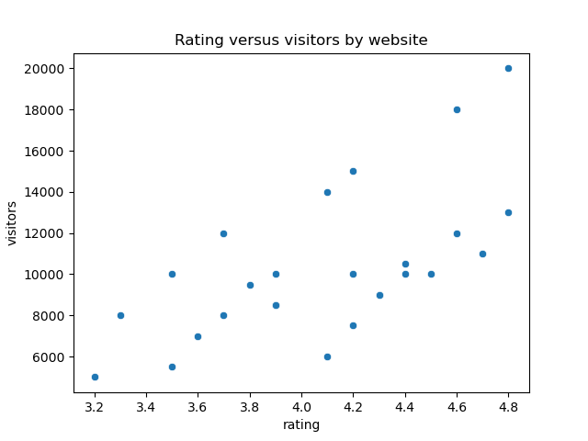
url | category | rating | visitors
https://www.example.com | News | 4.5 | 10,000
https://www.invalidurl | Technology | 3.2 | 5,000
https://www.openai.org | Finance | 4.8 | 20,000
https://www.example2.com | Education | 4.2 | 15,000
https://www.example3.com | Technology | 4.6 | 12,000
https://www.example4.com | Finance | 3.7 | 8,000
https://www.example5.com | News | 3.9 | 10,000
https://www.example6.com | Technology | 4.3 | 9,000
https://www.example7.com | Finance | 3.6 | 7,000
https://www.example8.com | News | 4.7 | 11,000
https://www.example9.com | Technology | 3.8 | 9,500
https://www.example11.com | Education | 4.6 | 18,000
https://www.example12.com | News | 3.9 | 8,500
https://www.example13.com | Technology | 4.2 | 7,500
https://www.example14.com | Finance | 3.5 | 5,500
https://www.example15.com | Education | 4.4 | 10,000
https://www.example16.com | News | 3.7 | 12,000
https://www.example17.com | Technology | 4.1 | 6,000
https://www.example18.com | Finance | 4.3 | 9,000
https://www.example19.com | Education | 3.3 | 8,000
https://www.example20.com | News | 4.2 | 10,000
https://www.example21.com | Education | 4.8 | 13,000
https://www.example23.com | Education | 4.1 | 14,000
https://www.example24.com | News | 4.4 | 10,500
https://www.example25.com | Finance | 3.9 | 8,500
https://www.example26.com | News | 3.5 | 10,000

