correlation
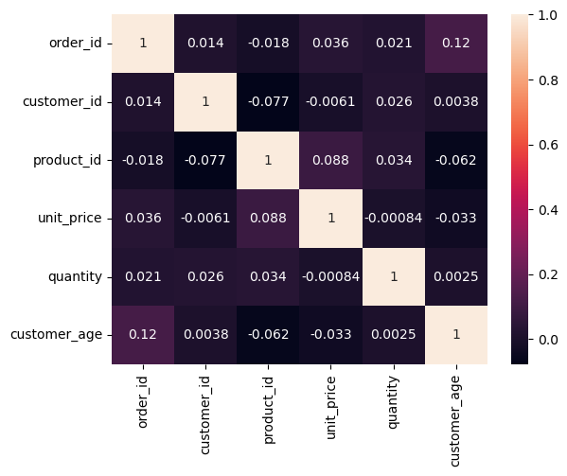
correlation

 | order_id | customer_id | product_id | unit_price | quantity | customer_age
order_id | 1 | 0.014327049514 | -0.017604666038 | 0.035578352567 | 0.021317046934 | 0.11632850285
customer_id | 0.014327049514 | 1 | -0.077461006269 | -0.0060580703936 | 0.02561732557 | 0.0037988368182
product_id | -0.017604666038 | -0.077461006269 | 1 | 0.08797396115 | 0.034330308586 | -0.061720289263
unit_price | 0.035578352567 | -0.0060580703936 | 0.08797396115 | 1 | -0.00084127065824 | -0.032941193073
quantity | 0.021317046934 | 0.02561732557 | 0.034330308586 | -0.00084127065824 | 1 | 0.0025407608858
customer_age | 0.11632850285 | 0.0037988368182 | -0.061720289263 | -0.032941193073 | 0.0025407608858 | 1

correlation visualized

