Sheet1
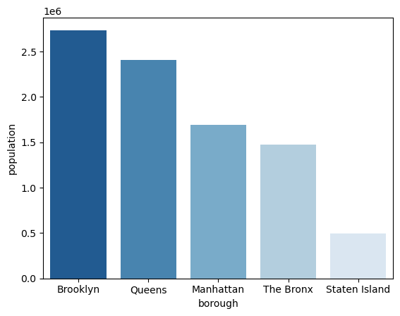
borough | population
The Bronx | 1,472,654
Brooklyn | 2,736,074
Manhattan | 1,694,251
Queens | 2,405,464
Staten Island | 495,747

